Parana_Basin
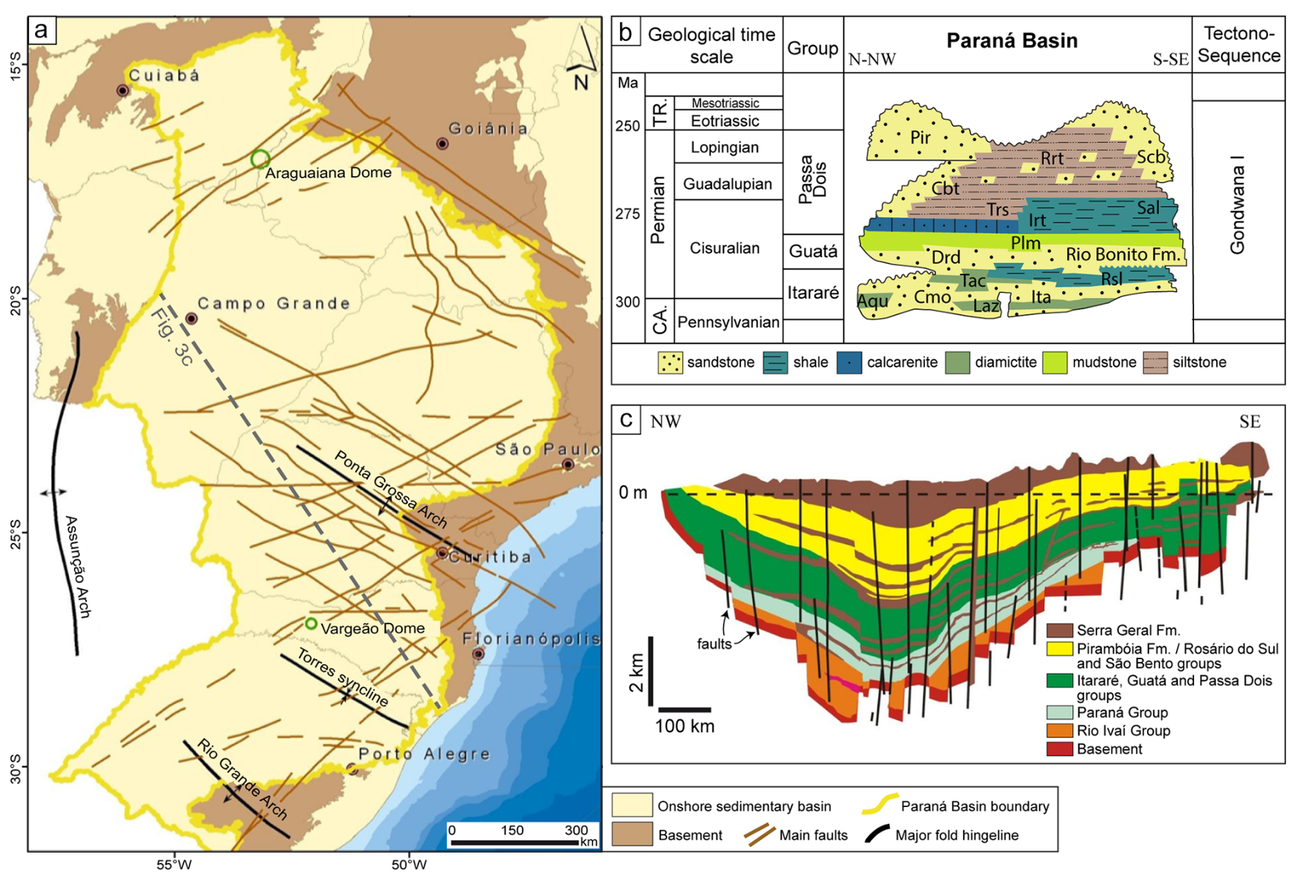
Well-ID | Top [m] | Base [m] | Thickness [m] | Porosity
1-CA-1-PR | -987 | -1060 | 73 | - |  |  |  | Rio Bonito Fm: |  | Paralic (deltaic, estuarine and shallow marine) fine- to coarse-grained sandstone, mudstone and coal (Milani et al., 2007).
1-CA-2-PR | -1002 | -1093 | 91 | 21.80% |  |  |  | Palermo Fm: |  | Sandy siltstone, siltstone and shale, locally interbedded with lenticular sandstone layers (Milani, 1997).
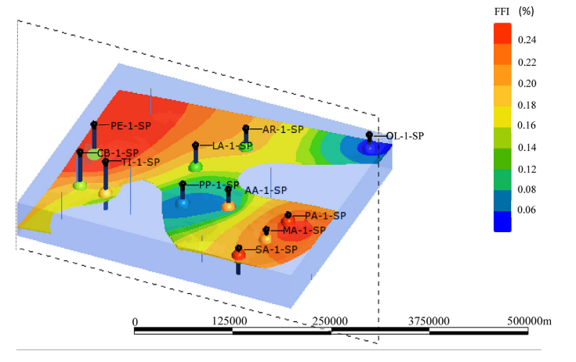
1-CA-3-PR | -1102 | -1263 | 161 | 18.50%
1-CS-2-PR | -2330 | -2600 | 270 | 19.50%
1-ES-1-RS | -2161 | -2324 | 163 | -
1-ES-2-RS | -2133 | -2295 | 162 | 16.20%
1-GB-1-PR | -2180 | -2454 | 274 | -
1-GP-1-PR | -2032 | -2237 | 205 | 12.50%
1-MA-1-SP | -1029 | -1115 | 86 | 23.50%
1-MB-1-SC- | -1425 | -1593 | 168 | 11.50%
1-MC-1-RS | -2120 | -2263 | 143 | 13.00%
1-MC-2-SC | -1623 | -1781 | 158 | 13.80%
1-PH-1-PR | -1978 | -2327 | 349 | 12.00%
1-PT-1-PR | -2285 | -2443 | 158 | 8.00%
1-RCH-1-SC | -2353 | -2421 | 68 | 10.00%
1-RS-1-PR | -2351 | -2537 | 186 | 12.70%
1-SJQ-1-SC | -1596 | -1768 | 172 | 13.50%
1-TI-1-SP | -3315 | -3335 | 20 | 18%
1-TP-1-SC | -2171 | -2308 | 137 | 15.30%
1-TP-3-SC | -2223 | -2356 | 133 | -
1-TV-2-SC | -1955 | -2094 | 139 | 15.70%
1-TV-3-SC | -1942 | -2080 | 138 | 13.30%
1-TV-4-SC | -1919 | -2060 | 141 | 14.50%
2-AA-1-SP | -1858 | -1934 | 76 | 18.50% |  |  |  | Figure 2 - | 3-D model representing the sandstone reservoir free fluid index (FFI).
2-AO-1-RS | -2093 | -2221 | 128 | 16.00%
2-AR-1-SP | -1907 | -1951 | 44 | 15.00%
2-CA-1-SC | -1625 | -1794 | 169 | 11.10% |  |  |  | Source: | Abraham-A. R. M., Rocha,H. V., de Oliveira, S.B., Tassinari, C. C. G., and da Silva, O. C.: Hydrocarbon indication in Rio Bonito Formation sandstone: Implication for CO2 storage in Sao Paulo, Brazil. Energy Geoscience, https://doi.org/10.1016/j.engeos.2023.100168
2-LA-1-SP | -2303 | -2353 | 50 | 16.00%
2-LV-1-RS | -2138 | -2283 | 145 | 16.00% | Figure 1 - | (a) Map of structures in the Paraná Basin (modified from Zalán et al., 1990). (b) Stratigraphic chart of the Paraná Basin (modified from Milani and Zalán, 1998). Acronyms include: Aquidauana Fm (Aqu), Campo Mourão Fm (Cmo), Carboniferous (CA), Corumbataí Fm (Cbt), Dourados Fm (Drd), Irati Fm (Irt), Itararé Group (Itr), Lagoa Azul Fm (Laz), Parlermo Fm (Plm), Pirambóia Fm (Pir), Rio do Rasto Fm (Rrt), Rio do Sul Member (Rsl), Sanga do Cabral Fm (Scb), Serra Alta Fm (Sal), Taciba Fm (Tac), Teresina Fm (Trs), Triassic (TR.). (c) NW-SE schematic geological cross-section of the Gondwana I Supersequence of the Paraná Basin (modified from Milani et al., 2007); its location is highlighted with a gray dashed line in panel (a).
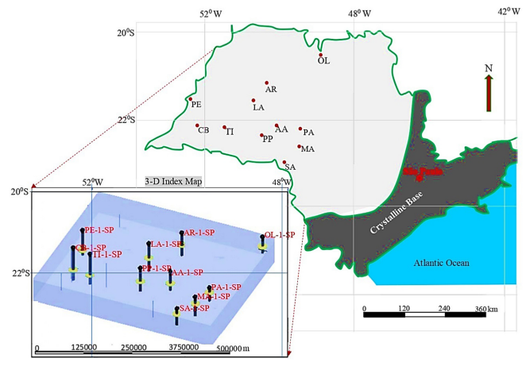
2-MC-1-SC | -1742 | -1900 | 158 | -
2-MR-1-RS | -2035 | -2137 | 102 | -
2-OL-1-SP | -1469 | -1511 | 42 | 15.00%
2-PI-1-SC | -2014 | -2138 | 124 | 15.00%
2-PP-1-SP | -2107 | -2156 | 49 | 11.00%
2-PU-1-SC | -1040 | -1237 | 197 | 23.10%
2-RI-1-RS | -1968 | -2147 | 179 | -
2-TL-1-MS | -2610 | -2635 | 25 | 15.00% | Source: | Amarante, F. B. D., Kuchle, J., Scherer, C. M. D. S., Dashtgard, S. E., and Haag, M. B.: Geological screening of onshore saline aquifers for CO2 storage: Paraná and Espírito Santo basins, Brazil, Adv. Geosci., 65, 19–35, https://doi.org/10.5194/adgeo-65-19-2024, 2024.
2-UV-1-PR | -884 | -1091 | 207 | 17.00%
3-MC-3-SC | -1623 | -1788 | 165 | -

 |  |  |  |  | Comments: | Rio Bonito Fm: | Paralic (deltaic, estuarine and shallow marine) fine- to coarse-grained sandstone, mudstone and coal (Milani et al., 2007).
 |  |  |  |  |  | Palermo Fm: | Sandy siltstone, siltstone and shale, locally interbedded with lenticular sandstone layers (Milani, 1997).

