Sheet1
石森 璃花 | 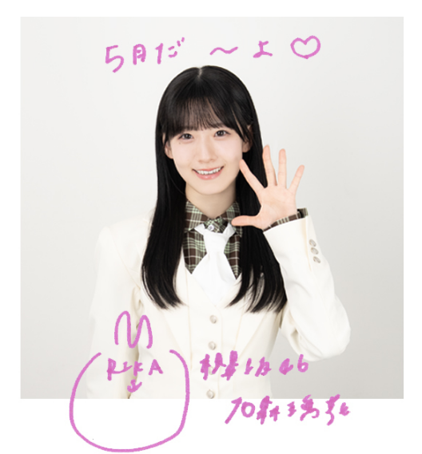 | https://sakurazaka46.com/s/s46/artist/59?ima=0000
村井 優 | 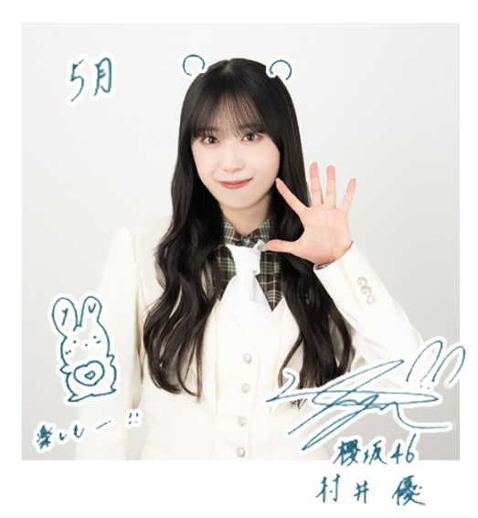 | https://sakurazaka46.com/s/s46/artist/67?ima=0000
小坂 菜緒 | 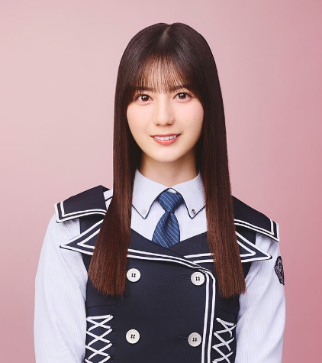 | https://www.hinatazaka46.com/s/official/artist/14
遠藤 さくら | 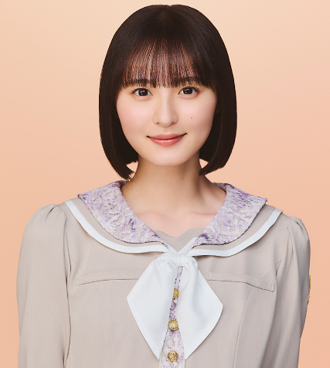 | https://www.nogizaka46.com/s/n46/artist/48006
池田 瑛紗 | 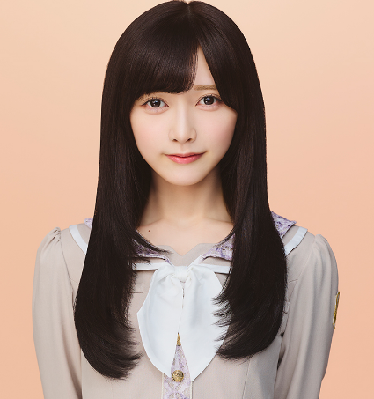 | https://www.nogizaka46.com/s/n46/artist/55397

