1.1 AHP Hierarchy
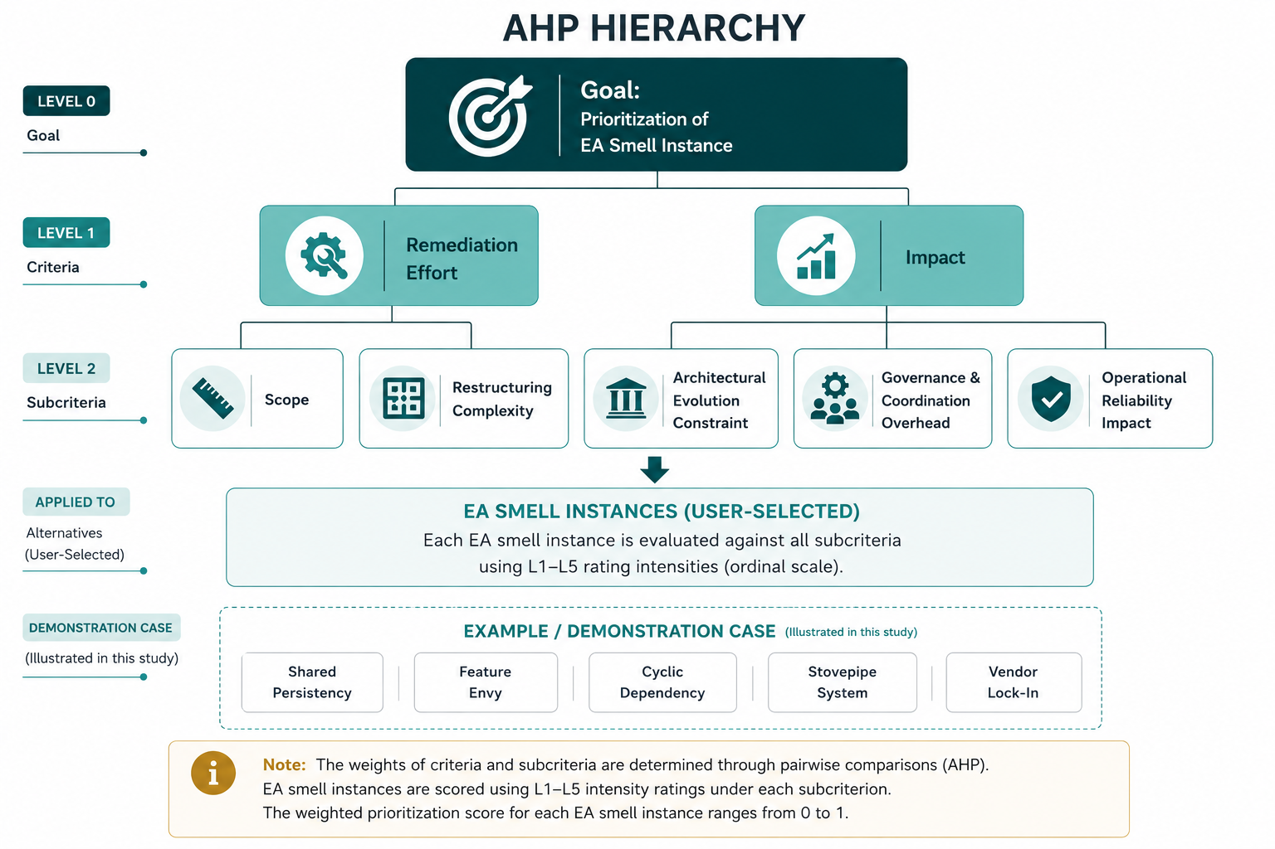
AHP Hierarchy

1.5 Results EA Smell Dashboard
EA SMELL PRIORITISATION DASHBOARD

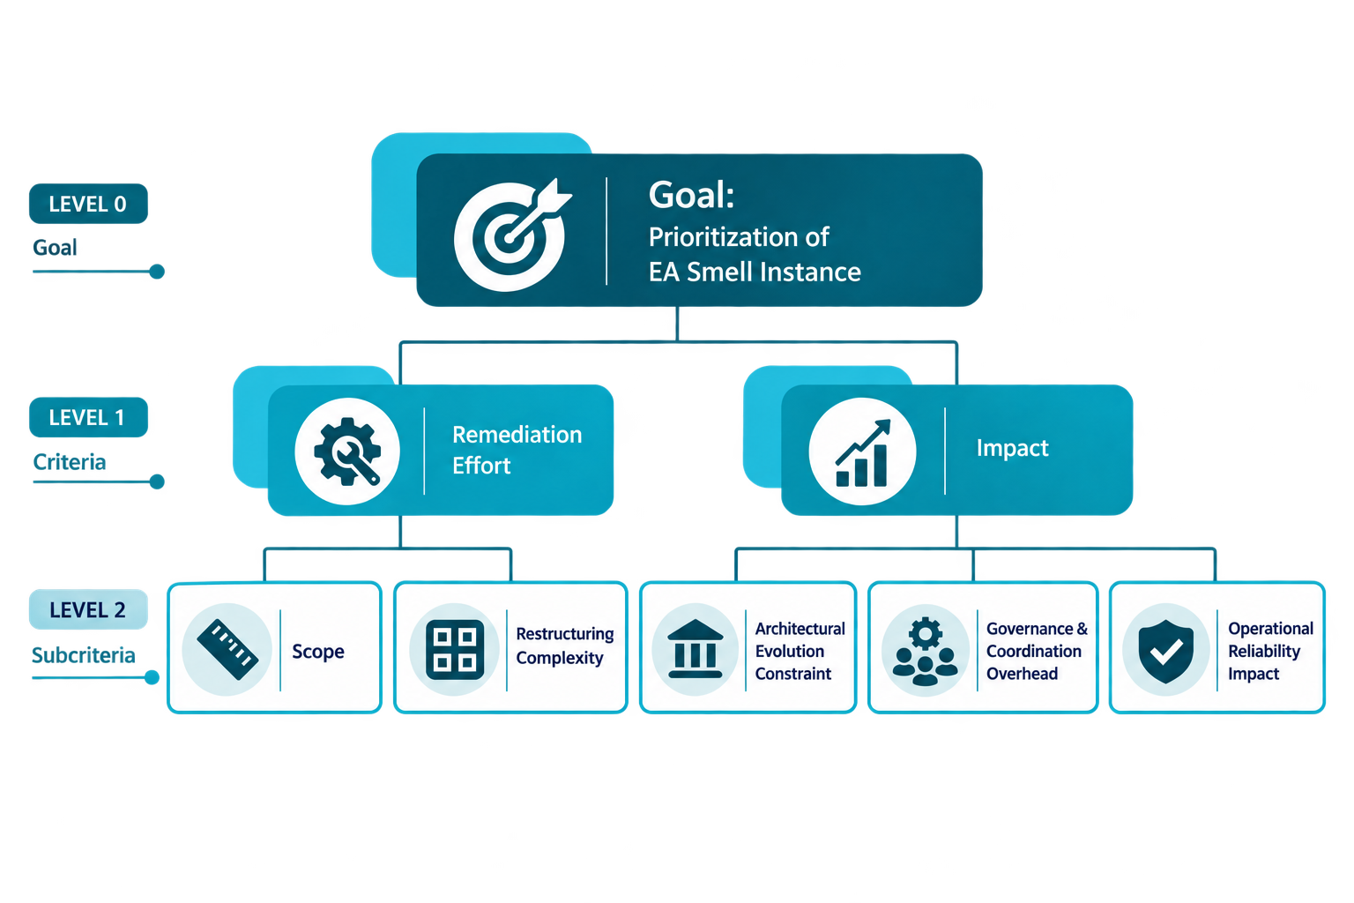
 | 1 | CRITERIA WEIGHTS (GLOBAL) User-input weights defining the importance of each criterion.

 |  |  | Criterion | Subcriterion | Local Weight | Global Weight
 |  |  | Remediation Effort |  | 50.00% | 50.00%
 |  |  |  | Scope | 50.00% | 25.00%
 |  |  |  | Restructuring Complexity | 50.00% | 25.00%
 |  |  | Impact |  | 50.00% | 50.00%
 |  |  |  | Evolution Constraint | 33.33% | 16.67%
 |  |  |  | Governance & Coordination Overhead | 33.33% | 16.67%
 |  |  |  | Operational Reliability Impact | 33.33% | 16.67%

 |  |  | After changing the input data, select Data → Refresh All to update the tables below.

 | 2 | EA SMELL RATINGS User-provided ratings for each EA smell across all criteria. | Rating (Intensity Priority): Rating assigned on the 1–5 scale, with its corresponding AHP-derived priority shown in parentheses.

 |  |  | EA Smell Instance | Scope Rating / Intensity Priority | Restructuring Complexity Rating / Intensity Priority | Evolution Constraint Rating / Intensity Priority | Governance Overhead Rating / Intensity Priority | Operational Reliability Rating / Intensity Priority
 |  |  | Cyclic Dependency | 4 (0.2231) | 4 (0.1963) | 4 (0.4076) | 3 (0.2044) | 3 (0.1915)
 |  |  | Feature Envy | 3 (0.3426) | 3 (0.4757) | 3 (0.1596) | 2 (0.1141) | 2 (0.0875)
 |  |  | Shared Persistency | 5 (0.0855) | 3 (0.4757) | 5 (1.0000) | 4 (0.5362) | 4 (0.5423)
 |  |  | Stovepipe System | 4 (0.2231) | 4 (0.1963) | 4 (0.4076) | 3 (0.2044) | 4 (0.5423)
 |  |  | Vendor Lock-In | 4 (0.2231) | 5 (0.0856) | 5 (1.0000) | 5 (1.0000) | 4 (0.5423)
 |  |  | (blank)

 | 3 | FINAL RESULTS Computed weighted scores used to rank EA smells. | How to read the results: Total is the weighted score for each EA smell instance, based on its ratings across the subcriteria. Normalized Priority is the normalized Total, showing the relative priority of each EA smell. Priority values sum to 1 (100%) and determine the final ranking.

 |  |  | Rank | EA Smell Instance | Weighted Score / Total | Normalized Priority
 |  |  | 1 | Vendor Lock-In | 0.5009 | 0.28008
 |  |  | 2 | Shared Persistency | 0.4867 | 0.27216
 |  |  | 3 | Stovepipe System | 0.2972 | 0.16620
 |  |  | 4 | Feature Envy | 0.2648 | 0.14806
 |  |  | 5 | Cyclic Dependency | 0.2388 | 0.13351
 |  |  |  | (blank)

