Sheet1
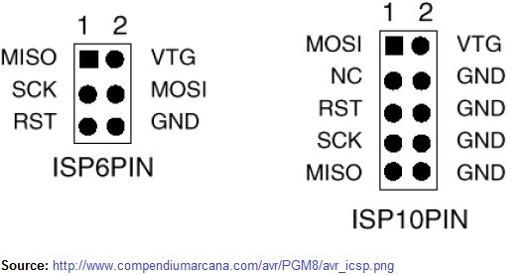
miso | mosi | 1
vcc | vcc | 2
sck | nc | 3
mosi | gnd | 4
rst | rst | 5
gnd | gnd | 6
 | sck | 7
 | gnd | 8
 | miso | 9
 | gnd | 10

