eg0Apriori
Data:
 | ID | Items
 | 1 | Apple | Orange
 | 2 | Apple | Banana
 | 3 | Apple | Coke | Orange
 | 4 | Orange | Coke
 | 5 | Orange | Coffee
 | 6 | Apple | Coffee | Orange | Coke

Step1: | item | support_count
 | Apple | 4 | At least three times, items should be purchsed.
 | Banana | 1 | Else, we are not considering.
 | Coffee | 2
 | Coke | 3
 | Orange | 5

 |  |  |  |  | Support
 | item | support_count | support
 | Apple | 4 | 0.67
 | Coke | 3 | 0.50
 | Orange | 5 | 0.83

step2: | Find all the superset with 2 items of all the items present in the last step.
 | item | support_count |  |  | support
 | {Apple, Coke} | 2 | from ids | 3,6 | 0.33 | eliminated, because of low threshold
 | {Apple, Orange} | 3 | from ids | 1, 3, 6 | 0.50
 | {Coke, Orange} | 3 | from ids | 3, 4, 6 | 0.50

 | item | support_count | frequent item set
 | {Apple, Orange, Coke} | 1 | is most frequent item!!!

Step 3: | Find superset with 3 items in each set present in last transaction dataset.
 | Check all the subset of an itemset which are frequent or not and remove the infrequent ones.
 | In this case if we select { I1, I2, I3 } we must have all the subset that is, { I1, I2 }, { I2, I3 }, { I1, I3 }.
 | But we don’t have { I1, I3 } in our dataset.
 | Same is true for { I1, I3, I5 } and { I2, I3, I5 }. So, we stop here as there are no frequent itemset present.

Step 4: | As we have discovered all the frequent itemset. We will generate strong association rule.
 | For that we have to calculate the confidence of each rule. All the possible association rules can be,

 | Confidence( I1 -> I2 ) = |  | SupportCount ( I1 U I2 ) / SupportCount( I1 ) = (2 / 2) * 100 % = 100%.
 | Confidence( I1 -> I2 ) = |  | 25% |  |  |  |  | Confidence is an indication of how often the rule has been found to be true.
 |  |  |  |  |  |  |  | It signifies the likelihood of item Y being purchased when item X is purchased.
 |  | association_rule | confidence% |  |  |  |  | A confidence of 75% means that 75% of the customers who purchased an apple also bought beer
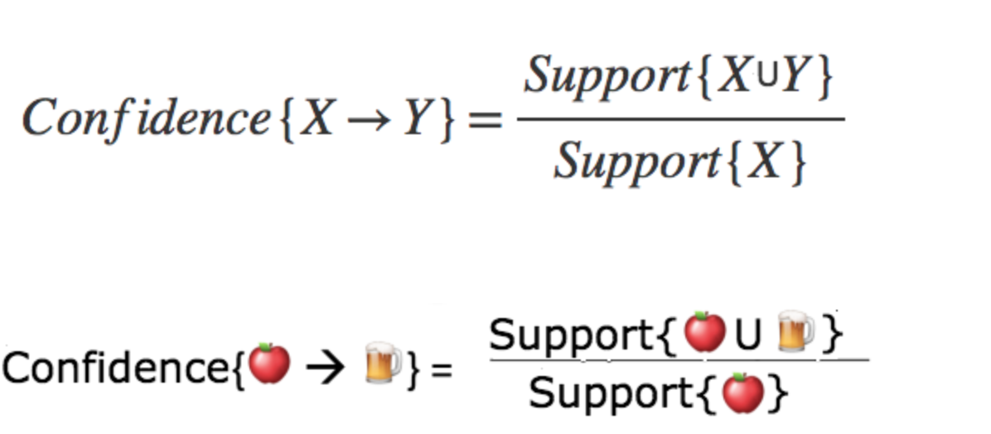
 |  |  |  | apple, coke eliminated previous step,
 |  | Apple -> Orange | 75% | due to low threshold. !
 |  | Coke -> Orange | 100%

 |  | Orange -> Apple | 60%
 |  | Orange-> Coke | 60%

 | Since, All these association rules has confidence ≥50% then all can be considered as strong association rules.

Step 5: | We will calculate lift for all the strong association rules.
 | Lift ( I1 -> I2 ) = Confidence( I1 -> I2 )/ Support( I2 ) = 100 / 4 = 25 %.

 | association_rule | confidence% | lift |  | item | support |  | Lift
 | Apple -> Orange | 75% | 0.90 | 0.90 | Apple | 0.67 |  | how likely item Y is purchased when item X is purchased while controlling for how popular item Y is.
 | Coke -> Orange | 100% | 1.20 | 1.20 | Coke | 0.50 |  | If the lift value is 1, which implies no association between items.
 | Orange -> Apple | 60% | 0.90 | 0.90 | Orange | 0.83 |  | A lift value greater than 1 means that item Y is likely to be bought if item X is bought,
 | Orange-> Coke | 60% | 1.20 | 1.20 |  |  |  | while a value less than 1 means that item Y is unlikely to be bought if item X is bought.
 |  |  |  |  |  |  |  | A lift of 12.5% means that 12.5% of the customers who likely to be bought beer if an apple is bought.

 | Coke -> Orange | 1 | 1.2
 | Orange is more likely to be bought when Coke is bought!.

 | Apple -> Orange | 0.75 | 0.9
 | When apple is bought, it is unlikely to be bought Orange.

 |  |  |  | Items
 |  |  |  | Apple | Orange
 |  |  |  | Apple | Banana
 |  |  |  | Apple | Coke | Orange
 |  |  |  | Orange | Coke
 |  |  |  | Orange | Coffee
 |  |  |  | Apple | Coffee | Orange | Coke

