Performance_Summary
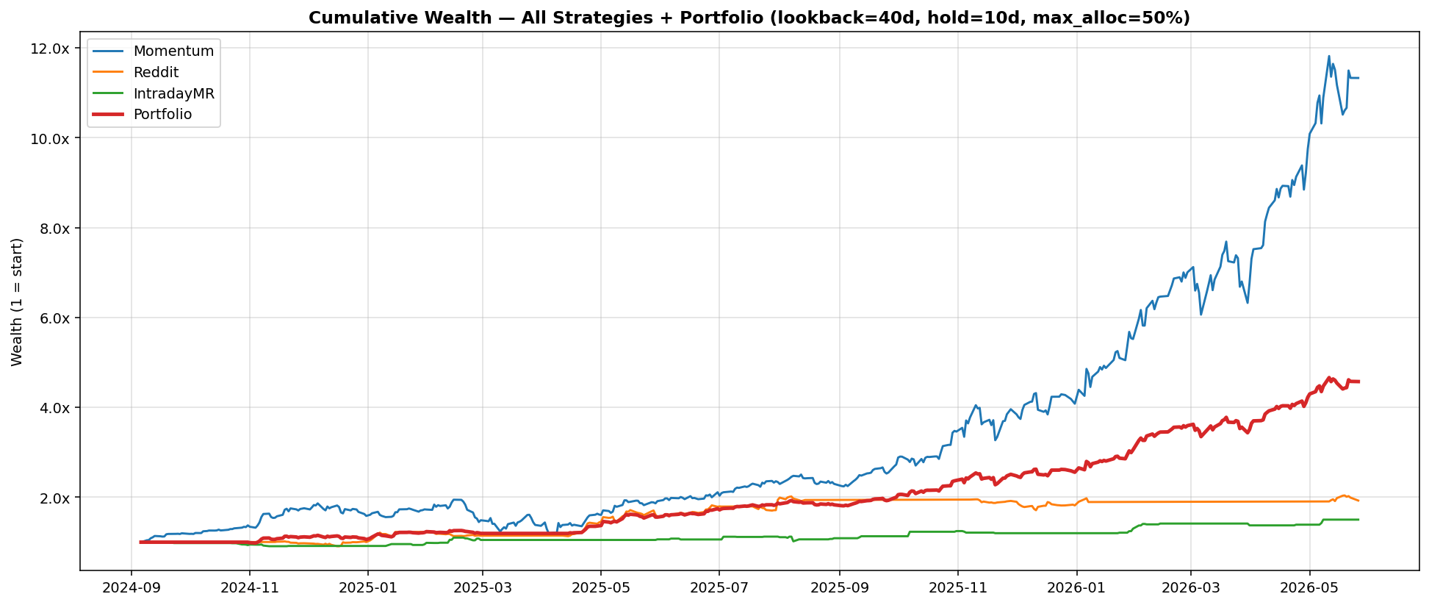
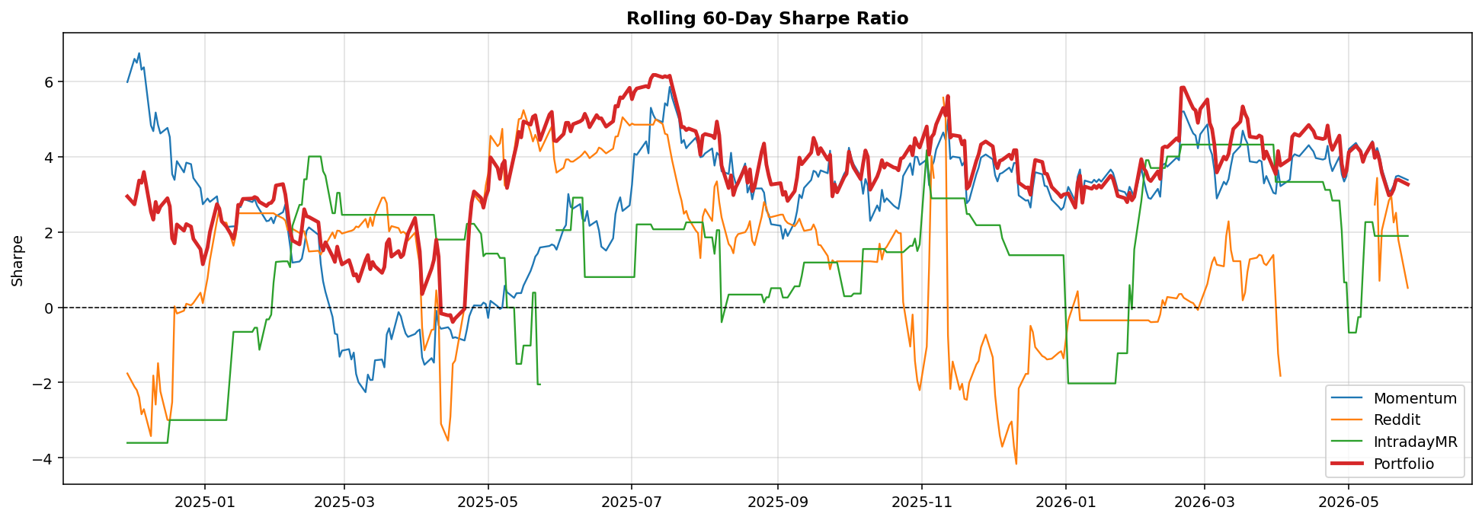
Strategy | Total Return | Annualized Return | Sharpe Ratio | Sortino Ratio | Max Drawdown | Avg Daily Return | Daily Std | Win Rate | Best Day | Worst Day | Positive Days | Negative Days | Total Days
Momentum | 10.327010237 | 3.0324578993 | 2.7364088029 | 4.0749932433 | -0.39947954742 | 0.0061840886306 | 0.035875255009 | 0.59069767442 | 0.22046489368 | -0.1210855681 | 254 | 176 | 430
Reddit | 0.92598911152 | 0.46838717128 | 1.5970374453 | 2.175396957 | -0.15158963299 | 0.0016571935608 | 0.016472457984 | 0.7976744186 | 0.13407713548 | -0.061760251611 | 343 | 87 | 430
IntradayMR | 0.50155174236 | 0.26899768055 | 1.4413907993 | 0.84405584058 | -0.093340162713 | 0.0010064589991 | 0.011084461831 | 0.072093023256 | 0.088161952851 | -0.093205828567 | 31 | 23 | 430
Portfolio | 3.6238411594 | 1.6704627573 | 3.6737038082 | 5.9517911846 | -0.10340283171 | 0.0040575689476 | 0.017533234452 | 0.58717948718 | 0.070531972667 | -0.065035479942 | 229 | 141 | 390

Yearly_Stats
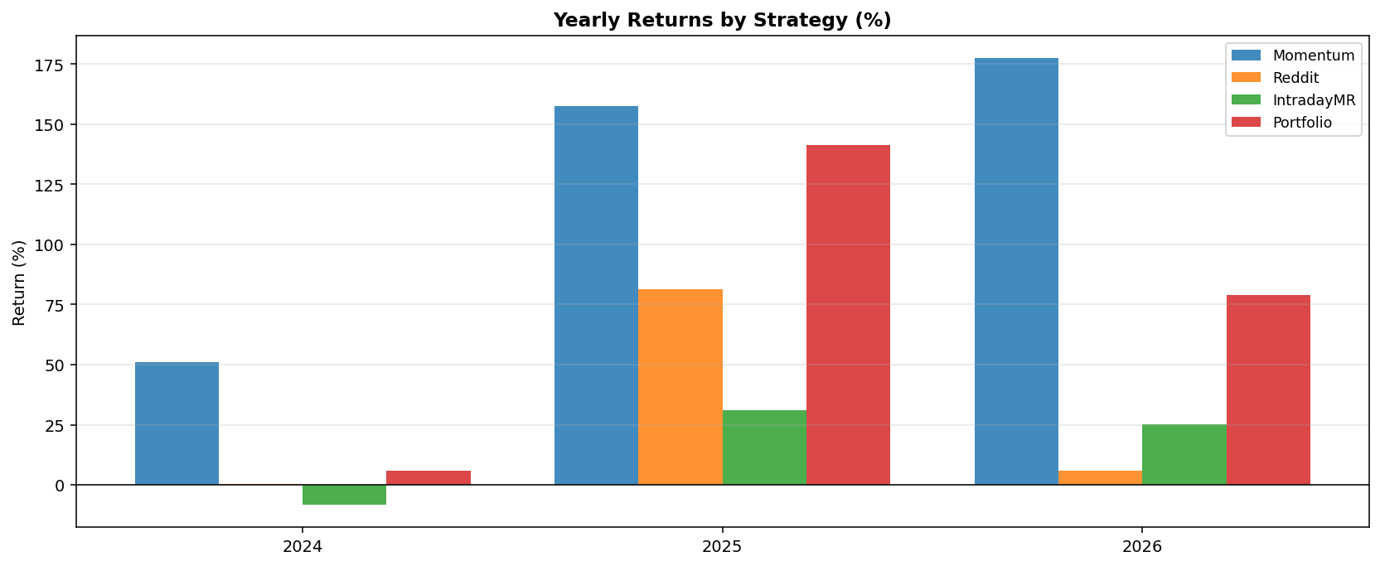
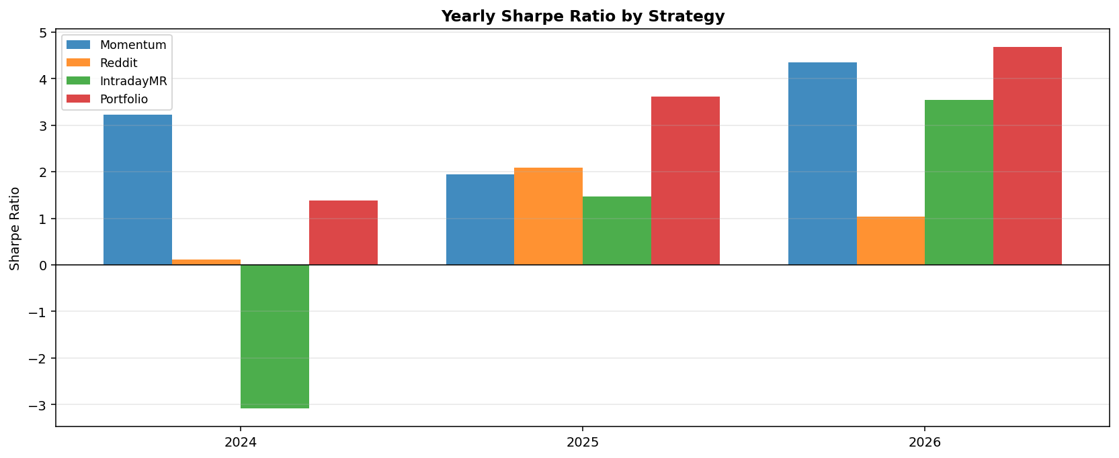
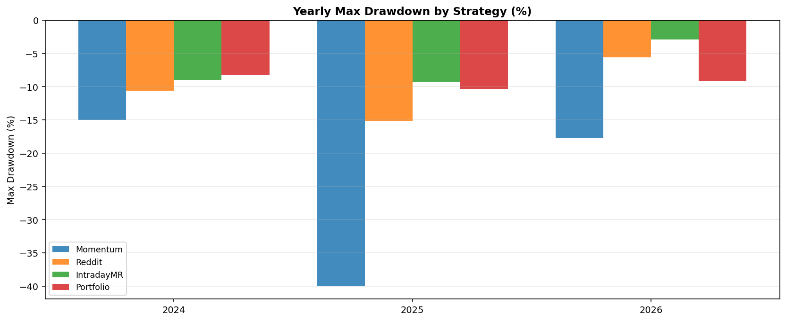
Strategy | Year | Return | Sharpe | Sortino | Max Drawdown | Trading Days | Win Rate
Momentum | 2024 | 0.51027147973 | 3.2254510516 | 4.8997819351 | -0.14977743397 | 81 | 0.61728395062
Momentum | 2025 | 1.5752289933 | 1.9414475649 | 2.8131461784 | -0.39947954742 | 250 | 0.56
Momentum | 2026 | 1.7761488275 | 4.3529283052 | 7.1265797491 | -0.17741995386 | 99 | 0.64646464646
Reddit | 2024 | 0.0017906616826 | 0.12101291698 | 0.15365139781 | -0.10604078424 | 81 | 0.79012345679
Reddit | 2025 | 0.8150763183 | 2.0875447987 | 3.3083527788 | -0.15158963299 | 250 | 0.74
Reddit | 2026 | 0.059293785543 | 1.0370949588 | 0.83097776384 | -0.055989072531 | 99 | 0.94949494949
IntradayMR | 2024 | -0.084109479367 | -3.0870689043 | -1.6959015405 | -0.089607056156 | 81 | 0.037037037037
IntradayMR | 2025 | 0.31024532741 | 1.4675198785 | 0.78248541791 | -0.093340162713 | 250 | 0.076
IntradayMR | 2026 | 0.25125008077 | 3.536431311 | 2.3998701136 | -0.028741909107 | 99 | 0.090909090909
Portfolio | 2024 | 0.057955141988 | 1.3780550834 | 2.7259921114 | -0.082324049727 | 41 | 0.51219512195
Portfolio | 2025 | 1.4152909046 | 3.6108956735 | 5.5961917237 | -0.10340283171 | 250 | 0.572
Portfolio | 2026 | 0.78960313898 | 4.6824982585 | 7.9879575203 | -0.091008981239 | 99 | 0.65656565657

Rebalancing_History
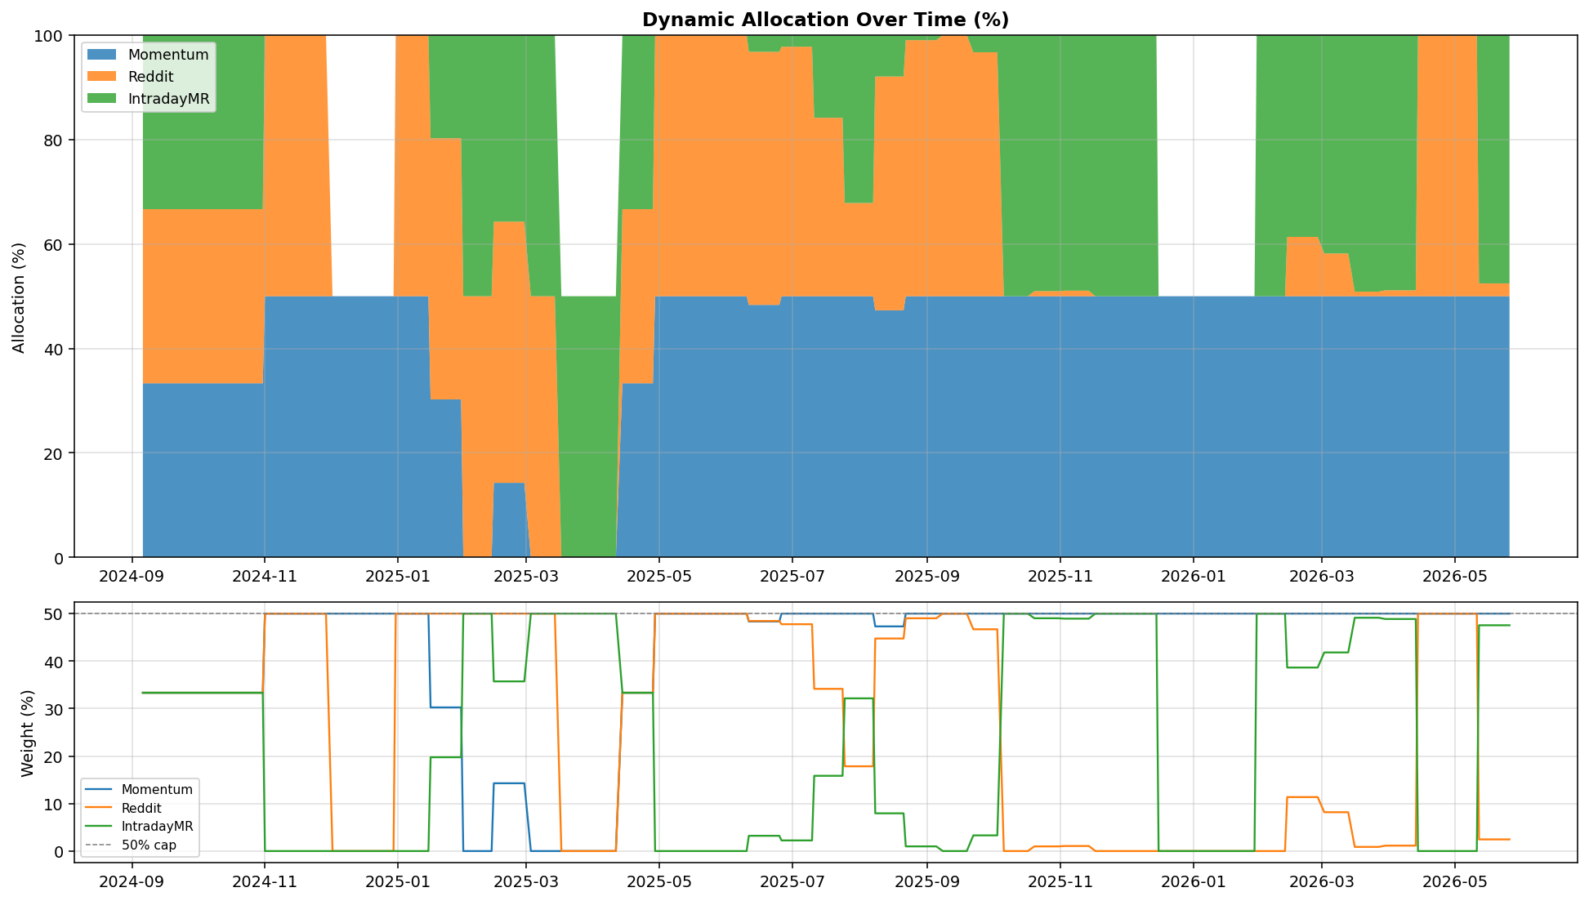
Rebalance_Date | Momentum | Reddit | IntradayMR | Period_Return(%)
2024-11-01 | 50 | 50 | 0 | 6.2328080835
2024-11-15 | 50 | 50 | 0 | 5.2883164919
2024-12-02 | 50 | 0 | 0 | 0.75952815282
2024-12-16 | 50 | 0 | 0 | -4.1789934342
2024-12-31 | 50 | 50 | 0 | 11.386809522
2025-01-16 | 30.246616475 | 50 | 19.753383525 | 1.0994425458
2025-01-31 | 0 | 50 | 50 | 2.1103343661
2025-02-14 | 14.27551077 | 50 | 35.72448923 | -3.7323009093
2025-03-03 | 0 | 50 | 50 | 0.0396896266
2025-03-17 | 0 | 0 | 50 | 0
2025-03-31 | 0 | 0 | 50 | 0
2025-04-14 | 33.333333333 | 33.333333333 | 33.333333333 | 13.129275289
2025-04-29 | 50 | 50 | 0 | 12.605964936
2025-05-13 | 50 | 50 | 0 | 5.3658874926
2025-05-28 | 50 | 50 | 0 | 0.99293103764
2025-06-11 | 48.339916959 | 48.444391127 | 3.2156919138 | 3.9615366808
2025-06-26 | 50 | 47.762477125 | 2.2375228755 | 6.4023368672
2025-07-11 | 50 | 34.154158667 | 15.845841333 | 1.3849234464
2025-07-25 | 50 | 17.846617499 | 32.153382501 | 6.0357884728
2025-08-08 | 47.302575795 | 44.752746277 | 7.9446779283 | -4.9600839013
2025-08-22 | 50 | 49.01553944 | 0.98446056008 | -1.1152713042
2025-09-08 | 50 | 50 | 0 | 8.266360589
2025-09-22 | 50 | 46.697795396 | 3.3022046041 | 5.1889877355
2025-10-06 | 50 | 0 | 50 | 4.4357616998
2025-10-20 | 50 | 0.98041802932 | 49.019581971 | 10.164511324
2025-11-03 | 50 | 1.0645396741 | 48.935460326 | 1.9284112974
2025-11-17 | 50 | 0 | 50 | 2.2336648933
2025-12-02 | 50 | 0 | 50 | 0.91383728379
2025-12-16 | 50 | 0 | 0 | 3.0251582422
2025-12-31 | 50 | 0 | 0 | 8.6562490273
2026-01-15 | 50 | 0 | 0 | 7.1024186375
2026-01-30 | 50 | 0 | 50 | 14.548398739
2026-02-13 | 50 | 11.361144783 | 38.638855217 | 4.7760147226
2026-03-02 | 50 | 8.1803498852 | 41.819650115 | -0.83287858152
2026-03-16 | 50 | 0.87392827658 | 49.126071723 | -0.11336971783
2026-03-30 | 50 | 1.1411309954 | 48.858869005 | 11.291674534
2026-04-14 | 50 | 50 | 0 | 4.523300001
2026-04-28 | 50 | 50 | 0 | 12.62031735
2026-05-12 | 50 | 2.4570029923 | 47.542997008 | -1.8120907981

Drawdown_Detail
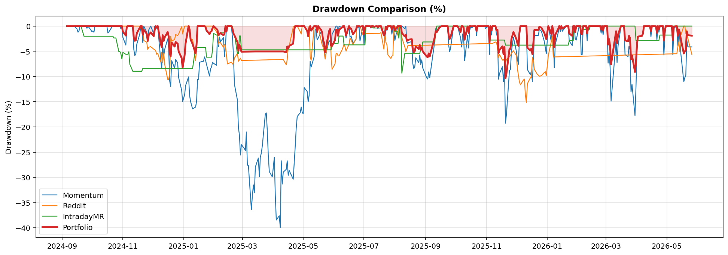
Date | DD_Momentum(%) | DD_Reddit(%) | DD_IntradayMR(%) | DD_Portfolio(%)
2024-09-06 | 0 | 0 | 0 | 0
2024-09-09 | 0 | 0 | 0 | 0
2024-09-10 | 0 | 0 | 0 | 0
2024-09-11 | 0 | 0 | 0 | 0
2024-09-12 | 0 | 0 | 0 | 0
2024-09-13 | 0 | 0 | 0 | 0
2024-09-16 | -0.56850851864 | 0 | 0 | 0
2024-09-17 | -1.2091098484 | 0 | 0 | 0
2024-09-18 | -0.97057518334 | 0 | 0 | 0
2024-09-19 | 0 | 0 | 0 | 0
2024-09-20 | 0 | 0 | 0 | 0
2024-09-23 | 0 | 0 | -2.0139176549 | 0
2024-09-24 | 0 | 0 | -2.0139176549 | 0
2024-09-25 | 0 | 0 | -2.0139176549 | 0
2024-09-26 | -0.44125583817 | 0 | -2.0139176549 | 0
2024-09-27 | 0 | 0 | -2.0139176549 | 0
2024-09-30 | -0.80747772634 | 0 | -2.0139176549 | 0
2024-10-01 | -1.1076194045 | 0 | -2.0139176549 | 0
2024-10-02 | -0.95034696768 | 0 | -2.0139176549 | 0
2024-10-03 | -1.2237497204 | 0 | -2.0139176549 | 0
2024-10-04 | 0 | 0 | -2.0139176549 | 0
2024-10-07 | -0.12102681884 | 0 | -2.0139176549 | 0
2024-10-08 | 0 | 0 | -2.0139176549 | 0
2024-10-09 | 0 | 0 | -2.0139176549 | 0
2024-10-10 | 0 | 0 | -2.0139176549 | 0
2024-10-11 | 0 | 0 | -2.0139176549 | 0
2024-10-14 | -0.069124976144 | 0 | -2.0139176549 | 0
2024-10-15 | 0 | 0 | -2.0139176549 | 0
2024-10-16 | 0 | 0 | -2.0139176549 | 0
2024-10-17 | -1.3758550131 | 0 | -2.0139176549 | 0
2024-10-18 | -1.1443090913 | 0 | -2.0139176549 | 0
2024-10-21 | -0.21271263476 | 0 | -2.0139176549 | 0
2024-10-22 | 0 | 0 | -2.0139176549 | 0
2024-10-23 | 0 | 0 | -2.3586723393 | 0
2024-10-24 | 0 | 0 | -2.3586723393 | 0
2024-10-25 | 0 | 0 | -2.3586723393 | 0
2024-10-28 | 0 | 0 | -5.0695207711 | 0
2024-10-29 | 0 | 0 | -5.0695207711 | 0
2024-10-30 | -0.51128819845 | 0 | -5.4340621212 | 0
2024-10-31 | 0 | 0 | -6.4958178827 | 0
2024-11-01 | -2.2105624775 | 0 | -5.2249454677 | -1.1013129848
2024-11-04 | -3.7639978582 | 0 | -5.596334868 | -1.8829166227
2024-11-05 | -0.28973245766 | 0 | -5.596334868 | -0.10793544686
2024-11-06 | 0 | 0 | -5.596334868 | 0
2024-11-07 | 0 | 0 | -5.0832747505 | 0
2024-11-08 | 0 | 0 | -7.576075756 | 0
2024-11-11 | 0 | 0 | -8.9607056156 | 0
2024-11-12 | -4.6155788491 | 0 | -8.9607056156 | -2.3038211706
2024-11-13 | -5.836969451 | 0 | -8.9607056156 | -2.9254405838
2024-11-14 | -5.5981312237 | 0 | -8.9607056156 | -2.798476856
2024-11-15 | -3.5944145198 | 0 | -8.9607056156 | -1.4449457445
2024-11-18 | -1.5842538007 | 0 | -8.9607056156 | -0.30445855888
2024-11-19 | 0 | 0 | -8.9607056156 | 0
2024-11-20 | 0 | -0.89125435427 | -8.9607056156 | 0
2024-11-21 | -3.2864237962 | -1.026139244 | -8.4109479367 | -1.711260832
2024-11-22 | 0 | -2.8588192973 | -8.4109479367 | -0.72778636177
2024-11-25 | -1.248177873 | -3.2048929905 | -8.4109479367 | -1.5241661035
2024-11-26 | -2.674005019 | -4.6362993949 | -8.4109479367 | -2.9632177499
2024-11-27 | -0.75821237584 | -4.1864812625 | -8.4109479367 | -1.7793129811
2024-11-29 | 0 | -4.0876163662 | -8.4109479367 | -1.2546316098
2024-12-02 | -1.5102284768 | -4.5703404068 | -8.4109479367 | -2.0002719462
2024-12-03 | 0 | -4.6809281895 | -8.4109479367 | -0.72900744991
2024-12-04 | 0 | -4.935541849 | -8.4109479367 | 0
2024-12-05 | -0.45849227786 | -5.6035270029 | -8.4109479367 | -0.22924613893
2024-12-06 | 0 | -5.4290370418 | -8.4109479367 | 0
2024-12-09 | -6.7374790354 | -7.1465490765 | -8.4109479367 | -3.3687395177
2024-12-10 | -8.3237783247 | -5.2111824775 | -8.4109479367 | -4.1905385547
2024-12-11 | -3.7632179516 | -7.2443251251 | -8.4109479367 | -1.8074515052
2024-12-12 | -5.9753496527 | -5.3173661496 | -8.4109479367 | -2.9359953151
2024-12-13 | -4.6331075725 | -7.5702880679 | -8.4109479367 | -2.2431802338
2024-12-16 | -2.5418647306 | -10.579731248 | -8.4109479367 | -1.171355178
2024-12-17 | -4.336342703 | -10.604078424 | -8.4109479367 | -2.0812116292
2024-12-18 | -10.872532104 | -9.4399959348 | -8.4109479367 | -5.4263468916
2024-12-19 | -11.987854325 | -2.0498065425 | -8.4109479367 | -6.018084205
2024-12-20 | -6.8533160608 | -3.0129366632 | -8.4109479367 | -3.2766799415
2024-12-23 | -8.3733482152 | -2.625880669 | -8.4109479367 | -4.0658790325
2024-12-24 | -6.6379080617 | -1.6843865138 | -8.4109479367 | -3.1573664852
2024-12-26 | -7.2780821743 | -1.8905517251 | -8.4109479367 | -3.4893863965
2024-12-27 | -10.220177384 | -1.5588076664 | -8.4109479367 | -5.0205422473
2024-12-30 | -12.692755163 | -0.13903553024 | -8.4109479367 | -6.3284313133
2024-12-31 | -14.977743397 | -1.5850531303 | -8.4109479367 | -8.2324049727
2025-01-02 | -13.6283236 | 0 | -8.4109479367 | -5.7758912118
2025-01-03 | -11.789222848 | 0 | -8.4109479367 | -3.4024784111
2025-01-06 | -10.067677425 | 0 | -8.4109479367 | 0
2025-01-07 | -13.766643762 | 0 | -8.4109479367 | -0.72165281186
2025-01-08 | -14.963799968 | -2.5531415416 | -8.4109479367 | -2.6781394567
2025-01-10 | -16.426134582 | -2.6217649744 | -8.4109479367 | -3.5492103413
2025-01-13 | -16.056933774 | -6.8172449238 | -4.2302736769 | -5.4139277847
2025-01-14 | -14.932659331 | -4.5626626479 | -4.2302736769 | -3.6362501322
2025-01-15 | -10.592769105 | 0 | -4.2302736769 | 0
2025-01-16 | -10.565501634 | 0 | -4.2302736769 | 0
2025-01-17 | -7.1666417203 | 0 | -4.2302736769 | 0
2025-01-21 | -6.9655385268 | 0 | -4.2302736769 | 0
2025-01-22 | -6.1129338163 | 0 | -4.2302736769 | 0
2025-01-23 | -6.7640820086 | 0 | -4.2302736769 | -0.20580536492
2025-01-24 | -7.6181278754 | 0 | -6.1707895629 | -0.87776110197
2025-01-27 | -9.9023294255 | 0 | -6.1707895629 | -1.6151303517
2025-01-28 | -8.4839292213 | 0 | -6.1707895629 | -1.1427469652
2025-01-29 | -8.1119803059 | 0 | -6.1707895629 | -1.0172974803
2025-01-30 | -7.1696105927 | 0 | -4.7774115487 | -0.41597047123
2025-01-31 | -7.3767865177 | -0.34672844322 | -1.4472926025 | 0
2025-02-03 | -7.769674807 | -1.1019232279 | -1.7828947105 | -0.54917647617
2025-02-04 | -1.4571384895 | -1.6193851502 | -1.7828947105 | -0.8093534988
2025-02-05 | -4.0763342211 | -3.6233547472 | -1.7828947105 | -1.8195882905
2025-02-06 | -2.1659527599 | -3.1918717916 | -1.7828947105 | -1.5998090374
2025-02-07 | -3.0706999509 | -3.319412659 | -1.2112079857 | -1.3782520102
2025-02-10 | -2.3059247025 | -4.1885039338 | -1.2112079857 | -1.82152249
2025-02-11 | -6.092073358 | -3.6392653392 | -1.2112079857 | -1.5401188422
2025-02-12 | -4.0057283548 | -3.8242021935 | 0 | 0
2025-02-13 | 0 | -5.8696128752 | 0 | -1.0633707899
2025-02-14 | 0 | -7.5123346463 | 0 | 0
2025-02-18 | -0.16370768589 | -7.1424777938 | 0 | 0
2025-02-19 | -2.1828926177 | -7.5313643556 | 0 | -0.49812122276
2025-02-20 | -5.704475183 | -7.3182978326 | -1.5902987374 | -1.4601637534
2025-02-21 | -11.552123255 | -6.35884848 | -1.5902987374 | -1.8224728804
2025-02-24 | -14.665723425 | -5.3991547959 | -5.4523377514 | -3.1891961843
2025-02-25 | -20.185401729 | -6.9699551285 | -5.4523377514 | -4.8868785678
2025-02-26 | -21.562192625 | -6.7244761238 | -1.9595075705 | -3.7403489831
2025-02-27 | -25.570979455 | -6.3610756376 | -1.9595075705 | -4.2551369504
2025-02-28 | -23.509158227 | -6.8310363079 | -4.7117505769 | -5.0769737128
2025-03-03 | -24.298207358 | -6.8236419457 | -4.7117505769 | -5.073206926
2025-03-04 | -24.694032357 | -6.8162469967 | -4.7117505769 | -5.0694399898
2025-03-05 | -21.002629009 | -6.8088514607 | -4.7117505769 | -5.0656729041
2025-03-06 | -27.586481282 | -6.8014553378 | -4.7117505769 | -5.0619056689
2025-03-07 | -27.607542873 | -6.7940586279 | -4.7117505769 | -5.0581382842
2025-03-10 | -36.37322467 | -6.786661331 | -4.7117505769 | -5.05437075
2025-03-11 | -33.690026583 | -6.779263447 | -4.7117505769 | -5.0506030663
2025-03-12 | -31.504619878 | -6.7718649758 | -4.7117505769 | -5.0468352331
2025-03-13 | -33.058917086 | -6.7644659175 | -4.7117505769 | -5.0430672503
2025-03-14 | -27.945695494 | -6.7570662719 | -4.7117505769 | -5.0392991181
2025-03-17 | -26.168481351 | -6.7496660391 | -4.7117505769 | -5.0392991181
2025-03-18 | -29.856599251 | -6.742265219 | -4.7117505769 | -5.0392991181
2025-03-19 | -25.986150067 | -6.7348638114 | -4.7117505769 | -5.0392991181
2025-03-20 | -25.174934348 | -6.7274618165 | -4.7117505769 | -5.0392991181
2025-03-21 | -23.713977315 | -6.7200592341 | -4.7117505769 | -5.0392991181
2025-03-24 | -17.446204086 | -6.7126560642 | -4.7117505769 | -5.0392991181
2025-03-25 | -17.223747267 | -6.7052523067 | -4.7117505769 | -5.0392991181
2025-03-26 | -20.848064995 | -6.6978479617 | -4.7117505769 | -5.0392991181
2025-03-27 | -25.789938874 | -6.690443029 | -4.7117505769 | -5.0392991181
2025-03-28 | -28.865168714 | -6.6830375086 | -4.7117505769 | -5.0392991181
2025-03-31 | -29.898289066 | -6.6756314005 | -4.7117505769 | -5.0392991181
2025-04-01 | -28.04978316 | -6.6682247045 | -4.7117505769 | -5.0392991181
2025-04-02 | -26.043678777 | -6.6608174208 | -4.7117505769 | -5.0392991181
2025-04-03 | -33.423827344 | -6.6534095491 | -4.7117505769 | -5.0392991181
2025-04-04 | -38.461831195 | -6.6460010896 | -4.7117505769 | -5.0392991181
2025-04-07 | -37.623589762 | -6.6385920421 | -4.7117505769 | -5.0392991181
2025-04-08 | -39.947954742 | -6.6311824065 | -4.7117505769 | -5.0392991181
2025-04-09 | -26.708586969 | -6.6237721829 | -4.7117505769 | -5.0392991181
2025-04-10 | -31.329203184 | -6.6163613712 | -4.7117505769 | -5.0392991181
2025-04-11 | -28.974132221 | -6.6089499713 | -4.7117505769 | -5.0392991181
2025-04-14 | -28.406696992 | -7.6929313439 | -4.7117505769 | -5.1538145616
2025-04-15 | -26.719412778 | -6.6151877533 | -4.7117505769 | -4.0395849454
2025-04-16 | -29.606030662 | -4.1257802419 | -4.7117505769 | -4.4468980056
2025-04-17 | -28.651817022 | -3.8999222696 | -4.7117505769 | -3.940112828
2025-04-21 | -30.369482212 | -0.20968728131 | -4.7117505769 | -3.4814105405
2025-04-22 | -27.057699139 | 0 | -4.7117505769 | -0.74735764058
2025-04-23 | -23.871745592 | 0 | -4.7117505769 | 0
2025-04-24 | -20.272036971 | 0 | -4.7117505769 | 0
2025-04-25 | -17.939198194 | 0 | -4.7117505769 | 0
2025-04-28 | -17.188676959 | -1.1116945011 | -4.7117505769 | -0.065700953036
2025-04-29 | -16.047988736 | -1.5899725358 | -4.7117505769 | 0
2025-04-30 | -17.028778919 | 0 | -4.7117505769 | 0
2025-05-01 | -17.420060933 | 0 | -4.7117505769 | 0
2025-05-02 | -12.198854826 | 0 | -4.7117505769 | 0
2025-05-05 | -12.966553826 | -1.0708199325 | -4.7117505769 | -0.97259048304
2025-05-06 | -15.035632447 | -0.77224322587 | -4.7117505769 | -2.0002616926
2025-05-07 | -13.678214041 | 0 | -4.7117505769 | -0.51708268444
2025-05-08 | -6.9806003577 | -6.1760251611 | -4.7117505769 | 0
2025-05-09 | -8.1099123487 | -6.7557768135 | -4.7117505769 | -0.91598745298
2025-05-12 | -6.092391841 | 0 | -4.7117505769 | 0
2025-05-13 | -0.70762500919 | 0 | -4.7117505769 | 0
2025-05-14 | -0.73622167625 | 0 | -4.7117505769 | 0
2025-05-15 | -2.760113266 | -0.28474307434 | -4.7117505769 | -1.1618227529
2025-05-16 | -2.402573115 | 0 | -4.7117505769 | 0
2025-05-19 | -1.0967289367 | -2.8758483885 | -4.7117505769 | -0.76892900659
2025-05-20 | -1.2287829757 | -3.7158452349 | -4.7117505769 | -1.2642843339
2025-05-21 | -3.9492340044 | -4.1493563888 | -4.7117505769 | -2.8462954906
2025-05-22 | -4.1138832771 | -5.0090350407 | -4.7117505769 | -3.3652483134
2025-05-23 | -6.2383061478 | -6.5520492994 | -4.7117505769 | -5.2206108109
2025-05-27 | -2.8632182269 | -1.5703092214 | -4.7117505769 | -0.98839039759
2025-05-28 | -3.1294083386 | -0.50781339753 | -4.7117505769 | -0.58966564544
2025-05-29 | -4.1578896378 | -5.9690840908 | -4.7117505769 | -3.845777453
2025-05-30 | -1.6447919525 | -8.5822810659 | -3.4675290241 | -3.9212393401
2025-06-02 | -0.45451314724 | -7.4702063319 | -3.4675290241 | -2.7554869393
2025-06-03 | 0 | -5.4699402104 | -3.4675290241 | -0.76117228041
2025-06-04 | -0.008046094845 | -5.4433512345 | -3.4675290241 | -0.75120798737
2025-06-05 | -1.8846144909 | -5.9072660357 | -3.4675290241 | -1.925986375
2025-06-06 | 0 | -5.9101394948 | -1.9807613037 | -0.72447785424
2025-06-09 | -0.34809134664 | -4.7323629841 | -1.9807613037 | -0.2759184059
2025-06-10 | -0.37283312807 | -4.1916087486 | -1.9807613037 | -0.0052733949801
2025-06-11 | 0 | -3.5127845127 | -3.7285839691 | 0
2025-06-12 | -0.88454534322 | -4.1420058809 | -3.7285839691 | -0.74350853568
2025-06-13 | -2.3749111496 | -4.962463765 | -3.7285839691 | -1.876532649
2025-06-16 | 0 | -3.5985587096 | -3.7285839691 | 0
2025-06-17 | -2.213469772 | -2.4189087877 | -3.7285839691 | -0.47718272979
2025-06-18 | -1.9327489732 | -2.6880608115 | -3.7285839691 | -0.47205666814
2025-06-20 | -3.3439502271 | -3.6724639478 | -3.7285839691 | -1.6521389052
2025-06-23 | -2.6858297029 | -2.5280933246 | -3.7285839691 | -0.76242480425
2025-06-24 | 0 | 0 | -3.7285839691 | 0
2025-06-25 | -0.29303509542 | 0 | -3.7285839691 | -0.091073487039
2025-06-26 | 0 | 0 | -3.7285839691 | 0
2025-06-27 | -2.9511350346 | 0 | -3.7285839691 | -0.11607740012
2025-06-30 | 0 | -1.7510092291 | -3.7285839691 | 0
2025-07-01 | -3.6110932472 | -1.2718299593 | -3.7285839691 | -1.5725998143
2025-07-02 | -0.87597160309 | -1.513660921 | -3.7285839691 | -0.2912695328
2025-07-03 | -0.0067865143785 | -1.5058445449 | 0 | 0
2025-07-07 | 0 | -1.4980275484 | 0 | 0
2025-07-08 | -0.40286351124 | -1.4902099316 | 0 | -0.19764108283
2025-07-09 | 0 | -1.4823916943 | 0 | 0
2025-07-10 | 0 | -1.4745728365 | -0.38262989368 | 0
2025-07-11 | -0.26260852048 | -1.4667533581 | -0.38262989368 | -0.12859361273
2025-07-14 | 0 | -1.4589332592 | -0.38262989368 | 0
2025-07-15 | -0.52396814795 | -1.4511125396 | -0.38262989368 | -0.25927342646
2025-07-16 | 0 | -1.4432911993 | -0.38262989368 | 0
2025-07-17 | 0 | -1.4354692383 | -0.38262989368 | 0
2025-07-18 | 0 | -1.2894166512 | -0.38262989368 | 0
2025-07-21 | -1.459724019 | -4.5829715455 | -0.38262989368 | -1.8694419068
2025-07-22 | -2.9569455255 | -1.4193389665 | -0.38262989368 | -1.5036996571
2025-07-23 | 0 | -3.2017789342 | -0.38262989368 | -0.12035517533
2025-07-24 | -0.90359612834 | -3.6639963947 | 0 | -0.64075389236
2025-07-25 | 0 | -5.7057085272 | 0 | 0
2025-07-28 | 0 | -6.4291093212 | 0 | 0
2025-07-29 | -1.6024609994 | -5.9464749305 | 0 | -0.7091784598
2025-07-30 | -0.3106858533 | -5.8929040441 | 0 | -0.047334359349
2025-07-31 | -1.0291069407 | 0 | 0 | 0
2025-08-01 | -2.8685362417 | 0 | -1.1321087368 | -0.83773590751
2025-08-04 | 0 | -1.8270659822 | -1.1321087368 | 0
2025-08-05 | 0 | 0 | -2.4013236047 | 0
2025-08-06 | 0 | 0 | -0.014814182826 | 0
2025-08-07 | 0 | 0 | -0.014814182826 | 0
2025-08-08 | 0 | -2.2929856257 | -9.3340162713 | -1.3412279707
2025-08-11 | -0.51621152345 | -4.1229436882 | -5.3926137973 | -2.0683318756
2025-08-12 | 0 | -5.0642273683 | -5.3926137973 | -1.7178904667
2025-08-13 | -3.1245850818 | -4.5676529951 | -5.3926137973 | -2.9404451623
2025-08-14 | -3.419050277 | -3.8902918365 | -5.3926137973 | -2.7716930519
2025-08-15 | -3.2653359097 | -3.8826640819 | -5.3926137973 | -2.6950414745
2025-08-18 | -3.061555987 | -3.8750357219 | -5.3926137973 | -2.5946239585
2025-08-19 | -7.4169105455 | -3.8674067565 | -5.3926137973 | -4.6612827244
2025-08-20 | -8.4530037377 | -3.8597771856 | -5.3926137973 | -5.1625824654
2025-08-21 | -8.0466384967 | -3.8521470092 | -5.3926137973 | -4.9600839013
2025-08-22 | -6.2734094423 | -3.8445162272 | -5.3926137973 | -4.0400116386
2025-08-25 | -7.2591500519 | -3.8368848396 | -5.3926137973 | -4.5408935202
2025-08-26 | -5.7342580635 | -3.8292528463 | -5.3926137973 | -3.7523865753
2025-08-27 | -7.6342246891 | -3.8216202473 | -4.5790666555 | -4.7104505698
2025-08-28 | -6.7100150792 | -3.8139870426 | -4.5790666555 | -4.23001128
2025-08-29 | -8.3147135056 | -3.806353232 | -3.1483997926 | -5.0358285552
2025-09-02 | -10.269926977 | -3.7987188156 | -3.1483997926 | -6.0447026216
2025-09-03 | -10.492016868 | -3.7910837933 | -3.1483997926 | -6.1573214938
2025-09-04 | -9.0781045136 | -3.783448165 | -3.1483997926 | -5.4124782262
2025-09-05 | -10.25320522 | -3.7758119308 | -3.1483997926 | -6.0200368131
2025-09-08 | -5.8894818558 | -3.7681750904 | -3.1483997926 | -3.7315319199
2025-09-09 | -4.6169266148 | -3.760537644 | -3.1483997926 | -3.076844305
2025-09-10 | -2.913202123 | -3.7528995915 | -3.1483997926 | -2.2073814913
2025-09-11 | -0.53082074321 | -3.7452609327 | -1.4755347492 | -1.0036501904
2025-09-12 | -0.95478939623 | -3.7376216677 | 0 | -1.2106984171
2025-09-15 | 0 | -3.7299817964 | 0 | -0.22568465869
2025-09-16 | 0 | -3.7223413188 | 0 | -0.12444573481
2025-09-17 | 0 | -3.7147002347 | 0 | 0
2025-09-18 | 0 | -3.7070585443 | 0 | 0
2025-09-19 | 0 | -3.6994162473 | 0 | 0
2025-09-22 | 0 | -3.6917733439 | 0 | 0
2025-09-23 | 0 | -3.6841298338 | 0 | 0
2025-09-24 | -3.75587472 | -3.6764857171 | 0 | -1.8742311858
2025-09-25 | -5.0939540959 | -3.6688409938 | 0 | -2.5527143804
2025-09-26 | -4.2604652999 | -3.6611956637 | 0 | -2.1211995126
2025-09-29 | 0 | -3.6535497268 | 0 | 0
2025-09-30 | 0 | -3.6459031832 | 0 | 0
2025-10-01 | 0 | -3.6382560326 | 0 | 0
2025-10-02 | 0 | -3.6306082752 | 0 | 0
2025-10-03 | -0.08278597929 | -3.6229599107 | 0 | -0.037686815407
2025-10-06 | -2.3466164375 | -3.6153109393 | 0 | -1.1701129518
2025-10-07 | -4.1555792006 | -3.6076613608 | 0 | 0
2025-10-08 | -1.5543881082 | -3.6000111752 | 0 | 0
2025-10-09 | -2.1500240458 | -3.5923603824 | 0 | -0.30252030853
2025-10-10 | -6.8648136136 | -3.5847089825 | 0 | -2.7044250234
2025-10-13 | -1.8485955197 | -3.5770569753 | 0 | -0.084277673084
2025-10-14 | -4.3492642214 | -3.5694043607 | 0 | -1.3570873743
2025-10-15 | -0.92482503063 | -3.5617511389 | 0 | 0
2025-10-16 | -0.20733793292 | -3.5540973096 | 0 | 0
2025-10-17 | -0.32761261933 | -3.5464428729 | 0 | -0.06026228979
2025-10-20 | 0 | -3.5387878286 | 0 | 0
2025-10-21 | 0 | -3.5311321769 | 0 | 0
2025-10-22 | -1.892975213 | -3.5234759175 | 0 | -0.94640979553
2025-10-23 | 0 | -3.5158190505 | 0 | 0
2025-10-24 | 0 | -3.5081615759 | 0 | 0
2025-10-27 | 0 | -3.5005034934 | 0 | 0
2025-10-28 | -0.01815488232 | -3.4928448032 | 0 | -0.0089996302051
2025-10-29 | 0 | -3.4851855052 | 0 | 0
2025-10-30 | 0 | -3.4775255993 | 0 | 0
2025-10-31 | -0.44805178964 | -3.4698650855 | 0 | 0
2025-11-03 | 0 | -3.4622039636 | 0 | 0
2025-11-04 | -5.6182953988 | -3.4545422338 | -0.98591339711 | -3.2915244714
2025-11-05 | 0 | -3.4468798959 | -2.7730132721 | 0
2025-11-06 | -1.7595336318 | -3.4392169498 | -2.7730132721 | -0.87968232865
2025-11-07 | 0 | -3.4315533956 | -2.7730132721 | 0
2025-11-10 | 0 | -3.1562996853 | -2.7730132721 | 0
2025-11-11 | -1.7870510434 | -3.2045807975 | -2.7730132721 | -0.89405624451
2025-11-12 | -1.4771606658 | -4.27322826 | -2.7730132721 | -0.74934995436
2025-11-13 | -10.531414476 | -6.344288332 | -2.7730132721 | -5.3327786358
2025-11-14 | -9.424711134 | -5.612891641 | -2.7730132721 | -4.739403973
2025-11-17 | -8.0396065865 | -6.7606800964 | -2.7730132721 | -4.0110271364
2025-11-18 | -10.972810851 | -6.5550323651 | -2.7730132721 | -5.5418778323
2025-11-19 | -8.2616744637 | -7.1312214393 | -2.7730132721 | -4.1036157997
2025-11-20 | -19.249934784 | -7.1571620472 | -3.7737379565 | -10.340283171
2025-11-21 | -17.513420739 | -6.6161691989 | -3.7737379565 | -9.3762260077
2025-11-24 | -8.8254249743 | -6.0110846339 | -3.7737379565 | -4.6036983332
2025-11-25 | -8.5997692612 | -5.8704168765 | -3.7737379565 | -4.4856461214
2025-11-26 | -4.9992820484 | -5.378085374 | -3.7737379565 | -2.6043696356
2025-11-28 | -2.2186957386 | -4.9005639768 | -3.7737379565 | -1.1790280052
2025-12-01 | -5.0536992854 | -5.874122227 | -3.7737379565 | -2.6116014824
2025-12-02 | -6.6258699483 | -8.3858163595 | -3.7737379565 | -3.4179055822
2025-12-03 | -7.5718759846 | -9.8336213701 | -3.7737379565 | -3.907159106
2025-12-04 | -2.6344282127 | -11.029935465 | -3.7737379565 | -1.3405518735
2025-12-05 | 0 | -11.65511523 | -3.7737379565 | 0
2025-12-08 | 0 | -10.706231144 | -3.7737379565 | 0
2025-12-09 | 0 | -10.503517268 | -3.7737379565 | 0
2025-12-10 | 0 | -13.692519633 | -3.7737379565 | 0
2025-12-11 | 0 | -15.158963299 | -3.7737379565 | 0
2025-12-12 | -8.6135562616 | -11.426699028 | -3.7737379565 | -4.3067781308
2025-12-15 | -9.6494691826 | -10.250418093 | -3.7737379565 | -4.8491443775
2025-12-16 | -8.9185698242 | -10.242352182 | -3.7737379565 | -4.4642783524
2025-12-17 | -10.989497161 | -6.1497377367 | -3.7737379565 | -5.5503808501
2025-12-18 | -6.9091660129 | -6.8376048027 | -3.7737379565 | -3.3855479896
2025-12-19 | -1.8972025334 | -8.5778690551 | -3.7737379565 | -0.78471134254
2025-12-22 | -1.8483950987 | -9.5889779151 | -3.7737379565 | -0.76003088569
2025-12-23 | -1.8511835801 | -9.7096513263 | -3.7737379565 | -0.76144058657
2025-12-24 | -0.61674462134 | -9.9460529383 | -3.7737379565 | -0.13736814018
2025-12-26 | -0.98595972765 | -9.8574014171 | -3.7737379565 | -0.32286615037
2025-12-29 | -3.0385920395 | -9.2072382258 | -3.7737379565 | -1.3560555098
2025-12-30 | -4.2468749717 | -9.0446239718 | -3.7737379565 | -1.9706804261
2025-12-31 | -5.4795575763 | -9.8476040439 | -3.7737379565 | -2.60167308
2026-01-02 | 0 | -5.8283941257 | -3.7737379565 | 0
2026-01-05 | -3.0843100295 | -3.044513758 | -3.7737379565 | -1.5421550147
2026-01-06 | 0 | -1.9444967206 | -3.7737379565 | 0
2026-01-07 | -2.0662683263 | -6.1258057822 | -3.7737379565 | -1.0331341631
2026-01-08 | -8.2887983565 | -6.1183554493 | -3.7737379565 | -4.177220905
2026-01-09 | -3.6202474099 | -6.1109045252 | -3.7737379565 | -1.7382956808
2026-01-12 | -1.2525798731 | -6.1034530097 | -3.7737379565 | -0.53134587458
2026-01-13 | 0 | -6.0960009028 | -3.7737379565 | 0
2026-01-14 | -1.1307061173 | -6.0885482044 | -3.7737379565 | -0.56535305864
2026-01-15 | 0 | -6.0810949146 | -3.7737379565 | 0
2026-01-16 | -1.0354207698 | -6.0736410332 | -3.7737379565 | -0.51771038492
2026-01-20 | 0 | -6.0661865603 | -3.7737379565 | 0
2026-01-21 | 0 | -6.0587314957 | -3.7737379565 | 0
2026-01-22 | 0 | -6.0512758395 | -3.7737379565 | 0
2026-01-23 | -2.9263645834 | -6.0438195916 | -2.8886740065 | -1.4631822917
2026-01-26 | -3.8608930781 | -6.0363627518 | -2.8886740065 | -1.9374895716
2026-01-27 | 0 | -6.0289053203 | -2.8886740065 | 0
2026-01-28 | 0 | -6.0214472969 | -0.16608291427 | 0
2026-01-29 | -2.490834761 | -6.0139886816 | -0.16608291427 | -1.2454173805
2026-01-30 | -2.7826271398 | -6.0065294744 | 0 | 0
2026-02-02 | 0 | -5.9990696751 | 0 | 0
2026-02-03 | 0 | -5.9916092838 | 0 | 0
2026-02-04 | -5.6237607231 | -5.9841483005 | 0 | -1.5541850884
2026-02-05 | -5.6393050638 | -5.9766867249 | 0 | -1.5622924006
2026-02-06 | 0 | -5.9692245572 | -0.70486784541 | 0
2026-02-09 | 0 | -5.9617617973 | -0.70486784541 | 0
2026-02-10 | -2.9316720135 | -5.954298445 | -0.70486784541 | -1.4658360068
2026-02-11 | -0.6357830289 | -5.9468345004 | -0.70486784541 | -0.30055631969
2026-02-12 | 0 | -5.9393699635 | -0.70486784541 | 0
2026-02-13 | 0 | -5.9319048341 | 0 | 0
2026-02-17 | 0 | -5.9244391123 | 0 | 0
2026-02-18 | 0 | -5.9169727979 | 0 | 0
2026-02-19 | 0 | -5.909505891 | 0 | 0
2026-02-20 | 0 | -5.9020383915 | 0 | 0
2026-02-23 | 0 | -5.8945702993 | 0 | 0
2026-02-24 | -1.3962643818 | -5.8871016144 | 0 | -0.69723051276
2026-02-25 | 0 | -5.8796323367 | 0 | 0
2026-02-26 | -1.7104537132 | -5.8721624663 | 0 | -0.85432517846
2026-02-27 | 0 | -5.864692003 | 0 | 0
2026-03-02 | 0 | -5.8572209468 | 0 | 0
2026-03-03 | -7.3549672541 | -5.8497492977 | 0 | -3.6768343929
2026-03-04 | -5.262793708 | -5.8422770556 | 0 | -2.5885912
2026-03-05 | -8.0275007413 | -5.8348042204 | 0 | -4.0093327895
2026-03-06 | -14.877121012 | -5.8273307922 | 0 | -7.5831455594
2026-03-09 | -7.7669688387 | -5.8198567708 | 0 | -3.7228435228
2026-03-10 | -5.2241117589 | -5.8123821563 | 0 | -2.3950418176
2026-03-11 | -2.5568991689 | -5.8049069485 | 0 | -1.0209935539
2026-03-12 | -7.2297476311 | -5.7974311475 | 0 | -3.3936020771
2026-03-13 | -3.916099075 | -5.7899547531 | 0 | -1.6676392058
2026-03-16 | 0 | -5.7824777654 | 0 | 0
2026-03-17 | 0 | -5.7750001843 | 0 | 0
2026-03-18 | 0 | -5.7675220097 | 0 | 0
2026-03-19 | 0 | -5.7600432416 | 0 | 0
2026-03-20 | -5.66425239 | -5.7525638799 | 0 | -2.8320568356
2026-03-23 | -6.0432360464 | -5.7450839247 | 0 | -3.0271702883
2026-03-24 | -3.9515302836 | -5.7376033758 | 0 | -1.9476776726
2026-03-25 | -4.7709830514 | -5.7301222332 | 0 | -2.3658841414
2026-03-26 | -13.067065172 | -5.7226404969 | 0 | -6.6186201842
2026-03-27 | -11.554081392 | -5.7151581667 | 0 | -5.8059490467
2026-03-30 | -17.741995386 | -5.7076752428 | 0 | -9.1008981239
2026-03-31 | -11.98146408 | -5.700191725 | -2.8741909107 | -7.194475473
2026-04-01 | -4.9846992469 | -5.6927076132 | -2.8741909107 | -3.5057454831
2026-04-02 | -2.1931507482 | -5.6852229074 | -2.8741909107 | -2.0881580201
2026-04-06 | -1.8935528175 | -5.6777376077 | -2.8741909107 | -1.9381095753
2026-04-07 | -1.0183128536 | -5.6702517138 | -2.8741909107 | -1.5005995354
2026-04-08 | 0 | -5.6627652259 | -2.8741909107 | 0
2026-04-09 | 0 | -5.6552781437 | -2.8741909107 | 0
2026-04-10 | 0 | -5.6477904674 | -2.8741909107 | 0
2026-04-13 | 0 | -5.6403021968 | -2.8741909107 | 0
2026-04-14 | 0 | -5.6328133319 | -2.8741909107 | 0
2026-04-15 | -2.1349046024 | -5.6253238726 | -2.8741909107 | -1.0634840472
2026-04-16 | 0 | -5.617833819 | -2.8741909107 | 0
2026-04-17 | 0 | -5.6103431709 | -2.8741909107 | 0
2026-04-20 | -0.083945253362 | -5.6028519283 | -2.8741909107 | -0.038004372713
2026-04-21 | -2.7071036349 | -5.5953600911 | -2.8741909107 | -1.3462198749
2026-04-22 | 0 | -5.5878676594 | -2.8741909107 | 0
2026-04-23 | -1.2297143646 | -5.580374633 | -2.8741909107 | -0.61088892834
2026-04-24 | 0 | -5.5728810119 | -1.7839619754 | 0
2026-04-27 | 0 | -5.5653867962 | -1.7839619754 | 0
2026-04-28 | -5.7377211379 | -5.5578919856 | -1.7839619754 | -2.864892315
2026-04-29 | -1.8142164718 | -5.5503965802 | -1.7839619754 | -0.83949714345
2026-04-30 | 0 | -5.5429005799 | -1.7839619754 | 0
2026-05-01 | 0 | -5.5354039847 | -1.7839619754 | 0
2026-05-04 | 0 | -5.5279067946 | -1.7839619754 | 0
2026-05-05 | 0 | -5.5204090094 | -1.7839619754 | 0
2026-05-06 | 0 | -5.5129106291 | -1.7839619754 | 0
2026-05-07 | -5.6943526378 | -5.5054116538 | 0 | -2.8432080649
2026-05-08 | -0.40777174083 | -5.4979120833 | 0 | -0.1161475338
2026-05-11 | 0 | -5.4904119176 | 0 | 0
2026-05-12 | -3.8985207985 | -4.1209916875 | 0 | -1.9136590421
2026-05-13 | -1.4763042071 | -3.1171014026 | 0 | -0.65230327725
2026-05-14 | -2.5840030772 | -5.0719850097 | 0 | -1.2600383403
2026-05-15 | -5.4387739773 | -1.8103531521 | 0 | -2.6234667062
2026-05-18 | -11.0298502 | 0 | 0 | -5.4373836494
2026-05-19 | -10.24003217 | 0 | 0 | -5.0104932804
2026-05-20 | -9.7520386826 | -1.4745144782 | 0 | -4.7866945715
2026-05-21 | -2.72596292 | -0.75942308552 | 0 | -1.0633940252
2026-05-22 | -4.1197272689 | -2.3884958636 | 0 | -1.8120907981
2026-05-26 | -4.131712303 | -5.5989072531 | 0 | -1.8975732395

