EM4100
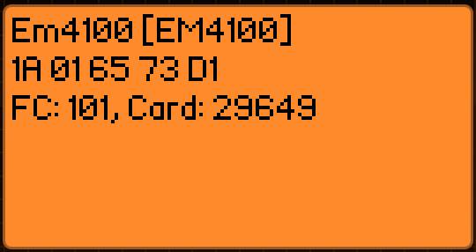
EM4100 | HEX (##:##:##:##:##) |  |  |  | 1A:01:65:73:D1 |  | Binary | Hex
 |  |  |  |  |  |  | 0000 | 0
PREAMBLE: | 111111111 |  |  |  |  |  | 0001 | 1
 | 8 | 4 | 2 | 1 |  |  | 0010 | 2
Hex: | Binary |  |  |  | Even Parity |  | 0011 | 3
1 | 0 | 0 | 0 | 1 | 1 |  | 0100 | 4
A | 1 | 0 | 1 | 0 | 0 |  | 0101 | 5
0 | 0 | 0 | 0 | 0 | 0 |  | 0110 | 6
1 | 0 | 0 | 0 | 1 | 1 |  | 0111 | 7
6 | 0 | 1 | 1 | 0 | 0 |  | 1000 | 8
5 | 0 | 1 | 0 | 1 | 0 |  | 1001 | 9
7 | 0 | 1 | 1 | 1 | 1 |  | 1010 | A
3 | 0 | 0 | 1 | 1 | 0 |  | 1011 | B
D | 1 | 1 | 0 | 1 | 1 |  | 1100 | C
1 | 0 | 0 | 0 | 1 | 1 |  | 1101 | D
 | Even Parity |  |  |  |  |  | 1110 | E
 | 0 | 0 | 0 | 1 |  |  | 1111 | F
STOP BITS: | 0

Data: | 1111111110001110100000000001101100010100111100110110110001100010

BLOCK 0: | Manchester, RF_64, 2 uint32, pwd=0 |  |  |  |  | 0x00148040
BLOCK 1: | 11111111100011101000000000011011 |  |  |  |  | 0xFF8E801B
BLOCK 2: | 00010100111100110110110001100010 |  |  |  |  | 0x14F36C62 | 1A:01:65:73:D1

H10301
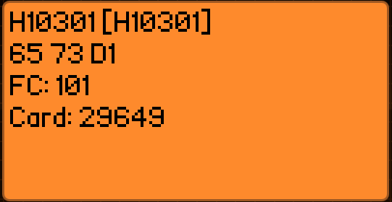
H10301 | HEX (##:##:##) |  |  |  |  | 65:73:D1 |  |  |  | Binary | Hex
 |  |  |  |  |  |  |  |  |  | 0000 | 0
PREAMBLE: | 00011101 |  |  |  |  |  |  |  |  | 0001 | 1
COMPANY: | 01010101010110 |  |  | 0000001 |  |  |  |  |  | 0010 | 2
FORMAT: | 0101010101010101010110 |  |  | 00000000001 |  |  |  |  |  | 0011 | 3
WIEGAND EVEN: | 10 |  |  |  | 1 | 7 | Count first 12-bits |  |  | 0100 | 4
 | 8 | 4 | 2 | 1 |  |  |  |  |  | 0101 | 5
Hex: | Manchester encoded |  |  |  |  | Binary |  |  |  | 0110 | 6
6 | 01 | 10 | 10 | 01 |  | 0 | 1 | 1 | 0 | 0111 | 7
5 | 01 | 10 | 01 | 10 |  | 0 | 1 | 0 | 1 | 1000 | 8
7 | 01 | 10 | 10 | 10 |  | 0 | 1 | 1 | 1 | 1001 | 9
3 | 01 | 01 | 10 | 10 |  | 0 | 0 | 1 | 1 | 1010 | A
D | 10 | 10 | 01 | 10 |  | 1 | 1 | 0 | 1 | 1011 | B
1 | 01 | 01 | 01 | 10 |  | 0 | 0 | 0 | 1 | 1100 | C
WIEGAND ODD: | 10 |  |  |  | 1 | 6 | Count last 12-bits |  |  | 1101 | D
Data: | 000111010101010101011001010101010101010101101001101001011001100110101001011010101001100101011010 |  |  |  |  |  |  |  |  | 1110 | E
 |  |  |  |  |  |  |  |  |  | 1111 | F
BLOCK 0: | FSK2a, RF_50, 3 uint32, pwd=0 |  |  |  |  |  |  | 0x00107060
BLOCK 1: | 00011101010101010101100101010101 |  |  |  |  |  |  | 0x1D555955
BLOCK 2: | 01010101011010011010010110011001 |  |  |  |  |  |  | 0x5569A599
BLOCK 3: | 10101001011010101001100101011010 |  |  |  |  |  |  | 0xA96A995A
 |  |  |  |  |  |  |  |  |  |  | 65:73:D1

AWID
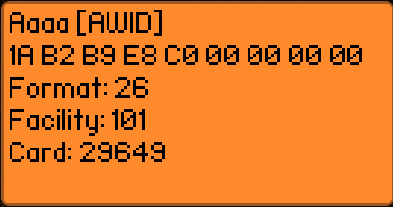
AWID | HEX (##:##:##:##:##) |  |  |  | 1A:B2:B9:E8:C0 |  |  |  |  | Binary | Hex
 |  |  |  |  |  |  |  |  |  | 0000 | 0
PREAMBLE: | 00000001 |  |  |  |  |  |  |  |  | 0001 | 1
 |  |  |  |  |  |  |  |  |  | 0010 | 2
 | 8 | 4 | 2 | 1 |  | Odd Parity |  | Odd Parity |  | 0011 | 3
Hex: | Binary |  |  |  | Binary |  | Binary |  |  | 0100 | 4
1 | 0 | 0 | 0 | 1 | 000 | 1 |  |  |  | 0101 | 5
A | 1 | 0 | 1 | 0 | 110 | 1 |  |  |  | 0110 | 6
B | 1 | 0 | 1 | 1 | 101 | 1 | 011 | 1 |  | 0111 | 7
2 | 0 | 0 | 1 | 0 | 001 | 0 |  |  |  | 1000 | 8
B | 1 | 0 | 1 | 1 | 010 | 0 |  |  |  | 1001 | 9
9 | 1 | 0 | 0 | 1 | 111 | 0 | 001 | 0 |  | 1010 | A
E | 1 | 1 | 1 | 0 | 111 | 0 |  |  |  | 1011 | B
8 | 1 | 0 | 0 | 0 | 010 | 0 |  |  |  | 1100 | C
C | 1 | 1 | 0 | 0 | 001 | 0 | 100 | 0 |  | 1101 | D
0 | 0 | 0 | 0 | 0 | 000 | 1 |  |  |  | 1110 | E
0 | 0 | 0 | 0 | 0 | 000 | 1 |  |  |  | 1111 | F
0 | 0 | 0 | 0 | 0 | 000 | 1 | 000 | 1
000000: |  |  |  |  | 00010001000100010001000100010001
Data: | 00000001000111011011011100100100111000101110010000101000000100010001000100010001000100010001000100010001

BLOCK 0: | FSK2a, RF_50, 3 uint32, pwd=0 |  |  |  |  |  | 0x00107060
BLOCK 1: | 00000001000111011011011100100100 |  |  |  |  |  | 0x011DB724
BLOCK 2: | 11100010111001000010100000010001 |  |  |  |  |  | 0xE2E42811 |  | 1A:B2:B9:E8:C0
BLOCK 3: | 00010001000100010001000100010001 |  |  |  |  |  | 0x11111111

CardNumber
Wiegand bits | 26 |  | 00000000000000000000000000011010 | Wiegand bits | 34 |  | 00000000000000000000000000100010
Facility | 22 |  | 00000000000000000000000000010110 | Facility | 613 |  | 00000000000000000000001001100101
Card number | 48786 |  | 00000000000000001011111010010010 | Card number | 29649 |  | 00000000000000000111001111010001

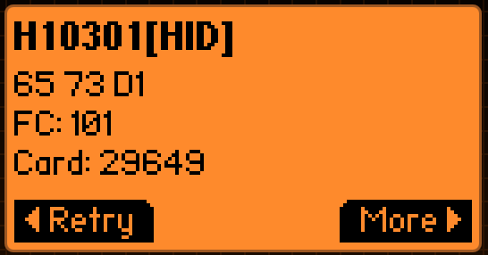
Facility bits | 8 |  | 00010110 | Facility bits | 16 |  | 0000001001100101
Card number bits | 16 |  | 1011111010010010 | Card number bits | 16 |  | 0111001111010001
Combine (FC+Card number) |  |  | 000101101011111010010010 | Combine (FC+Card number) |  |  | 00000010011001010111001111010001
Combine Zero Filled |  |  | 00000000000101101011111010010010 | Combine Zero Filled |  |  | 00000010011001010111001111010001

Parity data |  |  | 000101101011111010010010 | Parity data |  |  | 00000010011001010111001111010001
Parity Range | 1 | 12 | 000101101011 | Parity Range | 1 | 16 | 0000001001100101
Count 1s |  |  | 6 | Count 1s |  |  | 5
Parity | Even |  | 0 | Parity | Even |  | 1

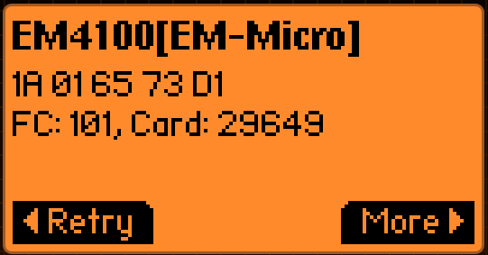
Parity Range | 13 | 12 | 111010010010 | Parity Range | 17 | 16 | 0111001111010001
Count 1s |  |  | 6 | Count 1s |  |  | 9
Parity | Odd |  | 1 | Parity | Odd |  | 0

H10301 |  |  | 000101101011111010010010 | H10301 |  |  | 011001010111001111010001
H10301 |  |  | 16:BE:92 | H10301 |  |  | 65:73:D1

EM4100 |  |  | 00011010 | EM4100 |  |  | 00100010
EM4100 |  |  | 00000000000101101011111010010010 | EM4100 |  |  | 00000010011001010111001111010001
EM4100 |  |  | 1A:00:16:BE:92 | EM4100 |  |  | 22:02:65:73:D1

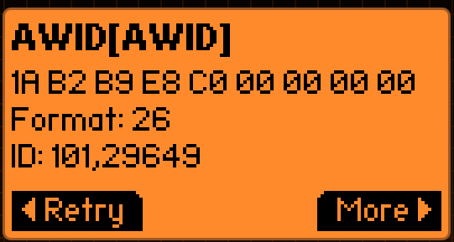
AWID |  |  | 00011010 | AWID |  |  | 00100010
AWID |  |  | 0 | AWID |  |  | 1
AWID |  |  | 000101101011111010010010 | AWID |  |  | 00000010011001010111001111010001
AWID |  |  | 1 | AWID |  |  | 0
AWID |  |  | 00011010000010110101111101001001010000000 | AWID |  |  | 0010001010000001001100101011100111101000100000000
AWID |  |  | 1A:0B:5F:49:40:00:00:00:00 | AWID |  |  | 22:81:32:B9:E8:80:00:00:00

Indala
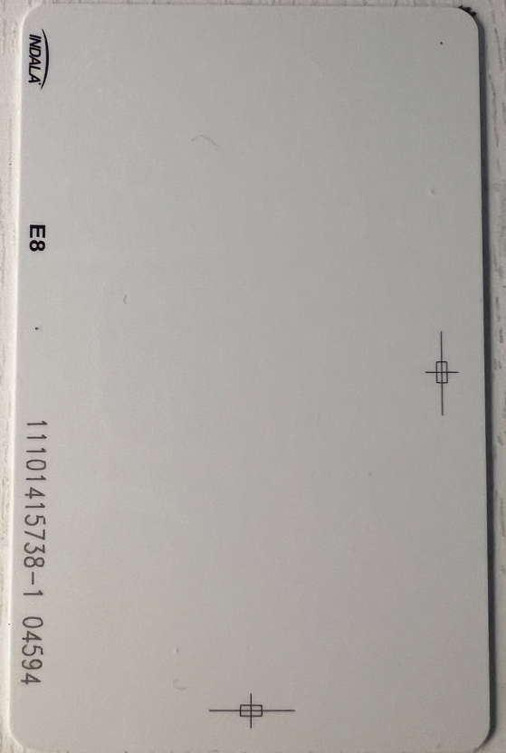
Indala
Facility | 75 | 01001011 | 0 | 1 | 0 | 0 | 1 | 0 | 1 | 1
 |  |  | 0 | 1 | 0 | 0 | 1 | 0 | 1 | 1

Card number | 4594 | 0001000111110010 | 0 | 0 | 0 | 1 | 0 | 0 | 0 | 1 | 1 | 1 | 1 | 1 | 0 | 0 | 1 | 0
 |  |  | 0 | 0 | 0 | 1 | 0 | 0 | 0 | 1 | 1 | 1 | 1 | 1 | 0 | 0 | 1 | 0

Even Parity Data |  | 010010110001
Even Parity Count |  | 5
Even Parity Bit |  | 1

Odd Parity Data |  | 000111110010
Odd Parity Count |  | 6
Odd Parity Bit |  | 1

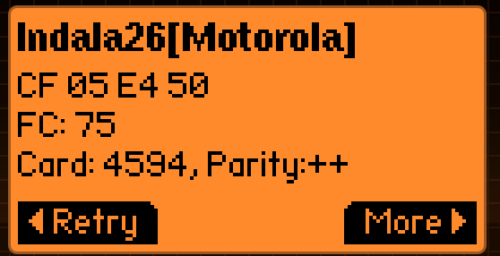
Unknown |  |  |  |  |  |  |  |  |  |  |  |  |  |  |  |  |  |  |  |  |  |  |  |  | ? |  |  |  |  |  | ? | ? | ? | ?
Even parity |  |  |  | 1
Odd parity |  |  |  |  |  |  |  | 1 |  |  |  |  |  |  |  |  |  |  |  |  |  |  |  |  |  |  |  |  |  |  | C | C
FACILITY (Scrambled) |  |  |  |  |  |  |  |  | 1 |  |  |  |  | 0 |  |  | 0 | 1 | 1 |  |  |  | 0 |  |  |  | 0 | 1
CARD NUMBER (Scrambled) |  |  | 1 |  | 0 | 0 | 1 |  |  | 1 | 0 | 0 | 0 |  | 0 | 1 |  |  |  | 1 | 1 | 0 |  | 1 |  | 0 |  |  | 0
 |  |  | 1 | 1 | 0 | 0 | 1 | 1 | 1 | 1 | 0 | 0 | 0 | 0 | 0 | 1 | 0 | 1 | 1 | 1 | 1 | 0 | 0 | 1 | 0 | 0 | 0 | 1 | 0 | 1 | 0 | 0 | 0 | 0
HEX |  | CF:05:E4:50 | C |  |  |  | F |  |  |  | 0 |  |  |  | 5 |  |  |  | E |  |  |  | 4 |  |  |  | 5 |  |  |  | 0

