Invoice_1
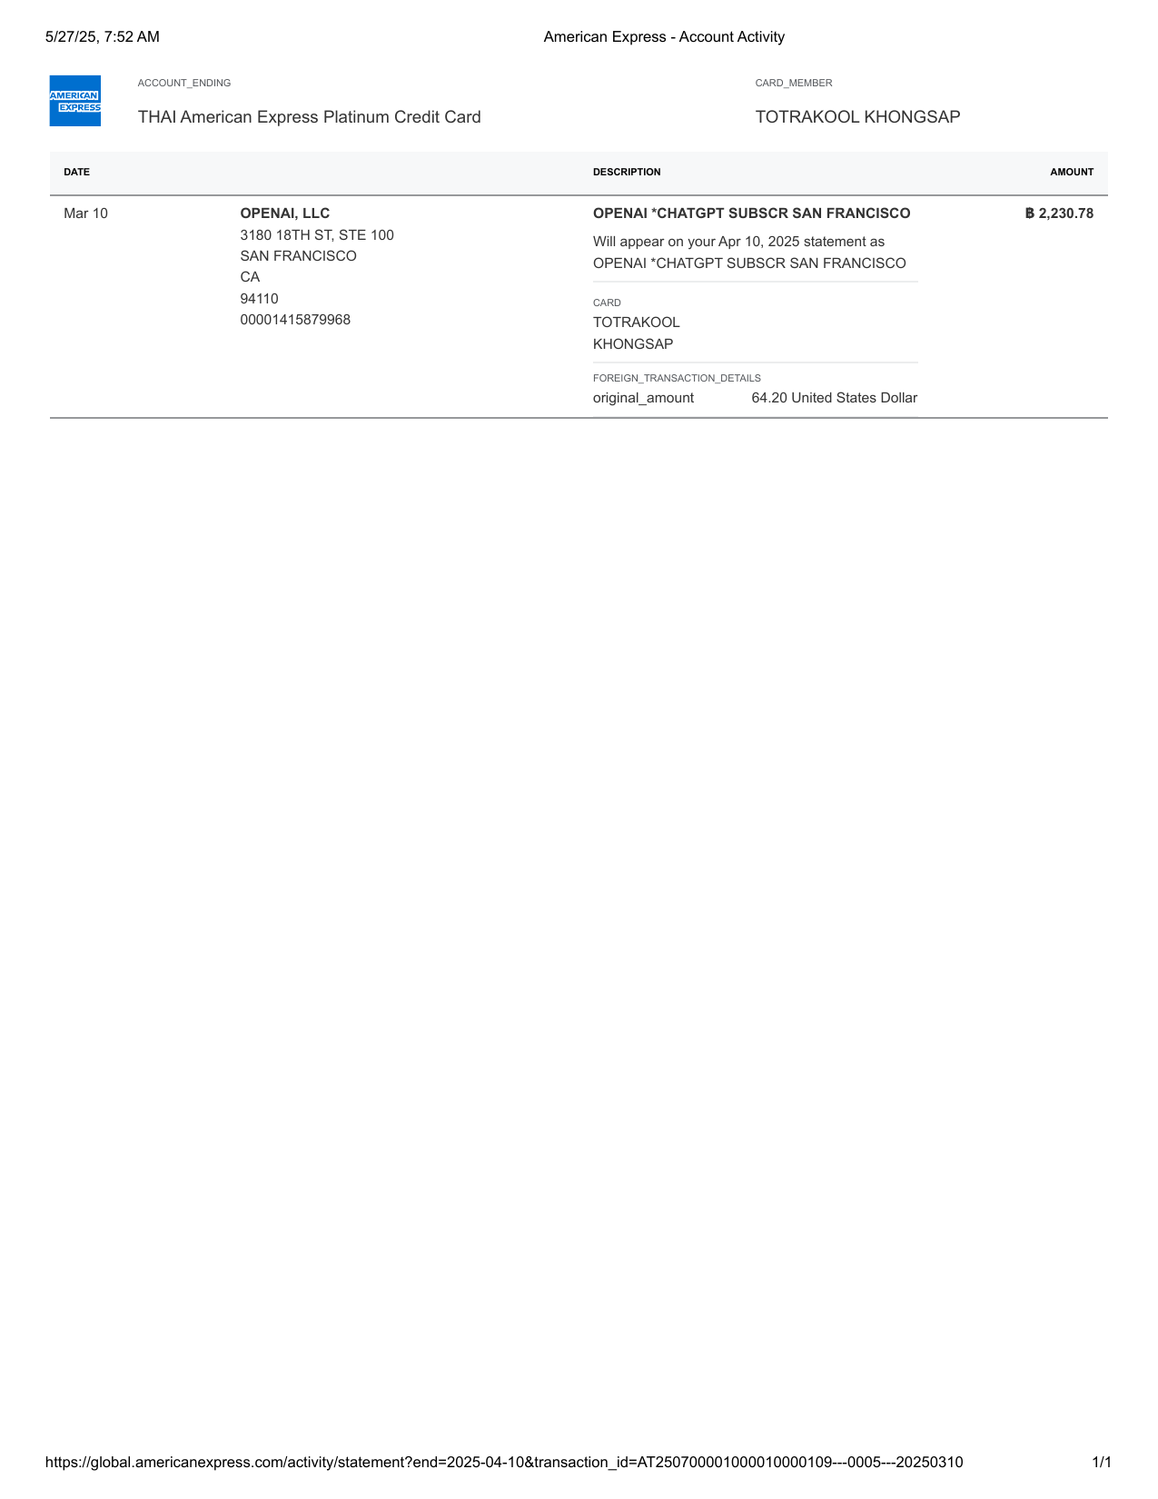
American Express - Account Activity-0

Invoice_2
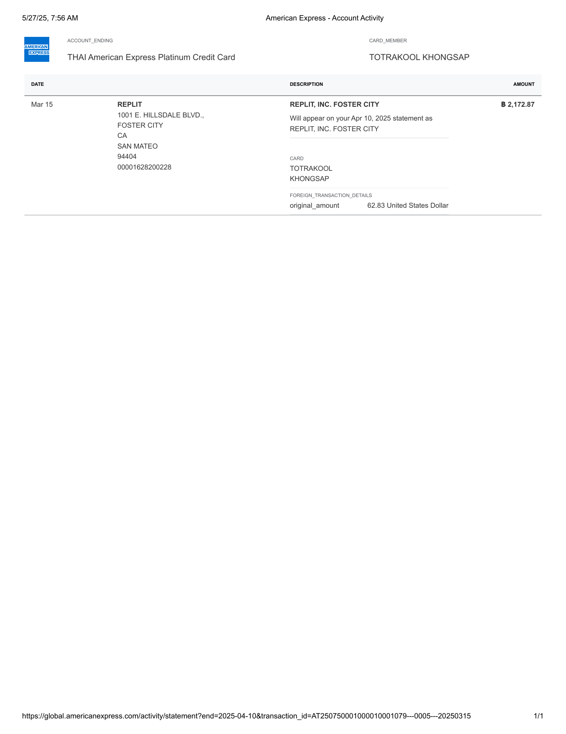
American Express - Account Activity-1

Invoice_3
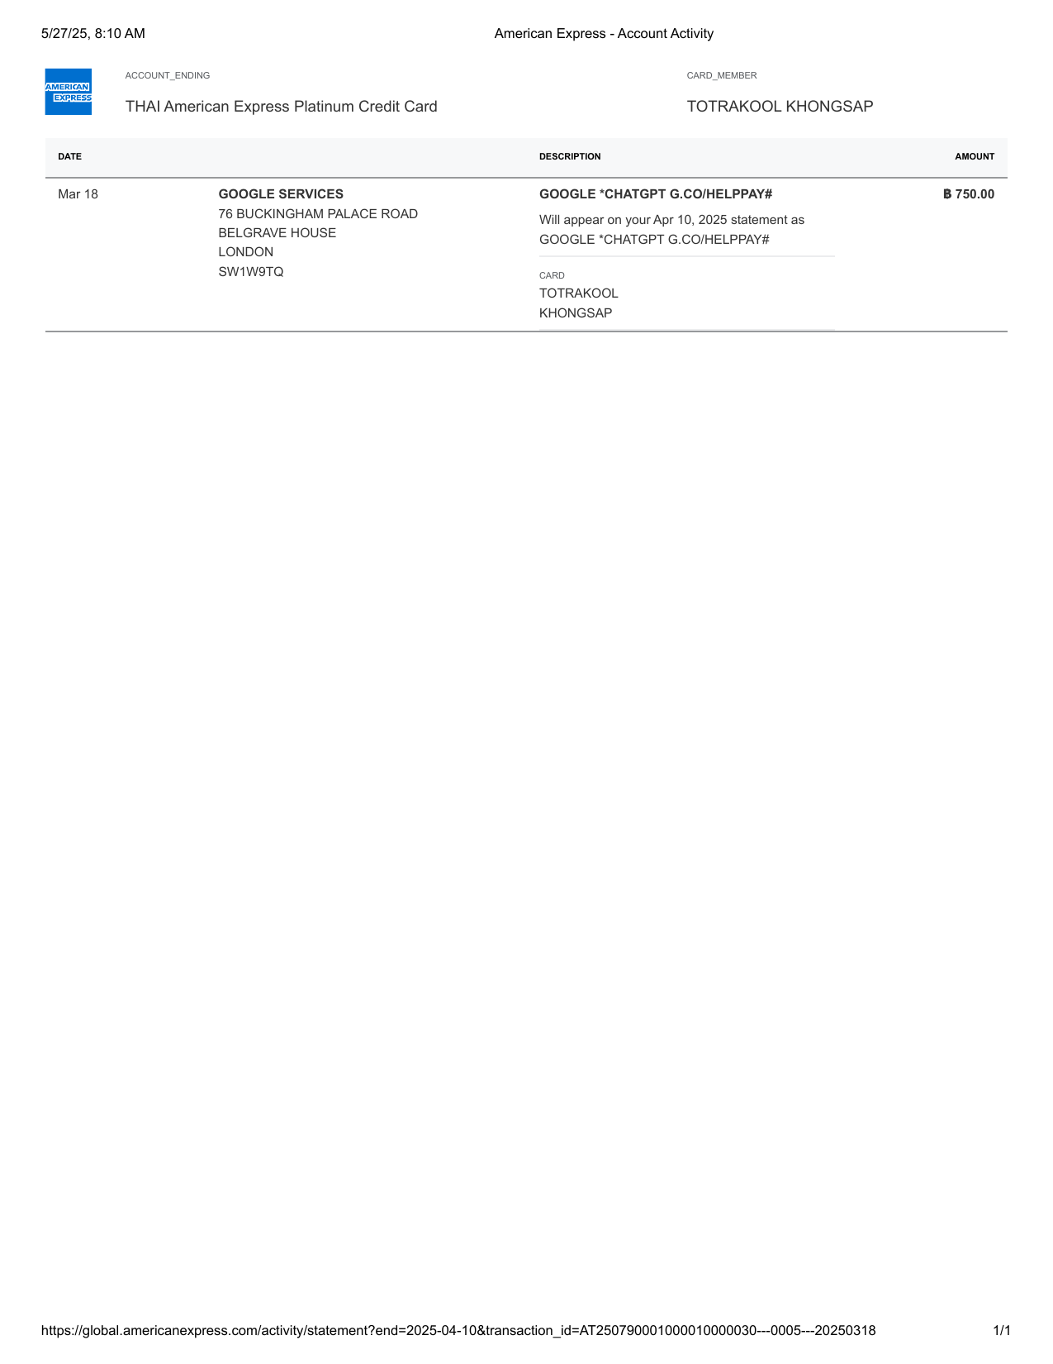
American Express - Account Activity-2

Invoice_4

American Express - Account Activity-3

Invoice_5
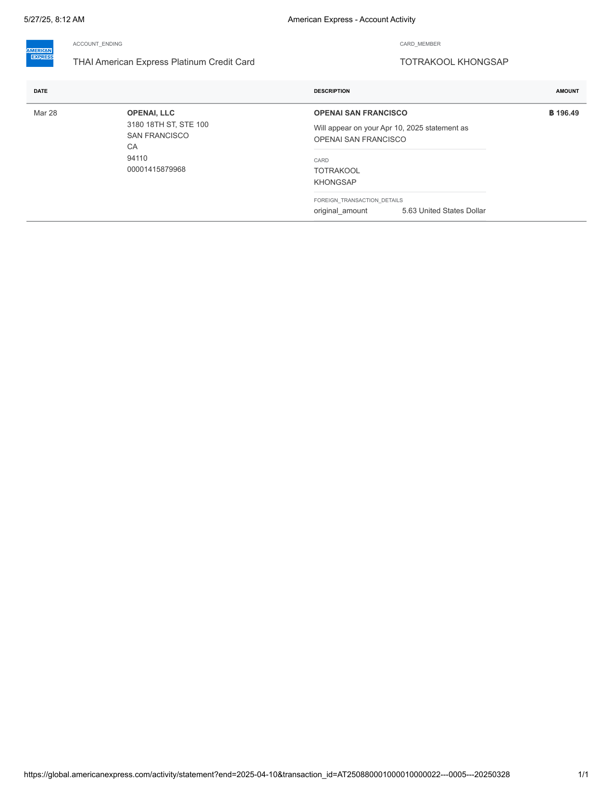
American Express - Account Activity-4

Invoice_6

American Express - Account Activity-5

Invoice_7

American Express - Account Activity-6

Invoice_8
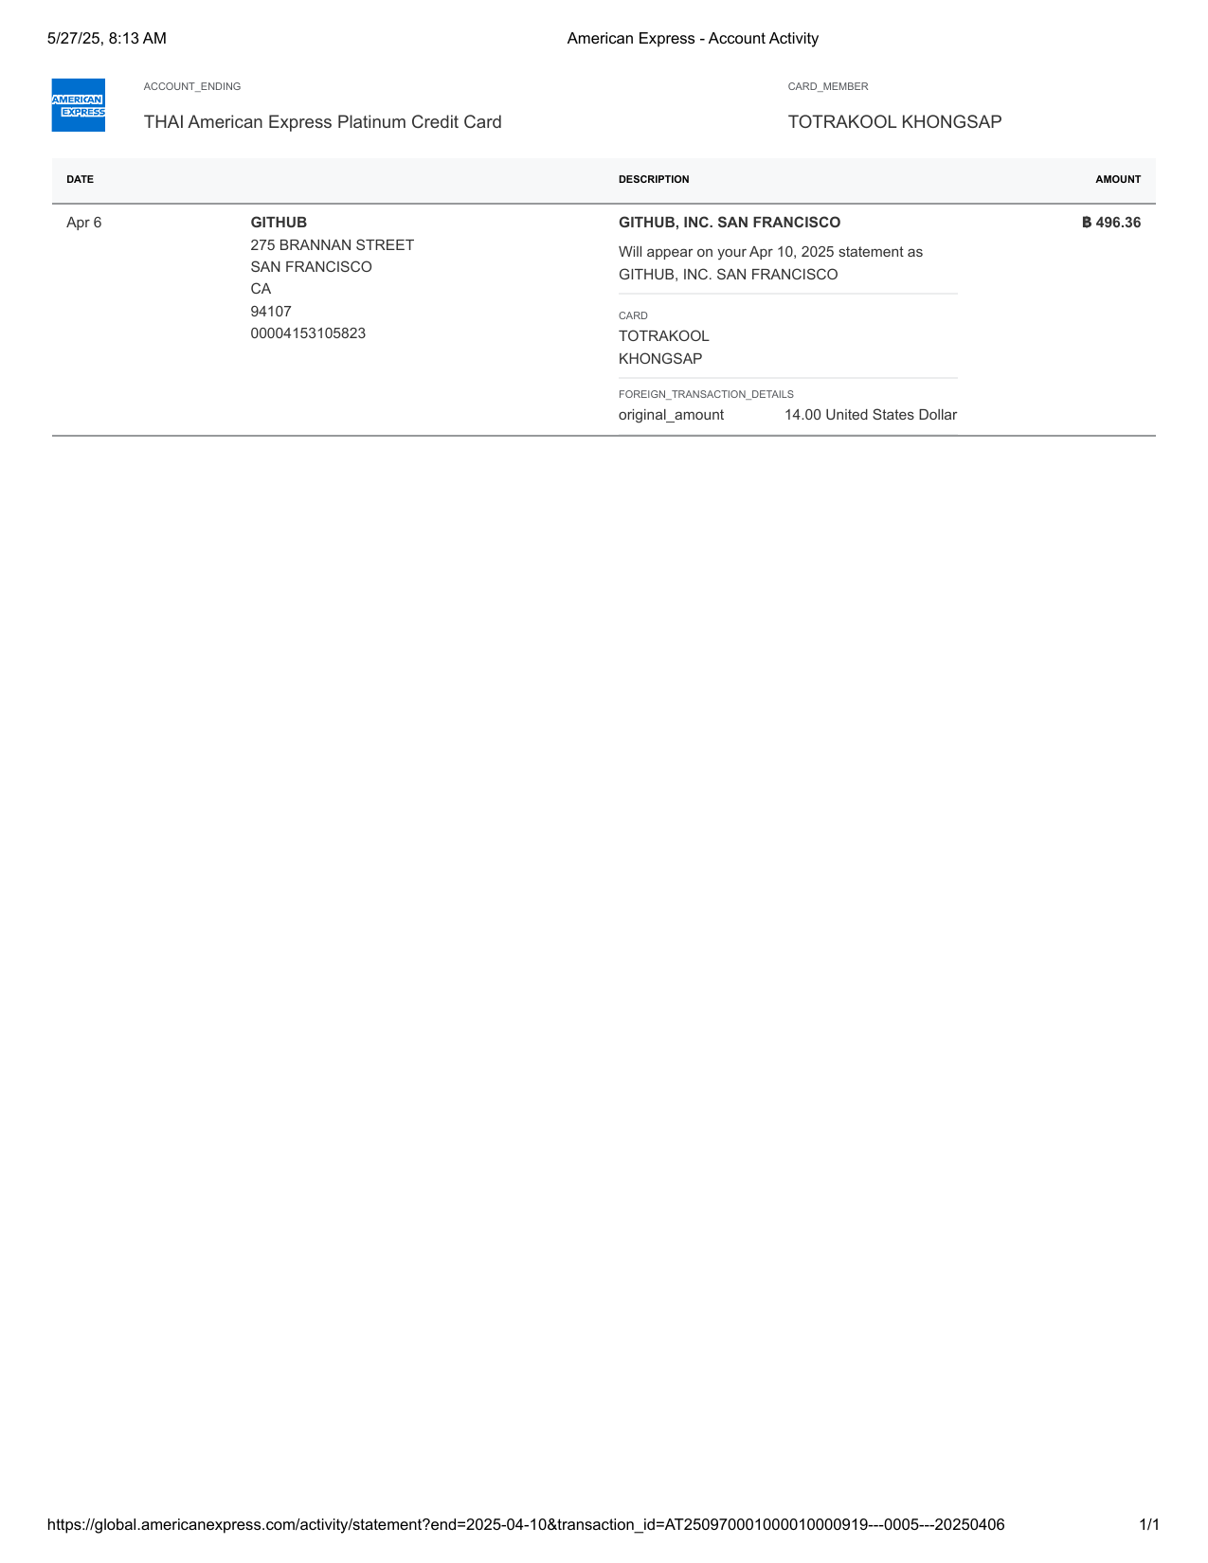
American Express - Account Activity-7

Invoice_9

American Express - Account Activity-8

Invoice_10
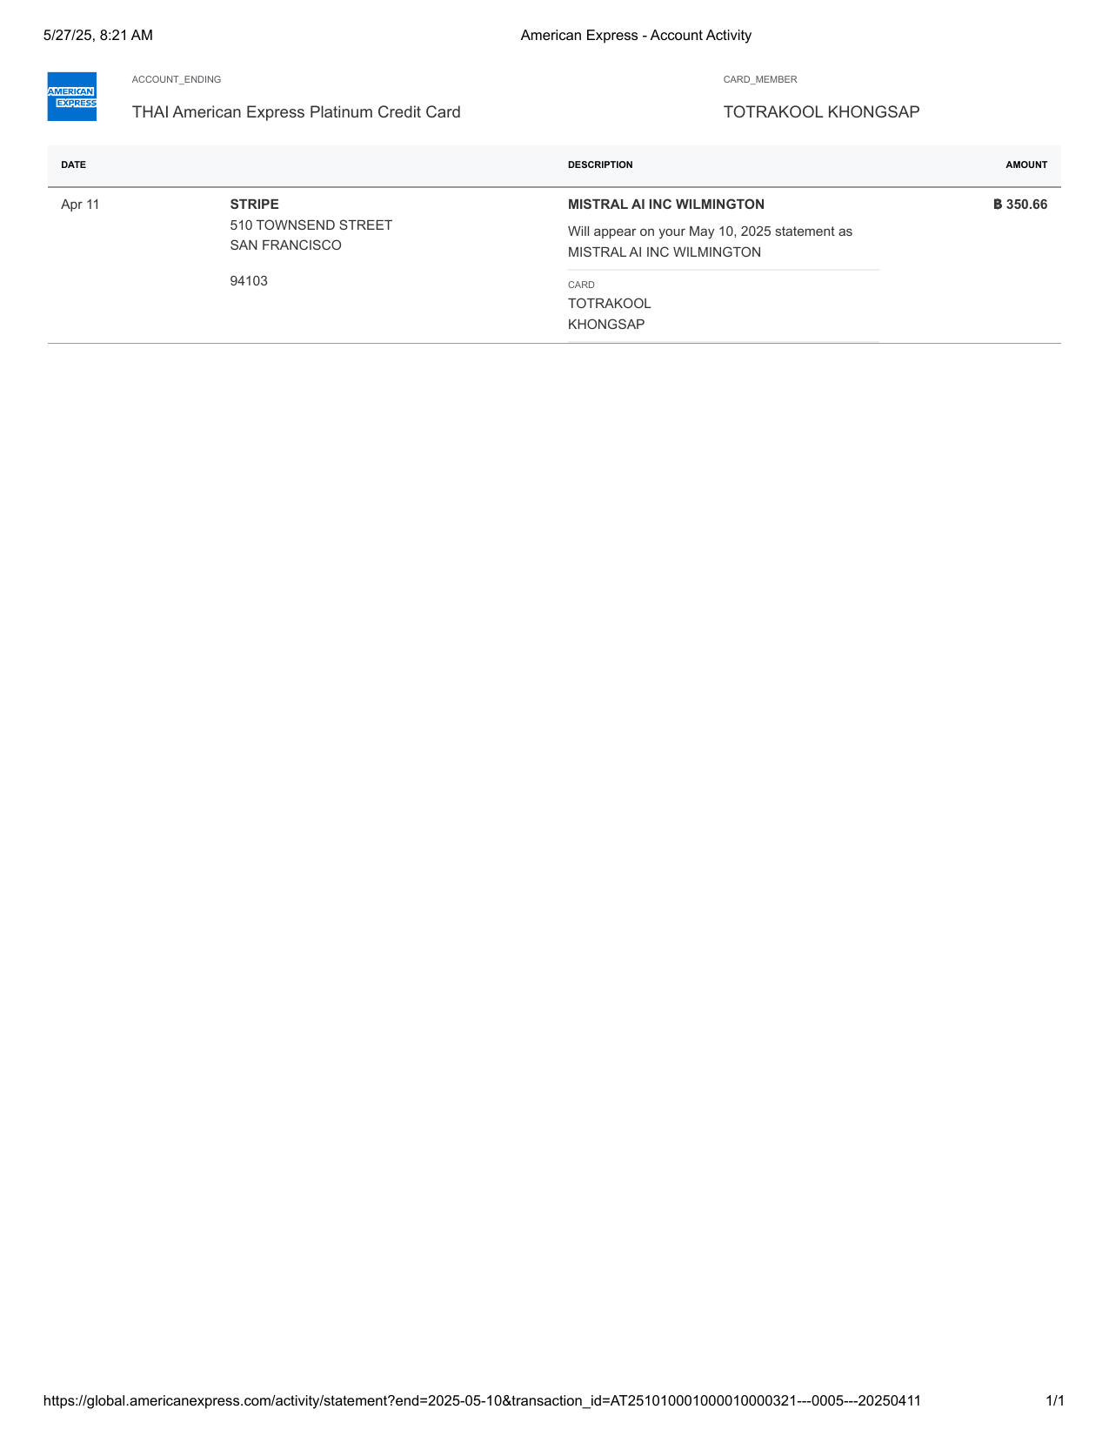
American Express - Account Activity-9

Invoice_11
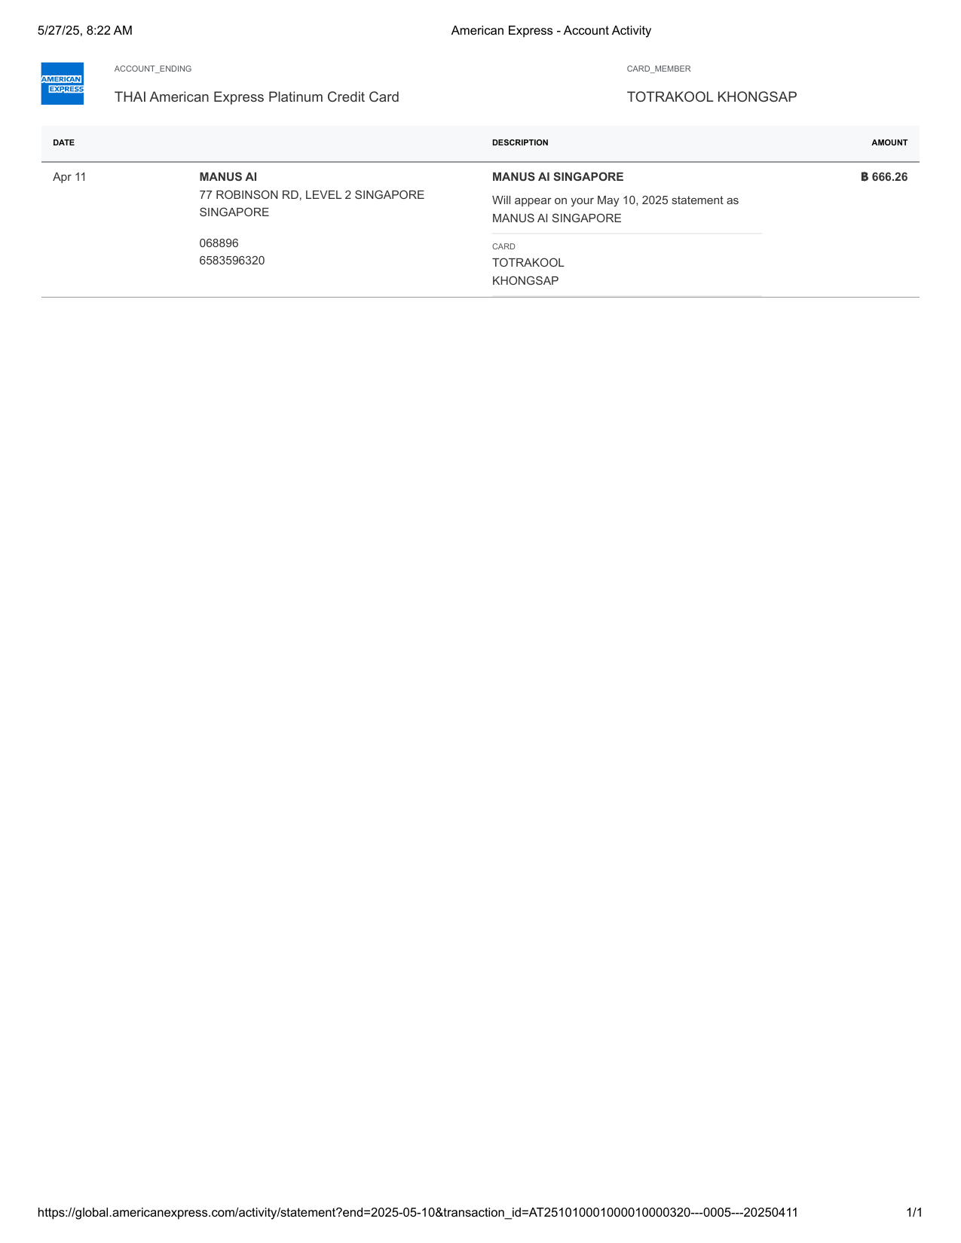
American Express - Account Activity-10

Invoice_12

American Express - Account Activity-10.5

Invoice_13

American Express - Account Activity-11

Invoice_14
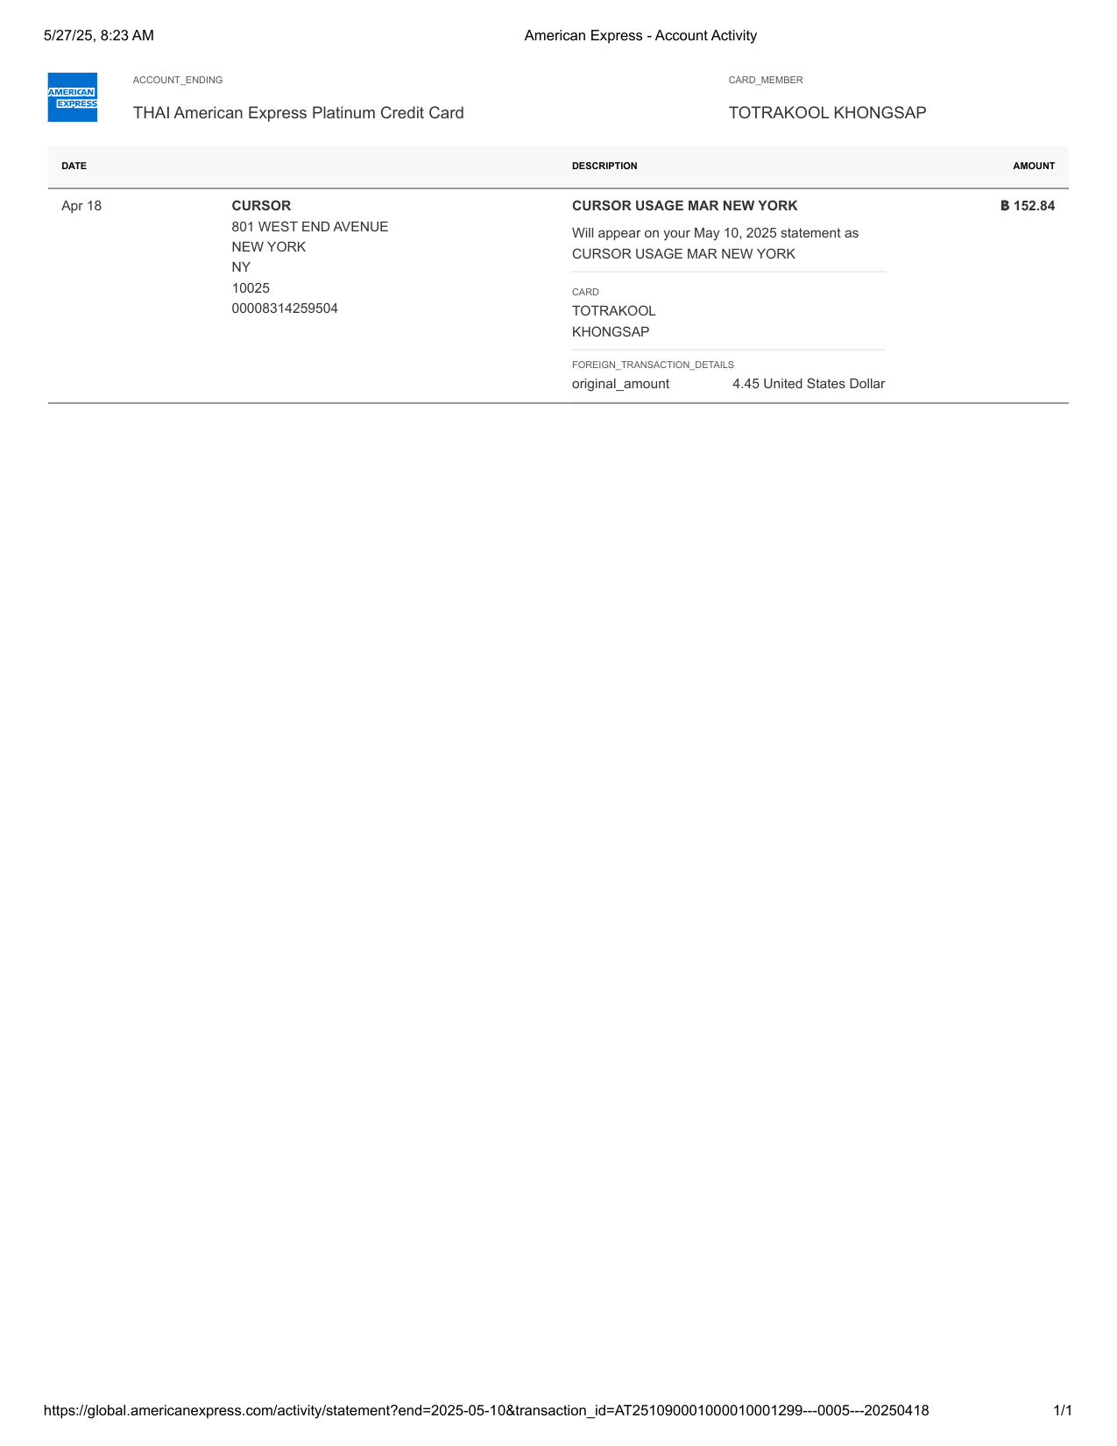
American Express - Account Activity-12

Invoice_15

American Express - Account Activity-13

Invoice_16

American Express - Account Activity-14

Invoice_17

American Express - Account Activity-15

Invoice_18

American Express - Account Activity-16

Invoice_19
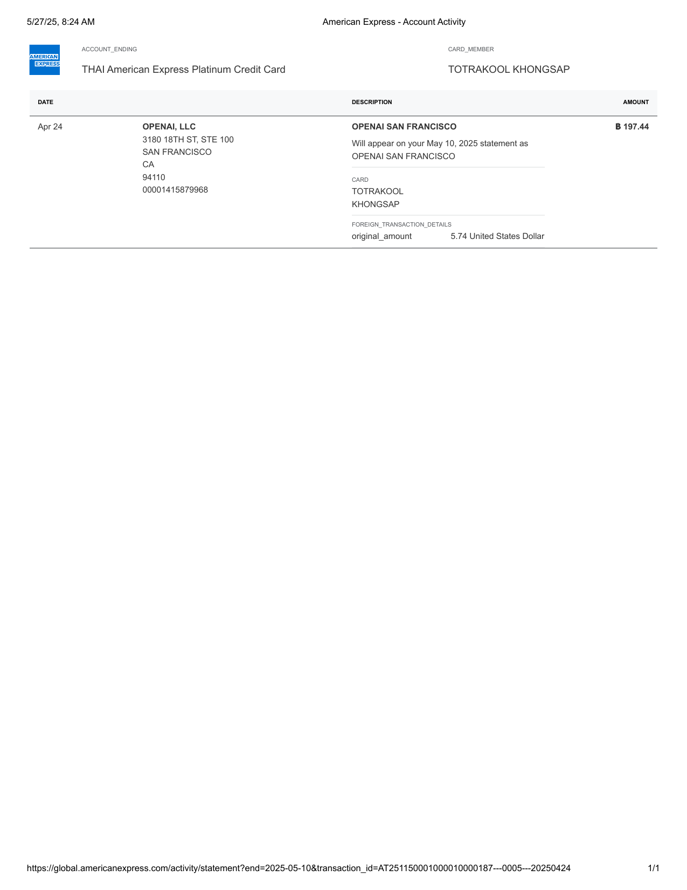
American Express - Account Activity-17

Invoice_20
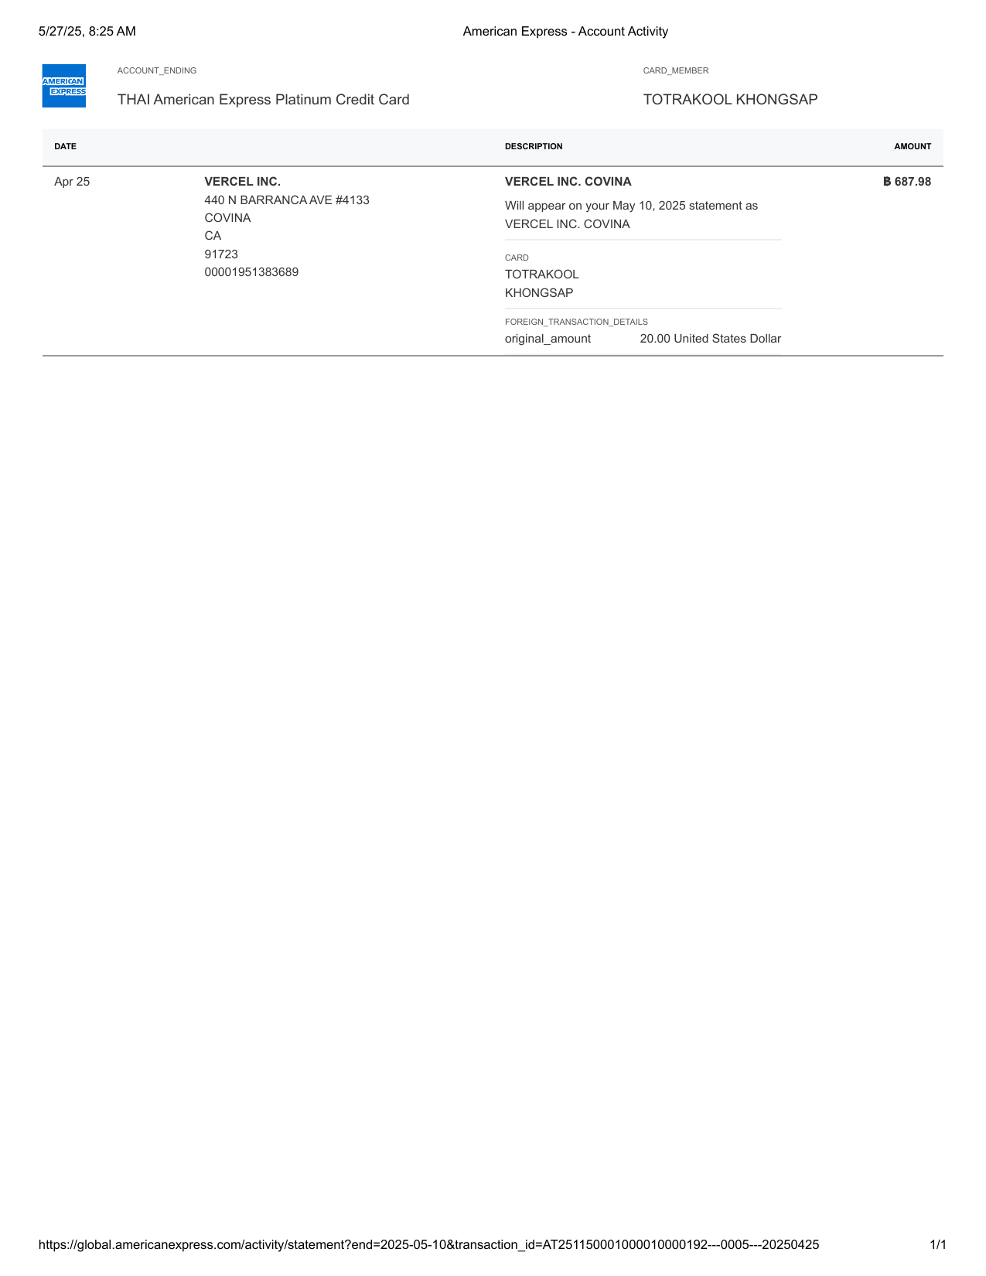
American Express - Account Activity-18

Invoice_21

American Express - Account Activity-19

Invoice_22

American Express - Account Activity-20

Invoice_23

American Express - Account Activity-21

Invoice_24

American Express - Account Activity-22

Invoice_25

American Express - Account Activity-23

Invoice_26

American Express - Account Activity-24

Invoice_27
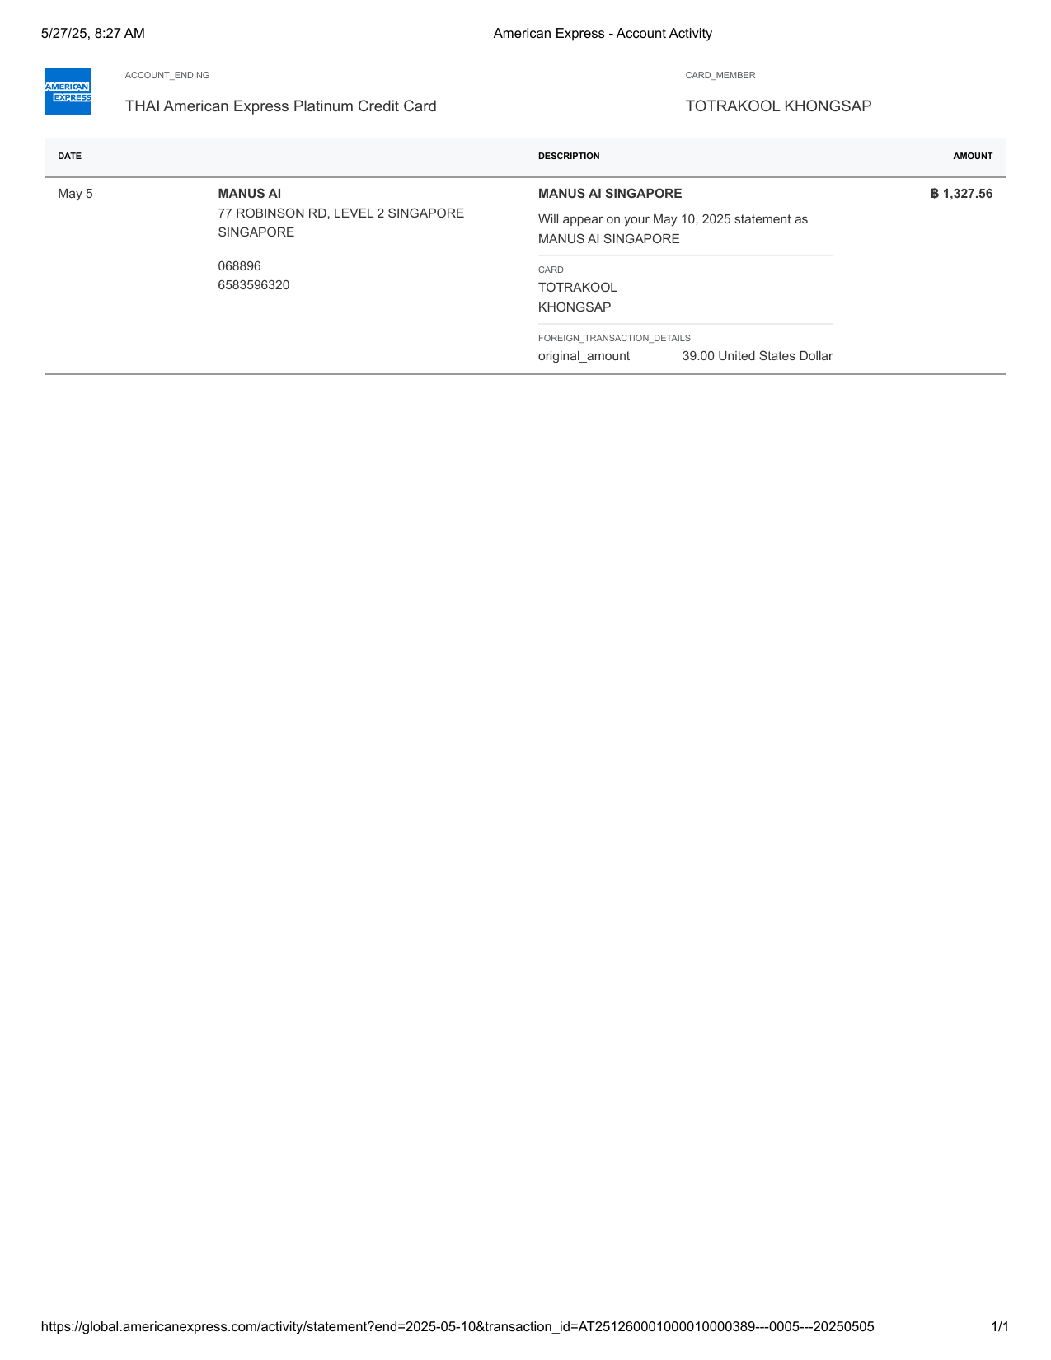
American Express - Account Activity-25

Invoice_28
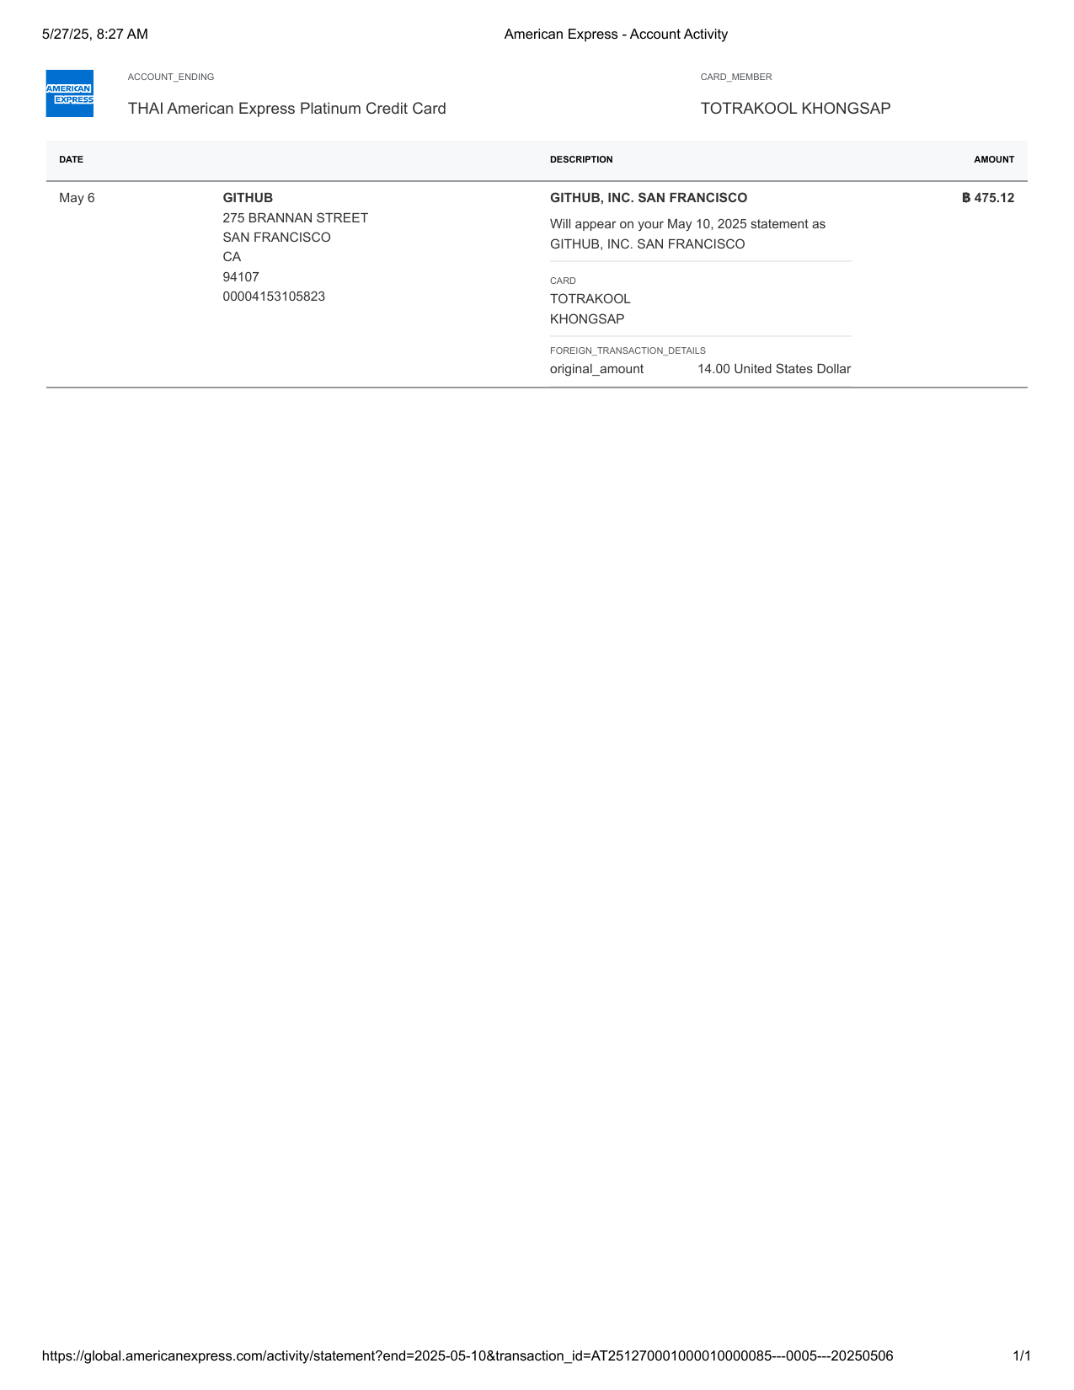
American Express - Account Activity-26

Invoice_29
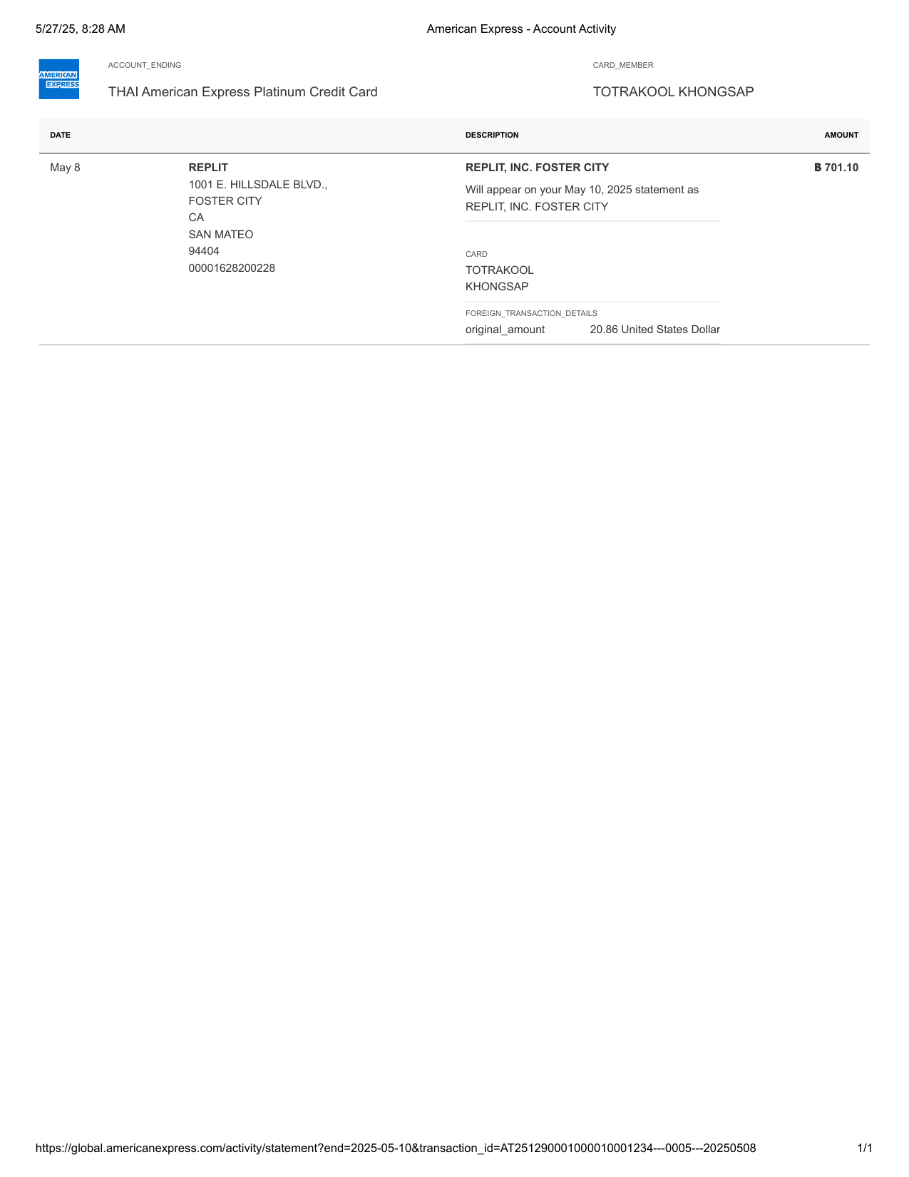
American Express - Account Activity-27

Invoice_30

American Express - Account Activity-28

Invoice_31
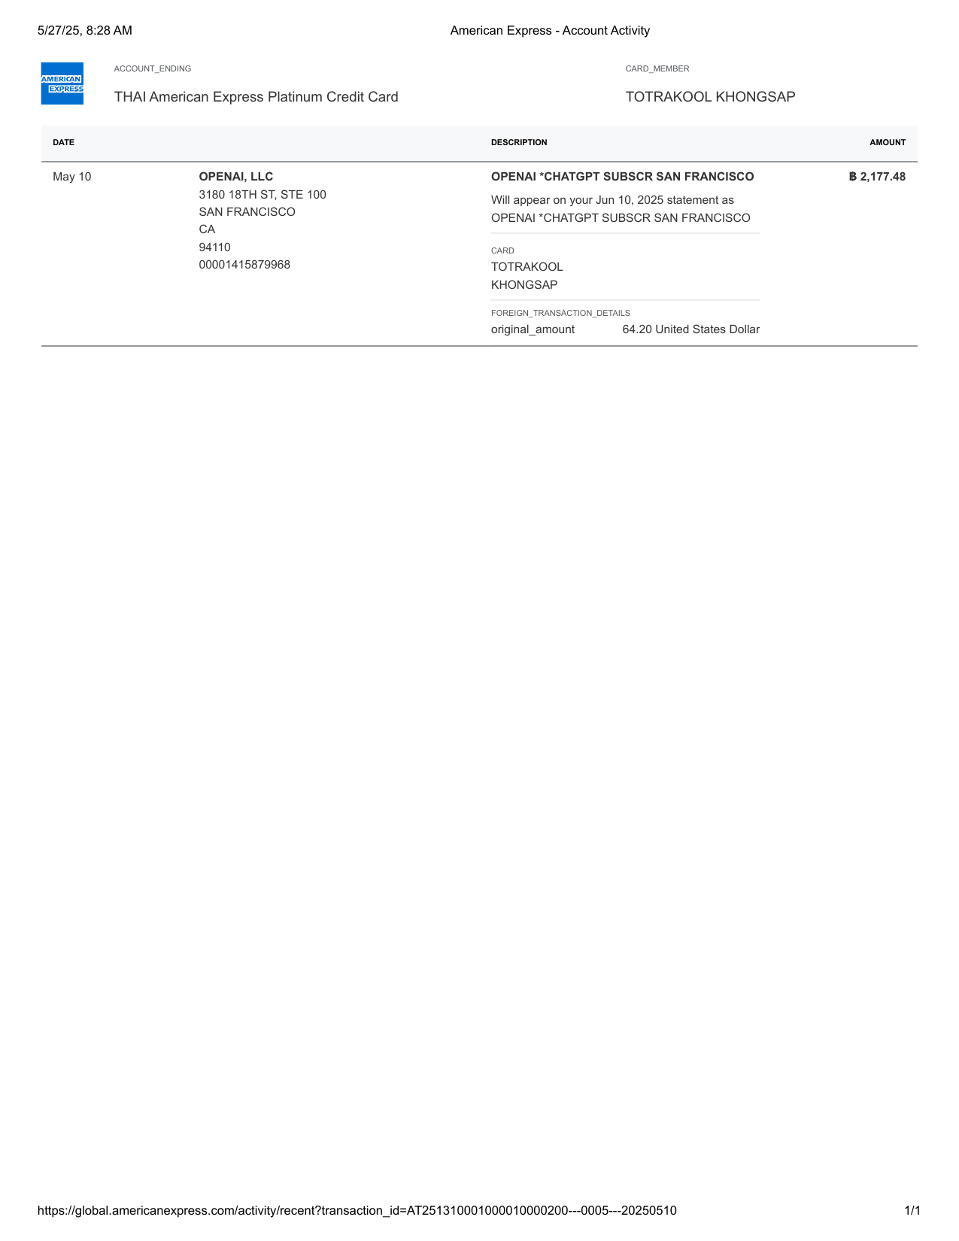
American Express - Account Activity-29

Invoice_32
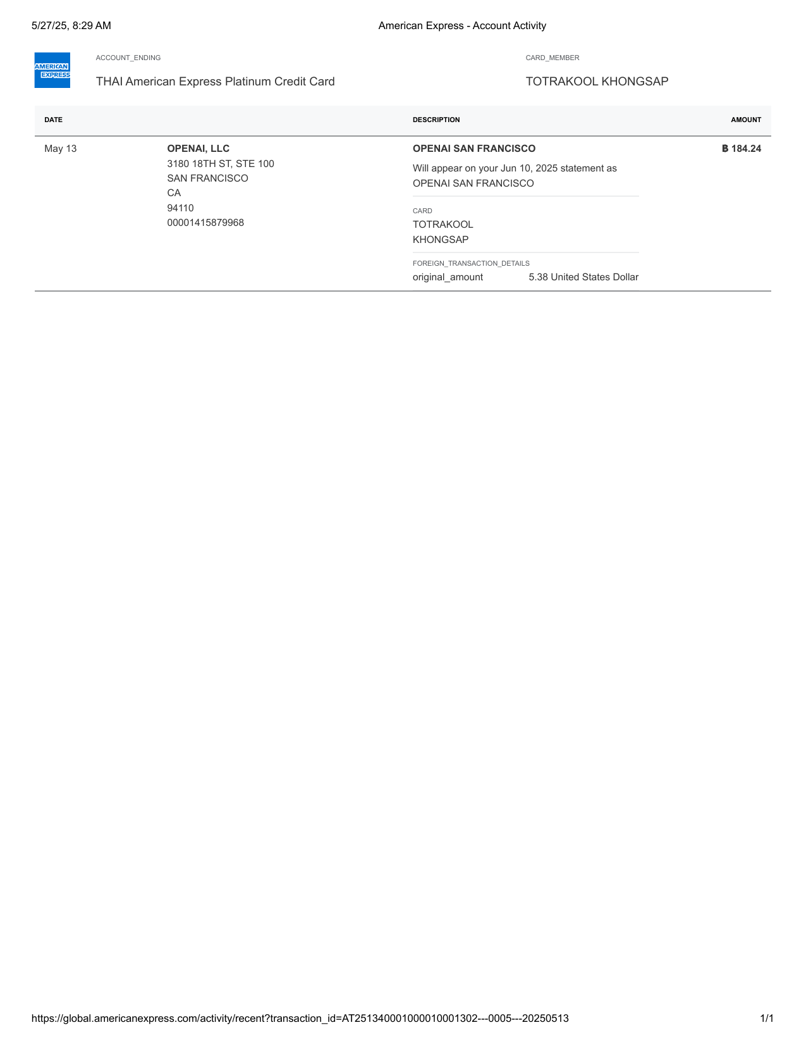
American Express - Account Activity-30

Invoice_33

American Express - Account Activity-31

Invoice_34
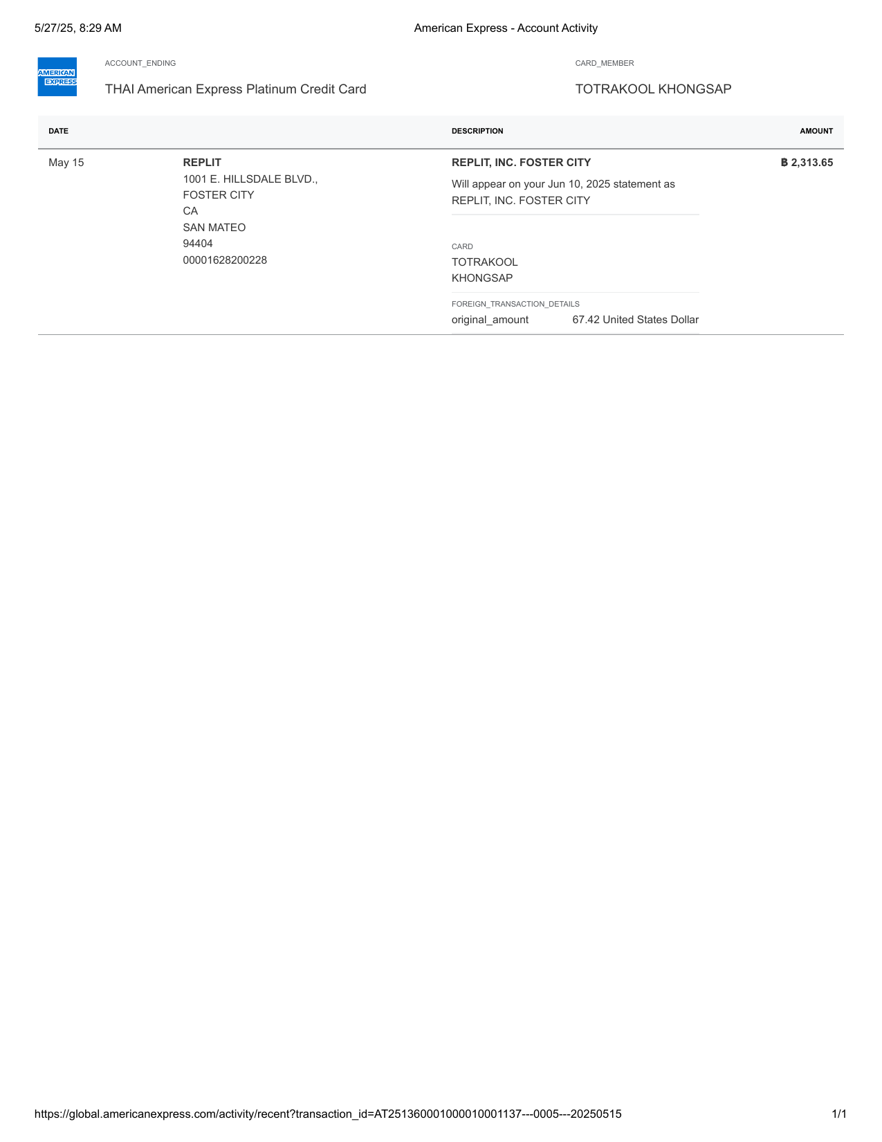
American Express - Account Activity-32

Invoice_35
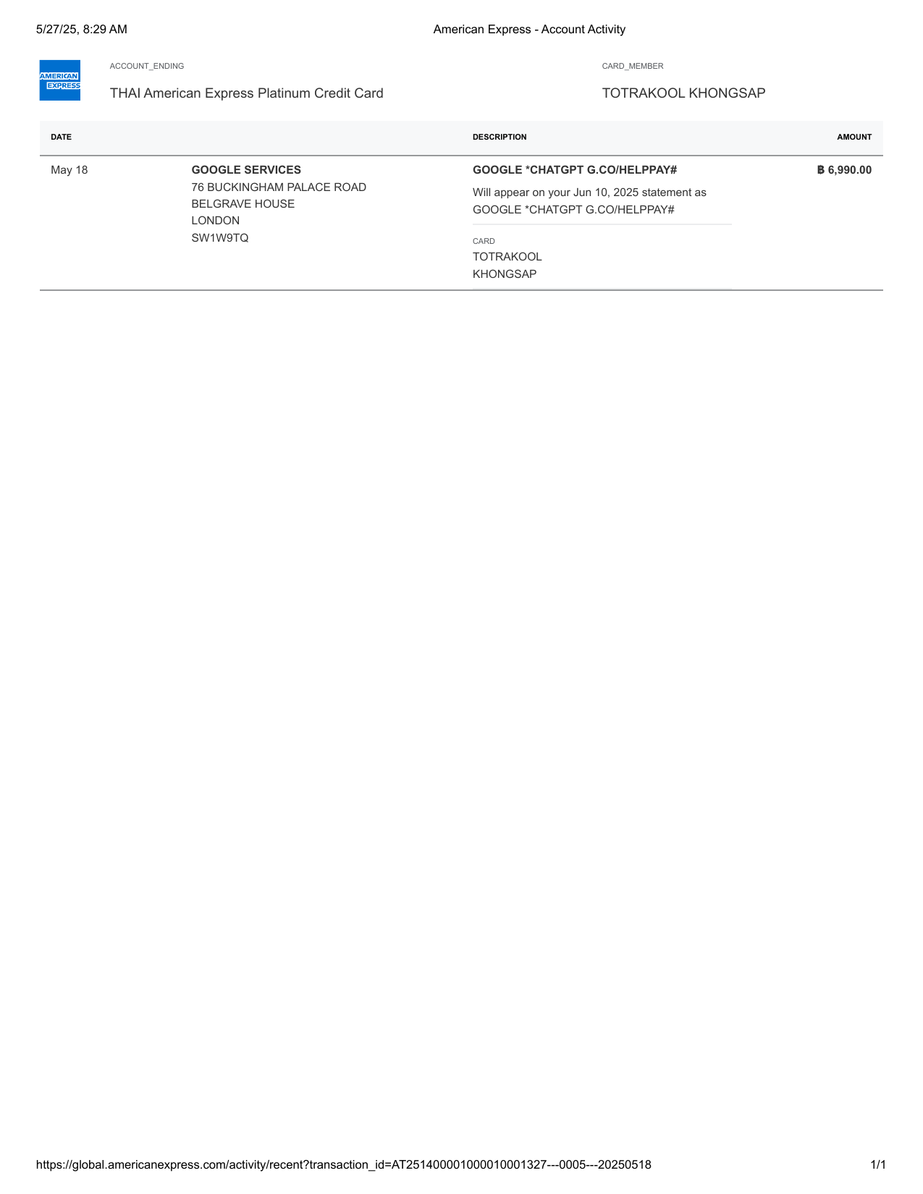
American Express - Account Activity-33

Invoice_36

American Express - Account Activity-34

Invoice_37
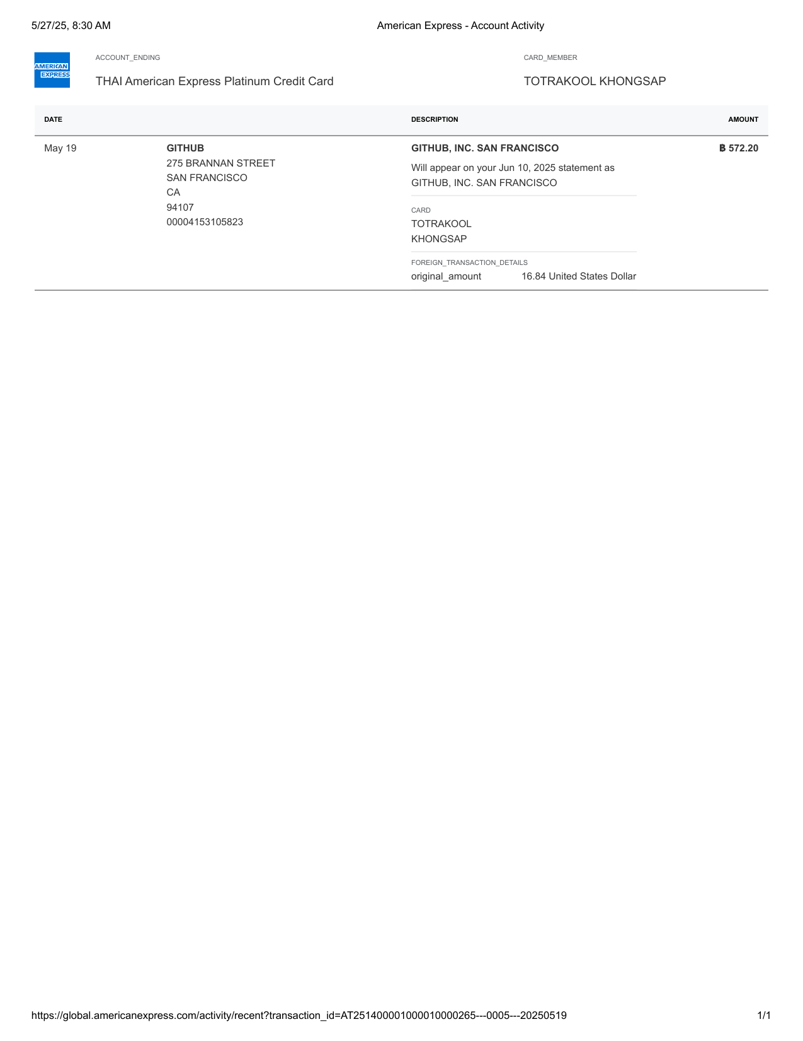
American Express - Account Activity-35

Invoice_38

American Express - Account Activity-36

Invoice_39
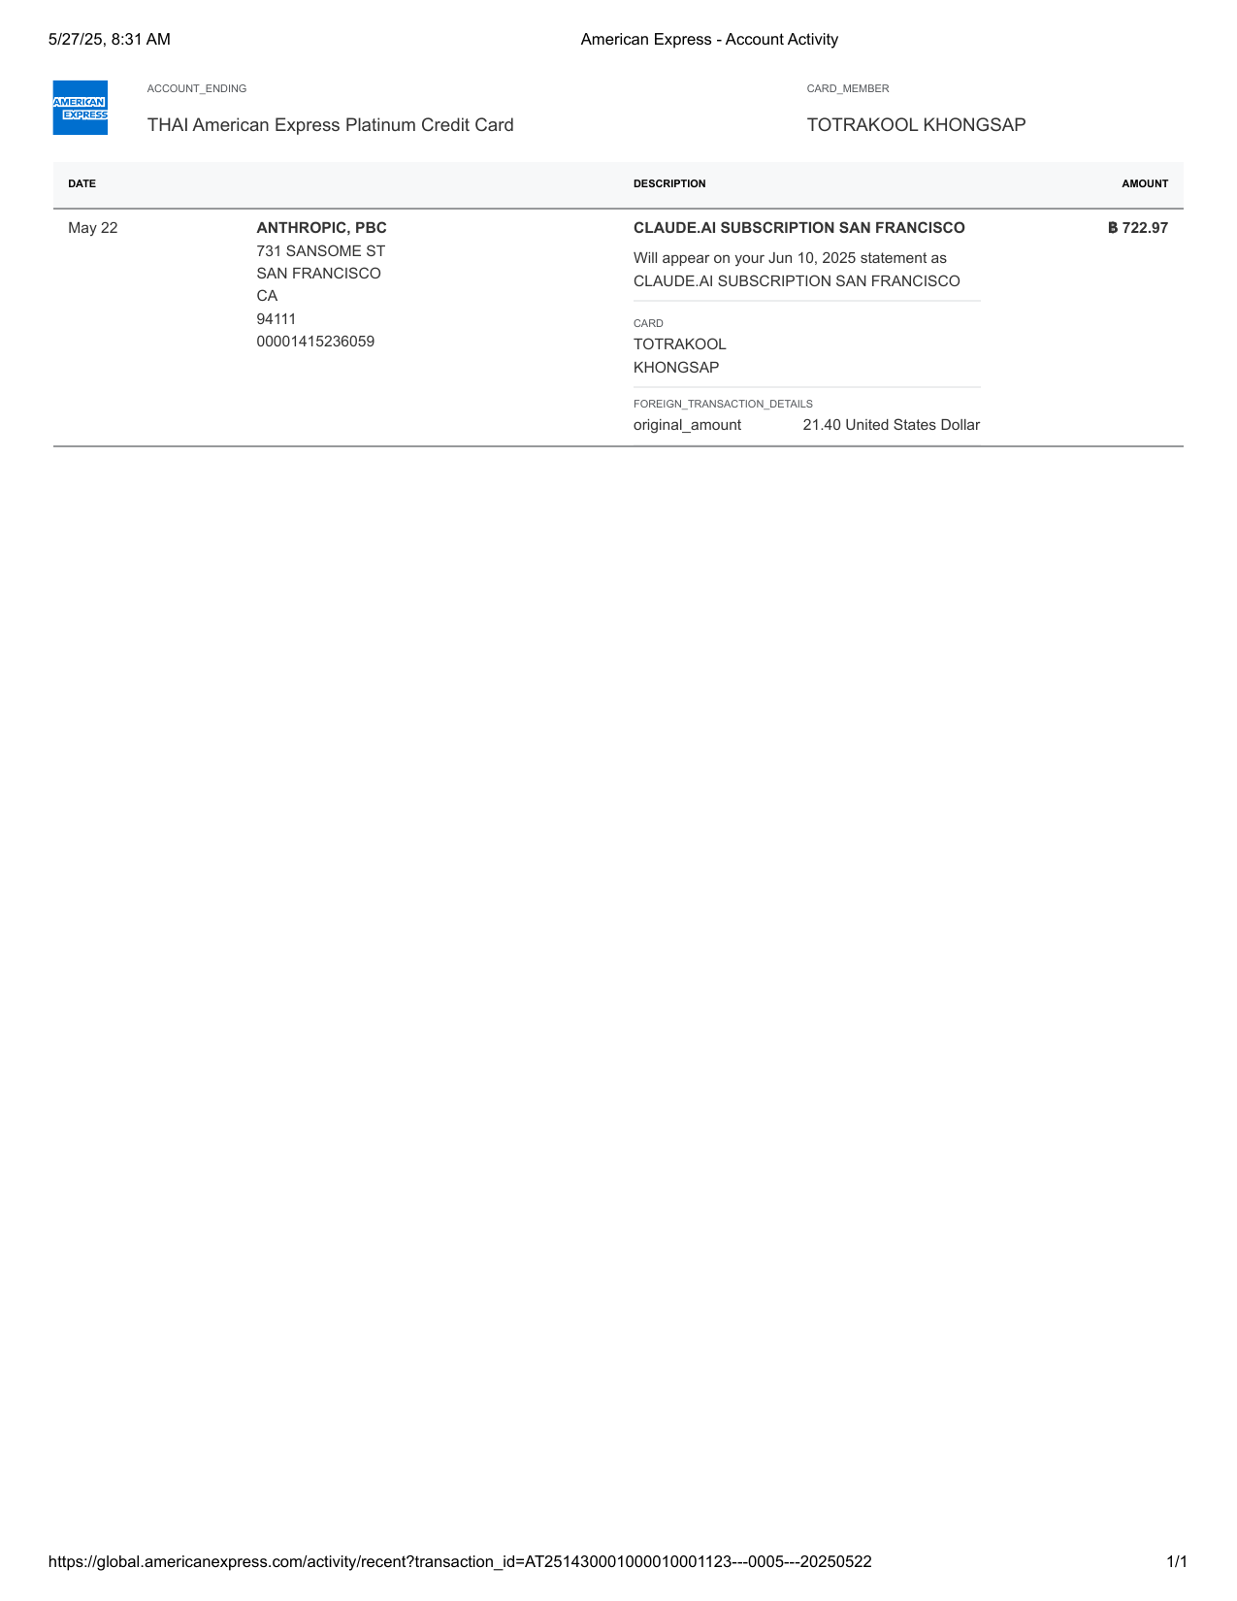
American Express - Account Activity-37

Invoice_40
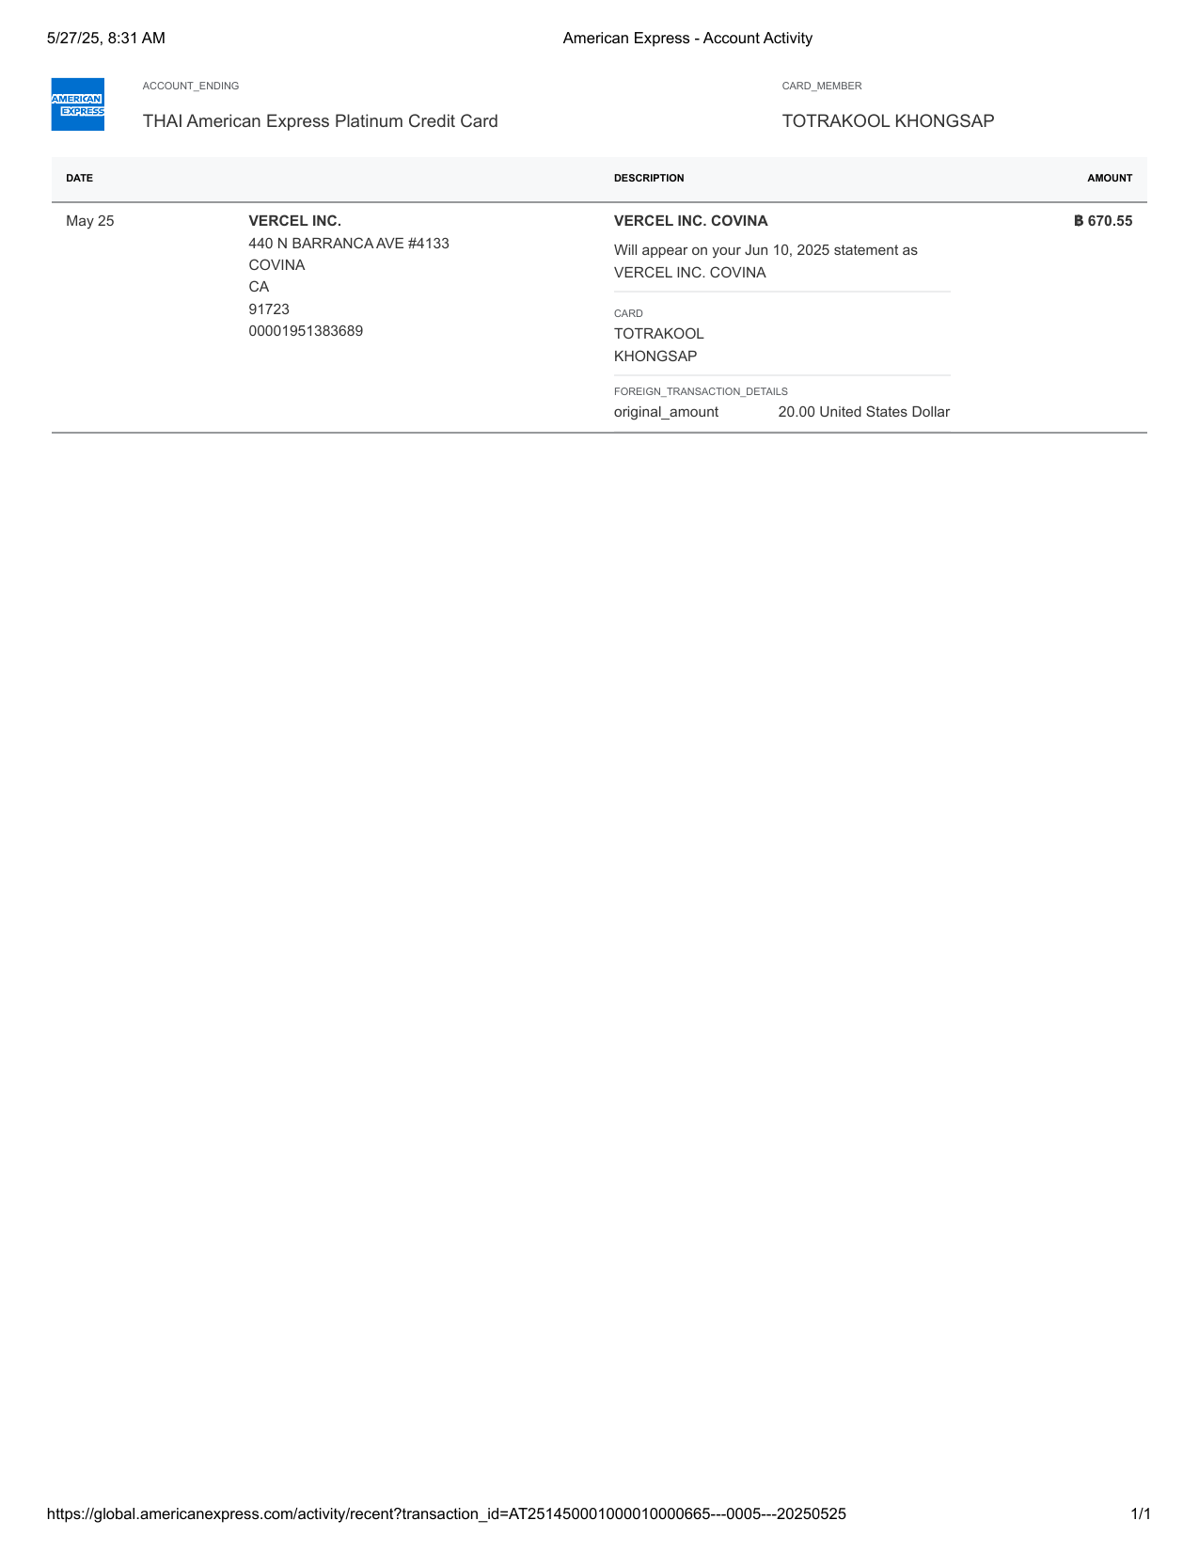
American Express - Account Activity-38

