Invoice Screenshots
Column 1 | Column 2

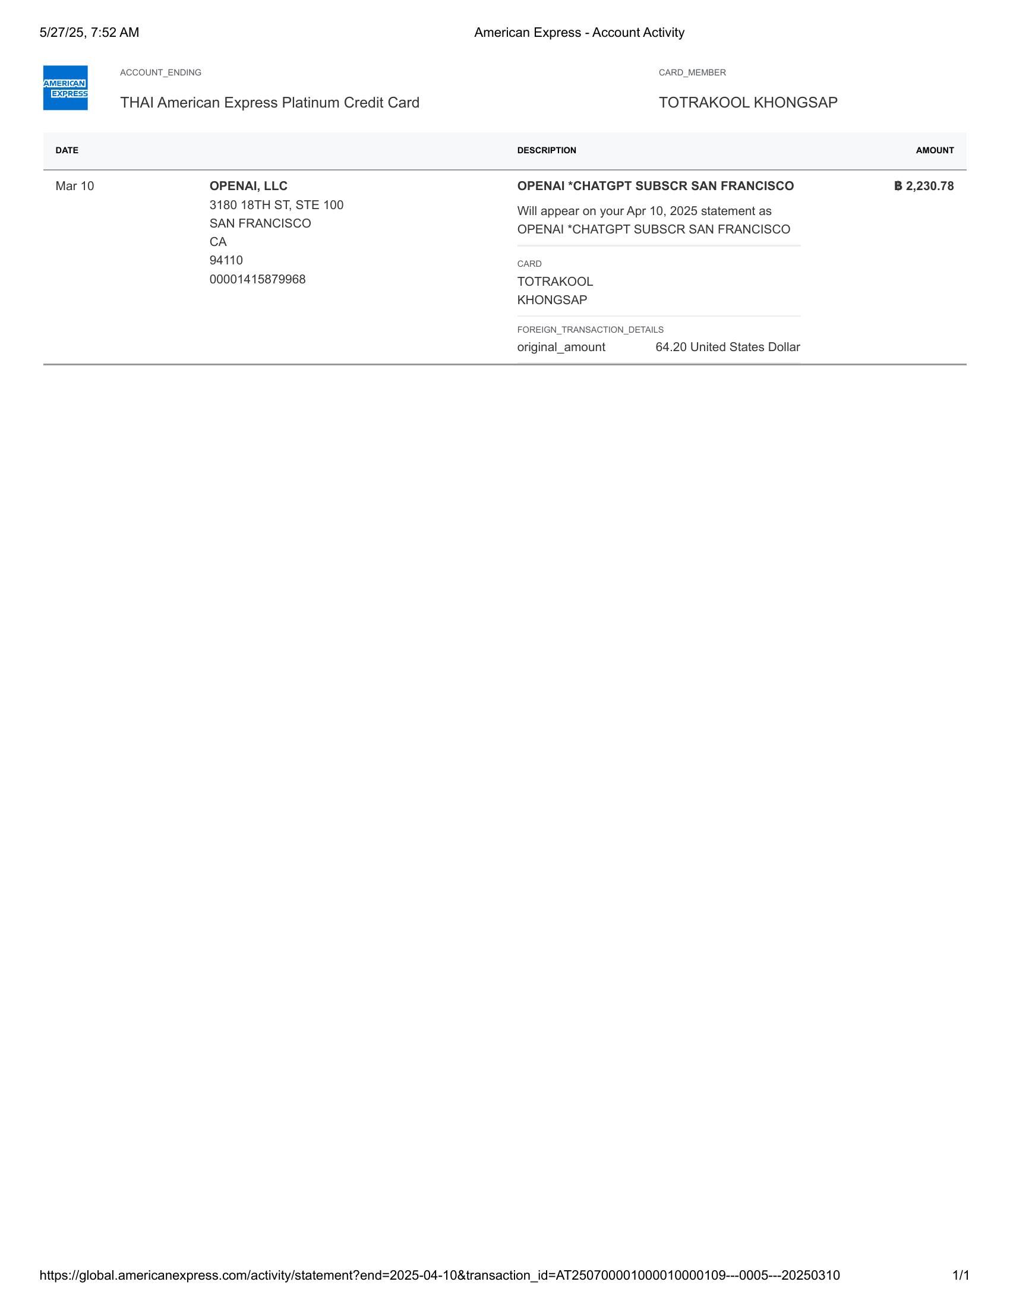 | 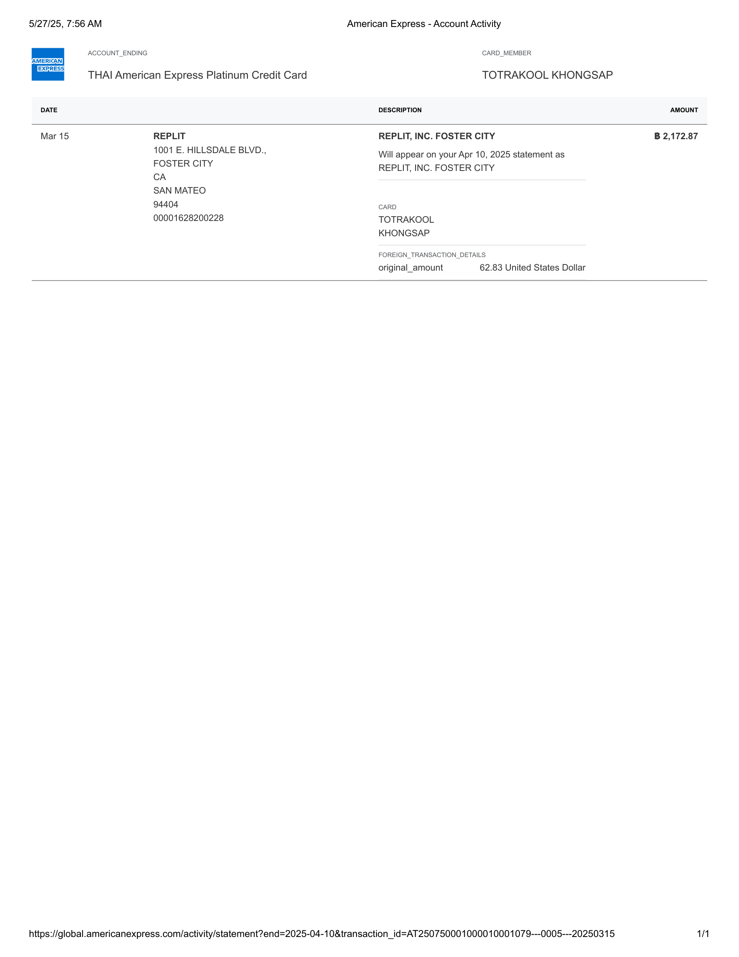

American Express - Account Activity | American Express - Account Activity-1

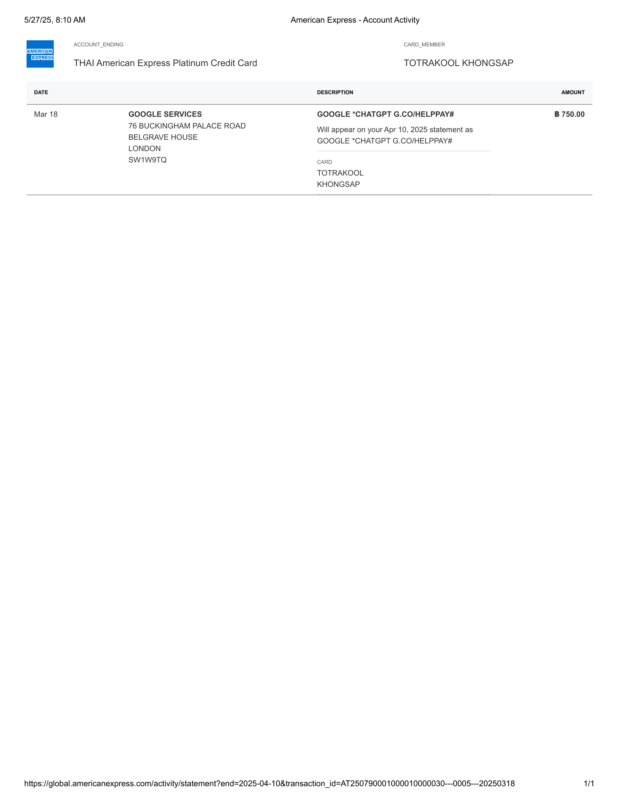 | 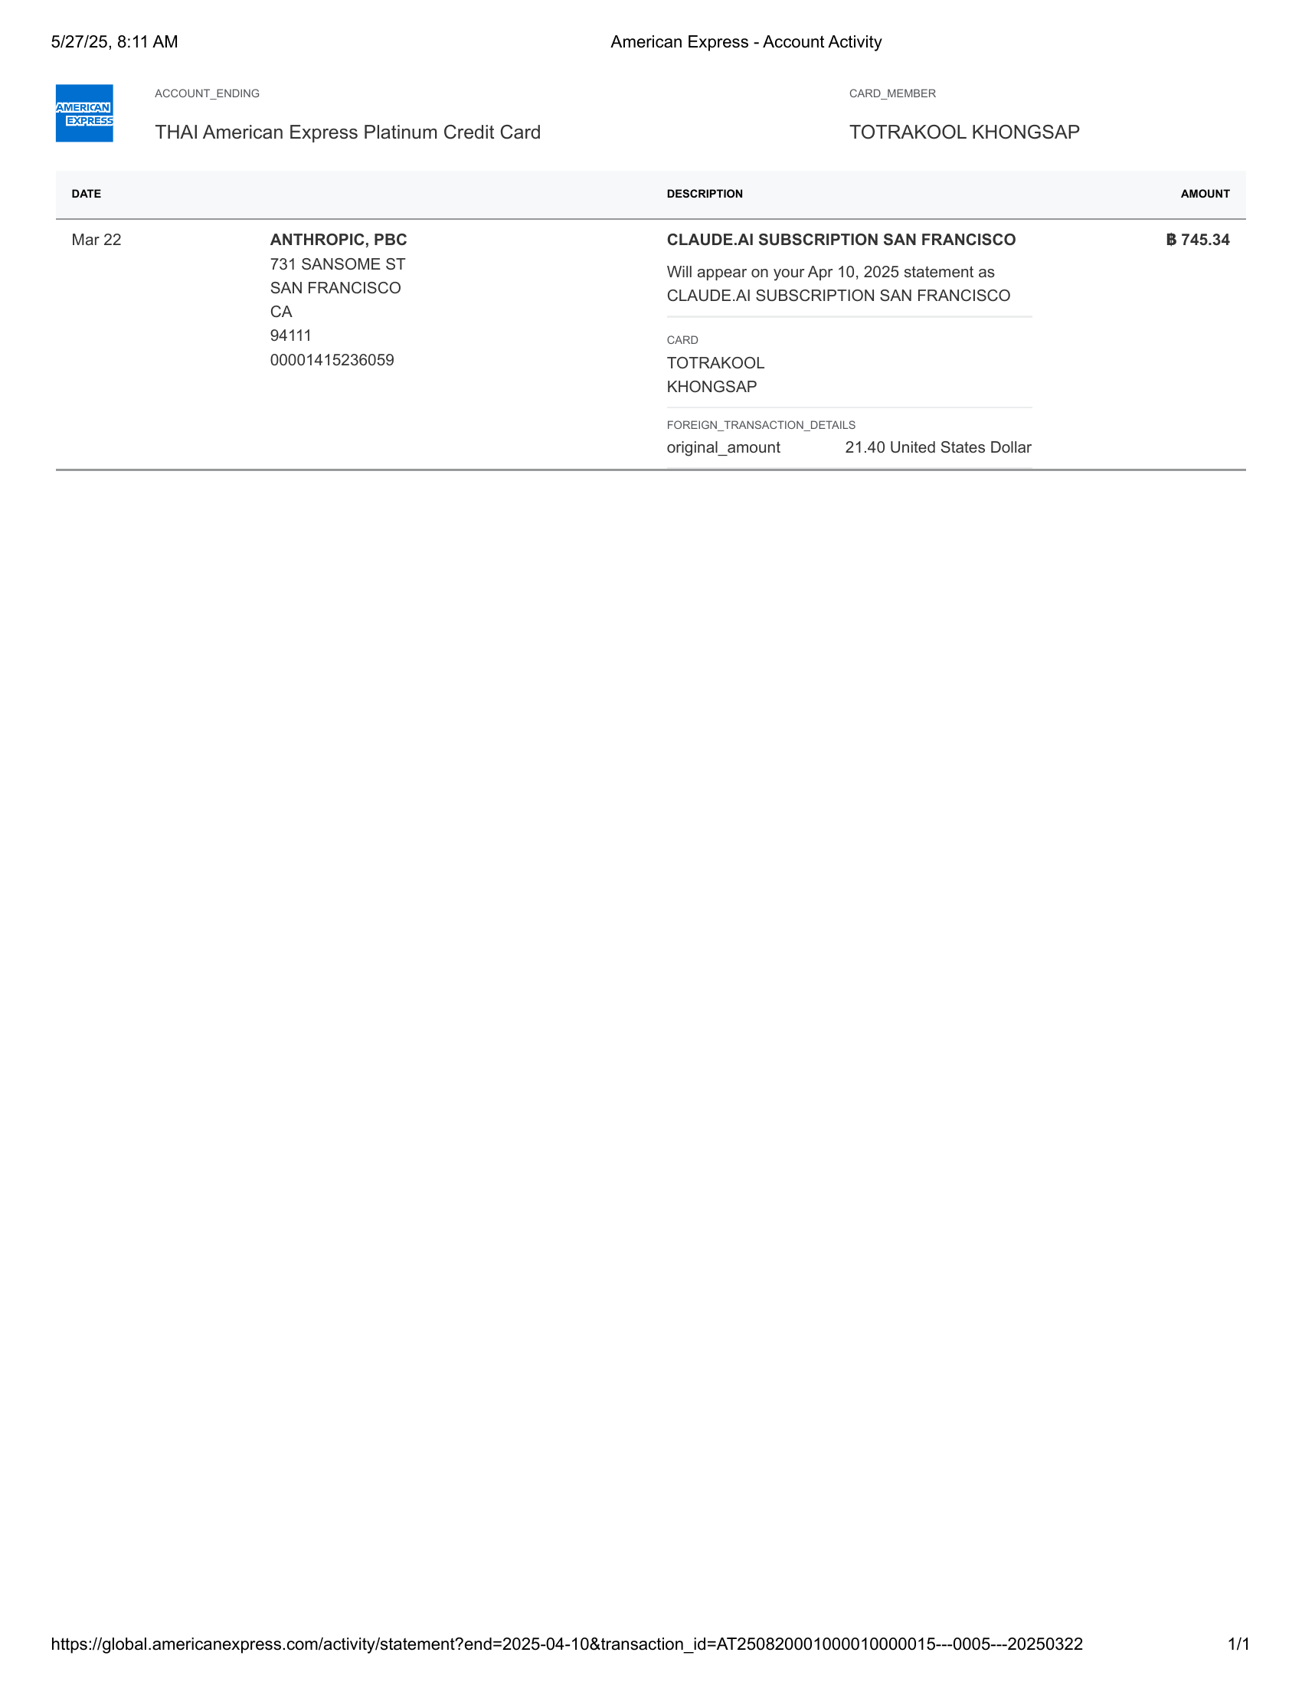

American Express - Account Activity-2 | American Express - Account Activity-3

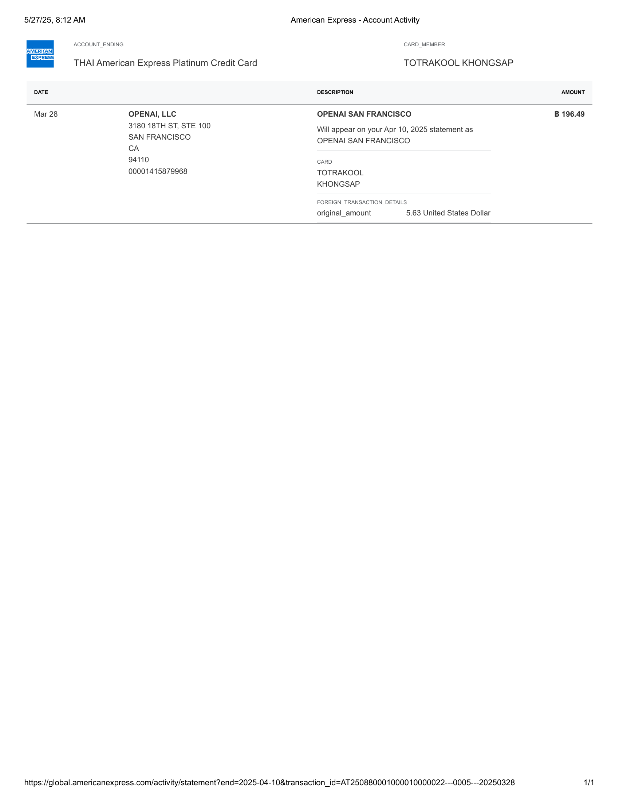 | 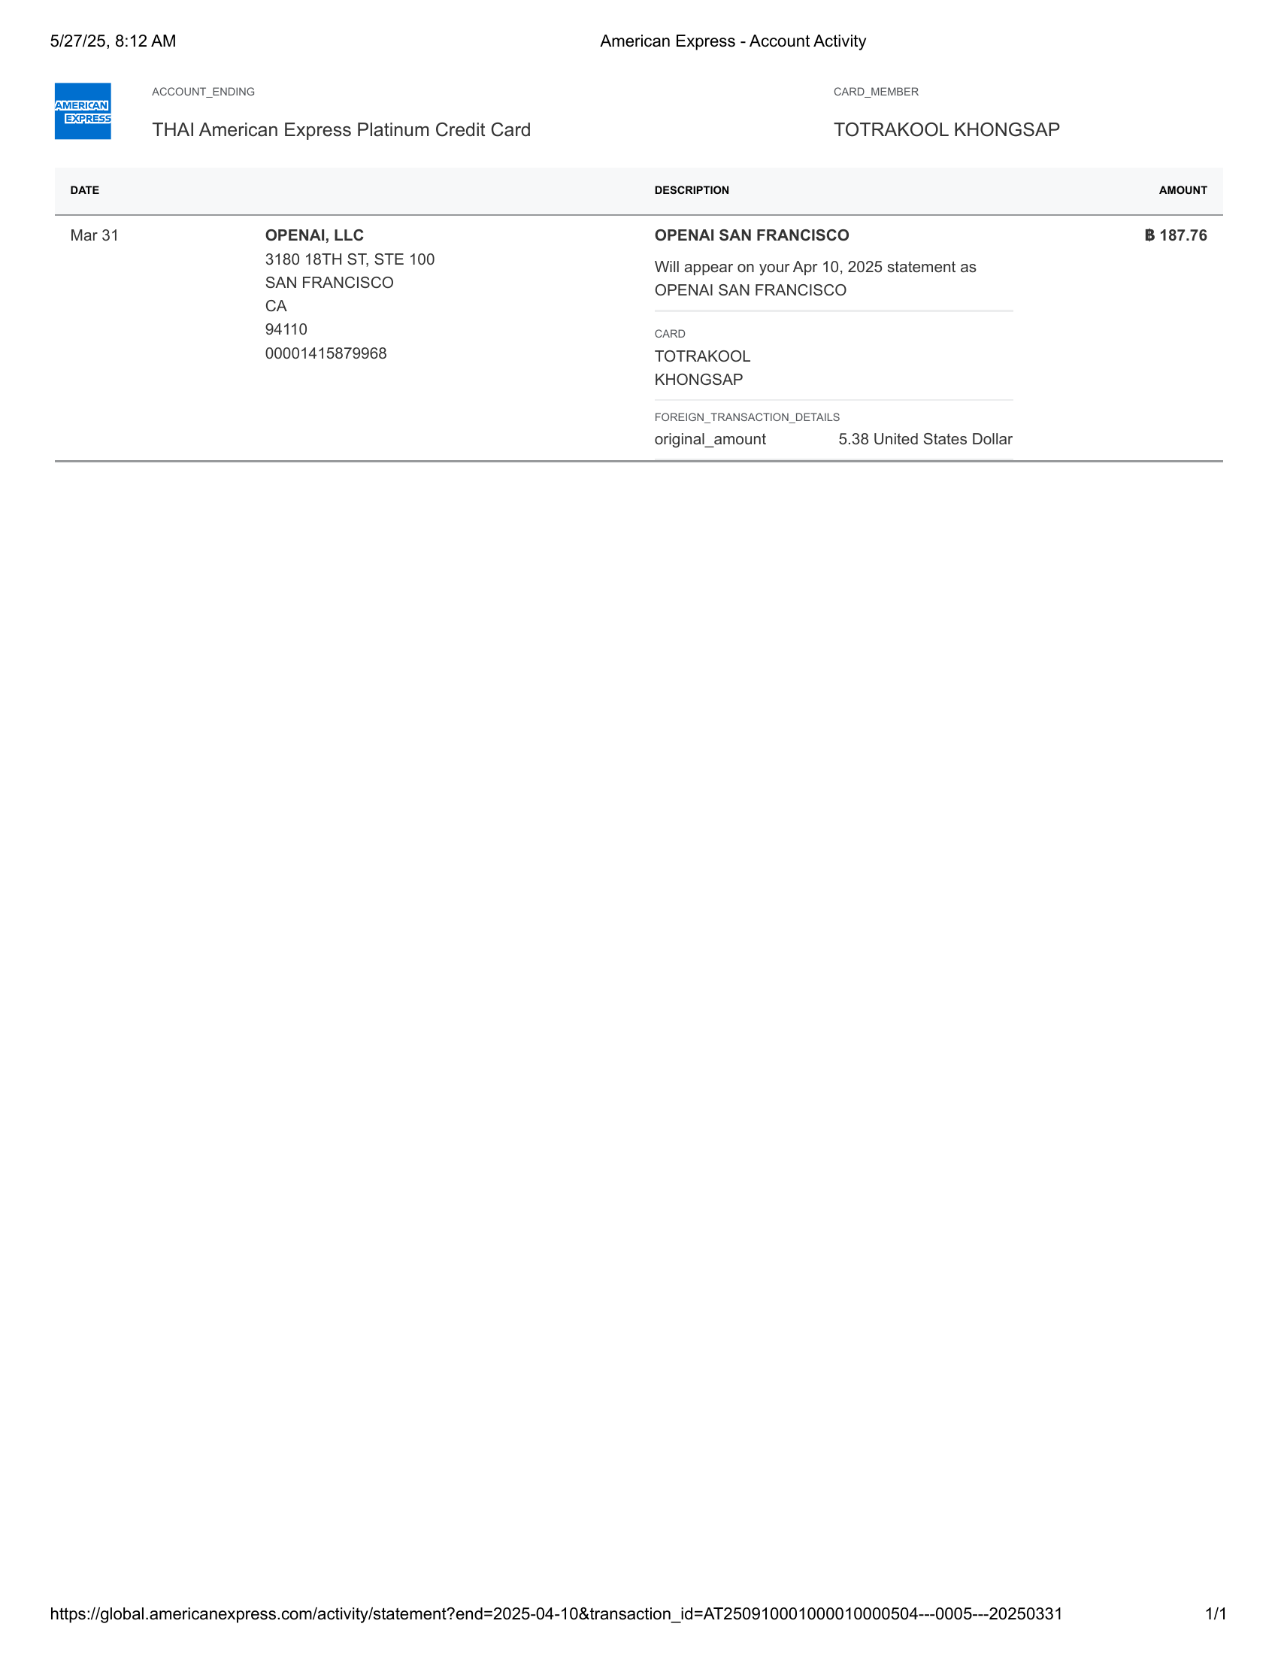

American Express - Account Activity-4 | American Express - Account Activity-5

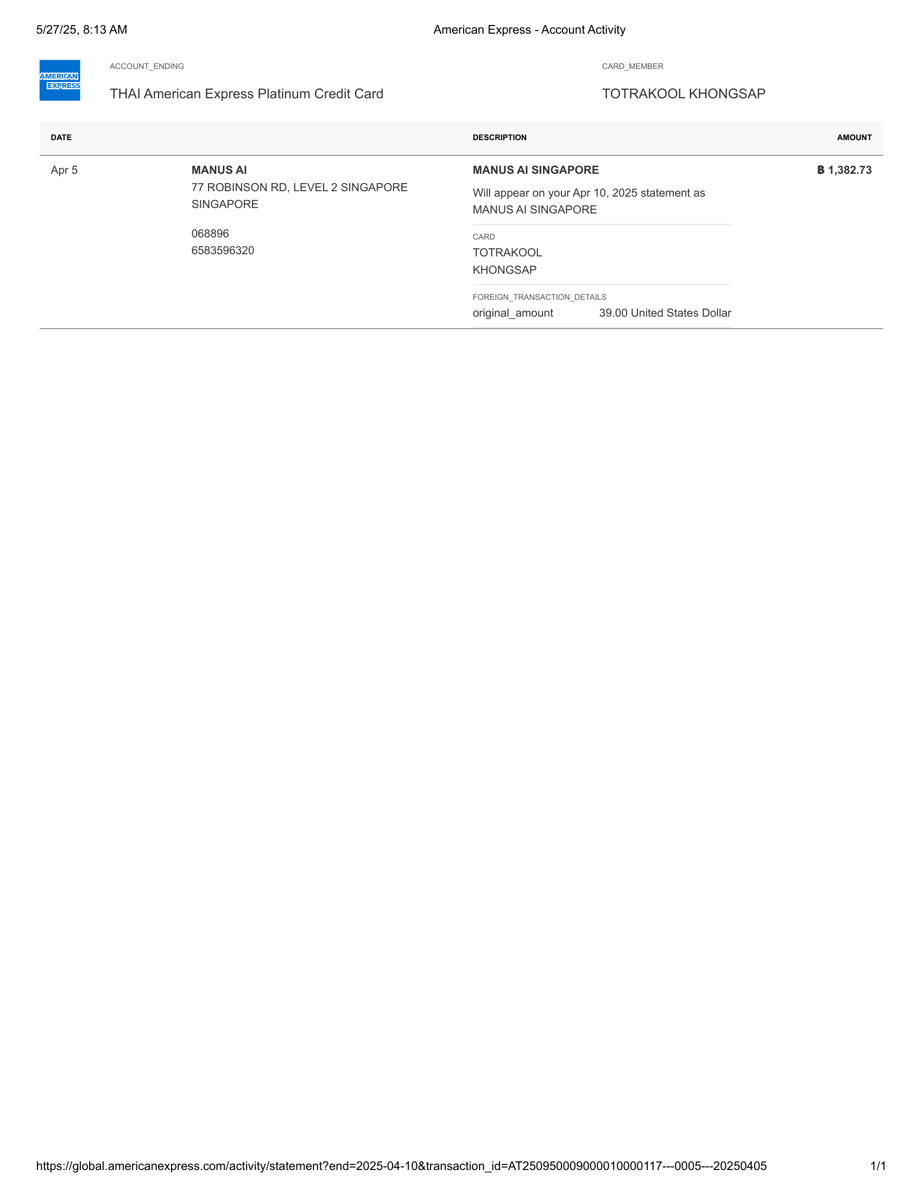 | 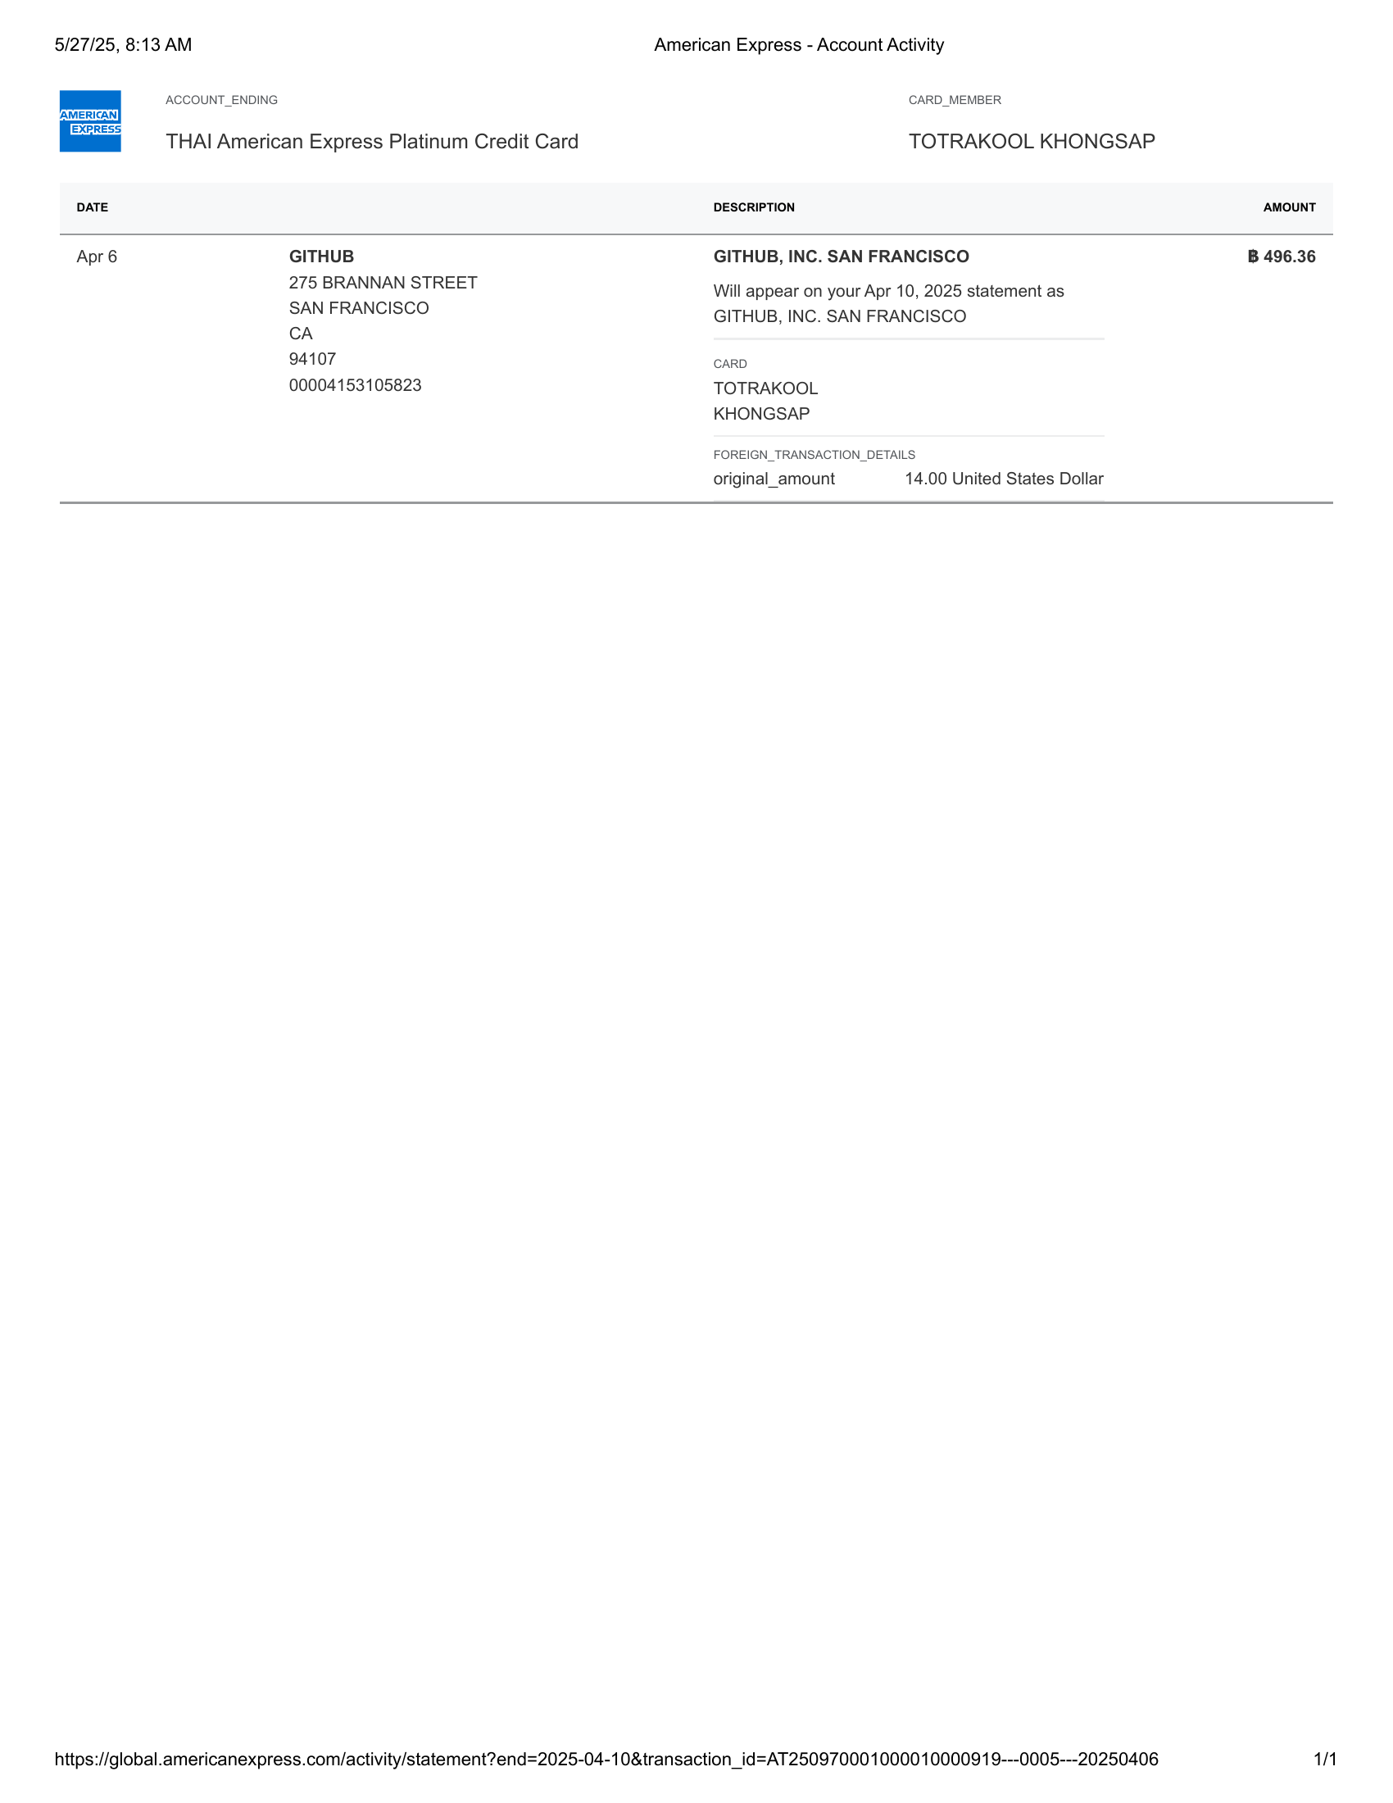

American Express - Account Activity-6 | American Express - Account Activity-7

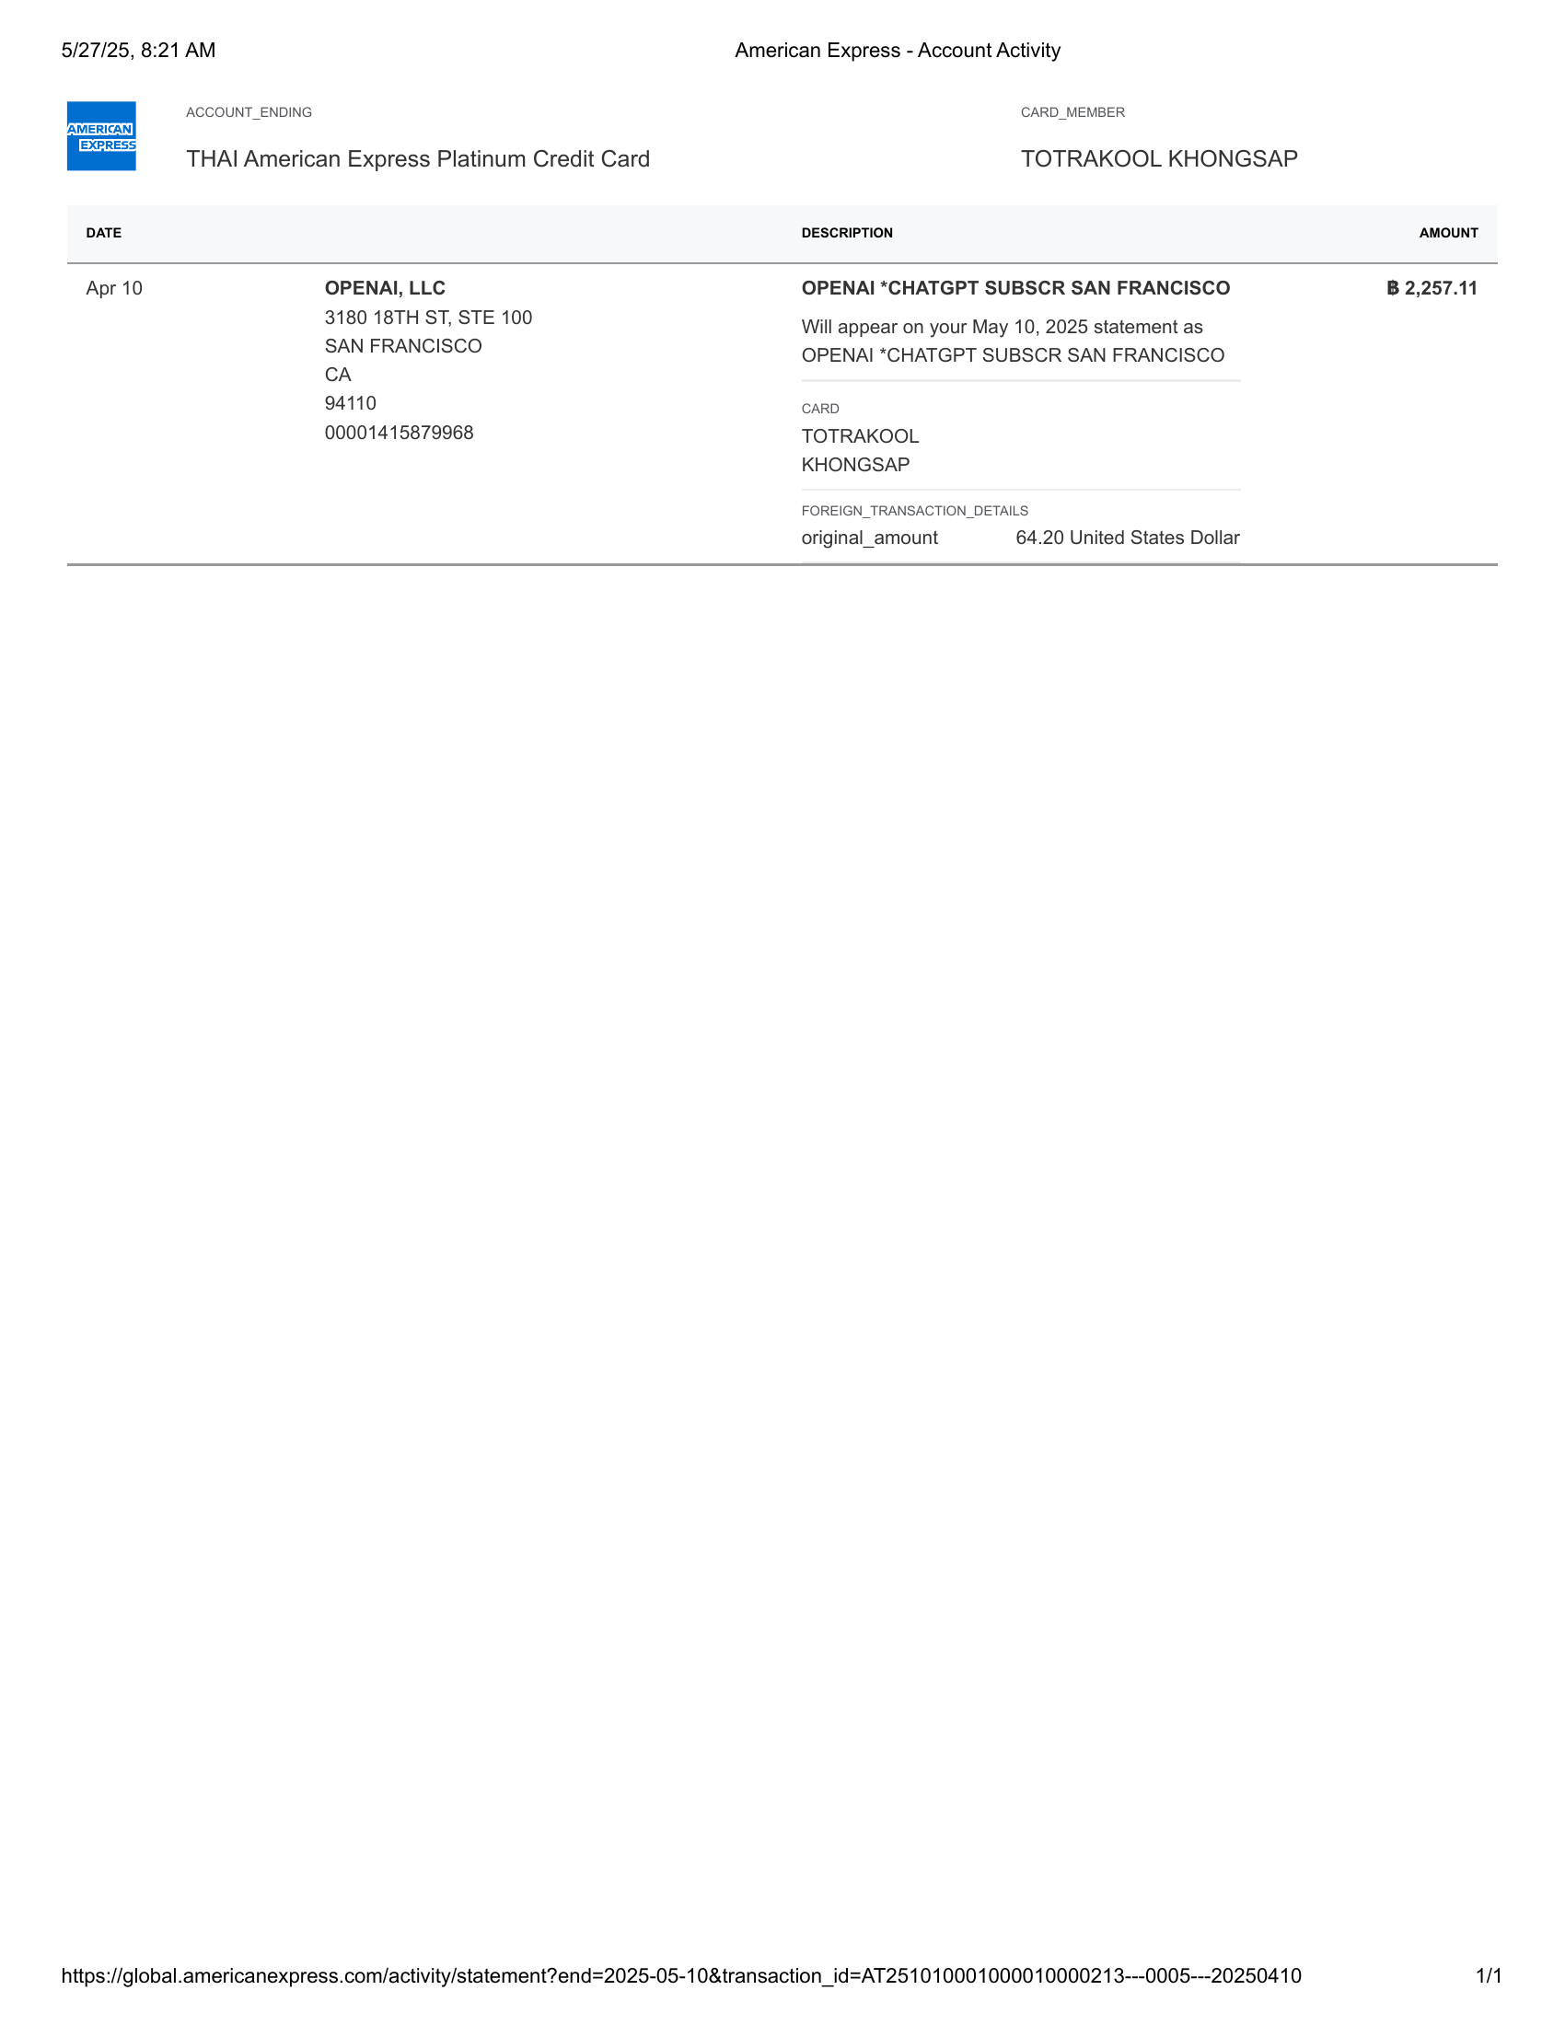 | 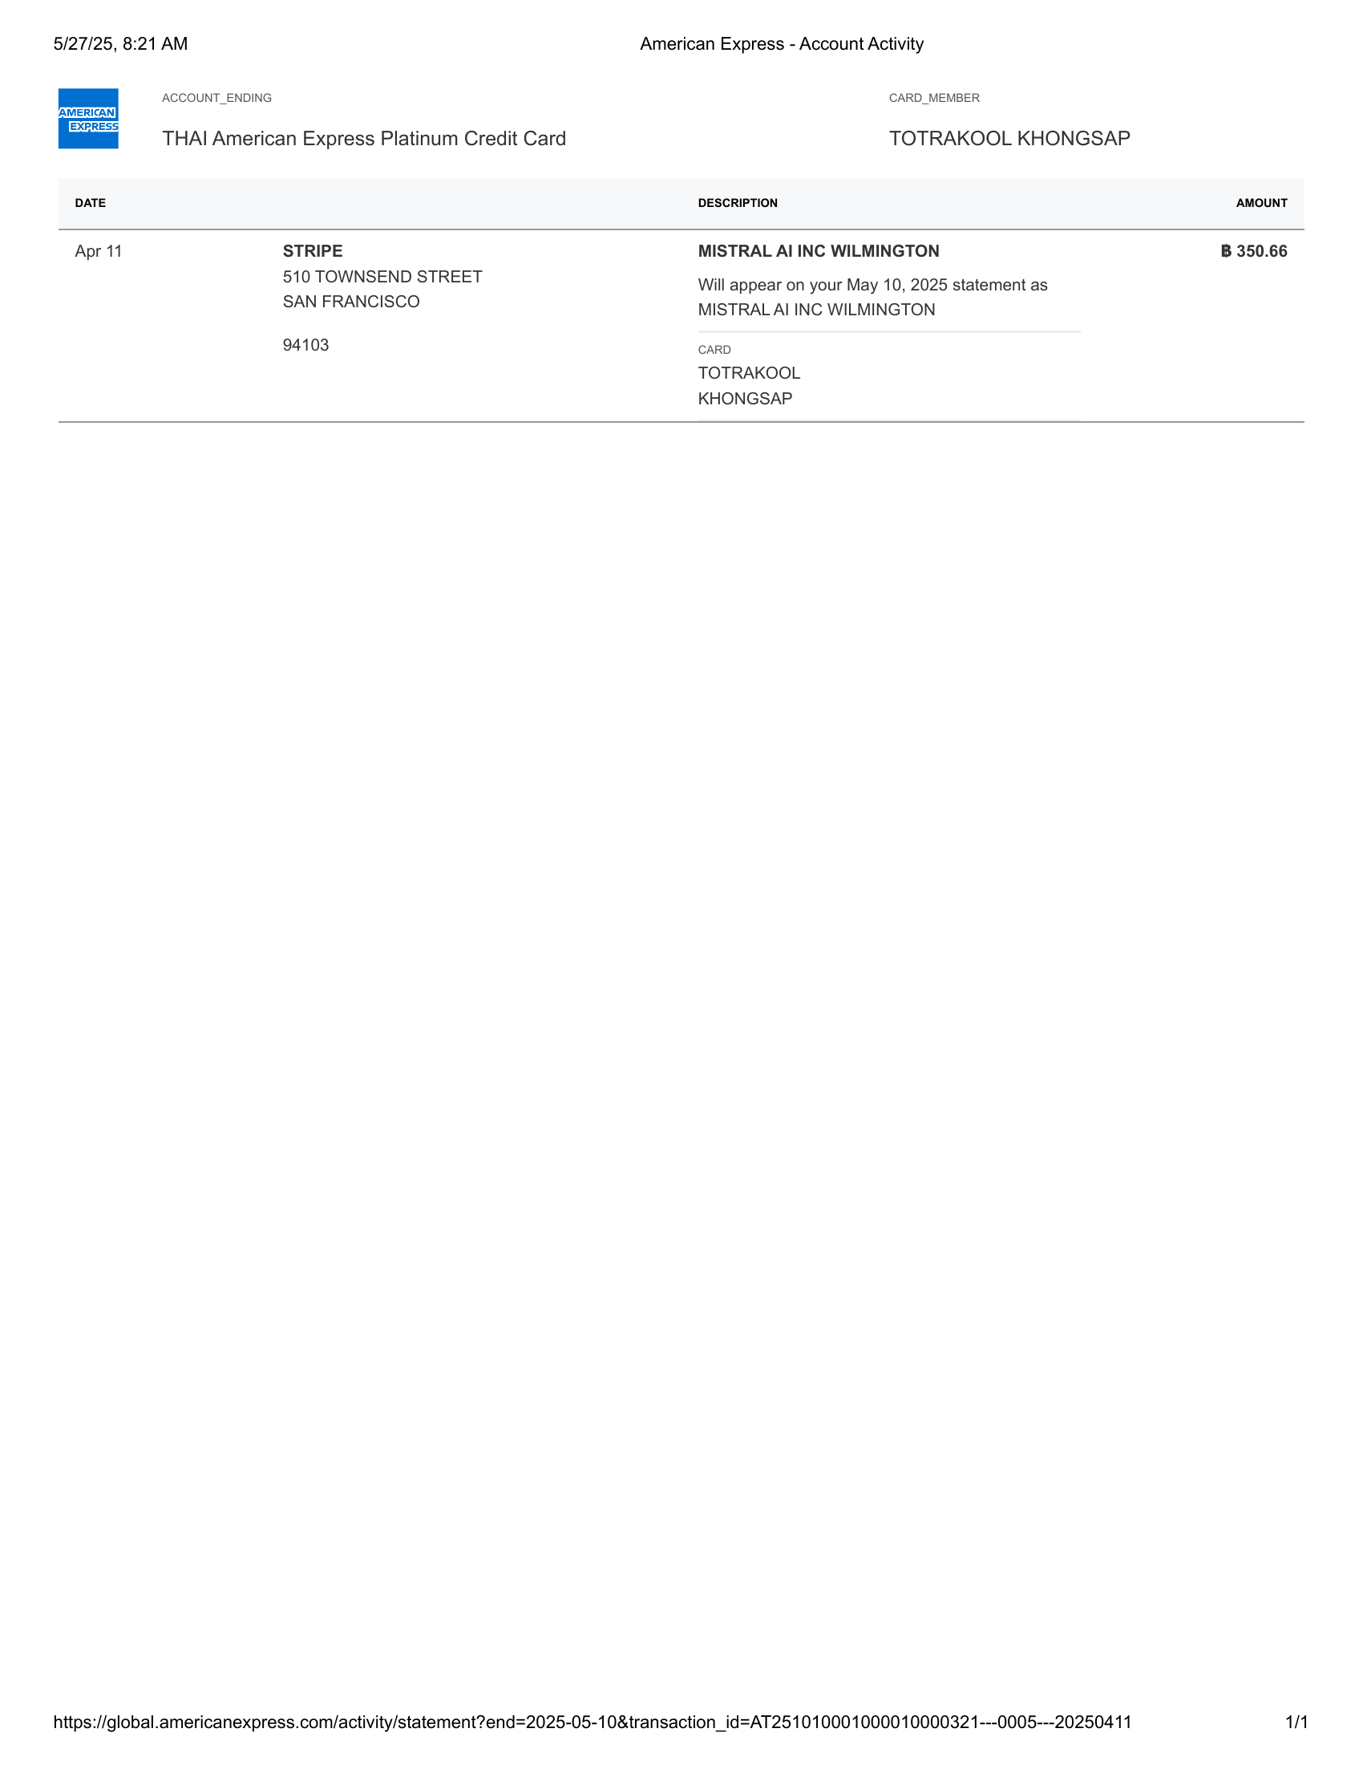

American Express - Account Activity-8 | American Express - Account Activity-9

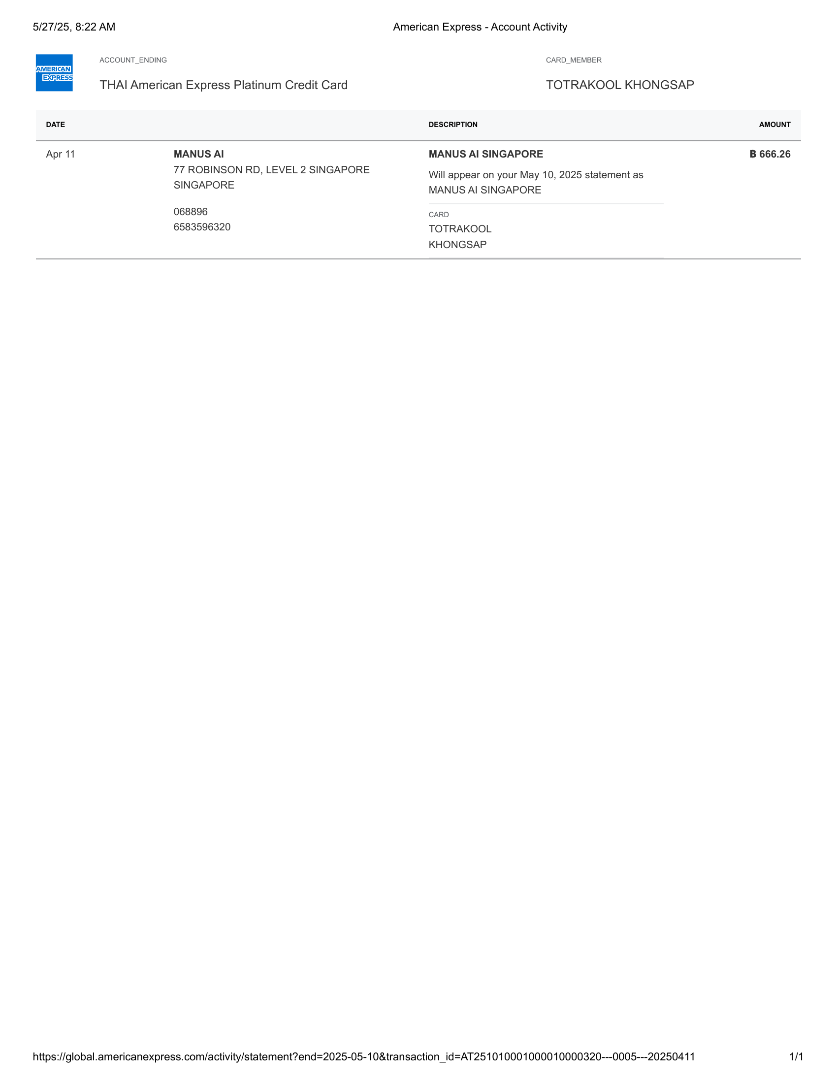 | 

American Express - Account Activity-10 | American Express - Account Activity-10.5

 | 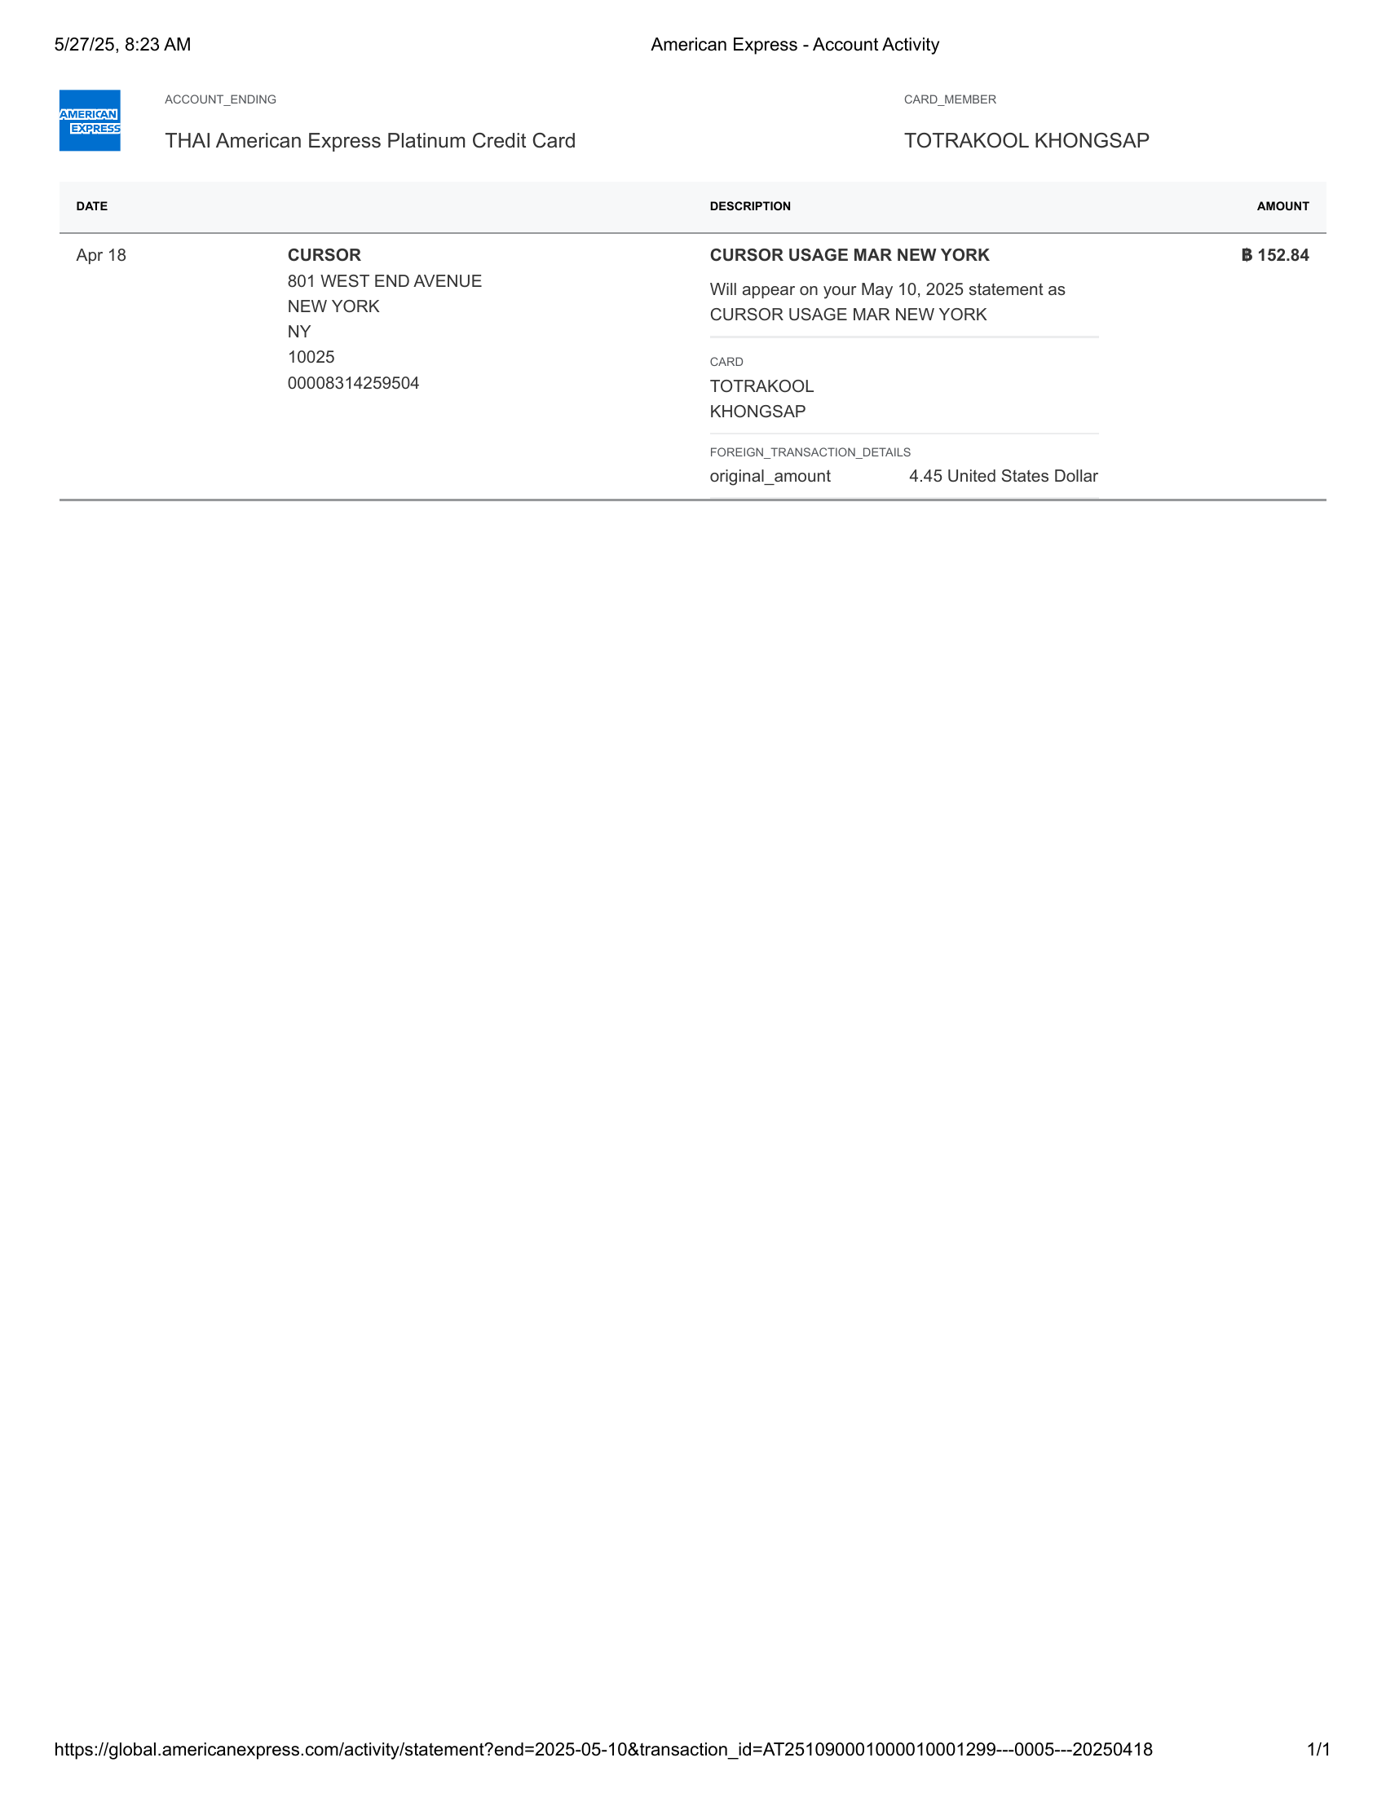

American Express - Account Activity-11 | American Express - Account Activity-12

 | 

American Express - Account Activity-13 | American Express - Account Activity-14

 | 

American Express - Account Activity-15 | American Express - Account Activity-16

 | 

American Express - Account Activity-17 | American Express - Account Activity-18

 | 

American Express - Account Activity-19 | American Express - Account Activity-20

 | 

American Express - Account Activity-21 | American Express - Account Activity-22

 | 

American Express - Account Activity-23 | American Express - Account Activity-24

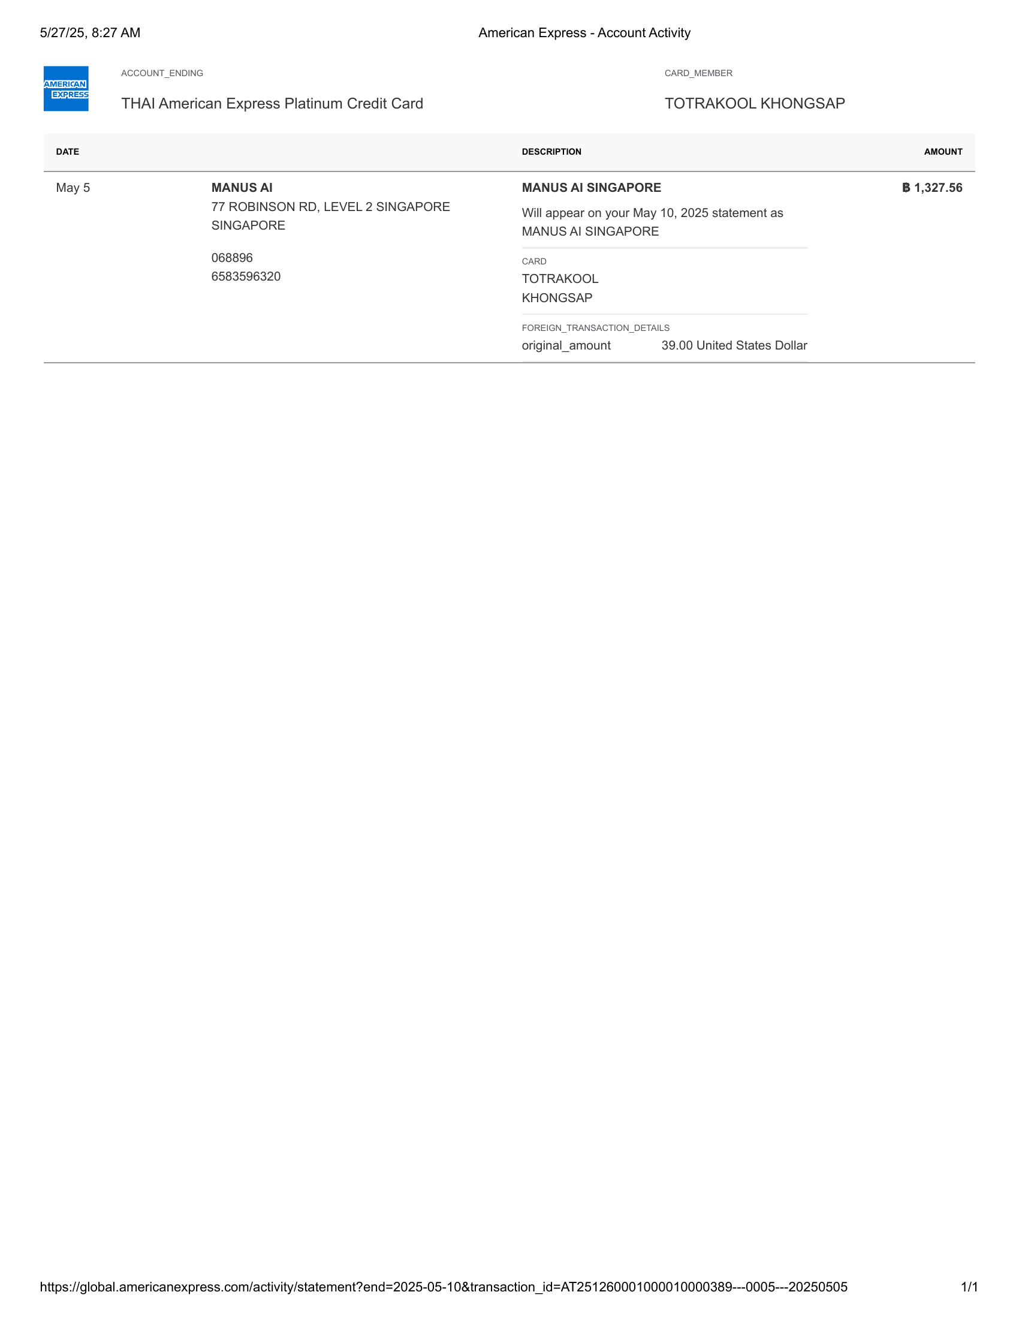 | 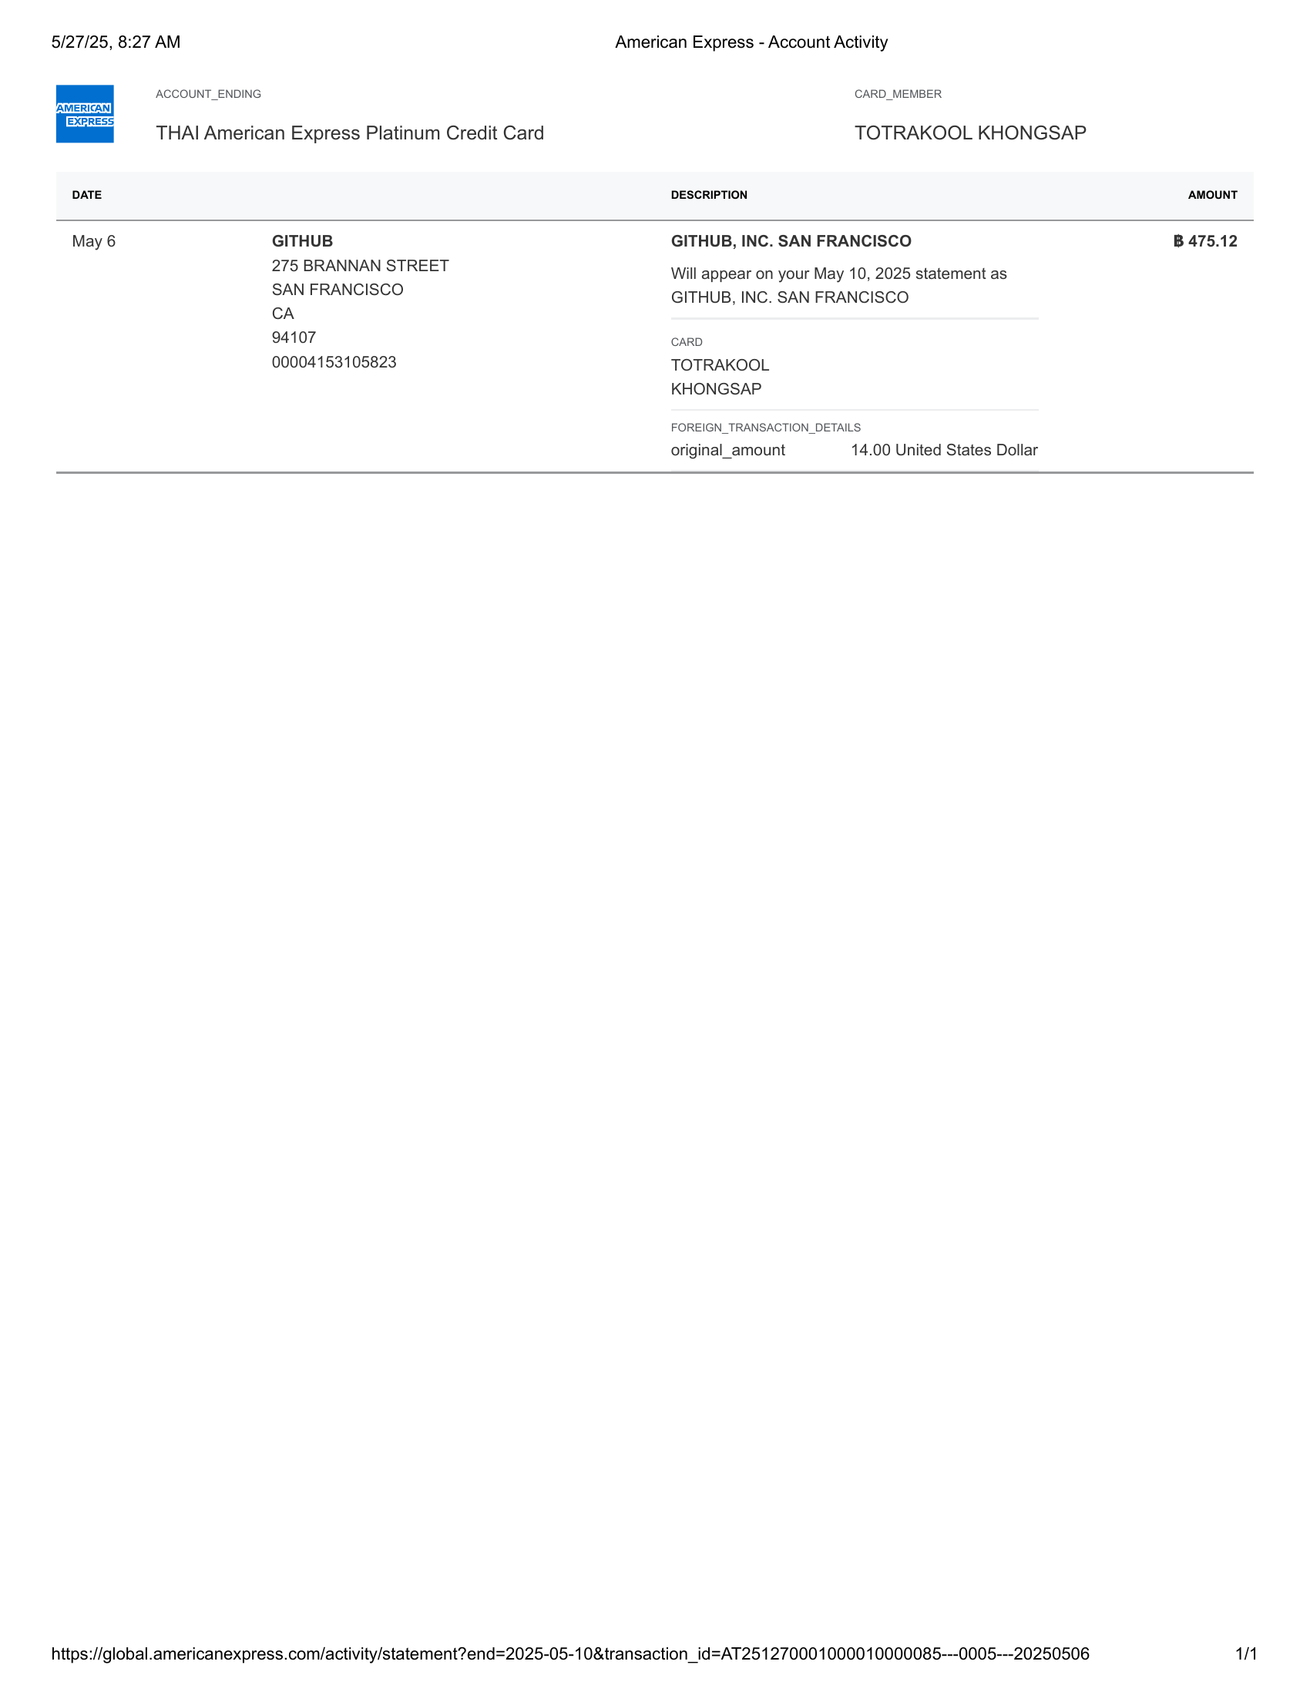

American Express - Account Activity-25 | American Express - Account Activity-26

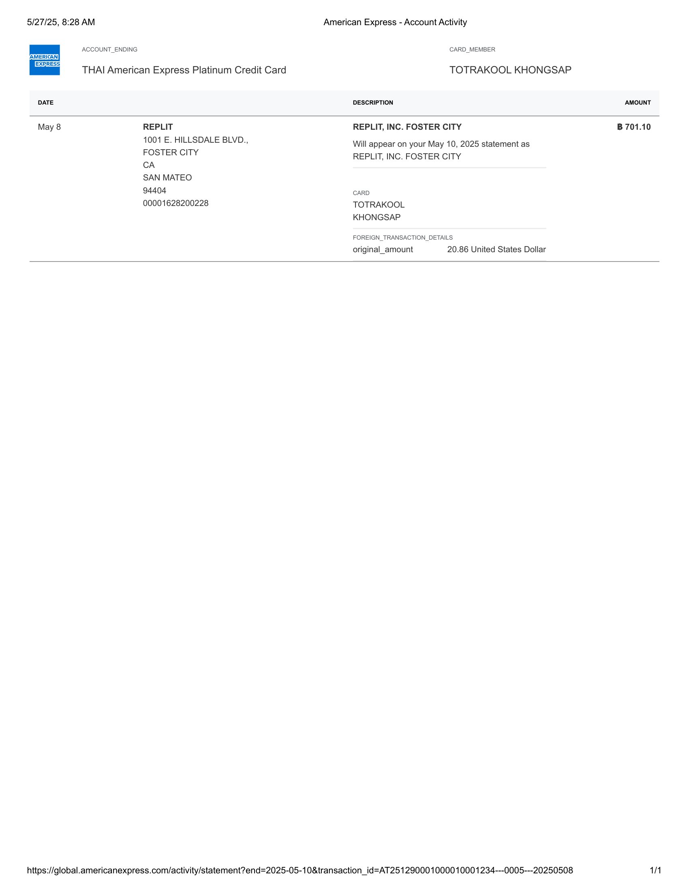 | 

American Express - Account Activity-27 | American Express - Account Activity-28

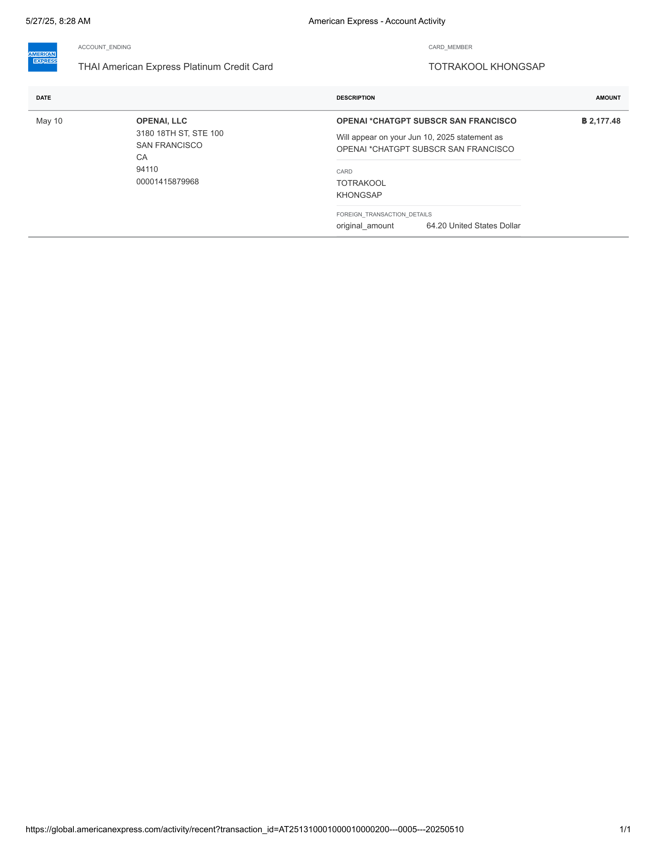 | 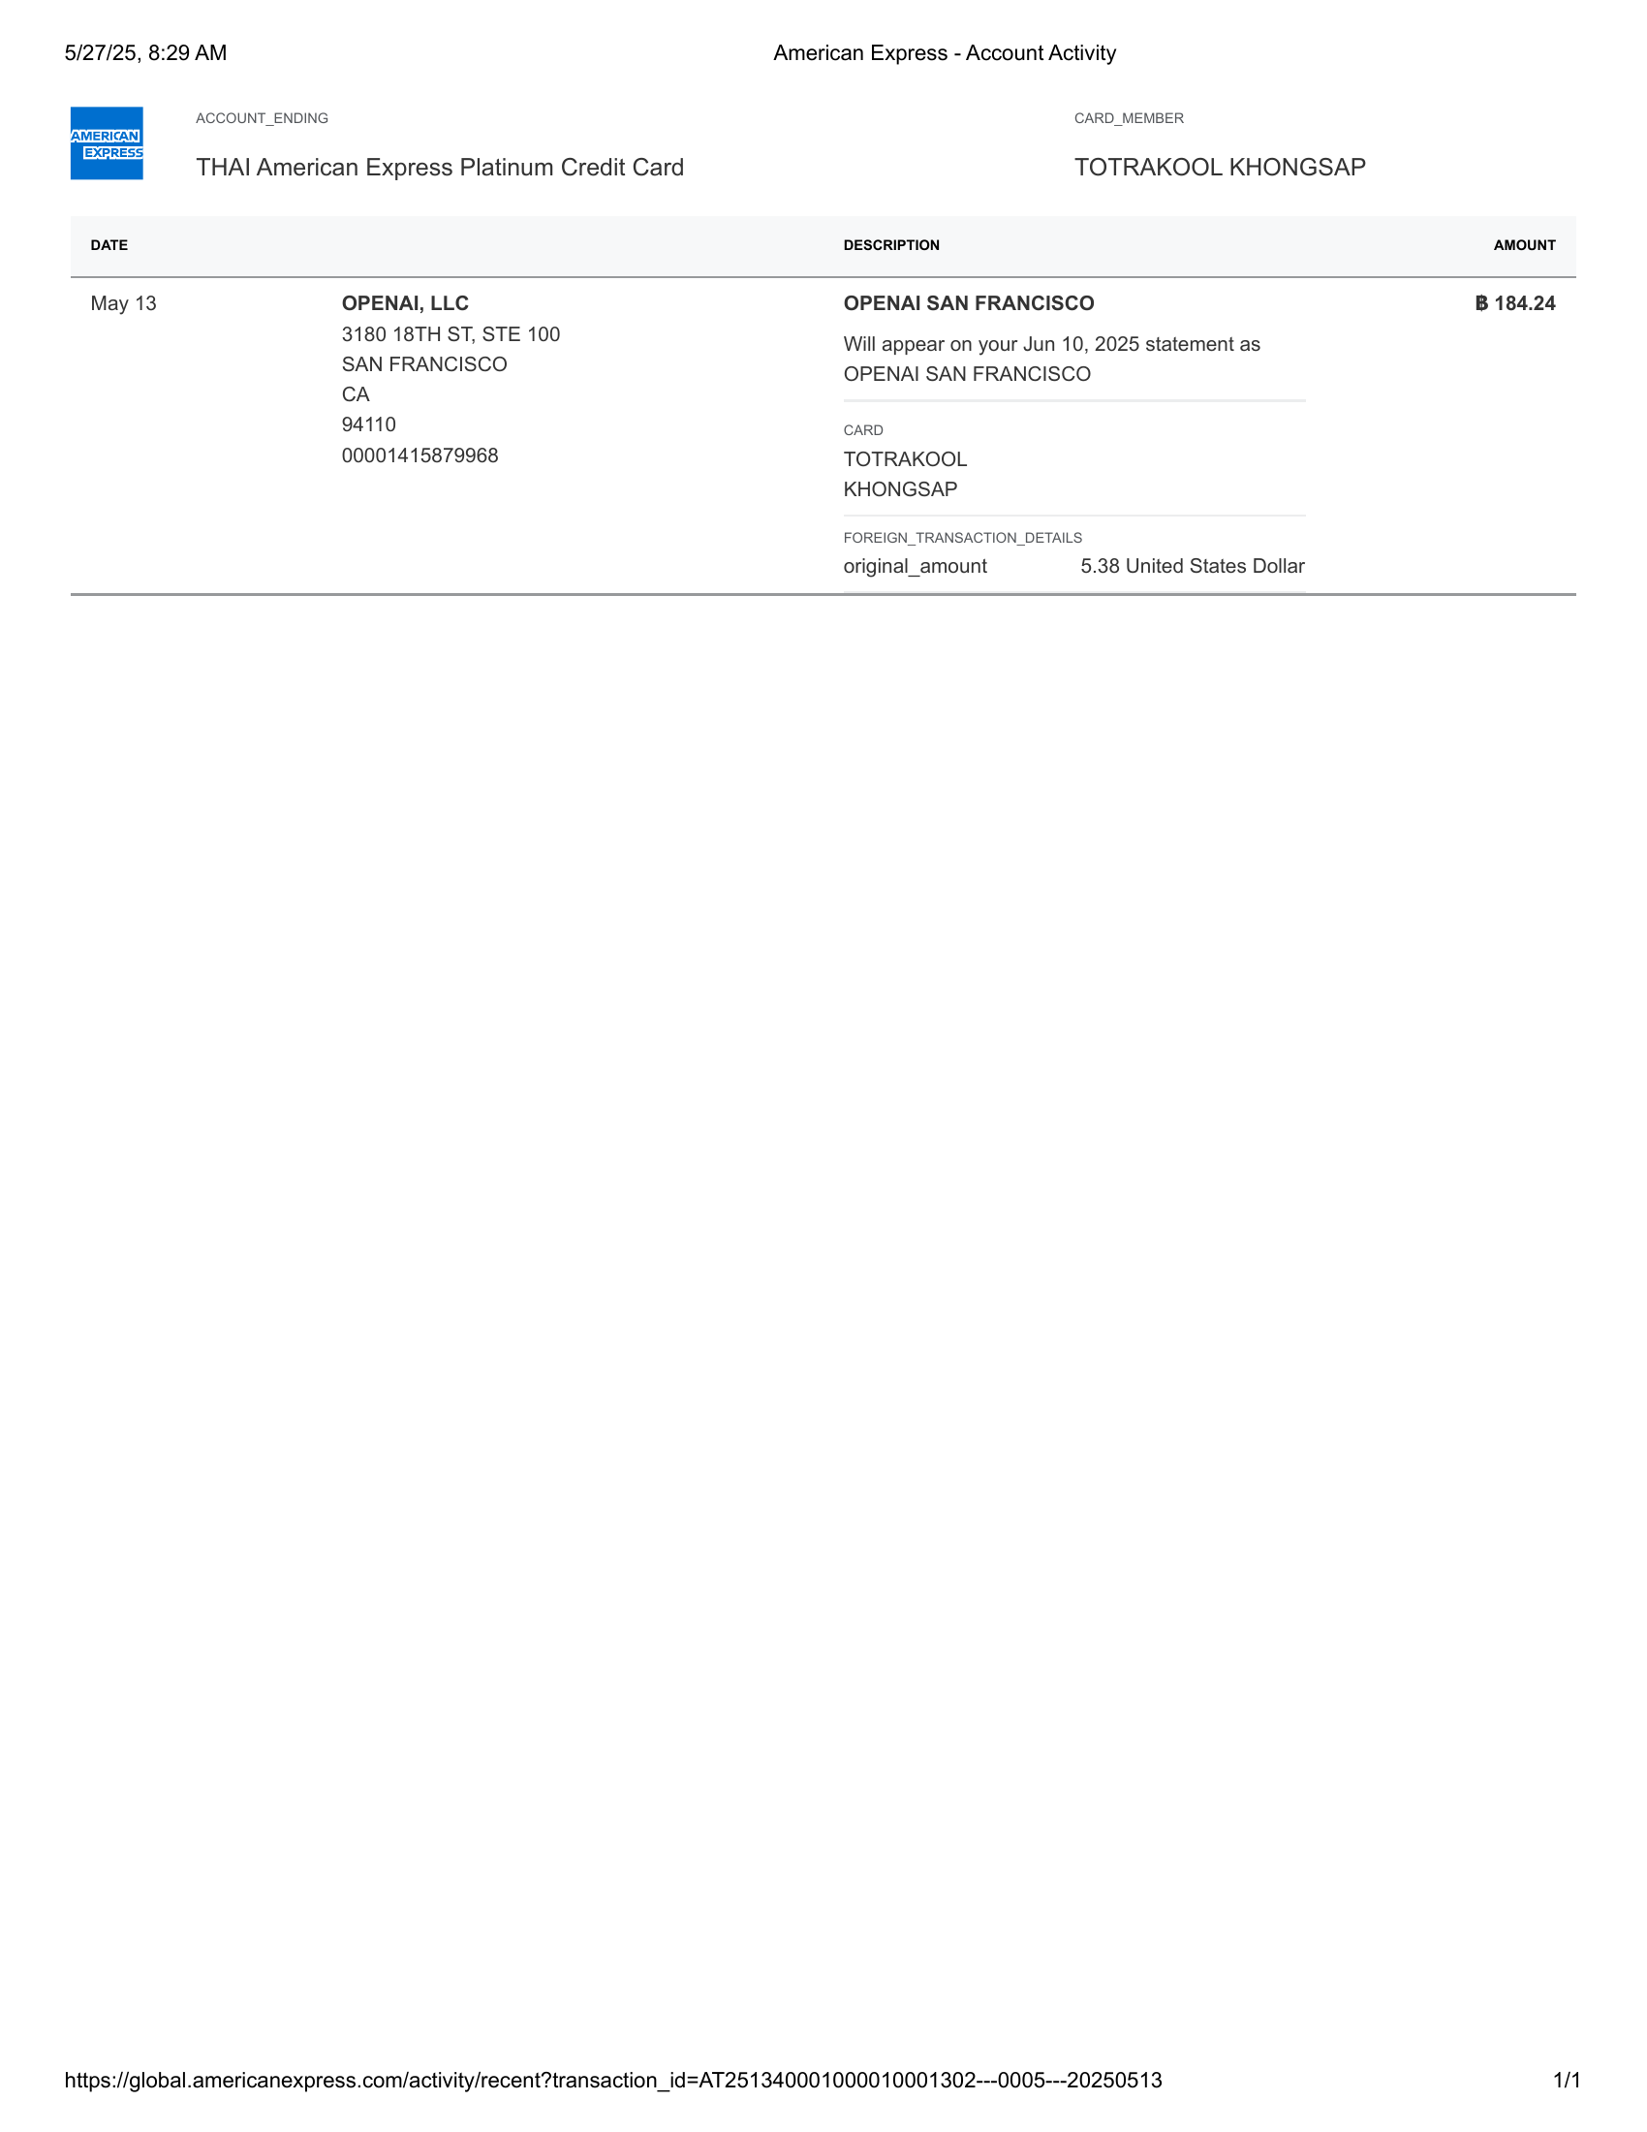

American Express - Account Activity-29 | American Express - Account Activity-30

 | 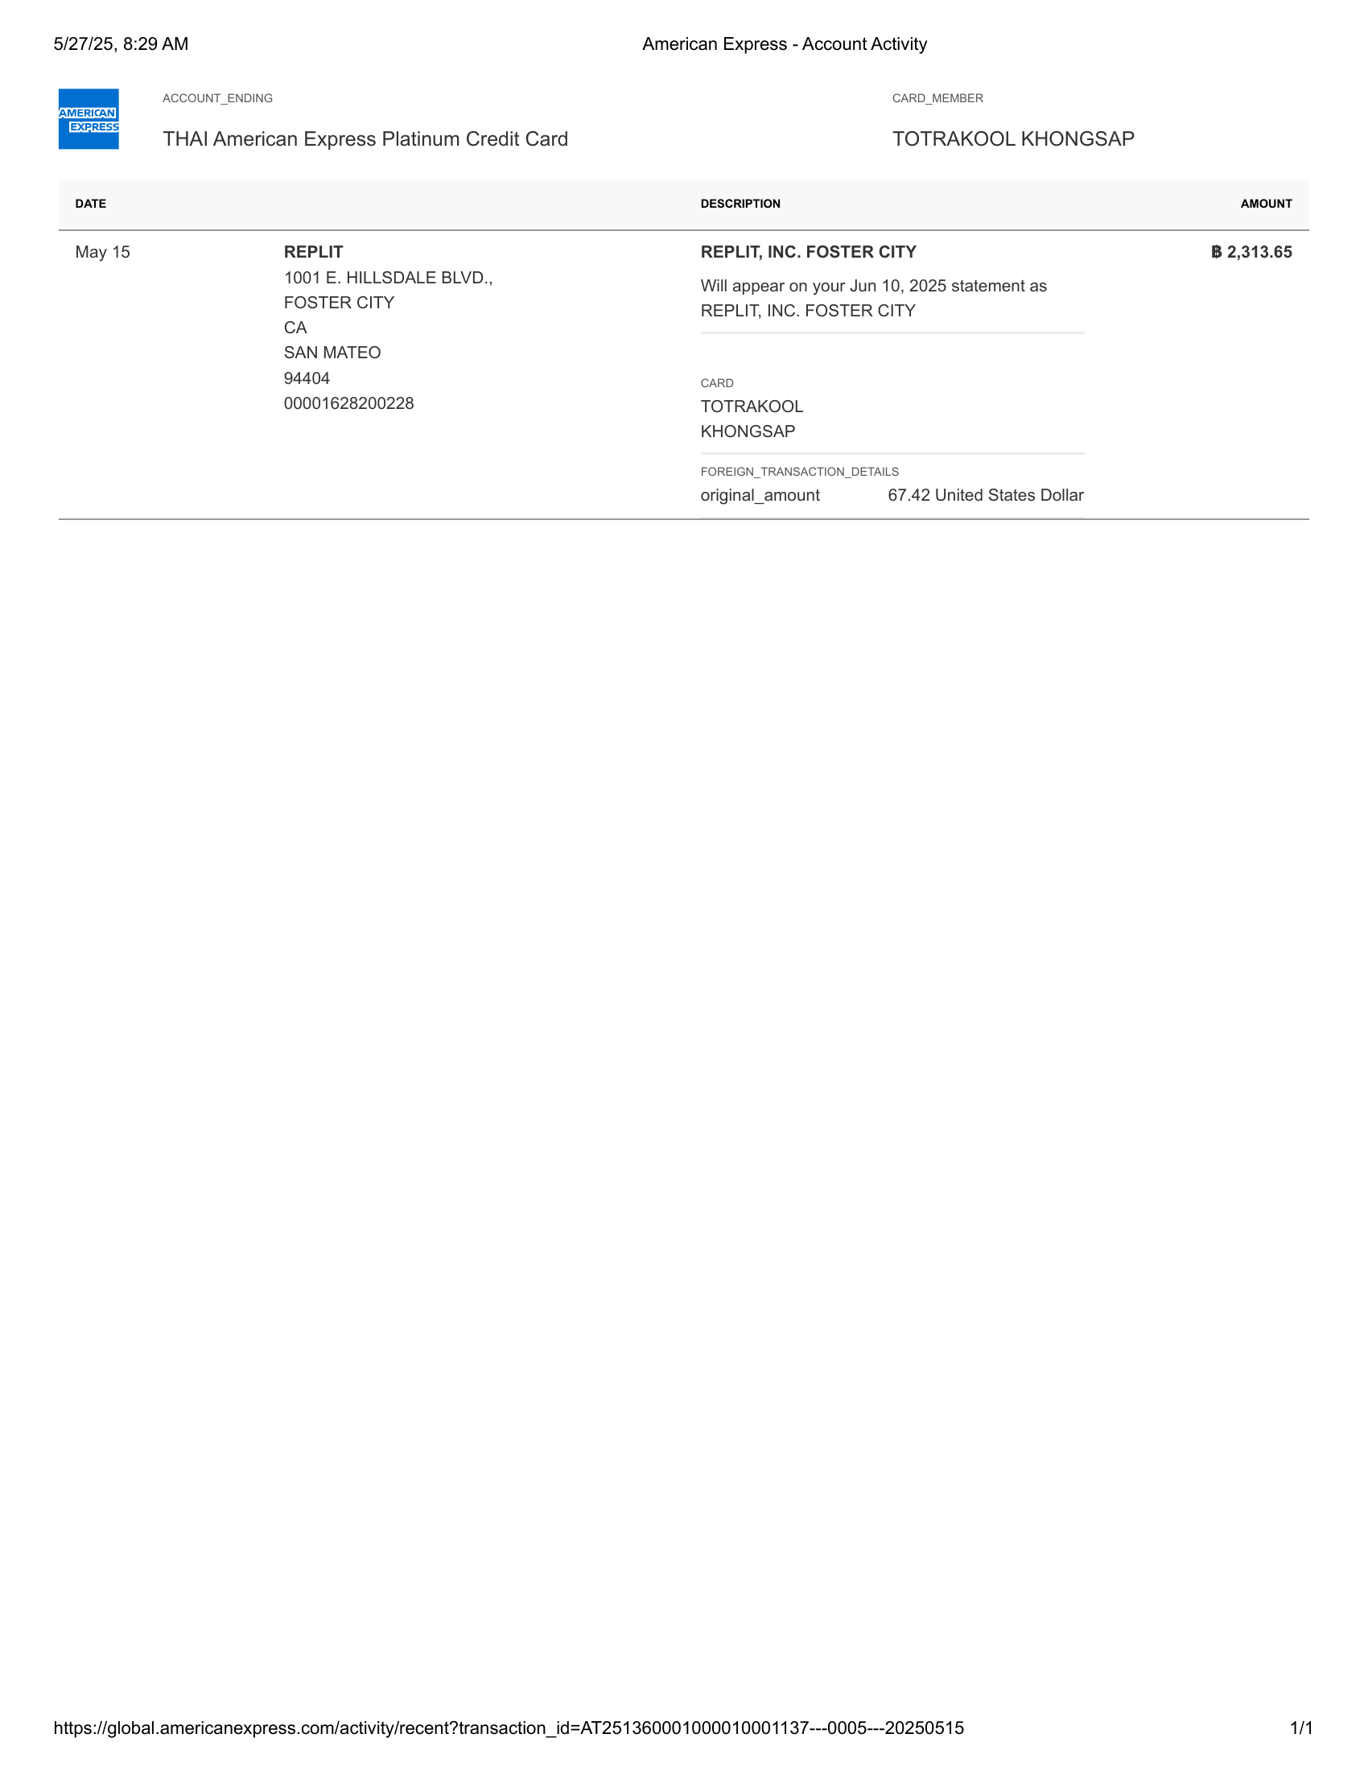

American Express - Account Activity-31 | American Express - Account Activity-32

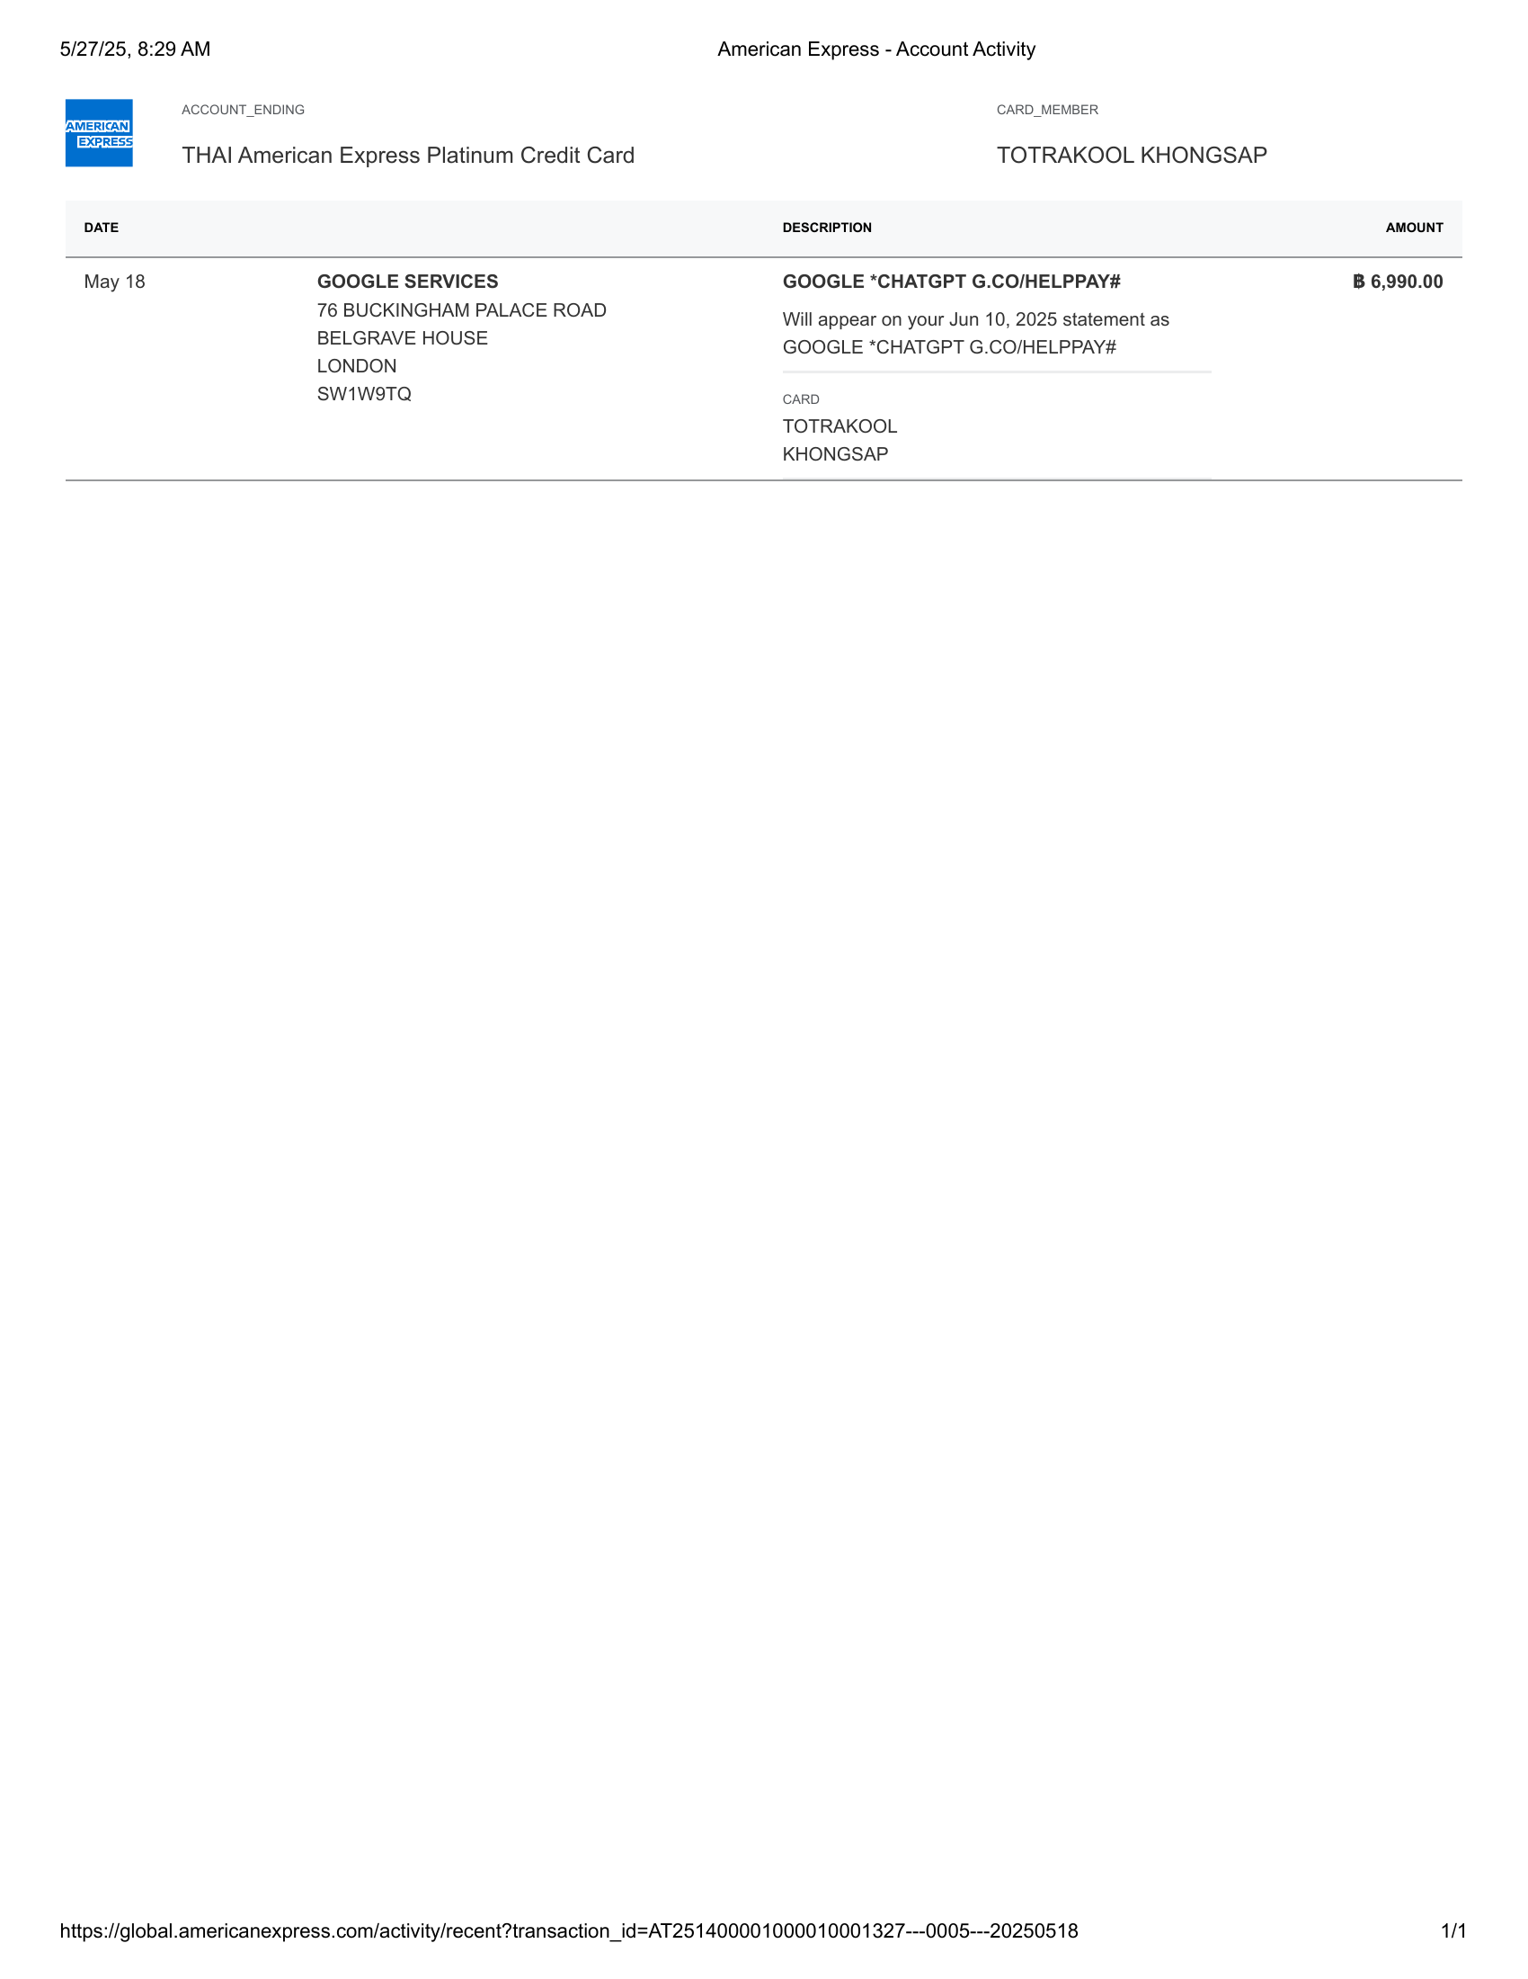 | 

American Express - Account Activity-33 | American Express - Account Activity-34

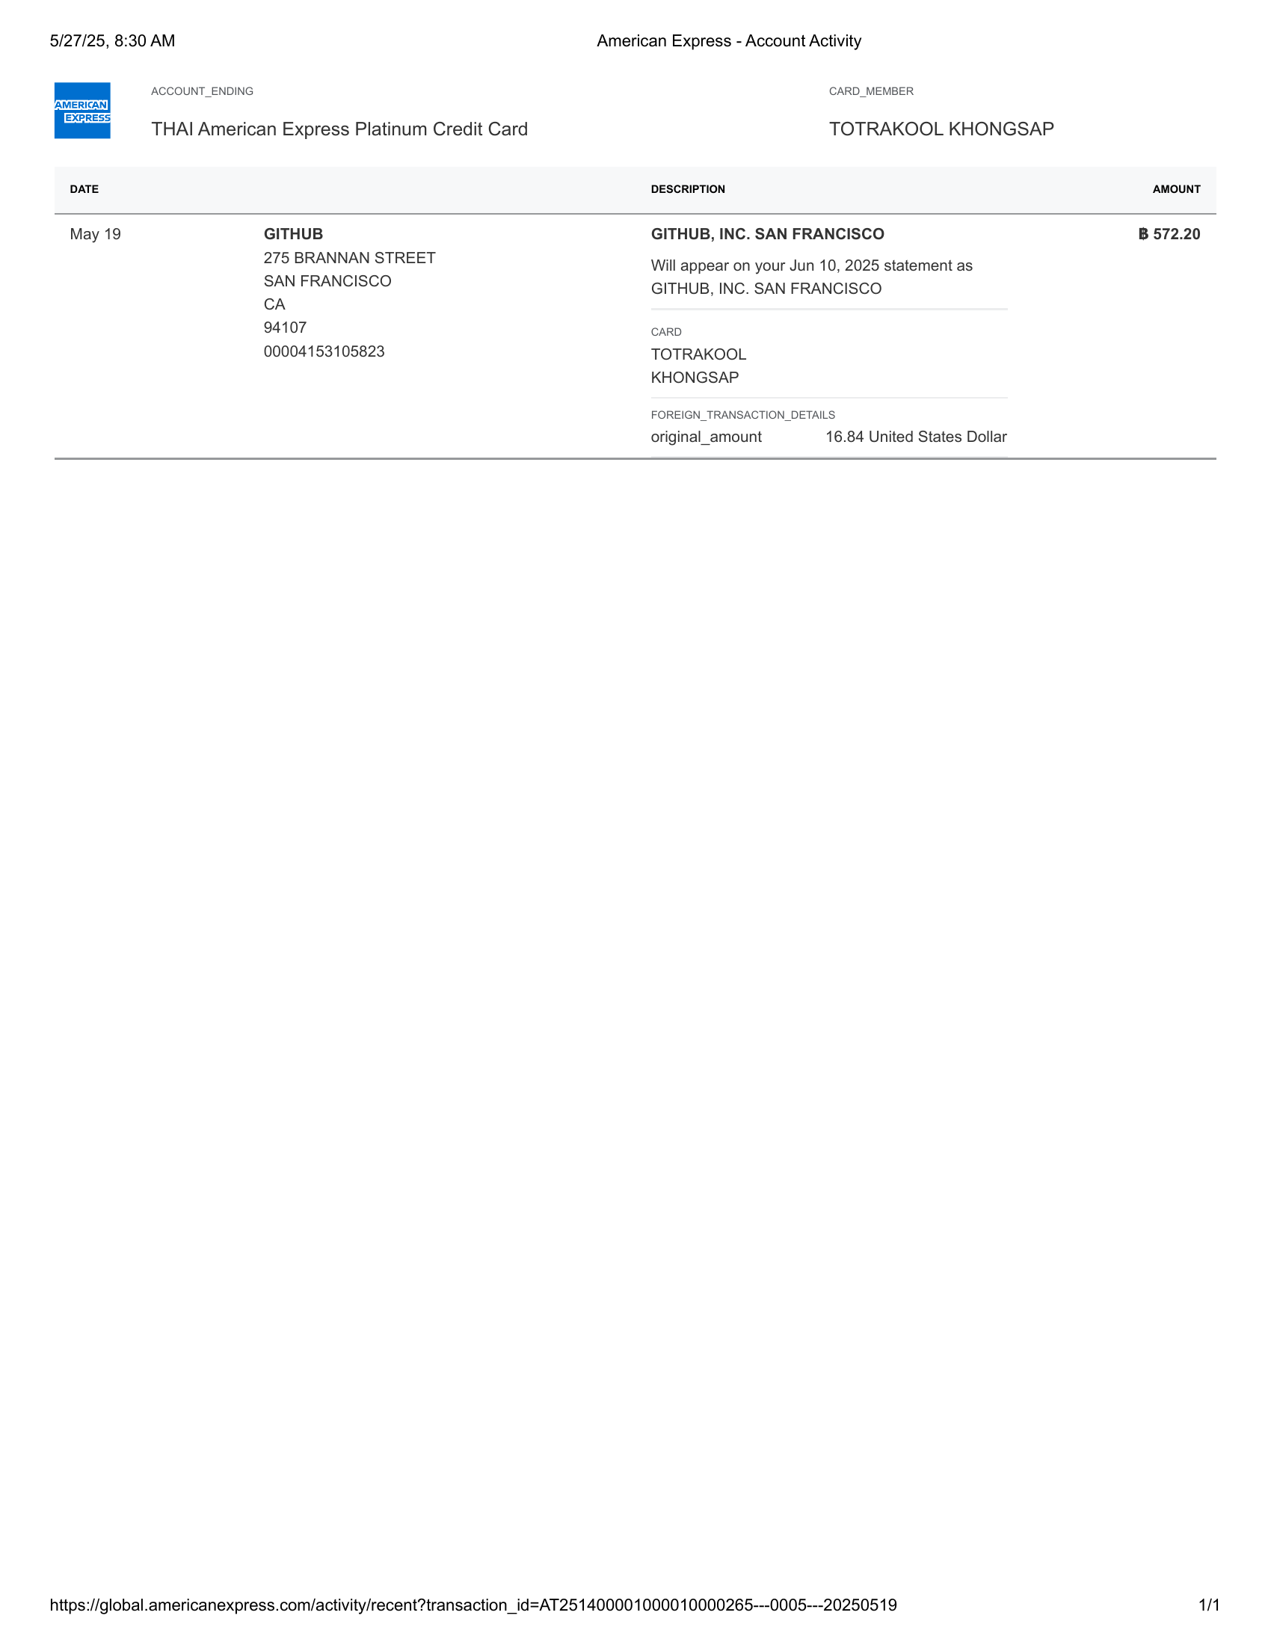 | 

American Express - Account Activity-35 | American Express - Account Activity-36

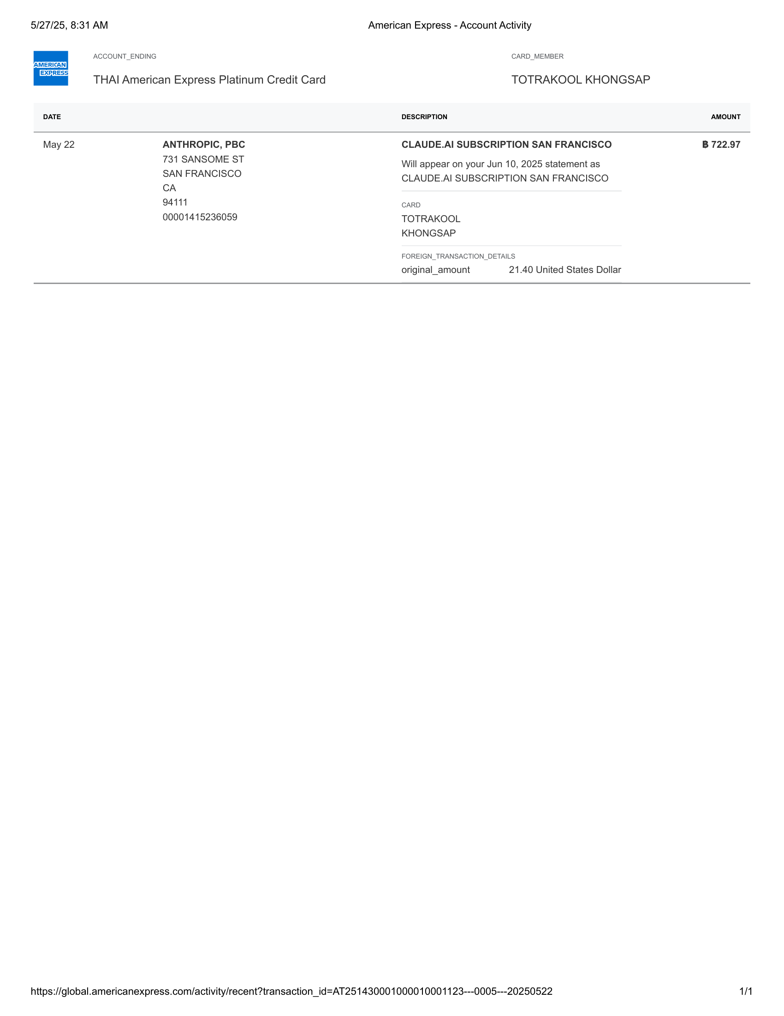 | 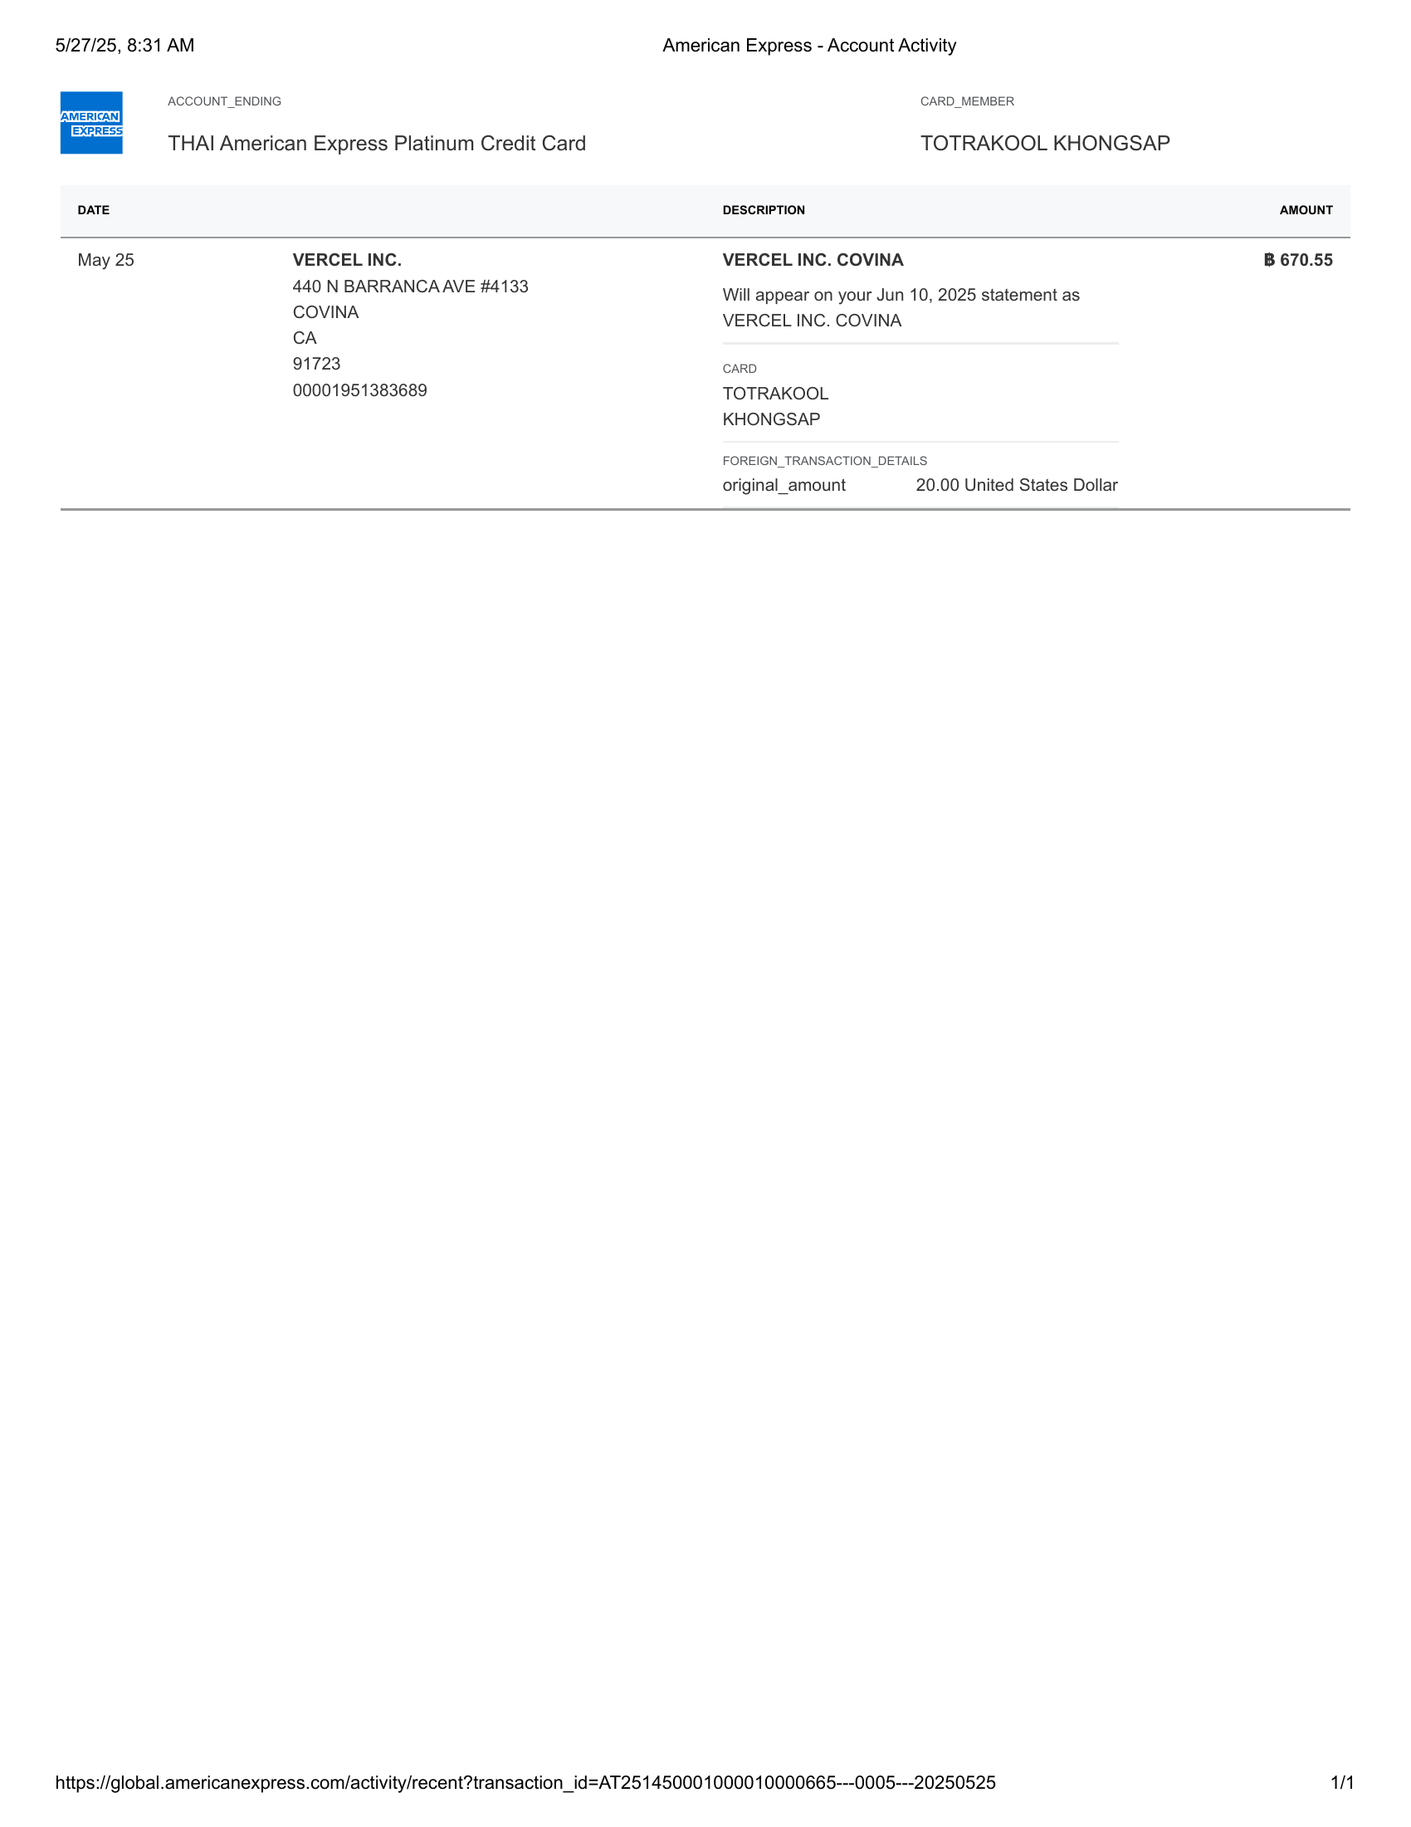

American Express - Account Activity-37 | American Express - Account Activity-38

