Sheet1
image | Unnamed: 0.1 | tar_NE | tar_GAIRCYL | num | file_name | signal_d | min_v | max_v | min_t | max_t | jpeg_path
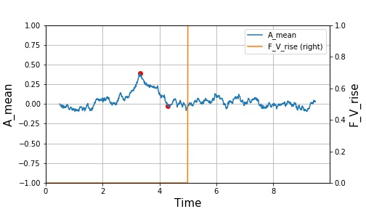 | 0 | 1000 | 0.1 | 1 | 0.csv | 0.40771002808 | 0.38669316336 | -0.02101686472 | 3.31 | 4.29 | output/1000_0.1_1.jpeg
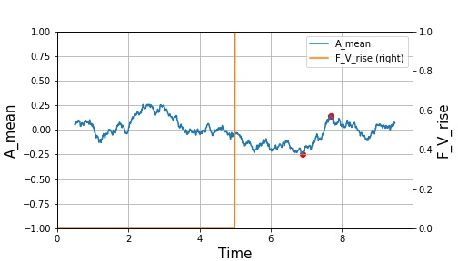 | 1 | 1000 | 0.15 | 1 | 1.csv | 0.39096320678 | -0.24630372932 | 0.14465947745 | 6.89 | 7.68 | output/1000_0.15_1.jpeg
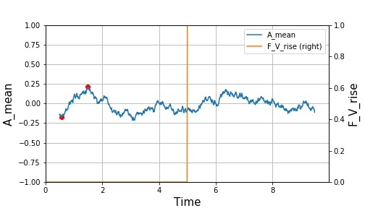 | 2 | 1000 | 0.2 | 2 | 2.csv | 0.38286334065 | -0.17248756715 | 0.21037577351 | 0.56 | 1.48 | output/1000_0.2_2.jpeg
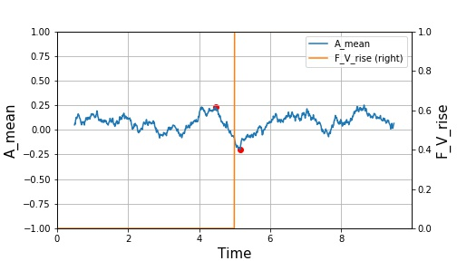 | 3 | 1000 | 0.25 | 2 | 3.csv | 0.4324934918 | 0.23118165225 | -0.20131183956 | 4.46 | 5.15 | output/1000_0.25_2.jpeg
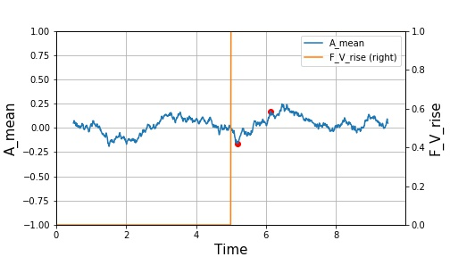 | 4 | 1000 | 0.3 | 3 | 4.csv | 0.33452010533 | -0.16220799816 | 0.17231210717 | 5.19 | 6.13 | output/1000_0.3_3.jpeg

