Theatre Outcomes by Launch Date
Parent Category | theater
Years | (All)

Count of outcomes | Column Labels
Row Labels | successful | failed | canceled | Grand Total
Jan | 56 | 33 | 7 | 96
Feb | 71 | 39 | 3 | 113
Mar | 56 | 33 | 3 | 92
Apr | 71 | 40 | 2 | 113
May | 111 | 52 | 3 | 166
Jun | 100 | 49 | 4 | 153
Jul | 87 | 50 | 1 | 138
Aug | 72 | 47 | 4 | 123
Sep | 59 | 34 | 4 | 97
Oct | 65 | 50 |  | 115
Nov | 54 | 31 | 3 | 88
Dec | 37 | 35 | 3 | 75
Grand Total | 839 | 493 | 37 | 1369
Theatre Outcomes Based on Launch Date
 | successful | failed | canceled
Jan | 56 | 33 | 7
Feb | 71 | 39 | 3
Mar | 56 | 33 | 3
Apr | 71 | 40 | 2
May | 111 | 52 | 3
Jun | 100 | 49 | 4
Jul | 87 | 50 | 1
Aug | 72 | 47 | 4
Sep | 59 | 34 | 4
Oct | 65 | 50
Nov | 54 | 31 | 3
Dec | 37 | 35 | 3

Box Plot Analysis
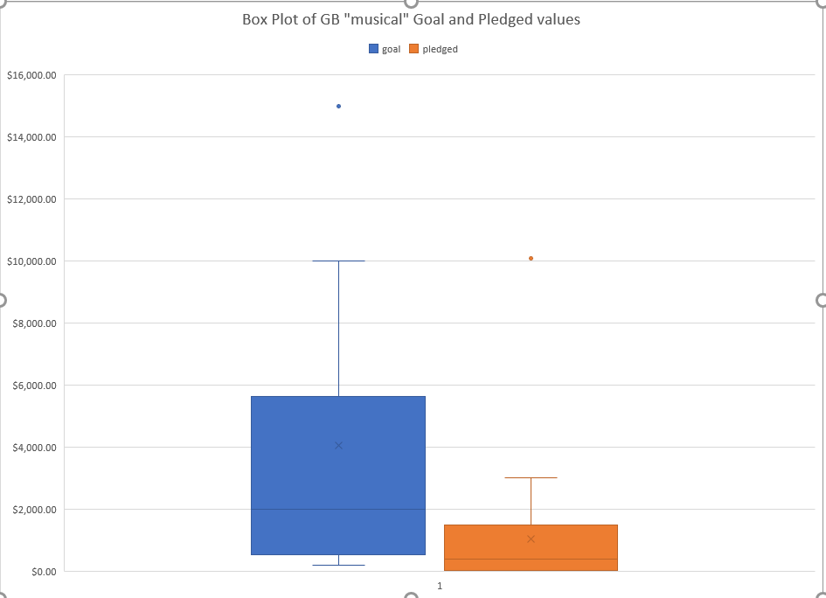

- The purpose of this box plot is determine if Louise should invest for a future project of musicals in Great Britain
- her budget is 4,000pounds

-in order to research whether its possible to raise 4,000pounds with musical project in GB, created box plots with both goal and pedged.

-based on these two plots, we see that mean campaign goal is 4,000pounds, which is higher than the range of outliers for aount pledged (1.5IQR from upper quartile is about 3,000pounds).

-Thus she should aim for a musical project less than 4,000pounds. For example, median of the campaign goal is 2,000pounds, which means half the campaigns are less than that. This value is just over the 3rd quartile for amounts pledged.

- Also note that Lower quartile of the pledged is equal to the X-axis. This means that 25% of campaign raised no funds

Outcomes Based on Launch Date
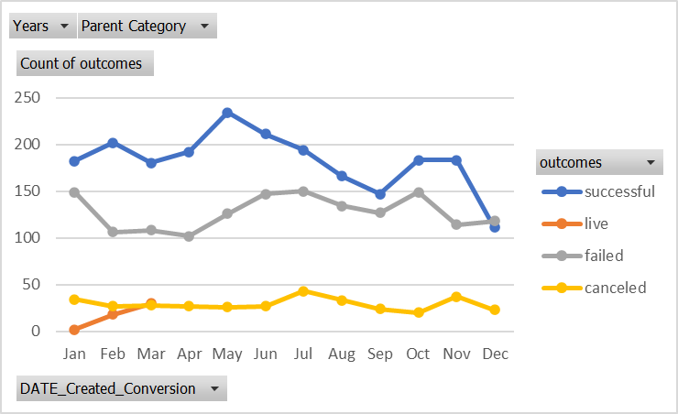
Years | (All)
Parent Category | theater

Count of outcomes | Column Labels
Row Labels | successful | live | failed | canceled | Grand Total
Jan | 56 | 2 | 33 | 7 | 98
Feb | 71 | 8 | 39 | 3 | 121
Mar | 56 | 14 | 33 | 3 | 106
Apr | 71 |  | 40 | 2 | 113
May | 111 |  | 52 | 3 | 166
Jun | 100 |  | 49 | 4 | 153
Jul | 87 |  | 50 | 1 | 138
Aug | 72 |  | 47 | 4 | 123
Sep | 59 |  | 34 | 4 | 97
Oct | 65 |  | 50 |  | 115
Nov | 54 |  | 31 | 3 | 88
Dec | 37 |  | 35 | 3 | 75
Grand Total | 839 | 24 | 493 | 37 | 1393
 | successful | live | failed | canceled
Jan | 56 | 2 | 33 | 7
Feb | 71 | 8 | 39 | 3
Mar | 56 | 14 | 33 | 3
Apr | 71 |  | 40 | 2
May | 111 |  | 52 | 3
Jun | 100 |  | 49 | 4
Jul | 87 |  | 50 | 1
Aug | 72 |  | 47 | 4
Sep | 59 |  | 34 | 4
Oct | 65 |  | 50
Nov | 54 |  | 31 | 3
Dec | 37 |  | 35 | 3

Subcategory Statistics
country | (All)
Parent Category | theater

Count of outcomes | Column Labels
Row Labels | failed | live | successful | Grand Total
plays | 353 | 19 | 694 | 1066
Grand Total | 353 | 19 | 694 | 1066

Category Statistics
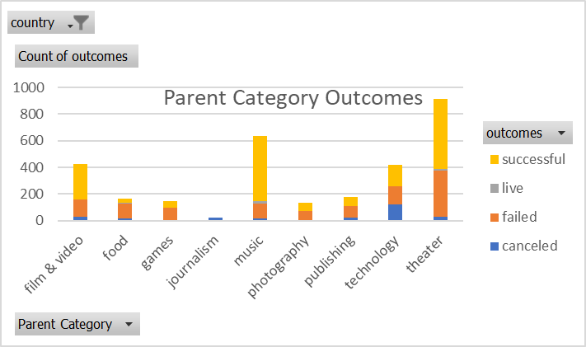
country | GB

Count of outcomes | Column Labels
Row Labels | canceled | failed | live | successful | Grand Total
film & video | 2 | 30 |  | 21 | 53
food | 1 | 8 | 1 |  | 10
games |  | 17 |  | 16 | 33
music | 1 | 7 | 1 | 25 | 34
photography |  | 27 |  | 18 | 45
publishing | 3 | 8 |  | 6 | 17
technology | 12 | 19 |  | 22 | 53
theater | 6 | 89 | 6 | 258 | 359
Grand Total | 25 | 205 | 8 | 366 | 604

Parent Category Outcomes
 | canceled | failed | live | successful
film & video | 2 | 30 |  | 21
food | 1 | 8 | 1
games |  | 17 |  | 16
music | 1 | 7 | 1 | 25
photography |  | 27 |  | 18
publishing | 3 | 8 |  | 6
technology | 12 | 19 |  | 22
theater | 6 | 89 | 6 | 258

