Read Me
Interpretation of Percentile
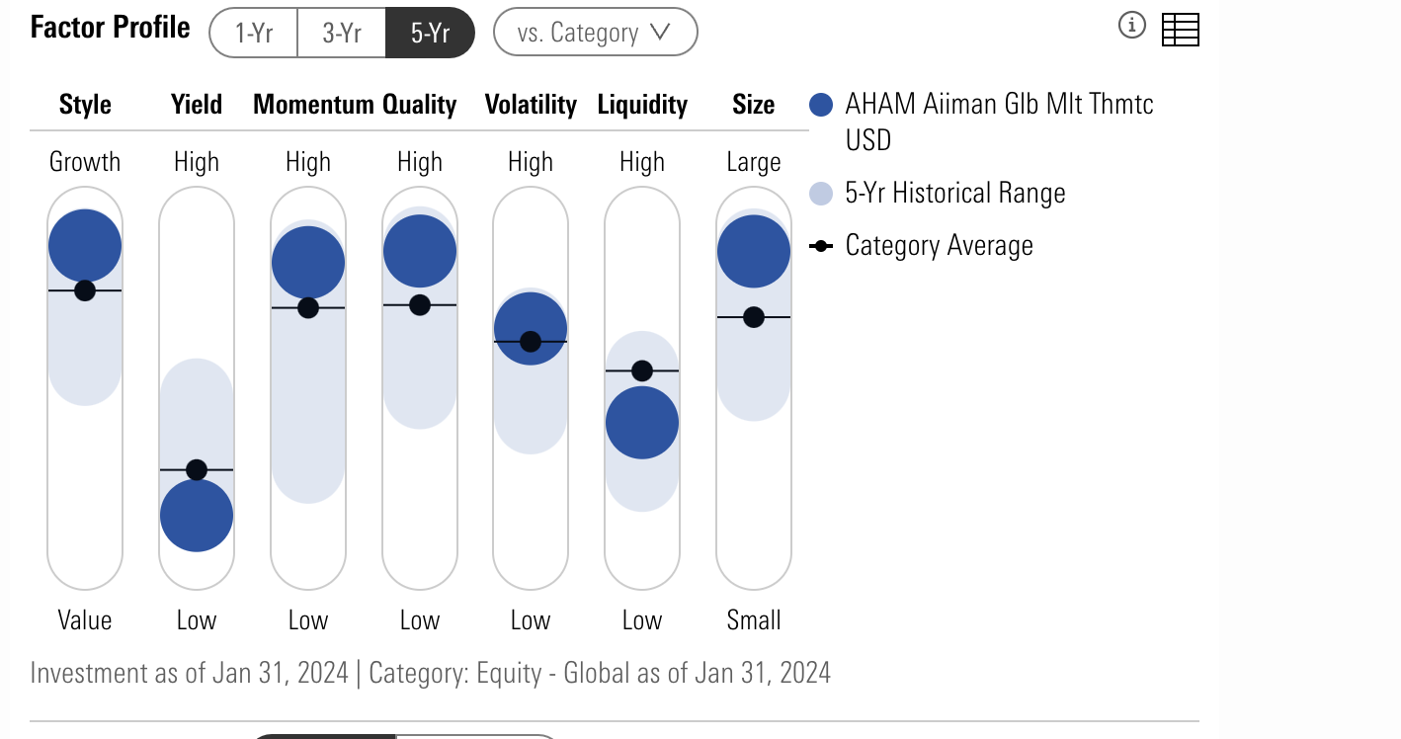

Source: Morningstar
1. The higher the percentille, the higher the specific factor of the fund
if the liquidity of the fund has higher percentile than the categoryAvg, then it is considered more liquid than the categoryAvg and vice versa

Missing Funds
1. the total number of funds collected in top holdings' sheet is different from that of the remaining sheets as some funds do not report their top holdings

Messy Data
1. The index column in the top holdings page is messy due to the inconsistent used of same company names by Morningstar team, please consider this before conducting cross-sectional analysis.
Ex: Affin Bank Berhad and Affin Bank Bhd is the same company but due to the inconsistent format reported by Morningstar, they are splitted into 2 rows
Solution: python regex library or fuzzy library combined with pandas library should help you get rid of this issue

Potential Data Error
1. The countries exposure of each fund should be summing up to 100%, but in fact, it is not the case for some funds.

