plate1
Well Position | Sample | Notes | Condition | Rep
A1 | resting_rep1 |  | resting | rep1
B1 | resting_rep1 |  | resting | rep1
C1 | resting_rep1 |  | resting | rep1
D1 | resting_rep1 |  | resting | rep1
E1 | resting_rep1 |  | resting | rep1
F1 | resting_rep1 |  | resting | rep1
G1 | resting_rep1 |  | resting | rep1
H1 | resting_rep1 |  | resting | rep1
A2 | resting_rep2 |  | resting | rep2
B2 | resting_rep2 |  | resting | rep2
C2 | resting_rep2 |  | resting | rep2
D2 | resting_rep2 |  | resting | rep2
E2 | resting_rep2 |  | resting | rep2
F2 | resting_rep2 |  | resting | rep2
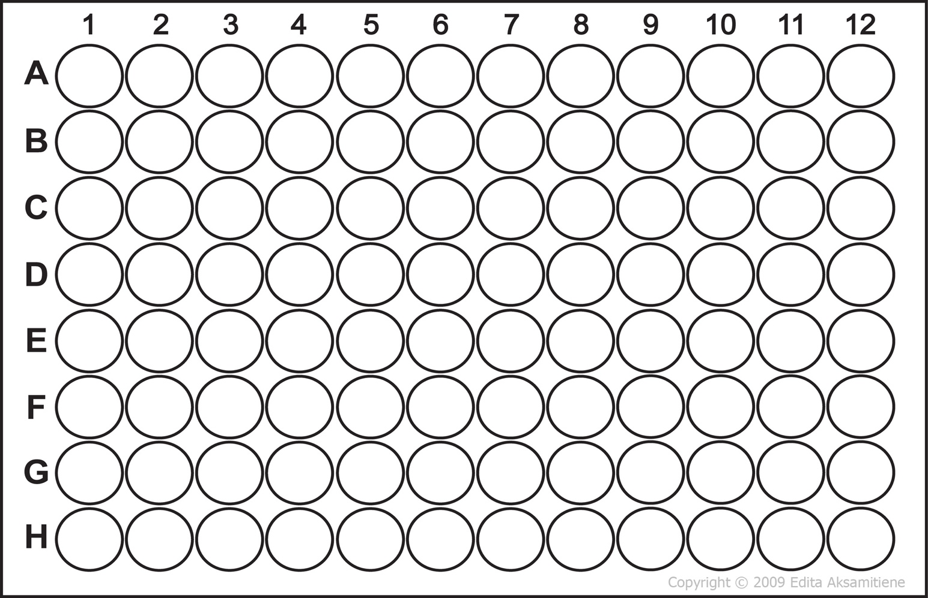
G2 | resting_rep2 |  | resting | rep2
H2 | resting_rep2 |  | resting | rep2
A3 | oxldl_rep1 |  | oxldl | rep1
B3 | oxldl_rep1 |  | oxldl | rep1
C3 | oxldl_rep1 |  | oxldl | rep1
D3 | oxldl_rep1 |  | oxldl | rep1
E3 | oxldl_rep1 |  | oxldl | rep1
F3 | oxldl_rep1 |  | oxldl | rep1
G3 | oxldl_rep1 |  | oxldl | rep1
H3 | oxldl_rep1 |  | oxldl | rep1
A4 | oxldl_rep2 |  | oxldl | rep2
B4 | oxldl_rep2 |  | oxldl | rep2
C4 | oxldl_rep2 |  | oxldl | rep2
D4 | oxldl_rep2 |  | oxldl | rep2
E4 | oxldl_rep2 |  | oxldl | rep2
F4 | oxldl_rep2 |  | oxldl | rep2
G4 | oxldl_rep2 |  | oxldl | rep2
H4 | oxldl_rep2 |  | oxldl | rep2
A5 | resting_rep1 |  | resting | rep1
B5 | resting_rep1 |  | resting | rep1
C5 | resting_rep1 |  | resting | rep1
D5 | resting_rep1 |  | resting | rep1
E5 | resting_rep1 |  | resting | rep1
F5 | resting_rep1 |  | resting | rep1
G5 | resting_rep1 |  | resting | rep1
H5 | resting_rep1 |  | resting | rep1
A6 | resting_rep2 |  | resting | rep2
B6 | resting_rep2 |  | resting | rep2
C6 | resting_rep2 |  | resting | rep2
D6 | resting_rep2 |  | resting | rep2
E6 | resting_rep2 |  | resting | rep2
F6 | resting_rep2 |  | resting | rep2
G6 | resting_rep2 |  | resting | rep2
H6 | resting_rep2 |  | resting | rep2
A7 | oxldl_rep1 |  | oxldl | rep1
B7 | oxldl_rep1 |  | oxldl | rep1
C7 | oxldl_rep1 |  | oxldl | rep1
D7 | oxldl_rep1 |  | oxldl | rep1
E7 | oxldl_rep1 |  | oxldl | rep1
F7 | oxldl_rep1 |  | oxldl | rep1
G7 | oxldl_rep1 |  | oxldl | rep1
H7 | oxldl_rep1 |  | oxldl | rep1
A8 | oxldl_rep2 |  | oxldl | rep2
B8 | oxldl_rep2 |  | oxldl | rep2
C8 | oxldl_rep2 |  | oxldl | rep2
D8 | oxldl_rep2 |  | oxldl | rep2
E8 | oxldl_rep2 |  | oxldl | rep2
F8 | oxldl_rep2 |  | oxldl | rep2
G8 | oxldl_rep2 |  | oxldl | rep2
H8 | oxldl_rep2 |  | oxldl | rep2
A9 | resting_rep1 |  | resting | rep1
B9 | resting_rep1 |  | resting | rep1
C9 | resting_rep1 |  | resting | rep1
D9 | resting_rep1 |  | resting | rep1
E9 | resting_rep1 |  | resting | rep1
F9 | resting_rep1 |  | resting | rep1
G9 | resting_rep1 |  | resting | rep1
H9 | resting_rep1 |  | resting | rep1
A10 | resting_rep2 |  | resting | rep2
B10 | resting_rep2 |  | resting | rep2
C10 | resting_rep2 |  | resting | rep2
D10 | resting_rep2 |  | resting | rep2
E10 | resting_rep2 |  | resting | rep2
F10 | resting_rep2 |  | resting | rep2
G10 | resting_rep2 |  | resting | rep2
H10 | resting_rep2 |  | resting | rep2
A11 | oxldl_rep1 |  | oxldl | rep1
B11 | oxldl_rep1 |  | oxldl | rep1
C11 | oxldl_rep1 |  | oxldl | rep1
D11 | oxldl_rep1 |  | oxldl | rep1
E11 | oxldl_rep1 |  | oxldl | rep1
F11 | oxldl_rep1 |  | oxldl | rep1
G11 | oxldl_rep1 |  | oxldl | rep1
H11 | oxldl_rep1 |  | oxldl | rep1
A12 | oxldl_rep2 |  | oxldl | rep2
B12 | oxldl_rep2 |  | oxldl | rep2
C12 | oxldl_rep2 |  | oxldl | rep2
D12 | oxldl_rep2 |  | oxldl | rep2
E12 | oxldl_rep2 |  | oxldl | rep2
F12 | oxldl_rep2 |  | oxldl | rep2
G12 | oxldl_rep2 |  | oxldl | rep2
H12 | oxldl_rep2 |  | oxldl | rep2

