images1
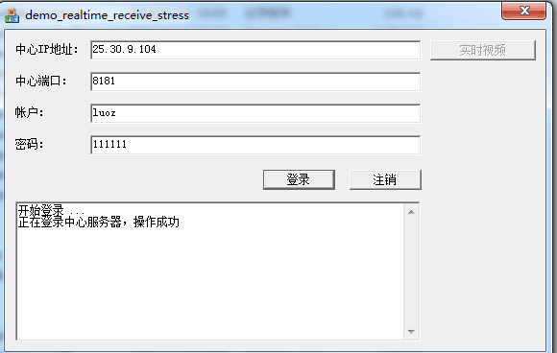
Insert an image in a cell:

Insert a scaled image:

