Sheet1
주제 | 데이터 셋 | 분석 목적 | 분석 목표 | 분석 주제 예시
부상 데이터 | https://bit.ly/3QdvX6f | 데이터 분류 | 고객 분류 데이터 계산을 이용한 데이터 간의 상관관계 파악 | •낮-밤 다치는 비율의 차이가 가장 적은 부위는?
 |  |  |  | •연령별로 가장 많이 다치는 부상은 무엇인가?
 |  |  |  | •성별-연령-시간대를 전부 고려해 가장 부상이 많이 발생하는 경우는 무엇인가?
 |  |  |  | •나이와 부상은 연관이 있는가?

데이터셋 1번
- 시각화 구현을 우선으로
o 예시가 나와있어서 이렇게 하는게 더 나은 결과가 나을수도
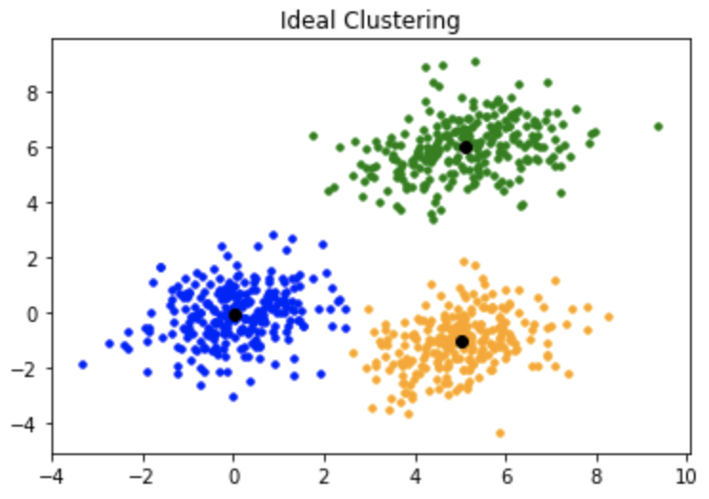
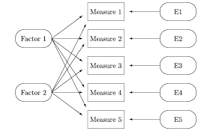
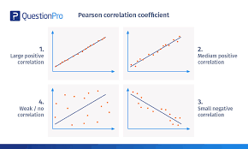
- 국내 데이터셋이 있으면 더 좋고

프로젝트 계획서는 수정해도 ㄱㅊ

여기에 있는 데이터는 해외쪽 같음
국내와의 차이가 존재하는가?
있다면 어떤점이 다른가?

그림예시 |  |  | 분석 방법
1. 차원 | 남녀,나이에 따른 질병 분류 |  | 거리차이 | K-means / DT / Logistic / SVM / Clustering / DBC | seaborn같은 lib사용하면 구현 가능
2. 그래프 | 차이가 있는가? |  | FA |  | scikit learn과 같은 lib사용하면 구현 가능
3.추가그래프 | 국내와 해외의 차이? |  | FA
4. 도표 | 질병간 상관 |  | CORR

