Table 1
How To Upload New Hire Certificates of Completion In Review 360
This guide provides a straightforward method for downloading certificates from Review 360, making it easy for team leaders and managers to recognize employee achievements. By following the concise steps, users can efficiently navigate the platform without confusion. This SOP provides shortcut links directly to the pages. Note - To execute this SOP you must have an account set up in Articulate 360. (https://www.articulate.com/)
 1 Navigate to https://360.articulate.com/?utm_source=acctman&utm_medium=e mail&utm_campaign=purchase-TEAM
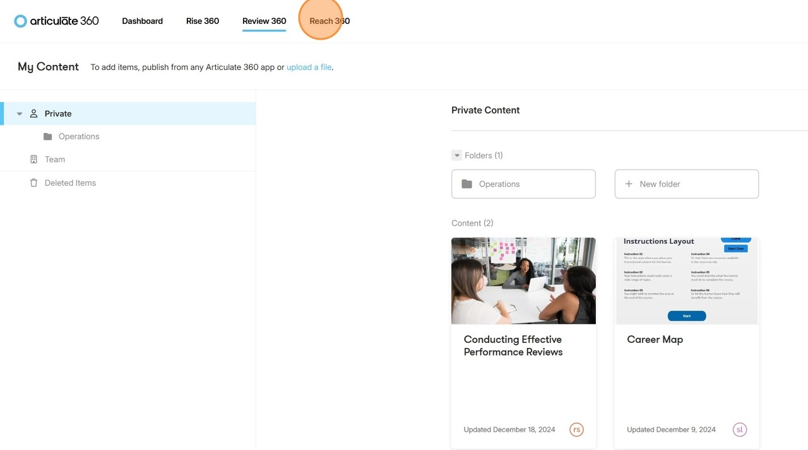 2 Click "Reach 360" or click onhttps://gsl-electric-8474.reach360.com/manage/courses/team-content
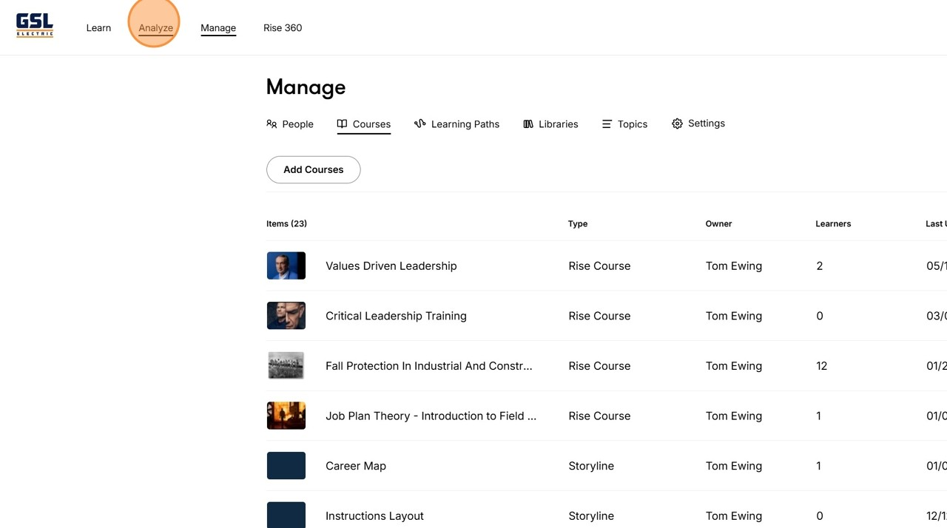 3 Click "Analyze" or click on https://gsl-electric-8474.reach360.com/analyze/activity?p=1&since=7
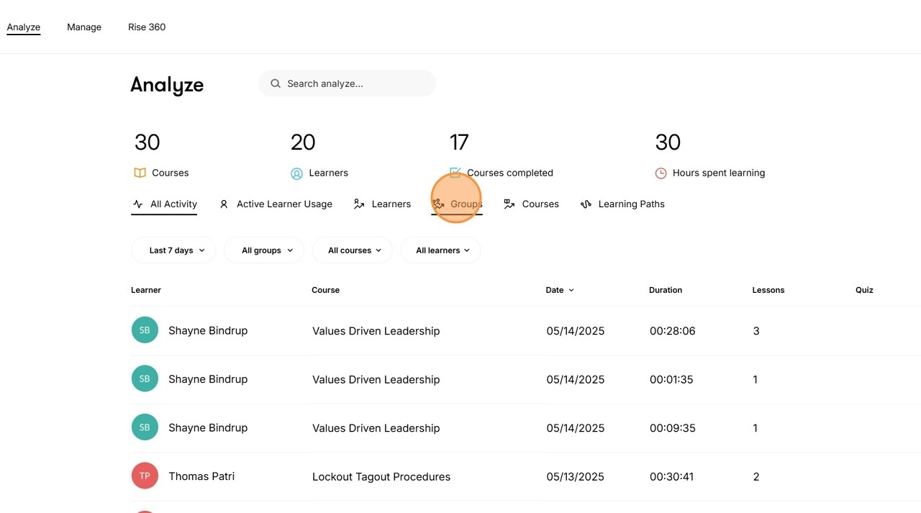 4 Click "Groups" or click on https://gsl-electric-8474.reach360.com/analyze/groups
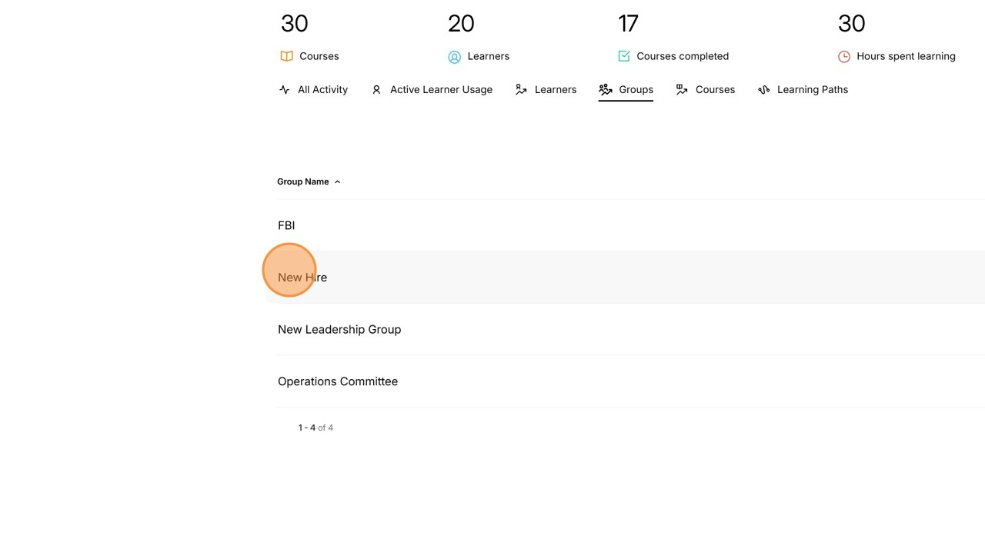 5 Click "New Hire" or click on https://gsl-electric-8474.reach360.com/analyze/grou ps/5608f1d0-07f7-44d8-a6ff-59b9a0375a84/learners
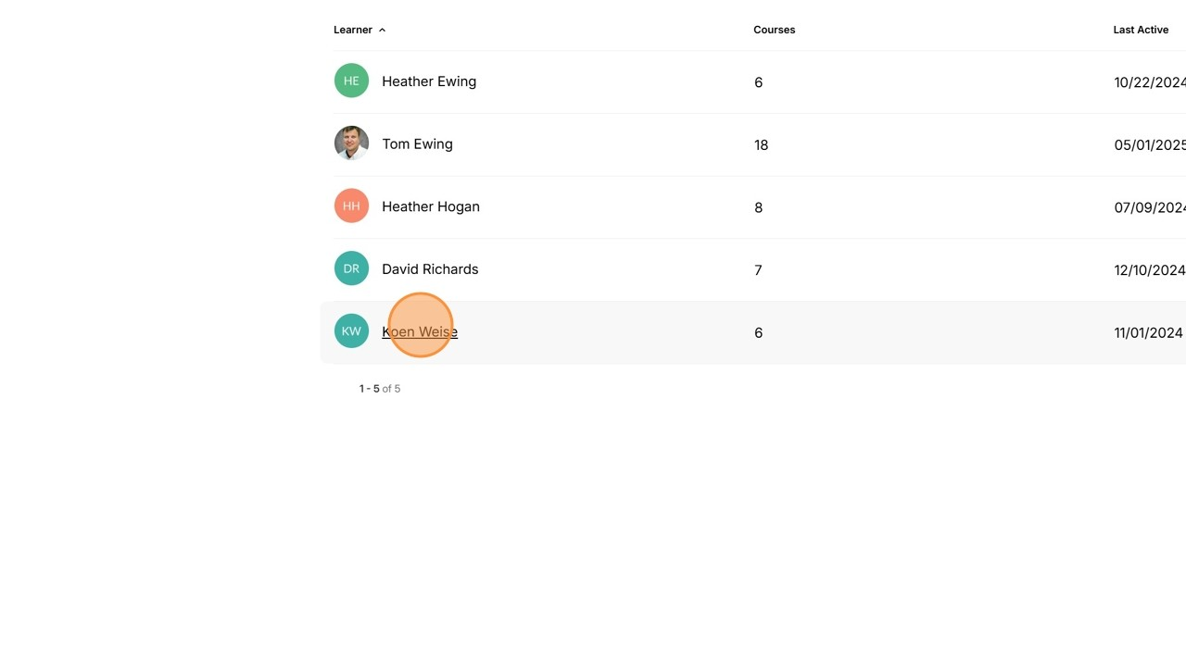 6 Click on the Employee's Name
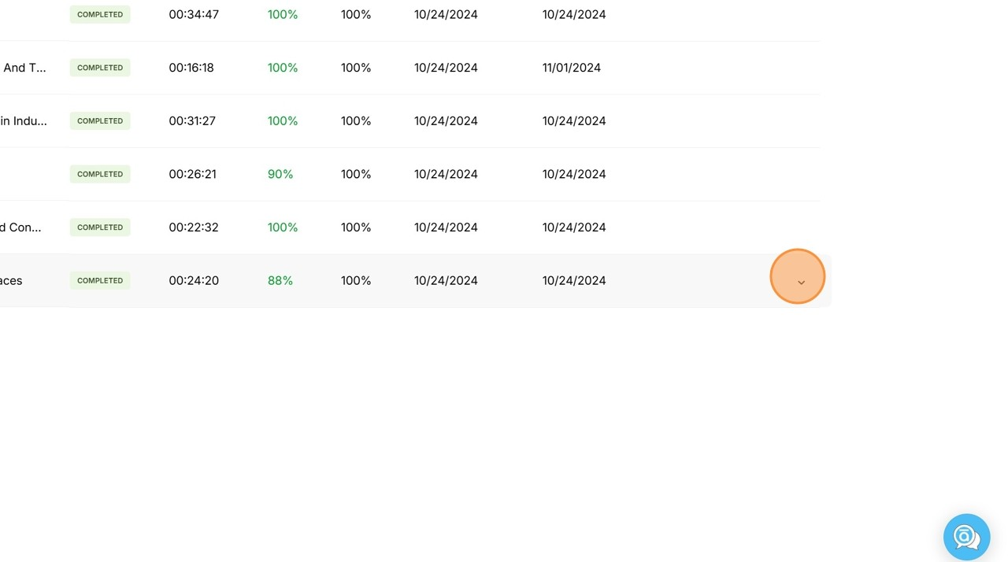 7 You will see the employees assigned courses, their status, and testing scores. Click the "Drop-Down Arrow" icon of a competed course.
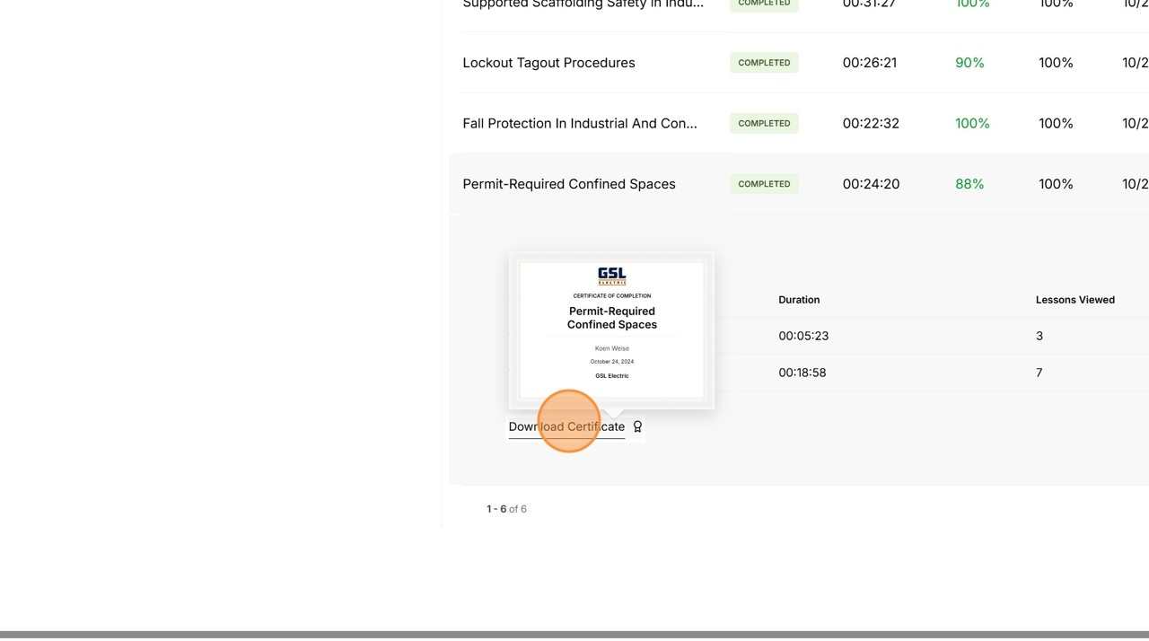 8 Click "Download Certificate"

