Blad1
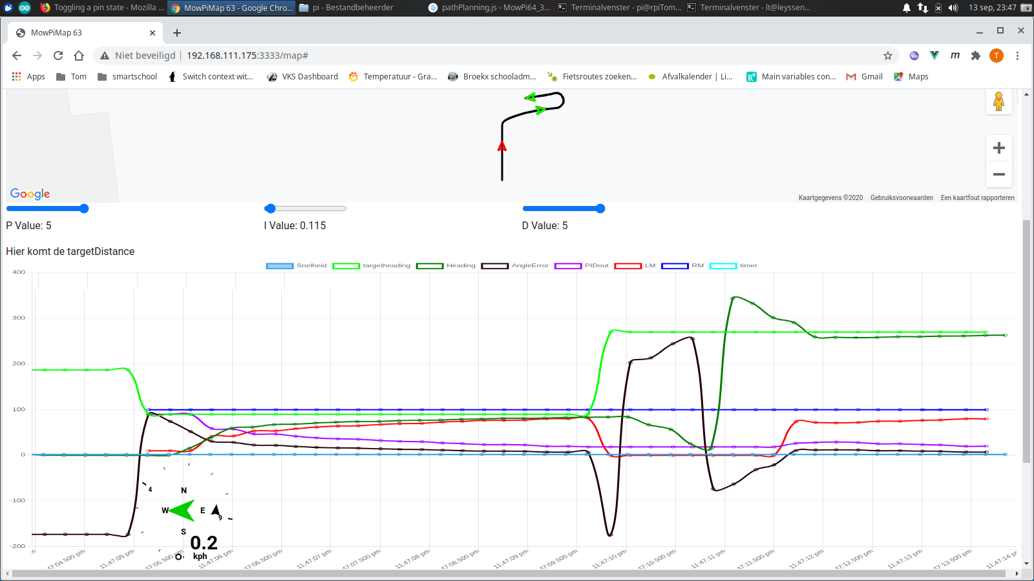
targetHeading | heading | angleError | correction | LM | RM
90 | 0 | 90 | 90
90 | 0 | 70 | 90
90 |  | 50 | 90
90 |  | 30
90 |  | 30
90 |  | 25
90 |  | 25
90
90
90
90
90
90
90
90
90
90
90
90

Blad2
Berekeningnen uit AGOpengps |  |  |  |  |  |  |  | te berekenen
 | doel | goalPointAB | northing | 544.031348 | meter |  | calc "D" the distance from pivot axle to lookahead point | goalPointDistanceDSquared | 7.07949208484 | 2.6607314943
 |  | goalPointAB | easting | 32.000000 |  |  |  | localheading | 0.078206142789 | 4.4808819138 |  | localHeading = constants.twoPI - this.mf.fixHeading + this.inty;
 | scharnier | pivot | northing | 541.383348 | meter |  |  | ppradiusAB | -67.686019858
 |  |  | easting | 32.259970 | meter |  |  | steerAngleAB | -0.041391092041 | -2.3715348834
 |  |  |  |  |  |  |  |  | -0.041367478925
 |  | fixheading |  | 6.225137390515 | 356.67409937 | 361.15498128
 |  | inty |  | 0.020158226124 |  |  |  | formules kloppen met agopengps
 |  | wheelbase |  | 2.8 |  |  | ppradiusAB = |  | 100 | ms | stond op 200ms
 |  |  |  |  |  |  | goalPointDistanceDSquared / |  | 10 | Hz
 |  |  |  |  |  |  | (2 *
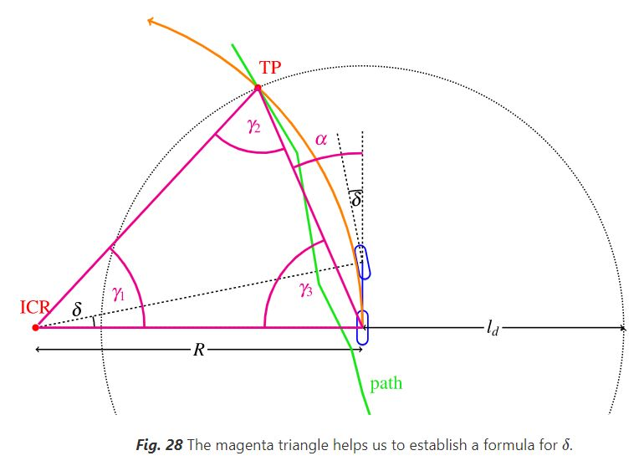
 |  |  |  |  |  |  | ((this.goalPointAB.easting - pivot.easting) * Math.cos(localHeading) +
 |  |  |  |  |  |  | (this.goalPointAB.northing - pivot.northing) * |  | 0.9 | km/u
 |  |  |  |  |  |  | Math.sin(localHeading))); |  | 0.25 | m/s
 |  |  |  |  |  |  | -0.052296560646
 |  |  |  |  |  |  | steerAngleAB = (rad) |  | 3
 |  |  |  |  |  |  | Math.atan(
 |  |  |  |  |  |  | (2 *
 |  |  |  |  |  |  | ((this.goalPointAB.easting - pivot.easting) * Math.cos(localHeading) + |  |  | minimumTurnRadius
 |  |  |  |  |  |  | (this.goalPointAB.northing - pivot.northing) *
 |  |  |  |  |  |  | Math.sin(localHeading)) *
 |  |  |  |  |  |  | this.mf.vehicle.wheelbase) /
 |  |  |  |  |  |  | goalPointDistanceDSquared
 |  |  |  |  |  |  | ) |  | inty positief => eerste bocht wijder

 |  |  |  |  |  |  | 2596.888
 |  |  |  |  |  |  | 259.6888 |  | 1.8
 |  |  | R= | Ld | -22.931282329 | #DIV/0! |  | 1 | 0.95
 |  |  |  | (2 sin(alpha)) |  |  |  |  | 1.71

 |  |  |  |  |  |  | 90 | 1.5621675129
 | If you have an angle (A), in radians, in the range -Pi to Pi, then convert it to a vector (V) with: |  |  |  |  |  |  | 1.5707

 | V.x = cos(A)
 | V.y = sin(A)

 | The inverse is A = atan2(V.y, V.x)

