Sheet1
B:11 | A:6 | B:24 | - | - | B:50 | - | B:47 | B:43 | B:41 | SPL:1
B:12 | A:5 | B:5 | B:42 | B:48 | SPL:1 | SPL:2 | B:49 | SPL:2 | SPL:1 | B:51
- | SPL:1(1:6) | B:25 | SPL:3 | SPL:1 | B:29 | B:46 | SPL:4 | - | - | B:18
- | SPL2(1:2 | B:6 | B:20 | B:30 | B:28 | B:44 | B:16 | B:34 |  | SPL:5
B:2 | C:2 | SPL:3 | B:21 | B:17 | B:10 | B:15 | B:33 | B:14
B:1 | C:4 | B:21 | B:23 | SPL:5 | SPL:4 | SPL:4 | B:52 | SPL:4
- | - |  | B:22 |  | - |  | B:31 | B:45
B:40 | - |  |  |  |  |  | SPL:1
B:27 | - |  |  |  |  |  | B:53
B:26 | F:5 |  |  |  |  |  | SPL:1
- | A:1
- | A:2
- | -
- | I:5
 | G:5
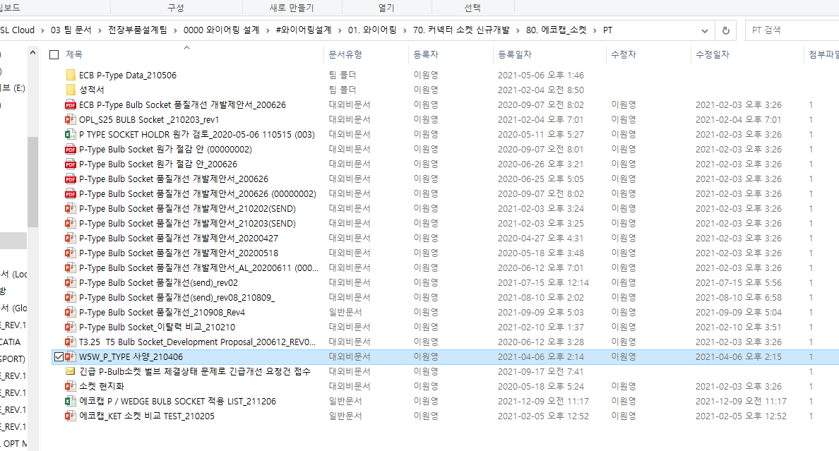
 | H:4
 | E:5
 | K:3
 | SPL:3(1:2)
 | D:4 |  |  |  |  |  |  | 달달연유라떼
 | D:5 |  |  |  |  |  |  | 아이스밀크티
 | D:7 |  |  |  |  |  |  | 딸기스무디
 | D:6
 | C:1
 | C:3
 | A:10
 | A:9
 | F:4
 | F:3
 | E:4
 | H:7
 | SPL:4(1:5)
 | H:5
 | I:4
 | -
 | -
 | -
 | -
 | -
 | A:8
 | J:1 |  |  |  |  |  |  | 딸기에이드 1L
 | D:2
 | I:1
 | G:4
 | I:7
 | G:3
 | H:1 |  |  |  |  |  |  |  |  |  |  | AESSXF AESSXF AESSXF AESSXF AESSXF AESSXF AESSXF AESSXF AESSXF AESSXF AESSXF AESSXF AESSXF AESSXF AESSXF AESSXF AESSXF AESSXF AESSXF
 | E:2 |  |  |  |  |  |  |  |  |  |  | 10 20 30 40 50 60 70 80 90 100 10 20 30 40 50 60 70 80 90
 | H:2
 | F:1
 | K:2 |  |  |  |  |  |  |  |  |  |  | ★★★★self.spl_dic★★★★
 | H:6 |  |  |  |  |  |  |  |  |  |  | {'SPL:1': ['C:16', 'E:3', 'E:13'], 'SPL:2': ['C:17', 'E:2', 'E:8'], 'SPL:3': ['C:18', 'D:14', 'E:7'], 'SPL:4': ['C:19', 'D:4', 'D:13'], 'SPL:5': ['C:20', 'D:3', 'D:8'], 'SPL:6': ['A:14', 'E:18', 'M:1']}
 | H:9
 |  |  |  |  |  |  |  |  |  |  |  | ★★★★self.cc_d_attribute_set_dict★★★★
 |  |  |  |  |  |  |  |  |  |  |  | {'A': ['C:0.3', 'D:0.3', 'E:0.3', 'H:0.3', 'I:0.3', 'K:0.3'], 'B': ['D:0.3', 'F:0.3', 'H:0.3', 'I:0.3'], 'C': ['E:0.3', 'H:0.3', 'I:0.3'], 'D': ['D:0.3', 'E:0.3', 'H:0.3'], 'E': ['E:0.3', 'H:0.3'], 'H': ['I:0.3']}

 |  |  |  |  |  |  |  |  |  |  |  | ★★★★self.all_length_dict★★★★
 |  |  |  |  |  |  |  |  |  |  |  | {'A': ['10', '20', '30', '40', '50', '60'], 'B': ['70', '80', '90', '100'], 'C': ['10', '20', '30'], 'D': ['40', '50', '60'], 'E': ['70', '80'], 'H': ['90']}

 |  |  |  |  |  |  |  |  |  |  |  | 1. 주선 핀 고르기
 |  |  |  |  |  |  |  |  |  |  | self.spl_m_c _i_d = | {'SPL:1':[1,2], 'SPL:2':[2,3],'SPL:3':[1,2],..}
 |  |  |  |  |  |  |  |  |  |  | self.spl_m_c_d

main
A_C | A_D | A | A_F | B_C | B_D | B | B_F | C_C | C_D | C | C_F | D_C | D_D | D | D_F | E_C | E_D | E | E_F | F_C | F_D | F | F_F | G_C | G_D | G | G_F | H_C | H_D | H | H_F | I_C | I_D | I | I_F | J_C | J_D | J | J_F | K_C | K_D | K | K_F | L_C | L_D | L | L_F | M_C | M_D | M | M_F | N_C | N_D | N | N_F | O_C | O_D | O | O_F | P_C | P_D | P | P_F | Q_C | Q_D | Q | Q_F | R_C | R_D | R | R_F | S_C | S_D | S | S_F | T_C | T_D | T | T_F
 |  |  |  | BK | 1.5 | SPL:1 | GND | BK | 0.35 | B:12 |  | BK | 0.35 | B:6 | LB LED+ | BK | 0.35 | A:4 | LB BIN | BK | 0.35 | SPL:4 | LB/HB LED- | BK | 0.35 | SPL:4 | LB/HB LED- | BK | 0.35 | A:8 | HB BIN
BK | 1.5 | SPL:1 | GND | BK | 1.5 | SPL:1 | GND | BK | 0.35 | B:8 |  | BK | 0.35 | SPL:4 | LB/HB LED- | BK | 0.35 | SPL:3 | SIG GND | BK | 0.35 | D:3 |  | BK | 0.35 | SPL:4 | LB/HB LED- | BK | 0.35 | SPL:3 | SIG GND
BK | 1.5 | SPL:2 | BAT+ | BK | 1.5 | SPL:2 | BAT+ | BK | 0.35 | B:21 |  | BK | 0.35 | B:3 | LB NTC | BK | 0.35 | A:3 | LB NTC | BK | 0.35 | B:5 |  | BK | 0.35 | C:2 |  | BK | 0.35 | A:7 | HB NTC
BK | 0.35 | B:32 | LOW+ | BK | 1.5 | SPL:2 | BAT+ | BK | 0.35 | B:13 |  | BK | 0.35 | B:1 | LB BIN | BK | 0.35 | SPL:4 | LB/HB LED- |  |  |  |  |  |  |  |  | BK | 0.35 | SPL:4 | LB/HB LED-
BK | 0.35 | B:31 | HIGH+ | BK | 0.35 | C:6 |  | BK | 0.35 | B:30 | SIG GND | BK | 0.35 | SPL:3 | SIG GND | BK | 0.35 | C:3 | - |  |  |  |  |  |  |  |  | BK | 0.35 | SPL:4 | LB/HB LED-
 |  |  |  | - |  |  |  | BK | 0.35 | B:5 |  | BK | 0.35 | E:6 | HB LED+ | BK | 0.35 | A:1 | LB LED+ |  |  |  |  |  |  |  |  | BK | 0.35 | A:6 | HB LED+
 |  |  |  |  |  | - |  | BK | 0.35 | B:22 |  | BK | 0.35 | E:3 | HB NTC
BK | 0.35 | B:25 | DRL+ | BK | 0.35 | C:2 |  | BK | 0.35 | B:20 |  | BK | 0.35 | E:1 | HB BIN
BK | 0.35 | B:24 | PARK+ |  | - | - | - |  |  |  |  | - | -
BK | 0.35 | B:18 | TURN+ | - | - | - | - |  |  |  |  |  | -
BK | 0.35 | B:23 | TELL TALE |  |  | - | - |  |  |  |  | - | - | - | i
 |  |  |  | BK | 0.35 | C:1 |  |  |  |  |  | - | - |  | -
 |  |  |  | BK | 0.35 | C:4 |  |  |  |  |  | - | - | -
 |  |  |  |  | - | - | - |  |  |  |  | - | - | - | -
 |  |  |  | - |  | - | -
 |  |  |  | - |  | - | -
 |  |  |  | - |  |  | -
 |  |  |  | BK | 0.35 | A:10 | TURN+
 |  |  |  | - | - | - | -
 |  |  |  | BK | 0.35 | C:8
 |  |  |  | BK | 0.35 | C:3
 |  |  |  | BK | 0.35 | C:7
 |  |  |  | BK | 0.35 | A:11 | TELL TALE
 |  |  |  | BK | 0.35 | A:9 | PARK+
 |  |  |  | BK | 0.35 | A:8 | DRL+
 |  |  |  | - |  | - | -
 |  |  |  | - | - | - | -
 |  |  |  | - | - | - | -
 |  |  |  |  | - | - | -
 |  |  |  | BK | 0.35 | C:5 | SIG GND
 |  |  |  | BK | 0.35 | A:5 | HIGH+
 |  |  |  | BK | 0.35 | A:4 | LOW+

 |  |  |  |  |  | ★★★★self.cc_d_attribute_set_dict★★★★
 |  |  |  |  |  | {'A': ['C:0.3', 'D:0.3', 'E:0.3', 'H:0.3', 'I:0.3', 'K:0.3'], 'B': ['D:0.3', 'F:0.3', 'H:0.3', 'I:0.3'], 'C': ['E:0.3', 'H:0.3', 'I:0.3'], 'D': ['D:0.3', 'E:0.3', 'H:0.3'], 'E': ['E:0.3', 'H:0.3'], 'H': ['I:0.3']}
 |  |  |  |  |  |  |  |  |  |  |  |  |  |  |  |  |  |  |  |  |  |  |  |  |  |  | specify_wiring_type
 |  |  |  |  |  | ★★★★self.all_length_dict★★★★ |  |  |  |  |  |  |  |  |  |  |  |  |  |  |  |  |  |  |  |  | specify_wiring_length
 |  |  |  |  |  | {'A': ['10', '20', '30', '40', '50', '60'], 'B': ['70', '80', '90', '10'], 'C': ['20', '30', '40'], 'D': ['50', '60', '70'], 'E': ['80', '90'], 'H': ['100']}

 |  |  |  |  |  | ★★★★self.spl_dic★★★★
 |  |  |  |  |  | {'SPL:1': ['C:16', 'E:3', 'E:13'], 'SPL:2': ['C:17', 'E:2', 'E:8'], 'SPL:3': ['C:18', 'D:14', 'E:7'], 'SPL:4': ['C:19', 'D:4', 'D:13'], 'SPL:5': ['C:20', 'D:3', 'D:8'], 'SPL:6': ['A:14', 'E:18', 'M:1']}

 |  |  |  |  |  | ★★★★self.column_rev02★★★★
 |  |  |  |  |  | ['A_C', 'A_D', 'A', 'A_F', 'B_C', 'B_D', 'B', 'B_F', 'C_C', 'C_D', 'C', 'C_F', 'D_C', 'D_D', 'D', 'D_F', 'E_C', 'E_D', 'E', 'E_F', 'F_C', 'F_D', 'F', 'F_F', 'H_C', 'H_D', 'H', 'H_F', 'I_C', 'I_D', 'I', 'I_F', 'K_C', 'K_D', 'K', 'K_F', 'M_C', 'M_D', 'M', 'M_F']

 |  |  |  |  |  | ★★★★self.row_rev02★★★★
 |  |  |  |  |  | [1, 2, 3, 4, 5, 6, 7, 8, 9, 10, 11, 12, 13, 14, 15, 16, 17, 18, 19, 20, 21, 22, 23, 24, 25, 26, 27, 28, 29, 30, 31, 32, 33, 34, 35, 36, 37, 38, 39, 40]

 |  |  |  |  |  | aessxf aessxf aessxf aessxf aessxf aessxf aessxf aessxf |  |  |  |  |  |  |  |  |  |  |  |  |  |  |  |  |  |  |  | aessxf aessxf aessxf aessxf aessxf
 |  |  |  |  |  | 10 20 30 40 50 60 70 80 |  |  |  |  |  |  |  |  |  |  |  |  |  |  |  |  |  |  |  | 10 20 30 40 50

 |  |  |  |  |  | ★★★★self.f_spl_length_list★★★★
 |  |  |  |  |  | [['10'], ['10'], ['10'], ['1'], ['1'], ['30']]
 |  |  |  |  |  | ★★★★self.f_sub_length_list★★★★
 |  |  |  |  |  | [['1'], ['1'], ['1'], ['1'], ['1'], ['1']]

 |  |  |  |  |  | self.spl_main = []
 |  |  |  |  |  | self.spl_main_dict = {}
 |  |  |  |  |  | 주선 선택하세요

 |  |  |  |  |  | self.f_spl_length_list |  |  | [['1'], ['1'], ['1'], ['1']]
 |  |  |  |  |  | self.f_sub_length_list |  |  | [['2'], ['1', '1', '1'], ['1'], ['1', '1']]
 |  |  |  |  |  | ★★★★self.spl_set_list★★★★
 |  |  |  |  |  | ['SPL:1', 'SPL:10', 'SPL:2', 'SPL:3', 'SPL:4', 'SPL:5', 'SPL:6', 'SPL:7', 'SPL:8', 'SPL:9']

 |  |  |  | ★★★★self.spl_dic★★★★
 |  |  |  | {'SPL:1': ['C:16', 'E:3', 'E:13'], 'SPL:2': ['C:17', 'E:2', 'E:8'], 'SPL:3': ['C:18', 'D:14', 'E:7'], 'SPL:4': ['C:19', 'D:4', 'D:13'], 'SPL:5': ['C:20', 'D:3', 'D:8'], 'SPL:6': ['A:14', 'E:18', 'M:1']}

self.f_spl_length_list, self.f_sub_length_list, self.spl_main_gauge, self.m_m_spl_point, self.spl_sub_gauge, self.spl_sub_gauge, self.spl_dic_i_list = self.spl_wiring(self.cc_d_attribute_set_dict, self.all_length_dict, self.spl_dic, self.data_rev05, self.marking, self.column_rev02, self.row_rev02)
self.f_spl_length_list | self.f_sub_length_list | self.spl_main_gauge | self.m_m_spl_point | self.spl_sub_gauge | self.spl_sub_gauge | self.spl_dic_i_list
f_spl_length_list, f_sub_length_list, spl_main_gauge, m_m_spl_point,spl_sub_gauge,spl_dic_i_list

 |  |  | B/GREEN | 0.5 | SPL:1 | LOW(+) | GRAY | 0.3 | C:2 | LOW LED(-) | B/BLUE | 0.3 | B:15 | LOW LED(+) | B/YELLOW | 0.3 | A:5 | L/D(-) | B/ORANGE | 0.3 | SPL:3 | T/SIG(+) |  |  |  |  | B/GREEN | 0.3 | H:1 | UPR_TURN_LED1+ | B/GREEN | 0.3 | G:1 | UPR_TURN_LED1+ | B/ORANGE | 0.5 | SPL:3 | T/SIG(+)
 |  |  | B/WHITE | 0.5 | I:2 | DRL(+) | B/GRAY | 0.3 | C:8 | S/LOW LED(-) | GRAY | 0.3 | B:1 | LOW LED(-) | Gr/BROWN | 0.3 | A:7 | L/D SIGNAL | B/ORANGE | 0.3 | SPL:3 | T/SIG(+) |  |  |  |  | B/BLUE | 0.3 | H:2 | UPR_TURN_LED1_1+ | B/BLUE | 0.3 | G:2 | UPR_TURN_LED1_1+ | B/WHITE | 0.5 | A:2 | DRL(+)
 |  |  | B/BLUE | 0.5 | SPL:2 | HIGH(+) | B/PINK | 0.3 | C:7 | S/LOW LED(+) | B/BROWN | 0.3 | B:9 | LOW NTC(+) | B/RED | 0.3 | A:19 | L/D(+) | BLACK | 0.3 | A:11 | HARZZARD ACT |  |  |  |  | Gr/BLACK | 0.3 | H:3 | UPR_TURN_LED2+ | Gr/BLACK | 0.3 | G:3 | UPR_TURN_LED2+ | - | - | - | BLANK
 |  |  | B/ORANGE | 0.5 | SPL:3 | T/SIG(+) | B/ORANGE | 0.5 | SPL:3 | T/SIG(+) | Gr/PINK | 0.3 | SPL:6 | LOW NTC BIN(-) |  |  |  |  | - | - | - | BLANK |  |  |  |  | B/WHITE | 0.3 | H:4 | UPR_TURN_LED2_1+ | B/WHITE | 0.3 | G:4 | UPR_TURN_LED2_1+ | B/YELLOW | 0.3 | A:15 | PSTN(+)
 |  |  | B/YELLOW | 0.3 | D:1 | L/D(-) | - | - | - | BLANK | B/YELLOW | 0.3 | B:11 | LOW BIN(+) |  |  |  |  | Gr/RED | 0.3 | A:13 | T/SIG TELL-TALE |  |  |  |  | GRAY | 0.3 | H:5 | UPR_TURN_LED3+ | GRAY | 0.3 | G:5 | UPR_TURN_LED3+ | B/RED | 0.3 | SPL:5 | WELCOME ACT
 |  |  | - | - | - | BLANK | - | - | - | BLANK | - | - | - | BLANK |  |  |  |  | - | - | - | BLANK |  |  |  |  | B/YELLOW | 0.3 | H:6 | UPR_TURN_LED- | B/YELLOW | 0.3 | G:6 | UPR_TURN_LED- | Gr/BLACK | 0.3 | A:14 | T/SIG ACT
 |  |  | Gr/BROWN | 0.3 | D:2 | L/D SIGNAL | - | - | - | BLANK | B/PINK | 0.3 | B:3 | S/LOW LED(+) |  |  |  |  | GRAY | 0.3 | SPL:4 | TURN(-) |  |  |  |  | B/RED | 0.3 | H:7 | UPR_TURN #1 BIN+ | B/RED | 0.3 | G:7 | UPR_TURN #1 BIN+
 |  |  | Gr/PINK | 0.3 | B:25 | LOW TELL-TALE | Gr/PINK | 0.3 | SPL:6 | LOW&HIGH NTC BIN(-) | B/GRAY | 0.3 | B:2 | S/LOW LED(-) |  |  |  |  | GRAY | 0.3 | SPL:4 | TURN(-) |  |  |  |  | BLACK | 0.3 | H:8 | UPR_TURN #2 BIN+ | BLACK | 0.3 | G:8 | UPR_TURN #2 BIN+
 |  |  | - | - | - | BLANK | B/BROWN | 0.3 | C:3 | LOW NTC(+) | B/WHITE | 0.3 | B:12 | HIGH BIN(+) |  |  |  |  |  |  |  |  |  |  |  |  | B/ORANGE | 0.3 | H:9 | UPR_TURN #3 BIN+ | B/ORANGE | 0.3 | G:9 | UPR_TURN #3 BIN+
 |  |  | B/RED | 0.3 | SPL:5 | WELCOME ACT | B/ORANGE | 0.3 | C:11 | HIGH NTC(+) | Gr/PINK | 0.3 | SPL:6 | HIGH NTC BIN(-) |  |  |  |  |  |  |  |  |  |  |  |  | Gr/RED | 0.3 | H:10 | UPR_TURN_BIN- | Gr/RED | 0.3 | G:10 | UPR_TURN_BIN-
 |  |  | BLACK | 0.3 | E:3 | HARZZARD ACT | B/YELLOW | 0.3 | C:5 | LOW BIN(+) | B/ORANGE | 0.3 | B:10 | HIGH NTC(+) |  |  |  |  |  |  |  |  |  |  |  |  |  |  |  |  | - | - | - | BLANK
 |  |  | - | - | - | BLANK | B/WHITE | 0.3 | C:9 | HIGH BIN(+) | B/PINK | 0.3 | B:14 | HIGH LED(+) |  |  |  |  |  |  |  |  |  |  |  |  |  |  |  |  | GRAY | 0.3 | SPL:4 | DRL&PSTN&TURN(-)
 |  |  | Gr/RED | 0.3 | E:5 | T/SIG TELL-TALE | - | - | - | BLANK | Gr/BROWN | 0.3 | B:28 | HIGH LED(-)
 |  |  | Gr/BLACK | 0.3 | I:6 | T/SIG ACT | B/PINK | 0.3 | C:12 | HIGH LED(+) | - | - | - | BLANK
 |  |  | B/YELLOW | 0.3 | I:4 | PSTN(+) | B/BLUE | 0.3 | C:1 | LOW LED(+) | - | - | - | BLANK
 |  |  | - | - | - | BLANK | B/GREEN | 0.5 | SPL:1 | LOW(+) | - | - | - | BLANK
 |  |  | B/GRAY | 0.5 | B:22 | LOW(-) | B/GREEN | 0.5 | SPL:1 | LOW(+)
 |  |  | GRAY | 0.5 | SPL:4 | DRL&PSTN&TURN(-) | - | - | - | BLANK
 |  |  | B/RED | 0.3 | D:3 | L/D(+) | B/BLUE | 0.5 | SPL:2 | HIGH(+)
 |  |  | Gr/BLACK | 0.5 | B:23 | HIGH(-) | B/BLUE | 0.5 | SPL:2 | HIGH(+)
 |  |  |  |  |  |  | - | - | - | BLANK
 |  |  |  |  |  |  | B/GRAY | 0.5 | A:17 | LOW(-)
 |  |  |  |  |  |  | Gr/BLACK | 0.5 | A:20 | HIGH(-)
 |  |  |  |  |  |  | - | - | - | BLANK
 |  |  |  |  |  |  | Gr/PINK | 0.3 | A:8 | LOW TELL-TALE
 |  |  |  |  |  |  | B/RED | 0.3 | SPL:5 | WELCOME ACT
 |  |  |  |  |  |  | - | - | - | BLANK
 |  |  |  |  |  |  | Gr/BROWN | 0.3 | C:13 | HIGH LED(-)

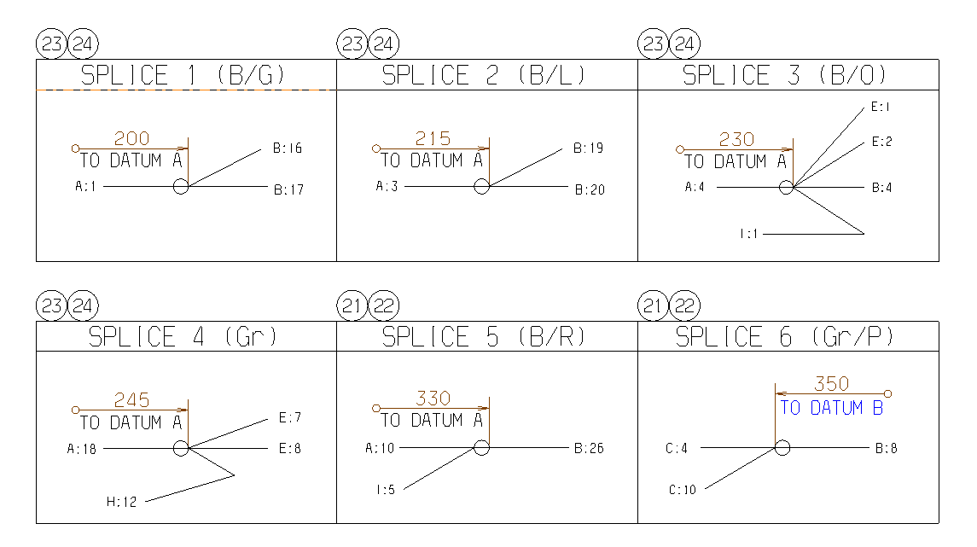

 | 1 2 | 290 | 120
 |  |  |  |  |  |  | 1 1 | 475 | 285 | 200 | 120
 | 1 2 | 290 | 210
 | 1 1 | 475 | 200 | 100
 | 1 1 | 475 | 190 | 90
 | 1 1 | 0 | 180 | 80
 | 1 2 |  | 325 | 240 | 160
 | 1 2 |  | 315 | 230 | 150
 | 1 1 | 0 | 305 | 220 | 140
 | 1 1 | 0 | 295 | 210 | 130

 |  |  |  |  |  | WHITE | 0.35 | B:32 | LOW SUPPLY | BLACK | 1.5 | SPL:1 | GND(LOW,DRL,POSITION |  |  |  |  | YELLOW | 0.35 | B:22 | DRL NTC(+) | BLACK | 0.5 | SPL:1 | GND(LOW,DRL,POSITION)
 |  |  |  |  |  | GRAY | 0.35 | B:31 | HIGH SUPPLY | BLACK | 1.5 | SPL:1 | GND(LOW,DRL,POSITION |  |  |  |  | BLACK | 0.35 | SPL:4 | DRL BIN(-) | - | - | - | -
 |  |  |  |  |  | - | - | - | - | RED | 1.5 | SPL:2 | FUSED BATTERY |  |  |  |  | RED | 0.35 | B:14 | DRL BIN(+) | BLACK | 0.35 | SPL:3 | HIGH LED(+)
 |  |  |  |  |  | WHITE | 0.35 | B:25 | DRL SUPPLY | RED | 1.5 | SPL:2 | FUSED BATTERY |  |  |  |  | GRAY | 0.35 | B:19 | DRL/PSTN LED(+) | BROWN | 0.35 | B:8 | HIGH LED(-)
 |  |  |  |  |  | GRAY | 0.35 | B:24 | POSITION SUPPLY | - | - | - | - |  |  |  |  | BLACK | 0.35 | B:9 | DRL LED(-) | - | - | - | -
 |  |  |  |  |  | YELLOW | 0.35 | B:18 | TURN SUPPLY | - | - | - | - |  |  |  |  | BROWN | 0.35 | B:26 | TURN LED(+) | YELLOW | 0.35 | B:12 | LOW LED(+)
 |  |  |  |  |  | BLACK | 1.5 | SPL:1 | GND(LOW,DRL,POSITION | - | - | - | - |  |  |  |  |  |  |  |  | BLACK | 0.35 | SPL:3 | LOW LED(-)
 |  |  |  |  |  | BROWN | 0.35 | B:23 | TELL TALE | BROWN | 0.35 | E:4 | HIGH LED(-) |  |  |  |  |  |  |  |  | GRAY | 0.35 | B:13 | LOW BIN(+)
 |  |  |  |  |  | - | - | - | - | BLACK | 0.35 | D:5 | DRL LED(-) |  |  |  |  |  |  |  |  | BLACK | 0.35 | SPL:4 | LOW BIN/NTC(-)
 |  |  |  |  |  | - | - | - | - | - | - | - | - |  |  |  |  |  |  |  |  | WHITE | 0.35 | B:21 | LOW NTC(+)
 |  |  |  |  |  | - | - | - | - | - | - | - | - |  |  |  |  |  |  |  |  | - | - | - | -
 |  |  |  |  |  | RED | 1.5 | SPL:2 | FUSED BATTERY | YELLOW | 0.35 | E:6 | LOW LED(+)
 |  |  |  |  |  |  |  |  |  | GRAY | 0.35 | E:8 | LOW BIN(+)
 |  |  |  |  |  |  |  |  |  | RED | 0.35 | D:3 | DRL BIN(+)
 |  |  |  |  |  |  |  |  |  | - | - | - | -
 |  |  |  |  |  |  |  |  |  | - | - | - | -
 |  |  |  |  |  |  |  |  |  | - | - | - | -
 |  |  |  |  |  |  |  |  |  | YELLOW | 0.35 | A:6 | TURN SUPPLY
 |  |  |  |  |  |  |  |  |  | GRAY | 0.35 | D:4 | DRL/PSTN LED(+)
 |  |  |  |  |  |  |  |  |  | - | - | - | -
 |  |  |  |  |  |  |  |  |  | WHITE | 0.35 | E:10 | LOW NTC(+)
 |  |  |  |  |  |  |  |  |  | YELLOW | 0.35 | D:1 | DRL NTC(+)
 |  |  |  |  |  |  |  |  |  | BROWN | 0.35 | A:8 | TELL TALE
 |  |  |  |  |  |  |  |  |  | GRAY | 0.35 | A:5 | POSITION SUPPLY
 |  |  |  |  |  |  |  |  |  | WHITE | 0.35 | A:4 | DRL SUPPLY
 |  |  |  |  |  |  |  |  |  | BROWN | 0.35 | D:6 | TURN LED(+)
 |  |  |  |  |  |  |  |  |  | - | - | - | -
 |  |  |  |  |  |  |  |  |  | BLACK | 0.35 | SPL:3 | LOW LED(-), HIGH LED(+)
 |  |  |  |  |  |  |  |  |  | - | - | - | -
 |  |  |  |  |  |  |  |  |  | BLACK | 0.35 | SPL:4 | DRL,LOW BIN/NTC(-)
 |  |  |  |  |  |  |  |  |  | GRAY | 0.35 | A:2 | HIGH SUPPLY
 |  |  |  |  |  |  |  |  |  | WHITE | 0.35 | A:1 | LOW SUPPLY

CN7
ac | a | A | bc | b | B | cc | c | C | dc | d | D | ec | e | E | fc | f | F | gc | g | G | hc | h | H | ic | i | I | jc | j | J | kc | k | K | lc | l | L | mc | m | M
B/GREEN | 0.5 | SPL:1 | B/GRAY | 0.3 | SPL:2 | B/BLUE | 0.3 | SPL:3 | Gr/RED | 0.3 | E:4 | B/YELLOW | 0.3 | D:4
B/BLUE | 0.5 | B:5 | - | - | - | Gr/BROWN | 0.3 | E:3 | Gr/PINK | 0.3 | SPL:4 | B/BLUE | 0.3 | SPL:3
- | - | - | B/GRAY | 0.5 | SPL:2 | Gr/PINK | 0.3 | SPL:4 | B/BROWN | 0.3 | E:5 | Gr/BROWN | 0.3 | C:2
- | - | - | B/RED | 0.3 | A:13 | - | - | - | B/YELLOW | 0.3 | E:1 | Gr/RED | 0.3 | D:1
B/GRAY | 0.5 | SPL:2 | B/BLUE | 0.3 | A:2 | - | - | - | B/BLUE | 0.3 | SPL:3 | B/BROWN | 0.3 | D:3
- | - | - | B/GREEN | 0.3 | SPL:1 | - | - | - | - | - | - | Gr/PINK | 0.3 | SPL:4
- | - | - | B/GREEN | 0.3 | SPL:1 | - | - | - | - | - | -
- | - | - |  |  |  | - | - | - | - | - | -
- | - | - |  |  |  | - | - | - | - | - | -
- | - | - |  |  |  | - | - | - | - | - | -
- | - | -
- | - | -
B/RED | 0.3 | B:4
- | - | -

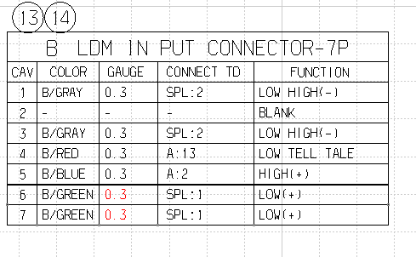

B/GREEN | 0.5 | SPL:1 | B/GRAY | 0.3 | SPL:2 | B/BLUE | 0.3 | SPL:3 | Gr/RED | 0.3 | E:4 | B/YELLOW | 0.3 | D:4 | Gr/BLACK | 0.3 | A:6
B/BLUE | 0.5 | B:5 | - | - | - | Gr/BROWN | 0.3 | E:3 | Gr/PINK | 0.3 | SPL:4 | B/BLUE | 0.3 | SPL:3 | Gr/BROWN | 0.3 | A:12
- | - | - | B/GRAY | 0.3 | SPL:2 | Gr/PINK | 0.3 | SPL:4 | B/BROWN | 0.3 | E:5 | Gr/BROWN | 0.3 | C:2 | B/PINK | 0.3 | A:11
- | - | - | B/RED | 0.3 | A:13 | - | - | - | B/YELLOW | 0.3 | E:1 | Gr/RED | 0.3 | D:1
B/GRAY | 0.5 | SPL:2 | B/BLUE | 0.3 | A:2 | - | - | - | B/BLUE | 0.3 | SPL:3 | B/BROWN | 0.3 | D:3
Gr/BLACK | 0.3 | F:1 | B/GREEN | 0.3 | SPL:1 | - | - | - | - | - | - | Gr/PINK | 0.3 | SPL:4
- | - | - | B/GREEN | 0.3 | SPL:1 | - | - | - | - | - | -
- | - | - |  |  |  | - | - | - | - | - | -
- | - | - |  |  |  | - | - | - | - | - | -
- | - | - |  |  |  | - | - | - | - | - | -
B/PINK | 0.3 | F:3
Gr/BROWN | 0.3 | F:2
B/RED | 0.3 | B:4
- | - | -

Sheet6
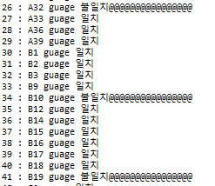

SG2_211026
00277566_SG2 HL OPT MAIN DOM EC WIRING_REV05_210819_
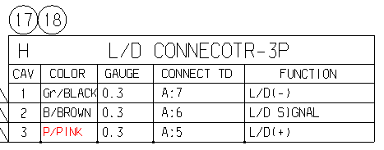
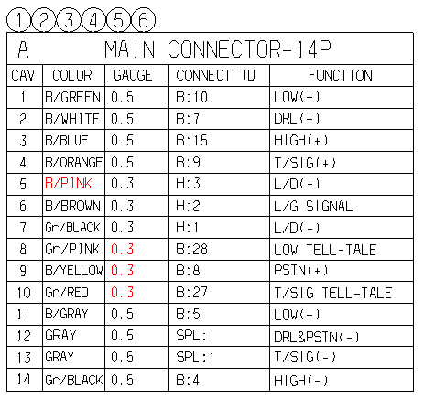
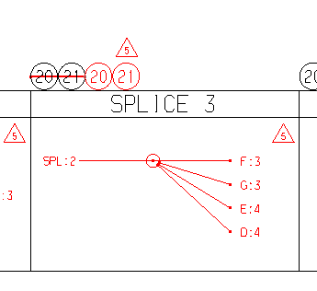

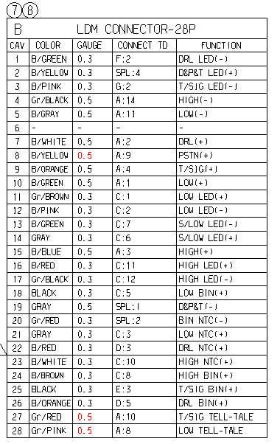

 |  |  | ->0.3으로 변경

00277567_SG2 HL OPT MAIN DOM EC NON LD WIRING_REV05_210819

 |  |  | ->0.3으로 변경

00299910_SG2 HL OPT MAIN NAS RH WIRING_REV05_210819

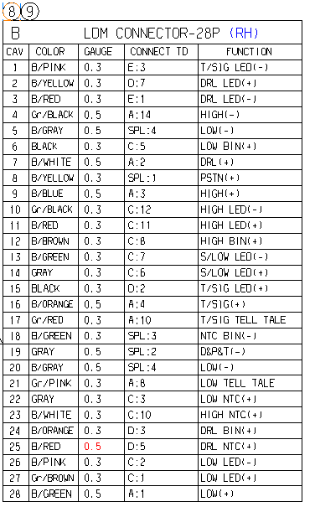
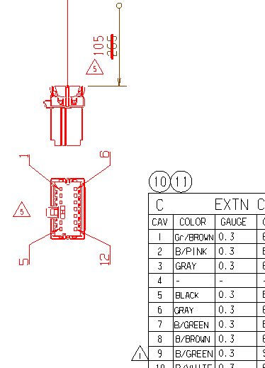
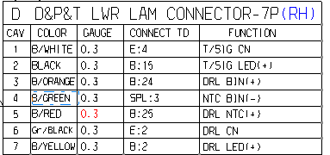
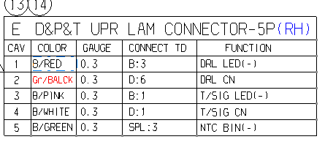
 |  |  |  |  | TO DATUM B 표기

 |  | Gr/BALCK -> Gr/BLACK

 | 0.3으로 변경

00299909_SG2 HL OPT MAIN NAS LH WIRING_REV05_210819

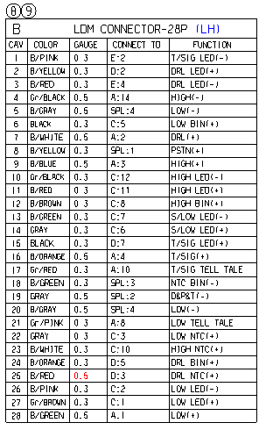

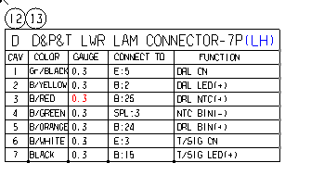
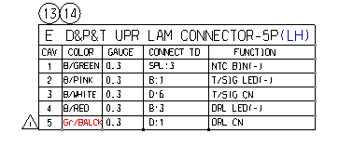

00298175_SG2 HL OPT EXTN WIRING_REV04_210915
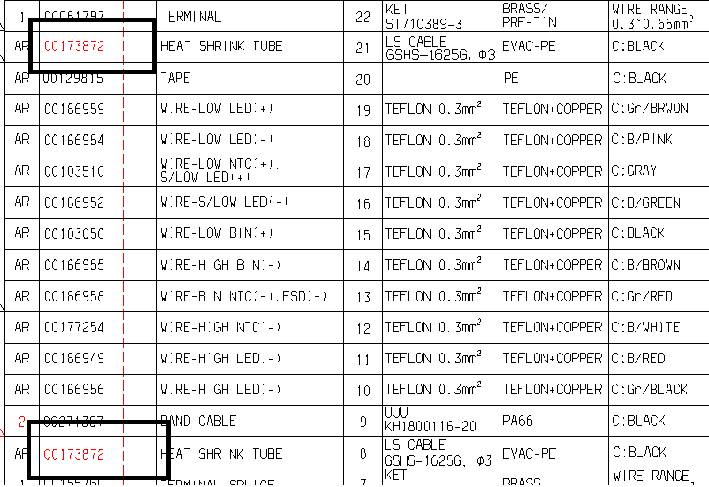
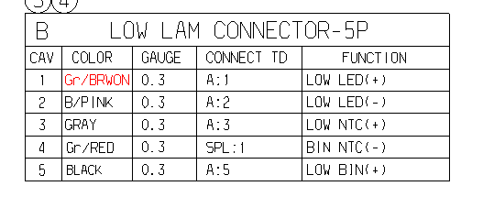

 |  |  |  | Gr/BRWON -> Gr/BROWN

HEAT SHRINK TUBE 중복

SP2 PE_211025
00299438 SP2 PE HL OPT2 MAIN DOM EC LD LH_211021
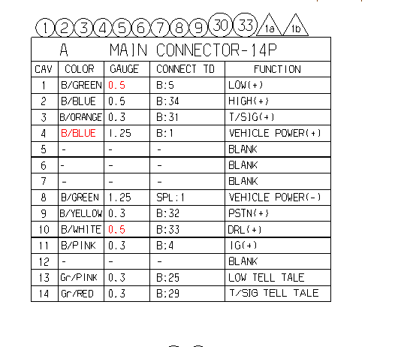
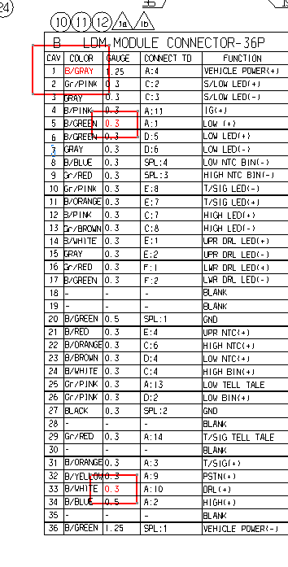

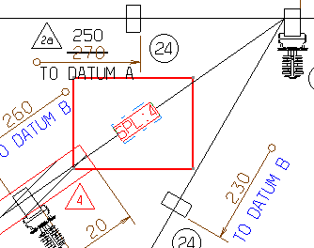

B/GREEN | 0.5 | B:5 | B/GRAY | 1.25 | A:4 | Gr/RED | 0.3 | SPL:3 | B/BLUE | 0.3 | SPL:4 | B/WHITE | 0.3 | B:14 | Gr/RED | 0.3 | B:16
B/BLUE | 0.5 | B:34 | Gr/PINK | 0.3 | C:2 | Gr/PINK | 0.3 | B:2 | Gr/PINK | 0.3 | B:26 | GRAY | 0.3 | B:15 | B/GREEN | 0.3 | B:17
B/ORANGE | 0.3 | B:31 | GRAY | 0.3 | C:3 | GRAY | 0.3 | B:3 | B/BLUE | 0.3 | SPL:4 | BLACK | 0.3 | SPL:2 | BLACK | 0.3 | SPL:2
B/BLUE | 1.25 | B:1 | B/PINK | 0.3 | A:11 | B/WHITE | 0.3 | B:24 | B/BROWN | 0.3 | B:23 | B/RED | 0.3 | B:21
- | - | - | B/GREEN | 0.3 | A:1 | Gr/RED | 0.3 | SPL:3 | B/GREEN | 0.3 | B:6 | - | - | -
- | - | - | B/GREEN | 0.3 | D:5 | B/ORANGE | 0.3 | B:22 | GRAY | 0.3 | B:7 | - | - | -
- | - | - | GRAY | 0.3 | D:6 | B/PINK | 0.3 | B:12 |  |  |  | B/ORANGE | 0.3 | B:11
B/GREEN | 1.25 | SPL:1 | B/BLUE | 0.3 | SPL:4 | Gr/BROWN | 0.3 | B:13 |  |  |  | Gr/PINK | 0.3 | B:10
B/YELLOW | 0.3 | B:32 | Gr/RED | 0.3 | SPL:3 |  |  |  |  |  |  | - | - | -
B/WHITE | 0.5 | B:33 | Gr/PINK | 0.3 | E:8 |  |  |  |  |  |  | - | - | -
B/PINK | 0.3 | B:4 | B/ORANGE | 0.3 | E:7 |  |  |  |  |  |  | - | - | -
- | - | - | B/PINK | 0.3 | C:7 |  |  |  |  |  |  | - | - | -
Gr/PINK | 0.3 | B:25 | Gr/BROWN | 0.3 | C:8
Gr/RED | 0.3 | B:29 | B/WHITE | 0.3 | E:1
 |  |  | GRAY | 0.3 | E:2
 |  |  | Gr/RED | 0.3 | F:1
 |  |  | B/GREEN | 0.3 | F:2
 |  |  | - | - | -
 |  |  | - | - | -
 |  |  | B/GREEN | 0.5 | SPL:1
 |  |  | B/RED | 0.3 | E:4
 |  |  | B/ORANGE | 0.3 | C:6
 |  |  | B/BROWN | 0.3 | D:4
 |  |  | B/WHITE | 0.3 | C:4
 |  |  | Gr/PINK | 0.3 | A:13
 |  |  | Gr/PINK | 0.3 | D:2
 |  |  | BLACK | 0.3 | SPL:2
 |  |  | - | - | -
 |  |  | Gr/RED | 0.3 | A:14
 |  |  | - | - | -
 |  |  | B/ORANGE | 0.3 | A:3
 |  |  | B/YELLOW | 0.3 | A:9
 |  |  | B/WHITE | 0.3 | A:10
 |  |  | B/BLUE | 0.5 | A:2
 |  |  | - | - | -
 |  |  | B/GREEN | 1.25 | SPL:1

00299436 SP2 PE HL OPT1 MAIN NAS LH_211014

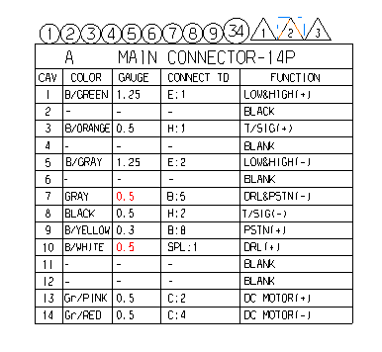
35없음.

00297617 SP2 PE RC OS STD DOM EC WIRE REV0 210527
00297618 SP2 PE RC OS STD NAS WIRE REV0 210527
 |  |  |  |  |  |  |  |  | 00122832로 변경

SP2I
B/GREEN | 1.25 | C:1 | B/ORANGE | 0.5 | A:3 | B/GREEN | 1.25 | A:1 | G/BLACK | 0.3 | E:1 | G/BLACK | 0.3 | D:1 | RED | 0.3 | H:2 | B/BLUE | 0.3 | F:4 | ORANGE | 0.3 | F:2 | Gr/BLACK | 0.3 | A:6
- | - | - | BLACK | 0.5 | A:8 | B/GRAY | 1.25 | A:5 | Gr/PINK | 0.5 | A:13 | B/GRAY | 0.3 | D:3 | ORANGE | 0.3 | H:1 | B/BROWN | 0.3 | F:3 | RED | 0.3 | F:1 | Gr/BROWN | 0.3 | A:12
B/ORANGE | 0.5 | B:1 |  |  |  |  |  |  | B/GRAY | 0.3 | E:2 |  |  |  | B/BROWN | 0.3 | G:2 | Gr/RED | 0.3 | SPL:2 | Gr/RED | 0.3 | SPL:2 | B/PINK | 0.3 | A:11
- | - | - |  |  |  |  |  |  | Gr/RED | 0.5 | A:14 |  |  |  | B/BLUE | 0.3 | G:1 |  |  |  | YELLOW | 0.3 | F:7
B/GRAY | 1.25 | C:2 |  |  |  |  |  |  |  |  |  |  |  |  | GRAY | 0.3 | A:7 |  |  |  | - | - | -
Gr/BLACK | 0.3 | I:1 |  |  |  |  |  |  |  |  |  |  |  |  | Gr/RED | 0.3 | SPL:2 |  |  |  | - | - | -
GRAY | 0.3 | F:5 |  |  |  |  |  |  |  |  |  |  |  |  | YELLOW | 0.3 | H:4 |  |  |  | - | - | -
BLACK | 0.5 | B:2 |  |  |  |  |  |  |  |  |  |  |  |  | B/YELLOW | 0.3 | A:9 |  |  |  | - | - | -
B/YELLOW | 0.3 | F:8 |  |  |  |  |  |  |  |  |  |  |  |  | B/WHITE | 0.3 | SPL:1 |  |  |  | - | - | -
B/WHITE | 0.3 | SPL:1 |  |  |  |  |  |  |  |  |  |  |  |  | B/WHITE | 0.3 | SPL:1 |  |  |  | - | - | -
B/PINK | 0.3 | I:3 |  |  |  |  |  |  |  |  |  |  |  |  |  |  |  |  |  |  | - | - | -
Gr/BROWN | 0.3 | I:2 |  |  |  |  |  |  |  |  |  |  |  |  |  |  |  |  |  |  | - | - | -
Gr/PINK | 0.5 | D:2
Gr/RED | 0.5 | D:4

op1
B/GREEN | 1.25 | C:1 | B/ORANGE | 0.5 | A:3 | B/GREEN | 1.25 | A:1 | G/BLACK | 0.3 | E:1 | G/BLACK | 0.3 | D:1 | RED | 0.3 | H:2 | B/BLUE | 0.3 | F:4 | ORANGE | 0.3 | F:2
- | - | - | BLACK | 0.5 | A:8 | B/GRAY | 1.25 | A:5 | Gr/PINK | 0.5 | A:13 | B/GRAY | 0.3 | D:3 | ORANGE | 0.3 | H:1 | B/BROWN | 0.3 | F:3 | RED | 0.3 | F:1
B/ORANGE | 0.5 | B:1 |  |  |  |  |  |  | B/GRAY | 0.3 | E:2 |  |  |  | B/BROWN | 0.3 | G:2 | Gr/RED | 0.3 | SPL:2 | Gr/RED | 0.3 | SPL:2
- | - | - |  |  |  |  |  |  | Gr/RED | 0.5 | A:14 |  |  |  | B/BLUE | 0.3 | G:1 |  |  |  | YELLOW | 0.3 | F:7
B/GRAY | 1.25 | C:2 |  |  |  |  |  |  |  |  |  |  |  |  | GRAY | 0.3 | A:7 |  |  |  | - | - | -
- | - | - |  |  |  |  |  |  |  |  |  |  |  |  | Gr/RED | 0.3 | SPL:2 |  |  |  | - | - | -
GRAY | 0.3 | F:5 |  |  |  |  |  |  |  |  |  |  |  |  | YELLOW | 0.3 | H:4 |  |  |  | - | - | -
BLACK | 0.5 | B:2 |  |  |  |  |  |  |  |  |  |  |  |  | B/YELLOW | 0.3 | A:9 |  |  |  | - | - | -
B/YELLOW | 0.3 | F:8 |  |  |  |  |  |  |  |  |  |  |  |  | B/WHITE | 0.3 | SPL:1 |  |  |  | - | - | -
B/WHITE | 0.3 | SPL:1 |  |  |  |  |  |  |  |  |  |  |  |  | B/WHITE | 0.3 | SPL:1 |  |  |  | - | - | -
- | - | - |  |  |  |  |  |  |  |  |  |  |  |  |  |  |  |  |  |  | - | - | -
- | - | - |  |  |  |  |  |  |  |  |  |  |  |  |  |  |  |  |  |  | - | - | -
Gr/PINK | 0.5 | D:2
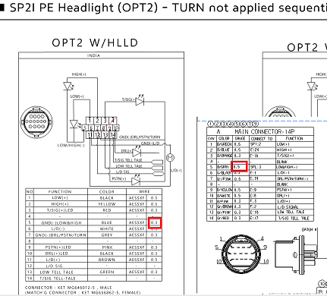
Gr/RED | 0.5 | D:4

op2
B/GREEN | 0.5 | SPl:2
B/BLUE | 0.5 | E:24
B/ORANGE | 0.3 | E:16
- | - | -
B/GRAY | 0.5 | SPL:3
G/BLACK | 0.3 | F:1
Gr/PINK | 0.5 | E:19
- | - | -
B/YELLOW | 0.5 | E:9 |  |  |  |  |  |  |  |  | It seems to need modifying SP2I PE OPT2 (LD/NON LD) main specification. LOW/HIGH GND gauge is 0.5 in 2D DRW, while 0.3 in main specification.
B/WHITE | 0.5 | E:8 |  |  |  |  |  |  |  |  | please check what is correct between 2D DRW and specification.
B/PINK | 0.3 | F:3
Gr/BROWN | 0.3 | F:2
Gr/PINK | 0.3 | E:18
Gr/RED | 0.3 | E:17

B/GREEN | 0.5 | SPL:2 | ORANGE | 0.3 | E:10 | B/BLUE | 0.3 | E:2 | ORANGE | 0.3 | E:7 | B/PINK | 0.3 | B:5 | G/BLACK | 0.3 | A:6
B/BLUE | 0.5 | E:24 | RED | 0.3 | E:11 | B/PINK | 0.3 | E:3 | - | - | - | B/BLUE | 0.3 | C:1 | Gr/BROWN | 0.3 | A:12
B/ORANGE | 0.3 | E:16 | Gr/RED | 0.3 | SPL:1 | Gr/RED | 0.3 | SPL:1 | BROWN | 0.3 | E:22 | B/PINK | 0.3 | C:2 | B/PINK | 0.3 | A:11
- | - | - | B/BLUE | 0.3 | E:15 |  |  |  | - | - | - | B/GRAY | 0.5 | SPL:3
B/GRAY | 0.5 | SPL:3 | B/PINK | 0.3 | E:1 |  |  |  | BLACK | 0.3 | E:20 | B/GRAY | 0.5 | SPL:3
G/BLACK | 0.3 | F:1 | BLUE | 0.3 | E:12 |  |  |  | GRAY | 0.3 | SPL:4 | - | - | -
Gr/PINK | 0.5 | E:19 | - | - | - |  |  |  | GREEN | 0.3 | E:28 | ORANGE | 0.3 | D:1
- | - | - | - | - | - |  |  |  | GRAY | 0.3 | SPL:4 | B/WHITE | 0.5 | A:10
B/YELLOW | 0.5 | E:9 | - | - | - |  |  |  | PINK | 0.3 | E:13 | B/YELLOW | 0.5 | A:9
B/WHITE | 0.5 | E:8 | - | - | - |  |  |  |  |  |  | ORANGE | 0.3 | B:1
B/PINK | 0.3 | F:3 | - | - | - |  |  |  |  |  |  | RED | 0.3 | B:2
Gr/BROWN | 0.3 | F:2 | - | - | - |  |  |  |  |  |  | BLUE | 0.3 | B:6
Gr/PINK | 0.3 | E:18 |  |  |  |  |  |  |  |  |  | PINK | 0.3 | D:9
Gr/RED | 0.3 | E:17 |  |  |  |  |  |  |  |  |  | GRAY | 0.3 | SPL:4
 |  |  |  |  |  |  |  |  |  |  |  | B/BLUE | 0.3 | B:4
 |  |  |  |  |  |  |  |  |  |  |  | B/ORANGE | 0.3 | A:3
 |  |  |  |  |  |  |  |  |  |  |  | Gr/RED | 0.3 | A:14
 |  |  |  |  |  |  |  |  |  |  |  | Gr/PINK | 0.3 | A:13
 |  |  |  |  |  |  |  |  |  |  |  | Gr/PINK | 0.5 | A:7
 |  |  |  |  |  |  |  |  |  |  |  | BLACK | 0.3 | D:5
 |  |  |  |  |  |  |  |  |  |  |  | Gr/RED | 0.3 | SPL:1
 |  |  |  |  |  |  |  |  |  |  |  | BROWN | 0.3 | D:3
 |  |  |  |  |  |  |  |  |  |  |  | - | - | -
 |  |  |  |  |  |  |  |  |  |  |  | B/BLUE | 0.5 | A:2
 |  |  |  |  |  |  |  |  |  |  |  | B/GREEN | 0.5 | SPL:2
 |  |  |  |  |  |  |  |  |  |  |  | B/GREEN | 0.5 | SPL:2
 |  |  |  |  |  |  |  |  |  |  |  | - | - | -
 |  |  |  |  |  |  |  |  |  |  |  | GREEN | 0.3 | D:7

fiat_210721
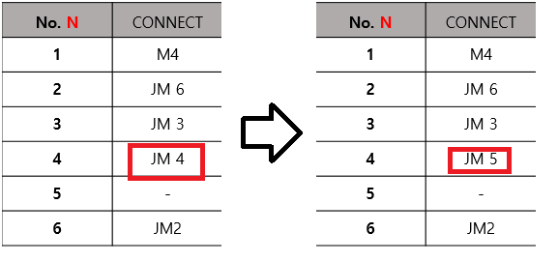
a | A | b | B | c | C | d | D | e | E | f | F | g | G | h | H | i | I | j | J | k | K
0.3 | SPL4 | 0.3 | A6 | 0.3 | E5 | 0.3 | A5 | 0.3 | C5 | 0.3 | C11 | 0.3 | J16 | 0.3 | J10 | 0.3 | A1 | 0.3 | -
0.3 | I3 | 0.3 | A3 | 0.3 | SPL2 | 0.3 | - | 0.3 | - | 0.3 | C10 | 0.3 | J5 | 0.3 | - | 0.3 | - | 0.3 | G4
0.3 | B2 | 0.3 | SPL1 | 0.3 | E6 | 0.3 | - | 0.3 | C4 | 0.3 | SPL2 | 0.3 | SPL3 | 0.3 | J13 | 0.3 | A2 | 0.3 | SPL3
0.3 | SPL1 |  |  | 0.3 | E3 | 0.3 | - | 0.3 | - | 0.3 | C7 | 0.3 | J2 | 0.3 | - | 0.3 | A8 | 0.3 | -
0.3 | D1 |  |  | 0.3 | E1 | 0.3 | - | 0.3 | C1 | 0.3 | C9 | 0.3 | J6 | 0.3 | J15 | 0.3 | SPL3 | 0.3 | G2
0.3 | B1 |  |  | 0.3 | SPL2 | 0.3 | SPL2 | 0.3 | C3 | 0.3 | - | 0.3 | - | 0.3 | J12 | 0.3 | - | 0.3 | G5
0.3 | F7 |  |  | 0.3 | F4 |  |  |  |  | 0.3 | A7 | 0.3 | SPL4 |  |  |  |  | 0.3 | -
0.3 | I4 |  |  | 0.3 | SPL2 |  |  |  |  | 0.3 | - | 0.3 | - |  |  |  |  | 0.3 | -
 |  |  |  | 0.3 | F5 |  |  |  |  |  |  |  |  |  |  |  |  | 0.3 | -
 |  |  |  | 0.3 | F2 |  |  |  |  |  |  |  |  |  |  |  |  | 0.3 | H1
 |  |  |  | 0.3 | F1 |  |  |  |  |  |  |  |  |  |  |  |  | 0.3 | SPL3
 |  |  |  | 0.3 | SPL2 |  |  |  |  |  |  |  |  |  |  |  |  | 0.3 | H6
 |  |  |  |  |  |  |  |  |  |  |  |  |  |  |  |  |  | 0.3 | H3
 |  |  |  |  |  |  |  |  |  |  |  |  |  |  |  |  |  | 0.3 | -
 |  |  |  |  |  |  |  |  |  |  |  |  |  |  |  |  |  | 0.3 | H5
 |  |  |  |  |  |  |  |  |  |  |  |  |  |  |  |  |  | 0.3 | G1
a | A | b | B | c | C | d | D | e | E | f | F | g | G | h | H | i | I | j | J | k | K
0.3 |  | 0.3 | A6 | 0.3 | E5 | 0.3 | A5 | 0.3 | C5 | 0.3 | C11 | 0.3 | J16 | 0.3 | J10 | 0.3 | A1 | 0.3 | -
0.3 | I3 | 0.3 | A3 | 0.3 |  | 0.3 | - | 0.3 | - | 0.3 | C10 | 0.3 | J5 | 0.3 | - | 0.3 | - | 0.3 | G4
0.3 | B2 | 0.3 |  | 0.3 | E6 | 0.3 | - | 0.3 | C4 | 0.3 |  | 0.3 |  | 0.3 | J13 | 0.3 | A2 | 0.3
0.3 |  |  |  | 0.3 | E3 | 0.3 | - | 0.3 | - | 0.3 | C7 | 0.3 | J2 | 0.3 | - | 0.3 | A8 | 0.3 | -
0.3 | D1 |  |  | 0.3 | E1 | 0.3 | - | 0.3 | C1 | 0.3 | C9 | 0.3 | J6 | 0.3 | J15 | 0.3 |  | 0.3 | G2
0.3 | B1 |  |  | 0.3 |  | 0.3 |  | 0.3 | C3 | 0.3 | - | 0.3 | - | 0.3 | J12 | 0.3 | - | 0.3 | G5
0.3 | F7 |  |  | 0.3 | F4 |  |  |  |  | 0.3 | A7 | 0.3 |  |  |  |  |  | 0.3 | -
0.3 | I4 |  |  | 0.3 | SPL2 |  |  |  |  | 0.3 | - | 0.3 | - |  |  |  |  | 0.3 | -
 |  |  |  | 0.3 | F5 |  |  |  |  |  |  |  |  |  |  |  |  | 0.3 | -
 |  |  |  | 0.3 | F2 |  |  |  |  |  |  |  |  |  |  |  |  | 0.3 | H1
 |  |  |  | 0.3 | F1 |  |  |  |  |  |  |  |  |  |  |  |  | 0.3
 |  |  |  | 0.3 |  |  |  |  |  |  |  |  |  |  |  |  |  | 0.3 | H6
 |  |  |  |  |  |  |  |  |  |  |  |  |  |  |  |  |  | 0.3 | H3
 |  |  |  |  |  |  |  |  |  |  |  |  |  |  |  |  |  | 0.3 | -
 |  |  |  |  |  |  |  |  |  |  |  |  |  |  |  |  |  | 0.3 | H5
 |  |  |  |  |  |  |  |  |  |  |  |  |  |  |  |  |  | 0.3 | G1

e | E | f | F | g | G | h | H | i | I | j | J | k | K | l | L | m | M | n | N
 |  |  |  |  |  |  |  |  |  |  | - |  |  |  |  |  | J15 |  | M4
 |  |  |  |  |  |  |  |  |  |  | N6 |  |  |  |  |  | J16 |  | J6
 |  |  |  |  |  |  |  |  |  |  | N3 |  |  |  |  |  | SPL5 |  | J3
 |  |  |  |  |  |  |  |  |  |  | - |  |  |  |  |  | N1 |  | J4 | ->J5
 |  |  |  |  |  |  |  |  |  |  | N4 |  |  |  |  |  | J12 |  | -
 |  |  |  |  |  |  |  |  |  |  | N2 |  |  |  |  |  | J11 |  | J2
 |  |  |  |  |  |  |  |  |  |  | - |  |  |  |  |  | J10
 |  |  |  |  |  |  |  |  |  |  | - |  |  |  |  |  | SPL5
 |  |  |  |  |  |  |  |  |  |  | -
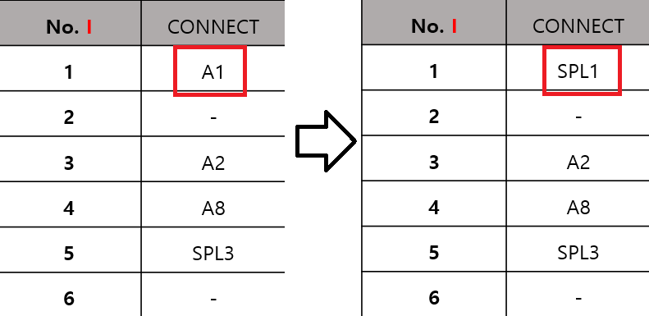
 |  |  |  |  |  |  |  |  |  |  | M7
 |  |  |  |  |  |  |  |  |  |  | M6
 |  |  |  |  |  |  |  |  |  |  | M5
 |  |  |  |  |  |  |  |  |  |  | SPL5
 |  |  |  |  |  |  |  |  |  |  | -
 |  |  |  |  |  |  |  |  |  |  | M1
 |  |  |  |  |  |  |  |  |  |  | M2

SP2I_210729
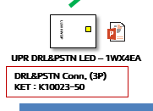
 |  |  | SP2I PE HL OPT2 LD_210728
 |  |  | SP2I PE HL OPT2 NON LD_210728
 |  |  | SP2I PE HL OPT3 LD_210728
 |  |  | SP2I PE HL OPT3 NON LD_210728

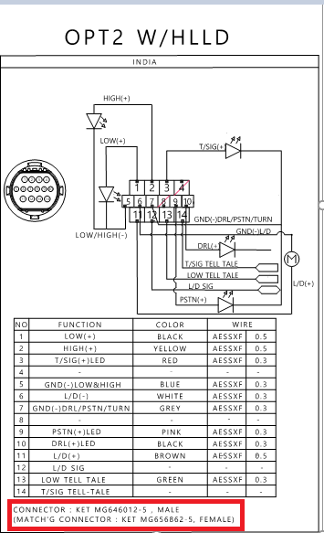
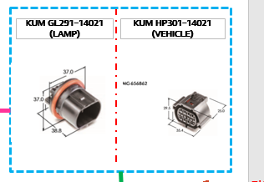
SP2I PE HL OPT2 NON LD_210728
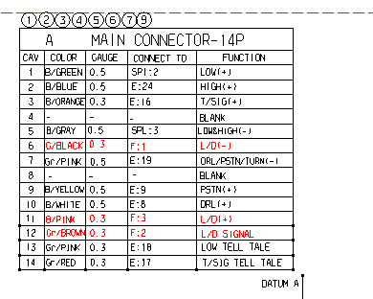

 | 삭제

SP2I PE HL OPT3 LD_210728
SP2I PE HL OPT3 NON LD_210728

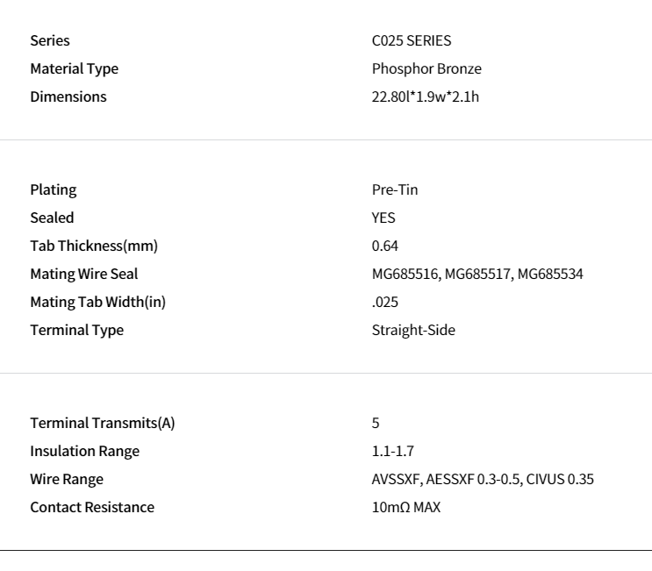
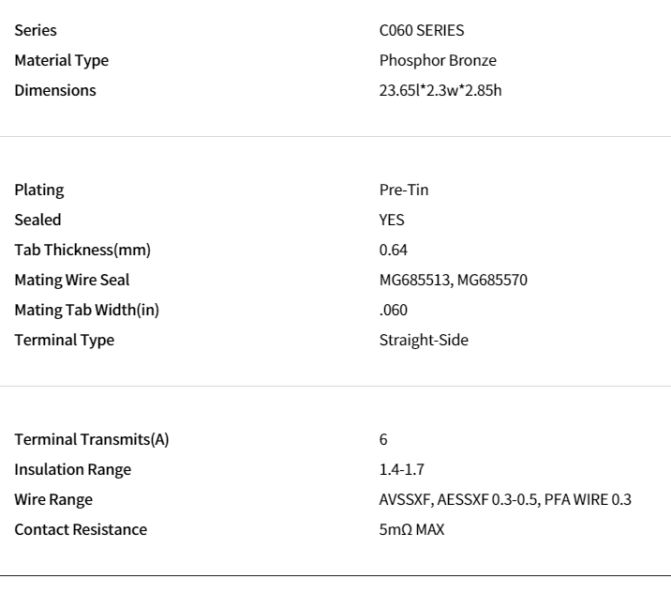

 |  | SP2i PE OPT3 AUTO ASSY_210728
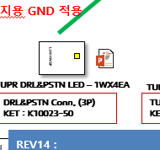
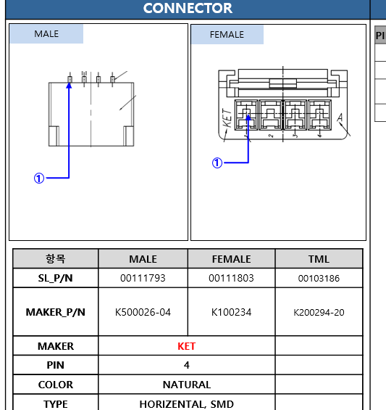

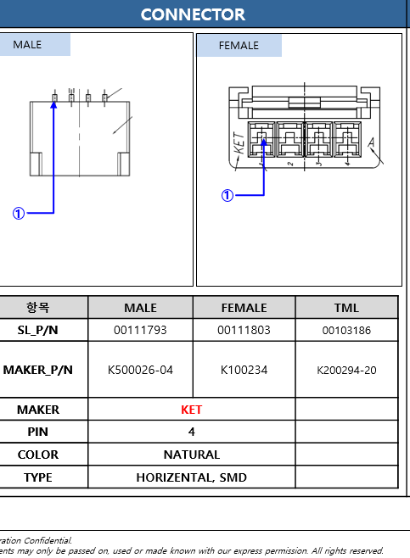
 |  | SP2i PE OPT2 AUTO ASSY_210728

BN7i_210621
BN7i 4DR RC CTR OPT WIRING ASSY_210421
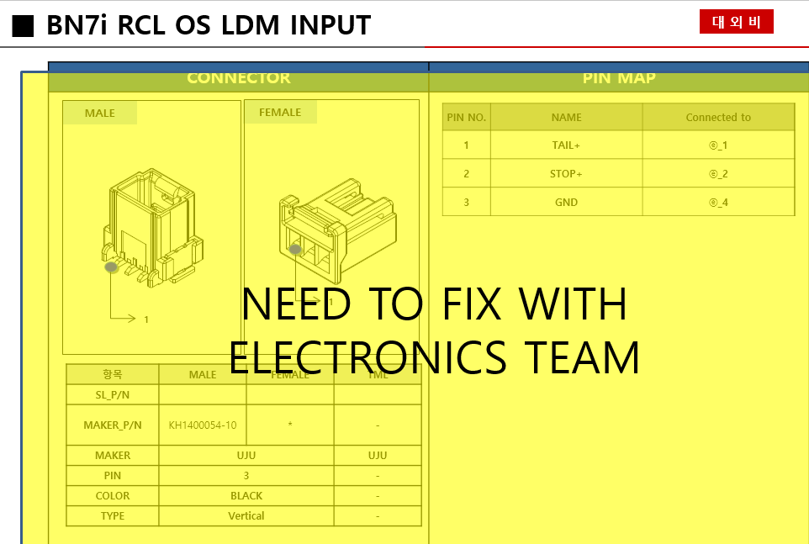

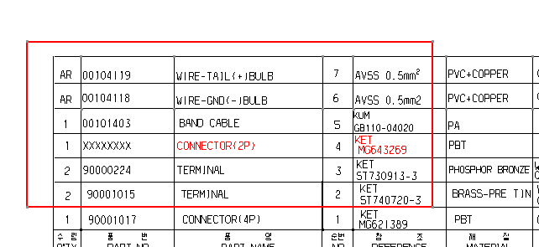
 | BN7i 4DR RC CTR STD CONC WIRING ASSY_210421
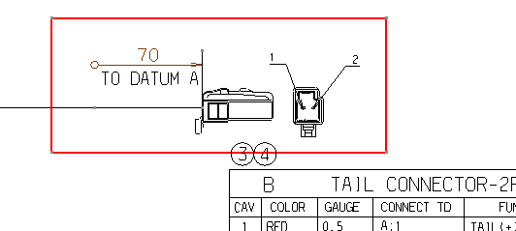

 |  | MALE 커넥터에 FEMAIL 터미널

SP2i PE RC_210621
SP2I PE RC STD OS_WIRING ASSY_210512
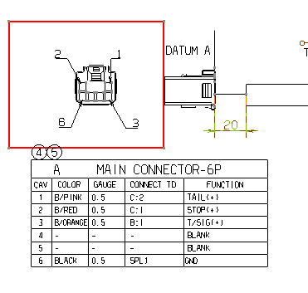

 | FEMALE 커넥터에 MALE 터미널

SP2i PE HL_210621
SP2I PE HL OPT2 LD_210527

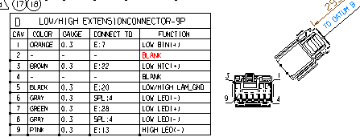

 |  |  |  | MT095-29080 으로 바꿔야함
 |  |  |  | 0.2~0.3MM2

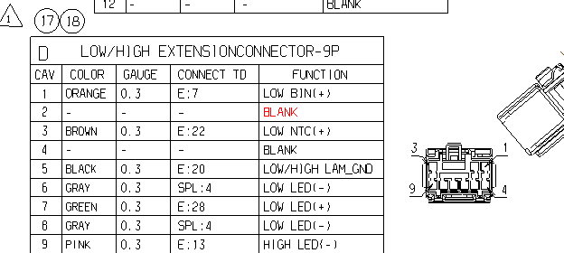
SP2I PE HL OPT2 NON LD_210527
 |  |  |  |  | SP2i PE OPT1 AUTO ASSY_210527
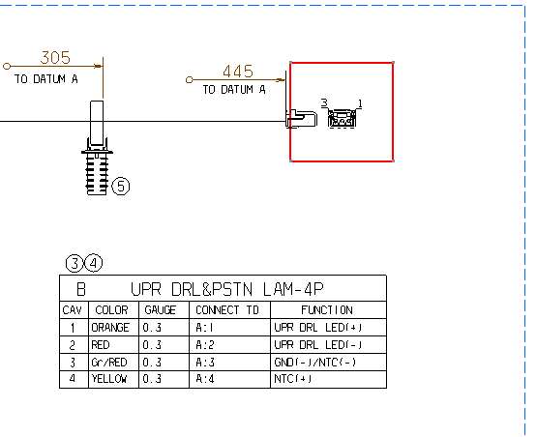

 |  |  |  |  |  | 4PIN 커넥터 2D로 바꿔야함
 |  |  |  | MT095-29080 으로 바꿔야함
 |  |  |  | 0.2~0.3MM2

SP2I PE HL OPT3 LD_210601
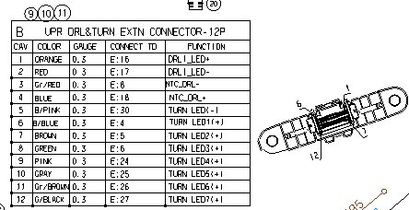

 |  |  | TERMINAL 12개로 바꿔야함

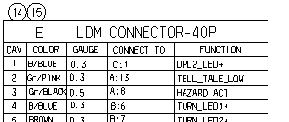

 |  |  | 품명 40PIN으로 수정

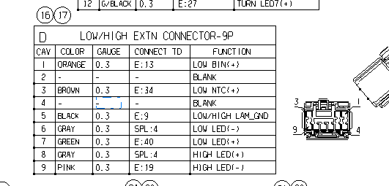

 |  |  | MT095-29080 으로 바꿔야함
 |  |  | 0.2~0.3MM2

SP2i PE OPT1 LD_210527

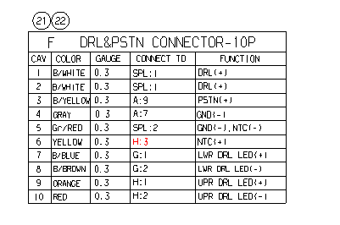

 | H:3 -> H:4 로 바꿔야함

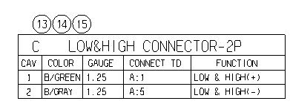

 |  | 터미널은 사양 맞음. 비고에 0.3~0.5 를 0.85~1.25로 바꿔야함

SP2i PE OPT1 WO LD_210527

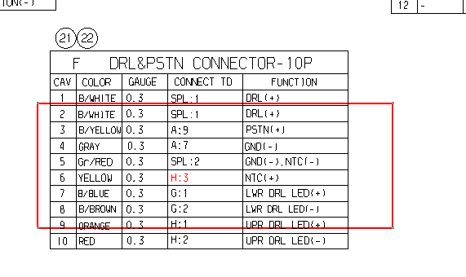
 |  |  | H:3 -> H:4 로 바꿔야함

 | 터미널은 사양 맞음. 비고에 0.3~0.5 를 0.85~1.25로 바꿔야함

AI3_210621
AI3 5DR FL RC WIRING 210426
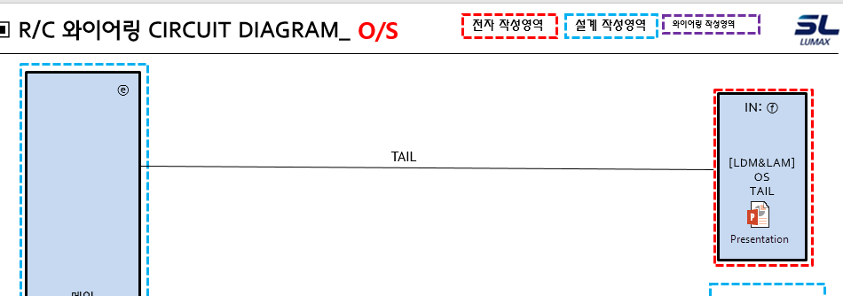

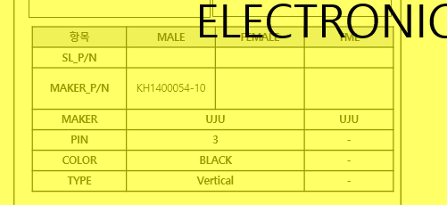

 | 설계사양서 tale 쪽 color : black -> white 바꿔야함

