RealmSetting
■Realm Settings
 | [General]タブ
 |  | 対応API
 |  |  | POST | http://{host}:{port}/auth/admin/realms/{realm}/ | -
 |  |  | PUT | http://{host}:{port}/auth/admin/realms/{realm}/ | putRealm.sh <json>
 |  |  | GET | http://{host}:{port}/auth/admin/realms/{realm}/ | getRealm.sh

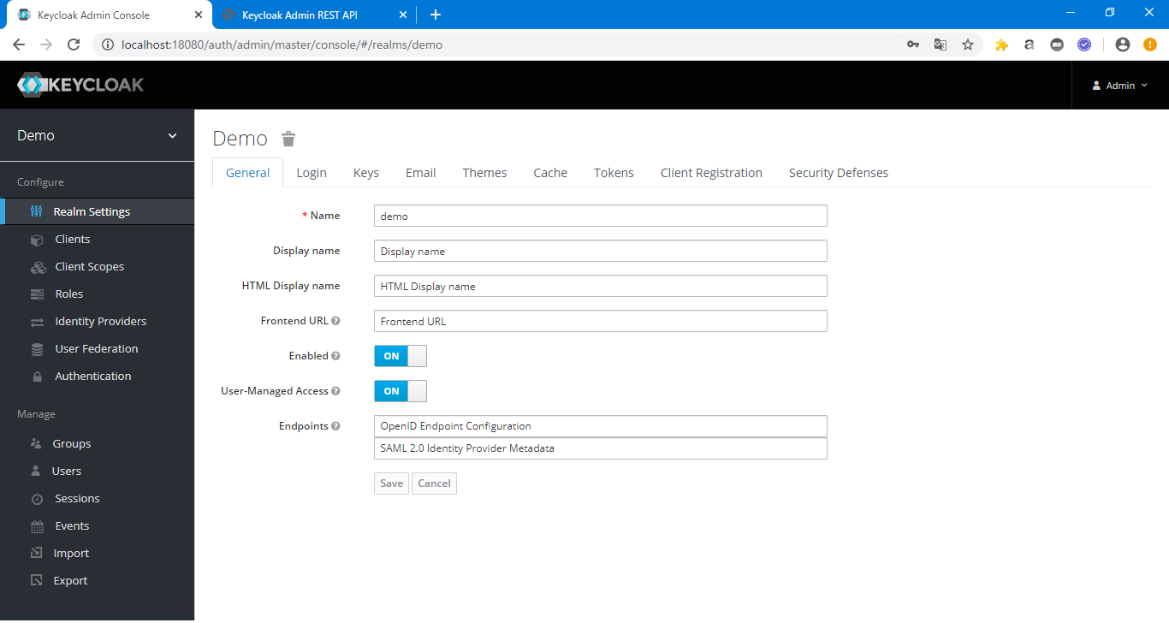
{
"id": "demo",
"realm": "demo",
"displayName": "Display name",
"displayNameHtml": "HTML Display name",
"notBefore": 0,
"defaultSignatureAlgorithm": "ES256",
"revokeRefreshToken": true,
"refreshTokenMaxReuse": 100,
"accessTokenLifespan": 4620,
"accessTokenLifespanForImplicitFlow": 5280,
"ssoSessionIdleTimeout": 660,
"ssoSessionMaxLifespan": 79200,
"ssoSessionIdleTimeoutRememberMe": 1980,
"ssoSessionMaxLifespanRememberMe": 2640,
"offlineSessionIdleTimeout": 4752000,
"offlineSessionMaxLifespanEnabled": true,
"offlineSessionMaxLifespan": 5702400,
"accessCodeLifespan": 60,
"accessCodeLifespanUserAction": 266640,
"accessCodeLifespanLogin": 39960,
"actionTokenGeneratedByAdminLifespan": 1981980,
"actionTokenGeneratedByUserLifespan": 466620,
"enabled": true,
"sslRequired": "external",
"registrationAllowed": true,
"registrationEmailAsUsername": true,
"rememberMe": true,
"verifyEmail": true,
"loginWithEmailAllowed": true,
"duplicateEmailsAllowed": false,
"resetPasswordAllowed": true,
"editUsernameAllowed": true,
"bruteForceProtected": true,
"permanentLockout": true,
"maxFailureWaitSeconds": 900,
"minimumQuickLoginWaitSeconds": 120,
"waitIncrementSeconds": 60,
"quickLoginCheckMilliSeconds": 1000,
"maxDeltaTimeSeconds": 43200,
"failureFactor": 30,
"defaultRoles": [
"uma_authorization",
"offline_access"
],
"requiredCredentials": [
"password"
],
"otpPolicyType": "totp",
"otpPolicyAlgorithm": "HmacSHA1",
"otpPolicyInitialCounter": 0,
"otpPolicyDigits": 6,
"otpPolicyLookAheadWindow": 1,
"otpPolicyPeriod": 30,
"otpSupportedApplications": [
"FreeOTP",
"Google Authenticator"
],
"webAuthnPolicyRpEntityName": "keycloak",
"webAuthnPolicySignatureAlgorithms": [
"ES256"
],
"webAuthnPolicyRpId": "",
"webAuthnPolicyAttestationConveyancePreference": "not specified",
"webAuthnPolicyAuthenticatorAttachment": "not specified",
"webAuthnPolicyRequireResidentKey": "not specified",
"webAuthnPolicyUserVerificationRequirement": "not specified",
"webAuthnPolicyCreateTimeout": 0,
"webAuthnPolicyAvoidSameAuthenticatorRegister": false,
"webAuthnPolicyAcceptableAaguids": [],
"browserSecurityHeaders": {
"contentSecurityPolicyReportOnly": "Content-Security-Policy-Report-Only",
"xContentTypeOptions": "nosniff",
"xRobotsTag": "none",
"xFrameOptions": "SAMEORIGIN",
"contentSecurityPolicy": "frame-src 'self'; frame-ancestors 'self'; object-src 'none';",
"xXSSProtection": "1; mode=block",
"strictTransportSecurity": "max-age=31536000; includeSubDomains"
},
"smtpServer": {
"replyToDisplayName": "Reply To Display Name",
"starttls": "true",
"auth": "true",
"envelopeFrom": "EnvelopeFrom@test.com",
"ssl": "true",
"password": "**********",
"port": "25",
"host": "Host@test.com",
"replyTo": "ReplyTo@test.com",
"from": "From@test.com",
"fromDisplayName": "From Display Name",
"user": "username"
},
"eventsEnabled": false,
"eventsListeners": [
"jboss-logging"
],
"enabledEventTypes": [],
"adminEventsEnabled": false,
"adminEventsDetailsEnabled": false,
"internationalizationEnabled": false,
"supportedLocales": [],
"browserFlow": "browser",
"registrationFlow": "registration",
"directGrantFlow": "direct grant",
"resetCredentialsFlow": "reset credentials",
"clientAuthenticationFlow": "clients",
"dockerAuthenticationFlow": "docker auth",
"attributes": {
"actionTokenGeneratedByUserLifespan.verify-email": "60",
"webAuthnPolicyAuthenticatorAttachment": "not specified",
"displayName": "Display name",
"_browser_header.xRobotsTag": "none",
"displayNameHtml": "HTML Display name",
"webAuthnPolicyRpEntityName": "keycloak",
"failureFactor": "30",
"actionTokenGeneratedByUserLifespan": "466620",
"maxDeltaTimeSeconds": "43200",
"webAuthnPolicySignatureAlgorithms": "ES256",
"frontendUrl": "Frontend URL",
"offlineSessionMaxLifespan": "5702400",
"_browser_header.contentSecurityPolicyReportOnly": "Content-Security-Policy-Report-Only",
"bruteForceProtected": "true",
"_browser_header.contentSecurityPolicy": "frame-src 'self'; frame-ancestors 'self'; object-src 'none';",
"_browser_header.xXSSProtection": "1; mode=block",
"_browser_header.xFrameOptions": "SAMEORIGIN",
"_browser_header.strictTransportSecurity": "max-age=31536000; includeSubDomains",
"webAuthnPolicyUserVerificationRequirement": "not specified",
"quickLoginCheckMilliSeconds": "1000",
"webAuthnPolicyCreateTimeout": "0",
"permanentLockout": "true",
"webAuthnPolicyRequireResidentKey": "not specified",
"webAuthnPolicyRpId": "",
"webAuthnPolicyAttestationConveyancePreference": "not specified",
"maxFailureWaitSeconds": "900",
"minimumQuickLoginWaitSeconds": "120",
"defaultSignatureAlgorithm": "ES256",
"webAuthnPolicyAvoidSameAuthenticatorRegister": "false",
"_browser_header.xContentTypeOptions": "nosniff",
"actionTokenGeneratedByAdminLifespan": "1981980",
"waitIncrementSeconds": "60",
"offlineSessionMaxLifespanEnabled": "true"
},
"userManagedAccessAllowed": true
}
 |  | サンプル画面 |  |  |  | 画面とjsonプロパティの対応 |  |  | JSONサンプル
 |  |  |  |  |  | 項目 | jsonプロパティ | 型
 |  |  |  |  |  | Name | realm | String
 |  |  |  |  |  | Display name | displayName | String
 |  |  |  |  |  | HTML Display name | displayNameHtml | String
 |  |  |  |  |  | Frontend URL | attributes.frontendUrl | String
 |  |  |  |  |  | Enabled | enabled | Boolean
 |  |  |  |  |  | User-Managed Access | userManagedAccessAllowed | Boolean
 |  |  |  |  |  | Endpoints | - | -

 | [Login]タブ
 |  | 対応API
 |  |  | POST | http://{host}:{port}/auth/admin/realms/{realm}/ | -
 |  |  | PUT | http://{host}:{port}/auth/admin/realms/{realm}/ | putRealm.sh <json>
 |  |  | GET | http://{host}:{port}/auth/admin/realms/{realm}/ | getRealm.sh

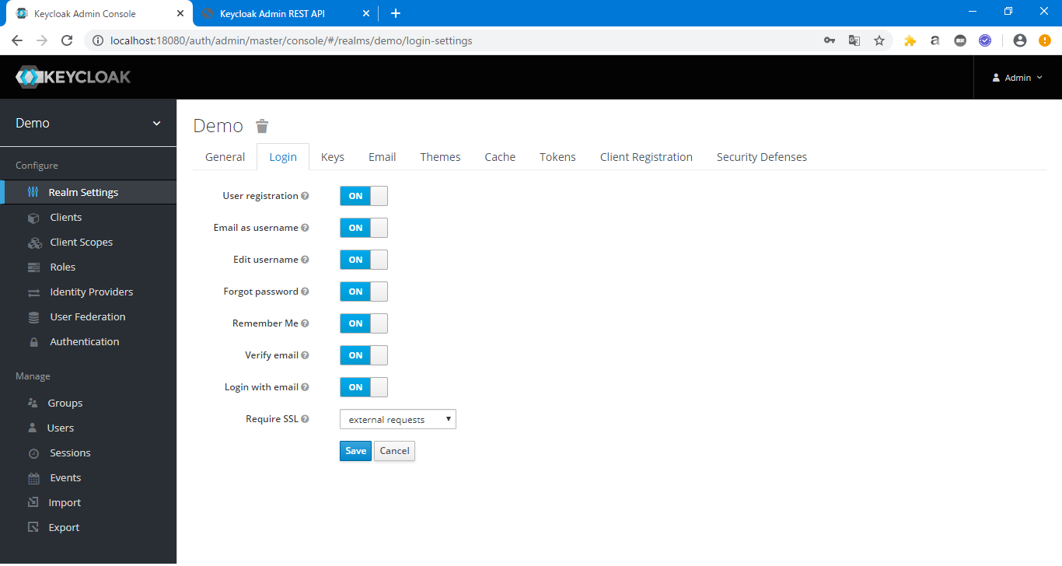
 |  | サンプル画面 |  |  |  | 画面とjsonプロパティの対応
 |  |  |  |  |  | 項目 | jsonプロパティ | 型
 |  |  |  |  |  | User registration | registrationAllowed | Boolean
 |  |  |  |  |  | Email as username | registrationEmailAsUsername | Boolean
 |  |  |  |  |  | Edit username | editUsernameAllowed | Boolean
 |  |  |  |  |  | Forgot password | resetPasswordAllowed | Boolean
 |  |  |  |  |  | Remember Me | rememberMe | Boolean
 |  |  |  |  |  | Verify email | verifyEmail | Boolean
 |  |  |  |  |  | Login with email | loginWithEmailAllowed | Boolean
 |  |  |  |  |  | Require SSL | sslRequired | String

 | [Email]タブ
 |  | 対応API
 |  |  | POST | http://{host}:{port}/auth/admin/realms/{realm}/ | -
 |  |  | PUT | http://{host}:{port}/auth/admin/realms/{realm}/ | putRealm.sh <json>
 |  |  | GET | http://{host}:{port}/auth/admin/realms/{realm}/ | getRealm.sh

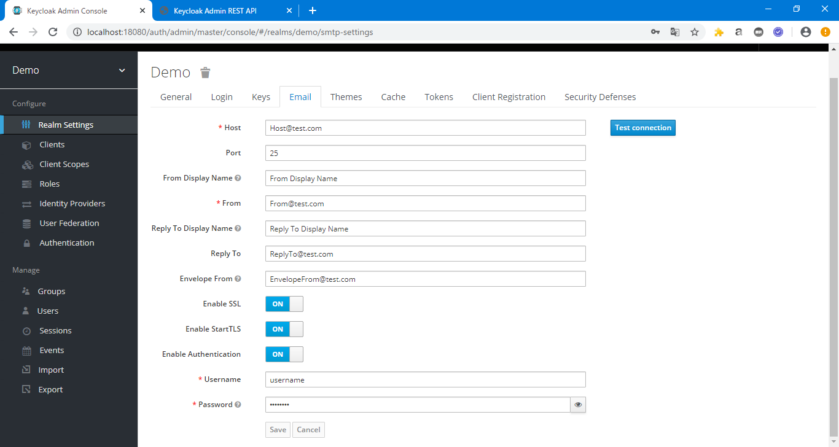
 |  | サンプル画面 |  |  |  | 画面とjsonプロパティの対応
 |  |  |  |  |  | 項目 | jsonプロパティ | 型
 |  |  |  |  |  | Host | smtpServer.host | String
 |  |  |  |  |  | Port | smtpServer.port | String
 |  |  |  |  |  | From Display Name | smtpServer.fromDisplayName | String
 |  |  |  |  |  | From | smtpServer.from | String
 |  |  |  |  |  | Reply To Display Name | smtpServer.replyToDisplayName | String
 |  |  |  |  |  | Reply To | smtpServer.replyTo | String
 |  |  |  |  |  | Envelope From | smtpServer.envelopeFrom | String
 |  |  |  |  |  | Enable SSL | smtpServer.ssl | String
 |  |  |  |  |  | Enable StartTLS | smtpServer.starttls | String
 |  |  |  |  |  | Enable Authentication | smtpServer.auth | String
 |  |  |  |  |  | Username | smtpServer.user | String
 |  |  |  |  |  | Password | smtpServer.password | String

 | [Tokens]タブ
 |  | 対応API
 |  |  | POST | http://{host}:{port}/auth/admin/realms/{realm}/ | -
 |  |  | PUT | http://{host}:{port}/auth/admin/realms/{realm}/ | putRealm.sh <json>
 |  |  | GET | http://{host}:{port}/auth/admin/realms/{realm}/ | getRealm.sh
 |  | サンプル画面
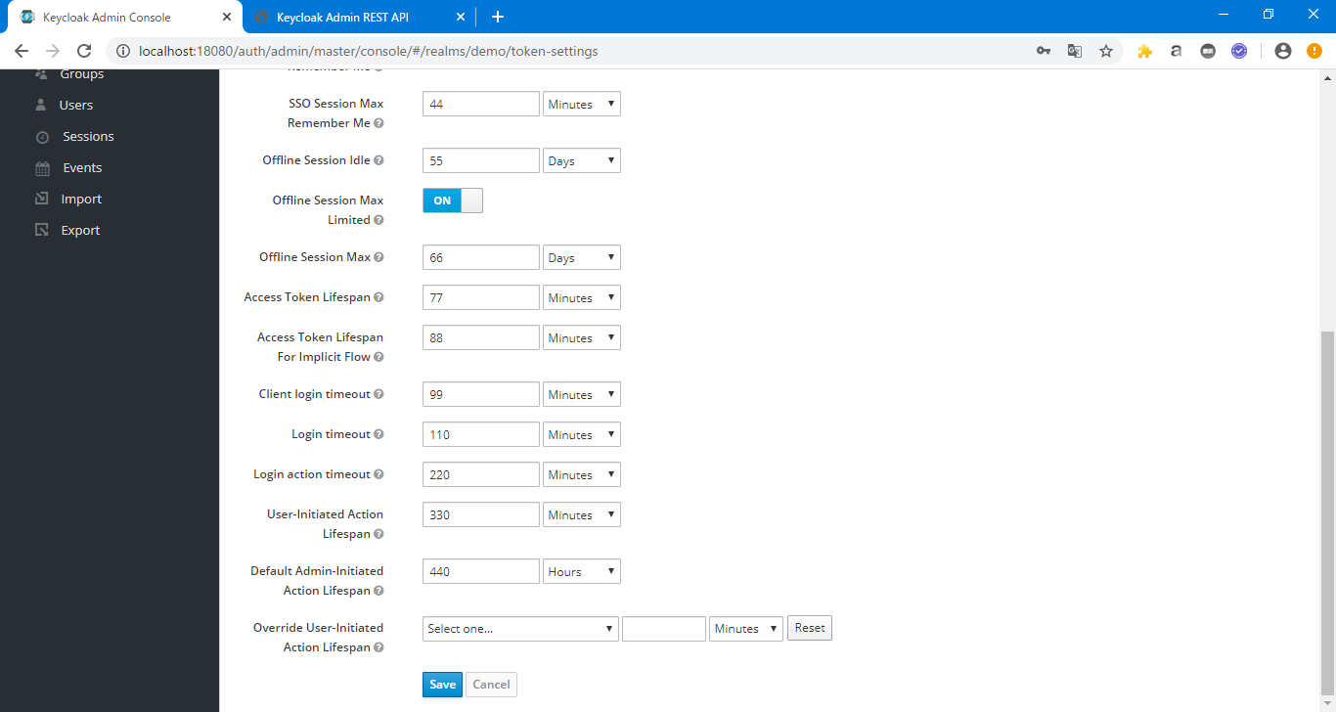
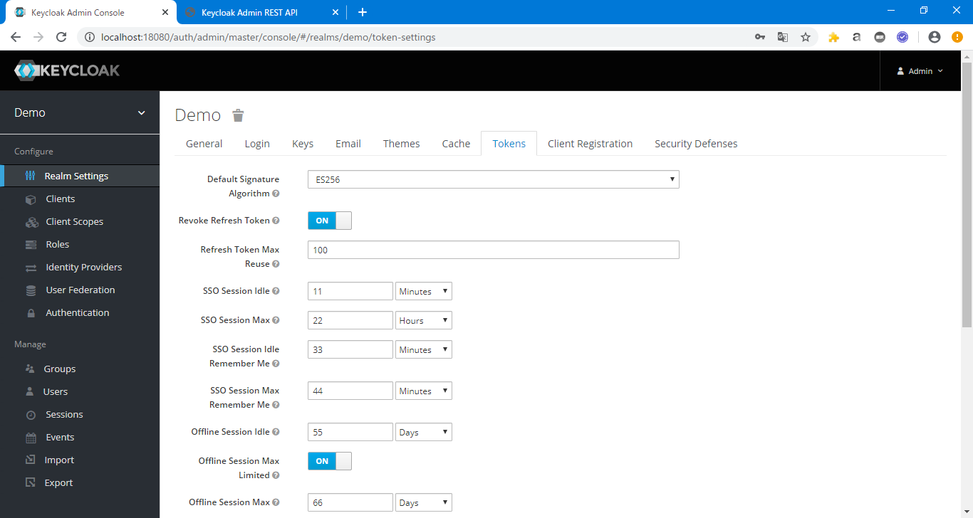
 |  |  |  |  |  | 画面とjsonプロパティの対応
 |  |  |  |  |  | 項目 | jsonプロパティ | 型
 |  |  |  |  |  | Default Signature Algorithm | defaultSignatureAlgorithm | String
 |  |  |  |  |  | Revoke Refresh Token | revokeRefreshToken | Boolean
 |  |  |  |  |  | Refresh Token Max Reuse | refreshTokenMaxReuse | Number
 |  |  |  |  |  | SSO Session Idle | ssoSessionIdleTimeout | Number
 |  |  |  |  |  | SSO Session Max | ssoSessionMaxLifespan | Number
 |  |  |  |  |  | SSO Session Idle Remember Me | ssoSessionIdleTimeoutRememberMe | Number
 |  |  |  |  |  | SSO Session Max Remember Me | ssoSessionMaxLifespanRememberMe | Number
 |  |  |  |  |  | Offline Session Idle | offlineSessionIdleTimeout | Number
 |  |  |  |  |  | Offline Session Max Limited | offlineSessionMaxLifespanEnabled | Boolean
 |  |  |  |  |  | Offline Session Max | offlineSessionMaxLifespan | Number
 |  |  |  |  |  | Access Token Lifespan | accessTokenLifespan | Number
 |  |  |  |  |  | Access Token Lifespan For Implicit Flow | accessTokenLifespanForImplicitFlow | Number
 |  |  |  |  |  | Client login timeout | accessCodeLifespan | Number
 |  |  |  |  |  | Login timeout | accessCodeLifespanLogin | Number
 |  |  |  |  |  | Login action timeout | accessCodeLifespanUserAction | Number
 |  |  |  |  |  | User-Initiated Action Lifespan | actionTokenGeneratedByUserLifespan | Number
 |  |  |  |  |  | Default Admin-Initiated Action Lifespan | actionTokenGeneratedByAdminLifespan | Number
 |  |  |  |  |  | Override User-Initiated Action Lifespan | - | -

 | [Securrity Defenses]タブ
 |  | 対応API
 |  |  | POST | http://{host}:{port}/auth/admin/realms/{realm}/ | -
 |  |  | PUT | http://{host}:{port}/auth/admin/realms/{realm}/ | putRealm.sh <json>
 |  |  | GET | http://{host}:{port}/auth/admin/realms/{realm}/ | getRealm.sh
 |  | サンプル画面 |  |  |  | 画面とjsonプロパティの対応
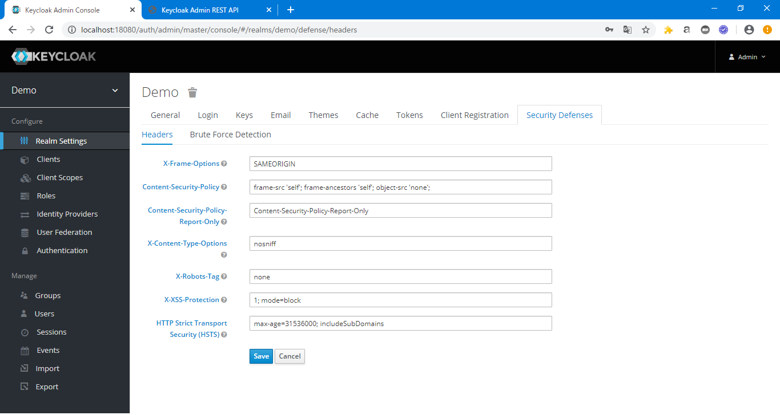
 |  |  |  |  |  | 項目 | jsonプロパティ
 |  |  |  |  |  | X-Frame-Options | browserSecurityHeaders.xFrameOptions
 |  |  |  |  |  | Content-Security-Policy | browserSecurityHeaders.contentSecurityPolicy
 |  |  |  |  |  | Content-Security-Policy-Report-Only | browserSecurityHeaders.contentSecurityPolicyReportOnly
 |  |  |  |  |  | X-Content-Type-Options | browserSecurityHeaders.xContentTypeOptions
 |  |  |  |  |  | X-Robots-Tag | browserSecurityHeaders.xRobotsTag
 |  |  |  |  |  | X-XSS-Protection | browserSecurityHeaders.xXSSProtection
 |  |  |  |  |  | HTTP Strict Transport Security (HSTS) | browserSecurityHeaders.strictTransportSecurity

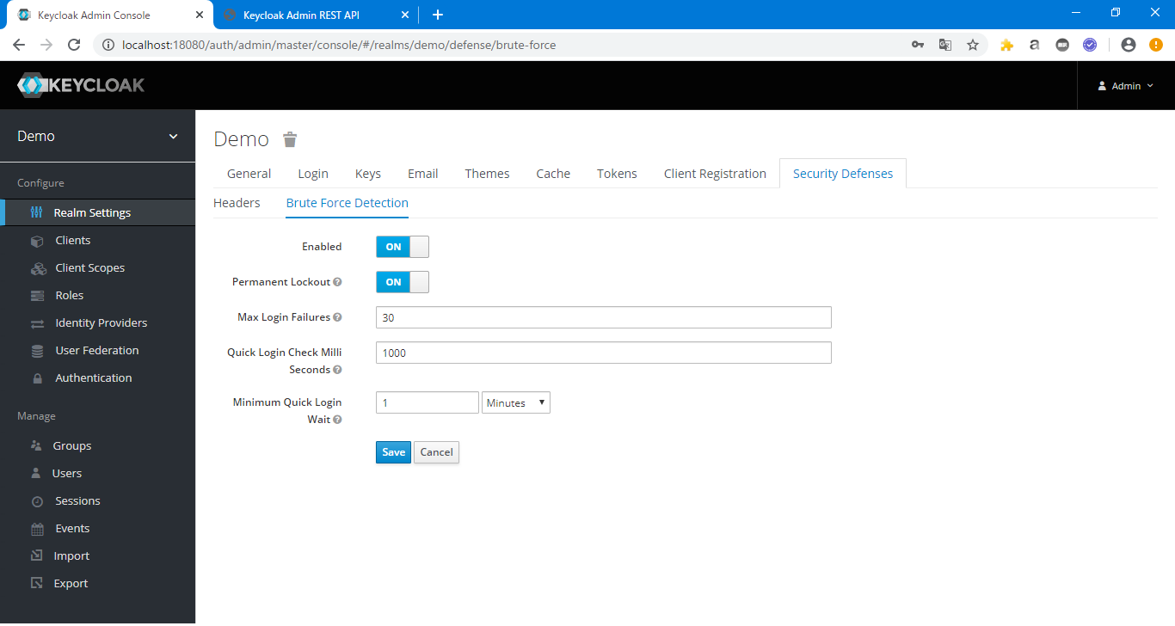
 |  |  |  |  |  | 画面とjsonプロパティの対応
 |  |  |  |  |  | 項目 | json
 |  |  |  |  |  | Enabled
 |  |  |  |  |  | Permanent Lockout | attributes.permanentLockout
 |  |  |  |  |  | Max Login Failures | attributes.maxDeltaTimeSeconds
 |  |  |  |  |  | Quick Login Check Milli Seconds | attributesquickLoginCheckMilliSeconds
 |  |  |  |  |  | Minimum Quick Login Wait | attributes.minimumQuickLoginWaitSeconds

Clients
■Clients
 | [settings]タブ
 |  | 対応API
 |  |  | POST | http://{host}:{port}/auth/admin/realms/{realm}/clients | -
 |  |  | PUT | http://{host}:{port}/auth/admin/realms/{realm}/clients/{clientid} | putClient.sh <json>
 |  |  | GET | http://{host}:{port}/auth/admin/realms/{realm}/clients?clientId={clientId} | getClient.sh <clientname>

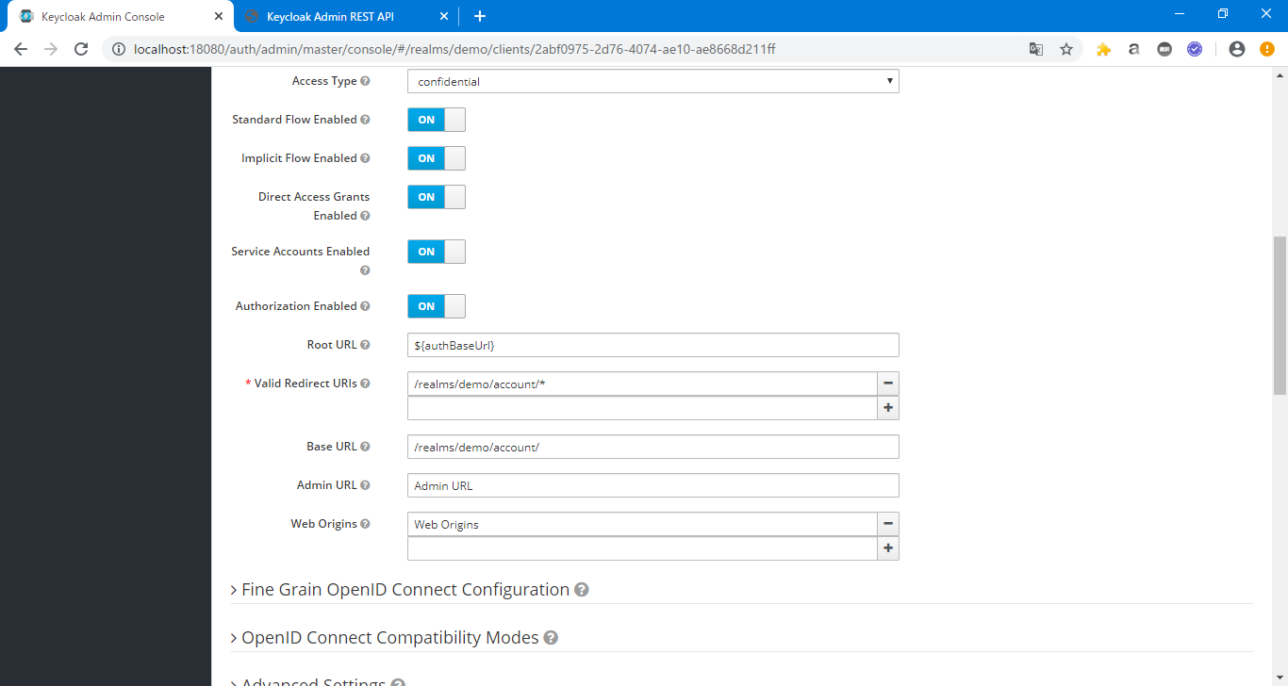
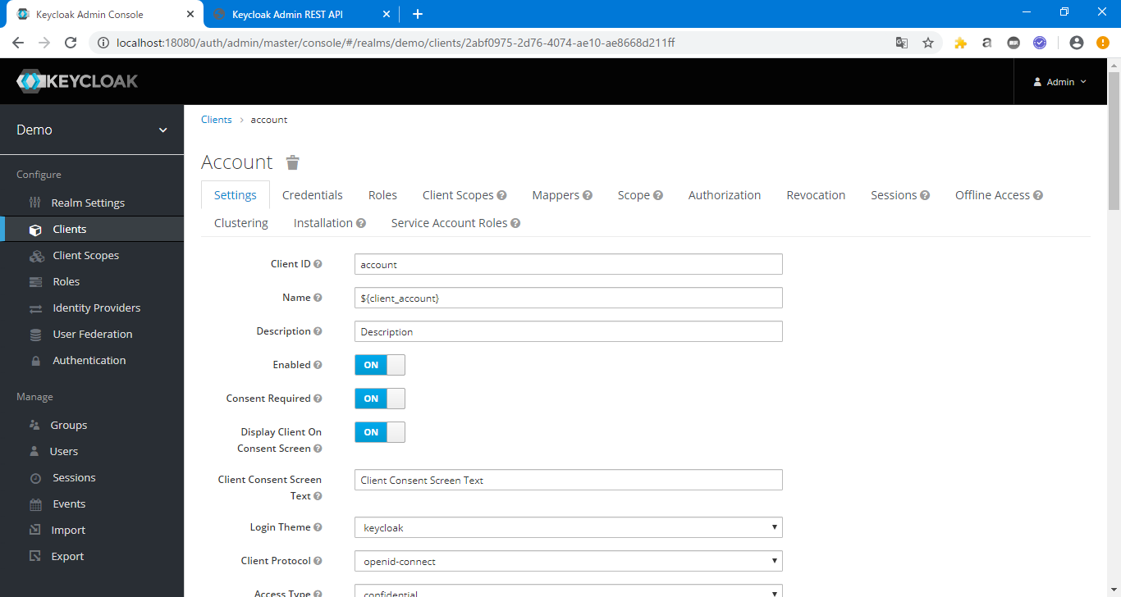
{
"id": "2abf0975-2d76-4074-ae10-ae8668d211ff",
"clientId": "account",
"name": "${client_account}",
"description": "Description",
"rootUrl": "${authBaseUrl}",
"adminUrl": "Admin URL",
"baseUrl": "/realms/demo/account/",
"surrogateAuthRequired": false,
"enabled": true,
"clientAuthenticatorType": "client-secret",
"defaultRoles": [
"manage-account",
"view-profile"
],
"redirectUris": [
"/realms/demo/account/*"
],
"webOrigins": [
"Web Origins"
],
"notBefore": 0,
"bearerOnly": false,
"consentRequired": true,
"standardFlowEnabled": true,
"implicitFlowEnabled": true,
"directAccessGrantsEnabled": true,
"serviceAccountsEnabled": true,
"authorizationServicesEnabled": true,
"publicClient": false,
"frontchannelLogout": false,
"protocol": "openid-connect",
"attributes": {
"saml.assertion.signature": "false",
"access.token.lifespan": "60",
"user.info.response.signature.alg": "HS384",
"id.token.encrypted.response.alg": "RSA-OAEP",
"saml.force.post.binding": "false",
"saml.multivalued.roles": "false",
"saml.encrypt": "false",
"login_theme": "keycloak",
"access.token.signed.response.alg": "ES256",
"saml.server.signature": "false",
"saml.server.signature.keyinfo.ext": "false",
"exclude.session.state.from.auth.response": "true",
"id.token.signed.response.alg": "ES384",
"consent.screen.text": "Client Consent Screen Text",
"saml_force_name_id_format": "false",
"saml.client.signature": "false",
"tls.client.certificate.bound.access.tokens": "true",
"saml.authnstatement": "false",
"display.on.consent.screen": "true",
"id.token.encrypted.response.enc": "A128CBC-HS256",
"pkce.code.challenge.method": "plain",
"saml.onetimeuse.condition": "false"
},
"authenticationFlowBindingOverrides": {
"direct_grant": "87dd156d-602e-4654-9bba-a441c59d8aab",
"browser": "28060181-3c0d-4dc7-a1af-ee30e118fd87"
},
"fullScopeAllowed": false,
"nodeReRegistrationTimeout": 0,
"protocolMappers": [
{
"id": "d8cc7474-2ba6-4ff1-95b2-9600c014395e",
"name": "Client ID",
"protocol": "openid-connect",
"protocolMapper": "oidc-usersessionmodel-note-mapper",
"consentRequired": false,
"config": {
"user.session.note": "clientId",
"id.token.claim": "true",
"access.token.claim": "true",
"claim.name": "clientId",
"jsonType.label": "String"
}
},
{
"id": "5ebaa40d-2e5a-4115-9233-c3497db30e0a",
"name": "Client Host",
"protocol": "openid-connect",
"protocolMapper": "oidc-usersessionmodel-note-mapper",
"consentRequired": false,
"config": {
"user.session.note": "clientHost",
"id.token.claim": "true",
"access.token.claim": "true",
"claim.name": "clientHost",
"jsonType.label": "String"
}
},
{
"id": "63356fc8-4a9c-4f85-8ff7-3d6b42ea3f2b",
"name": "Client IP Address",
"protocol": "openid-connect",
"protocolMapper": "oidc-usersessionmodel-note-mapper",
"consentRequired": false,
"config": {
"user.session.note": "clientAddress",
"id.token.claim": "true",
"access.token.claim": "true",
"claim.name": "clientAddress",
"jsonType.label": "String"
}
}
],
"defaultClientScopes": [
"role_list",
"profile",
"roles",
"email"
],
"optionalClientScopes": [
"address",
"phone",
"offline_access",
"microprofile-jwt"
],
"access": {
"view": true,
"configure": true,
"manage": true
}
}
 |  | サンプル画面 |  |  |  |  | 画面とjsonプロパティの対応 |  |  | JSONサンプル
 |  |  |  |  |  |  | 項目 | jsonプロパティ | 型
 |  |  |  |  |  |  | Client ID | clientId
 |  |  |  |  |  |  | Name | name
 |  |  |  |  |  |  | Description | description
 |  |  |  |  |  |  | Enabled | enabled
 |  |  |  |  |  |  | Consent Required | consentRequired
 |  |  |  |  |  |  | Display Client On Consent Screen | attributes."display.on.consent.screen"
 |  |  |  |  |  |  | Client Consent Screen Text | attributes."consent.screen.text"
 |  |  |  |  |  |  | Login Theme | attributes.login_theme
 |  |  |  |  |  |  | Client Protocol | protocol
 |  |  |  |  |  |  | Access Type
 |  |  |  |  |  |  | Standard Flow Enabled | standardFlowEnabled
 |  |  |  |  |  |  | Implicit Flow Enabled | implicitFlowEnabled
 |  |  |  |  |  |  | Direct Access Grants Enabled | directAccessGrantsEnabled
 |  |  |  |  |  |  | Service Accounts Enabled | serviceAccountsEnabled
 |  |  |  |  |  |  | Authorization Enabled | serviceAccountsEnabled
 |  |  |  |  |  |  | Root URL | rootUrl
 |  |  |  |  |  |  | Valid Redirect URIs | redirectUris | 配列
 |  |  |  |  |  |  | Base URL | baseUrl
 |  |  |  |  |  |  | Admin URL | adminUrl
 |  |  |  |  |  |  | Web Origins | webOrigins | 配列

 | [Client Scopes]タブ
 |  | 対応API
 |  |  | PUT | http://{host}:{port}/auth/admin/realms/{realm}/clients/{id}/optional-client-scopes/{clientScopeId} |  | addOptionalClientScopeByClients.sh
 |  |  | GET | http://{host}:{port}/auth/admin/realms/{realm}/clients/{id}/optional-client-scopes |  | getOptionalClientScopeByClients.sh <clientname>
 |  |  | DELETE | http://{host}:{port}/auth/admin/realms/{realm}/clients/{id}/optional-client-scopes |  | removeOptionalClientScopeByClients.sh

 |  |  | PUT | http://{host}:{port}/auth/admin/realms/{realm}/clients/{id}/default-client-scopes/{clientScopeId} |  | addDefaultClientScopeByClients.sh
 |  |  | GET | http://{host}:{port}/auth/admin/realms/{realm}/clients/{id}/default-client-scopes |  | getDefaultClientScopeByClients.sh <clientname>
 |  |  | DELETE | http://{host}:{port}/auth/admin/realms/{realm}/clients/{id}/default-client-scopes |  | removeDefaultClientByClients.sh

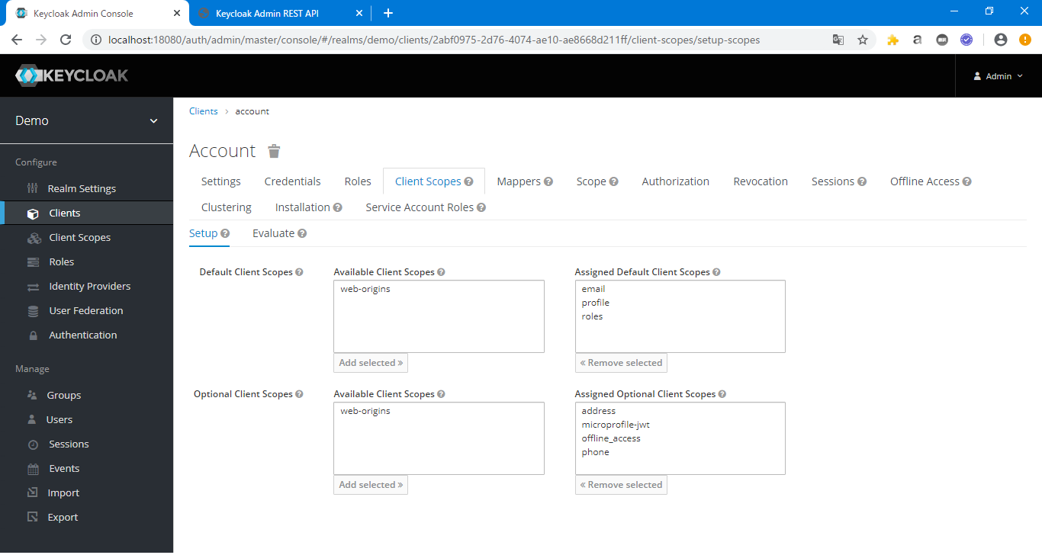
 |  | サンプル画面 |  |  |  |  | 画面とjsonプロパティの対応
 |  |  |  |  |  |  | 項目 | jsonプロパティ
 |  |  |  |  |  |  | Assigned Default Client Scopes | defaultClientScopes | 配列
 |  |  |  |  |  |  | Assigned Optional Client Scopes | optionalClientScopes | 配列

 | [Mappers]タブ
 |  | 対応API
 |  |  | PUT | http://{host}:{port}/auth/admin/realms/{realm}/clients/{id}/protocol-mappers/models/{id} |  | putProtocolMapperByClients.sh <json>
 |  |  | GET | http://{host}:{port}/auth/admin/realms/{realm}/clients/{id}/protocol-mappers/models/{id} |  | getProtocolMapperByClients.sh <ClientName> <Mapping Name>

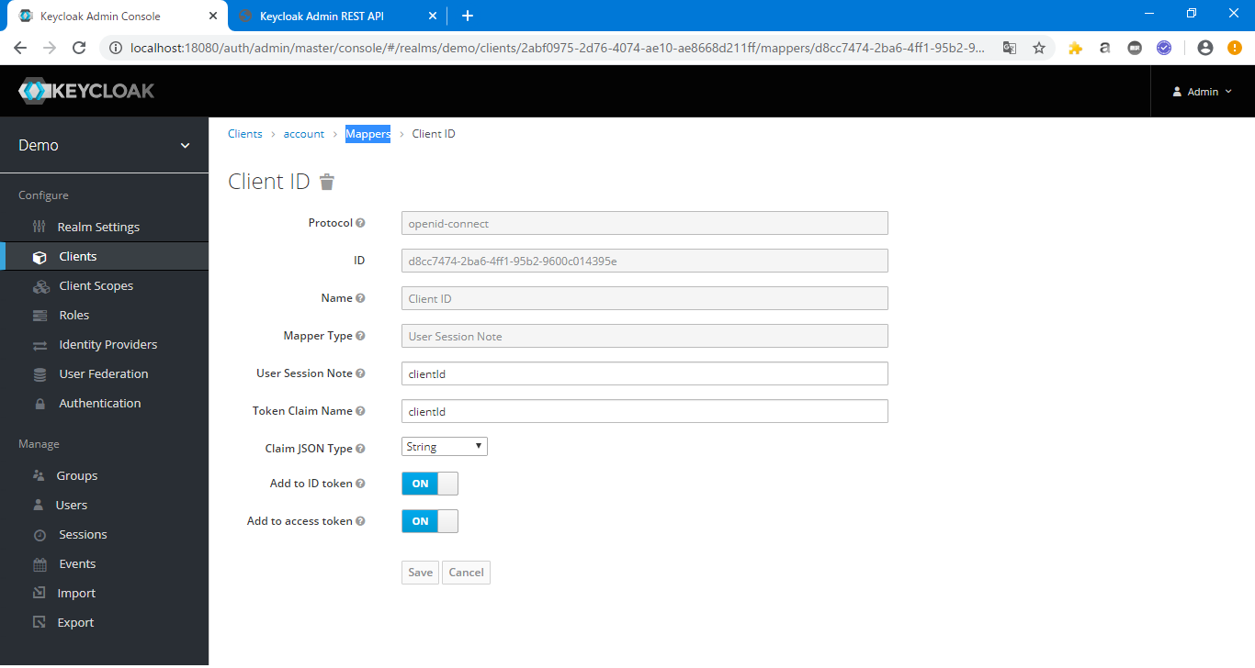
 |  | サンプル画面 |  |  |  |  | 画面とjsonプロパティの対応
 |  |  |  |  |  |  | 項目 | jsonプロパティ
 |  |  |  |  |  |  | Protocol | protocolMappers.protocol
 |  |  |  |  |  |  | ID | protocolMappers.id
 |  |  |  |  |  |  | Name | protocolMappers.name
 |  |  |  |  |  |  | Mapper Type | -
 |  |  |  |  |  |  | User Session Note | protocolMappers."user.session.note"
 |  |  |  |  |  |  | Token Claim Name | protocolMappers."claim.name"
 |  |  |  |  |  |  | Claim JSON Type | protocolMappers."jsonType.label"
 |  |  |  |  |  |  | Add to ID token | protocolMappers.user.session.note"
 |  |  |  |  |  |  | Add to access token | protocolMappers."user.session.note"

 | [Scope]タブ
 |  | 対応API
 |  |  | POST | http://{host}:{port}/auth/admin/realms/{realm}/client/{id}/scope-mappings/realm |  | addScopeMappingsByClient.sh
 |  |  | GET | http://{host}:{port}/auth/admin/realms/{realm}/client/{id}/scope-mappings/realm |  | getScopeMappingsByClients.sh <clientname>

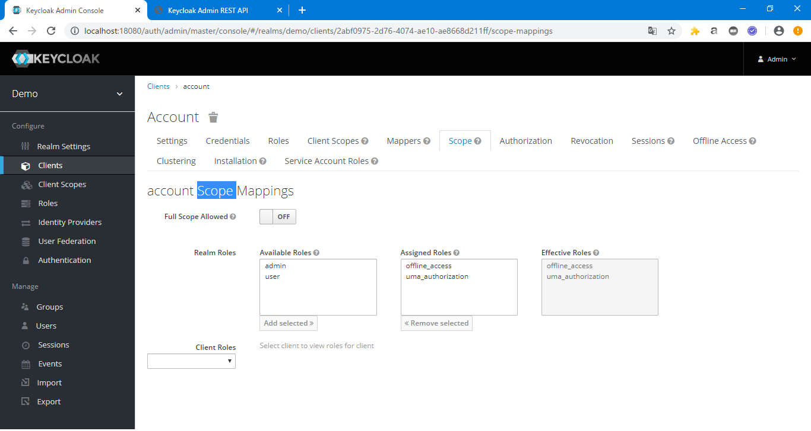
 |  | サンプル画面 |  |  |  |  | 画面とjsonプロパティの対応
 |  |  |  |  |  |  | 項目 | jsonプロパティ
 |  |  |  |  |  |  | Full Scope Allowed | fullScopeAllowed
 |  |  |  |  |  |  | Realm Roles
 |  |  |  |  |  |  | Client Roles

 | [Role]タブ
 |  | 対応API
 |  |  | POST | http://{host}:{port}/auth/admin/realms/{realm}/clients/{id}/roles |  | postRoleByClients.sh
 |  |  | GET | http://{host}:{port}/auth/admin/realms/{realm}/clients/{id}/roles |  | getRoleByClients.sh <ClientName>

 |  | サンプル画面
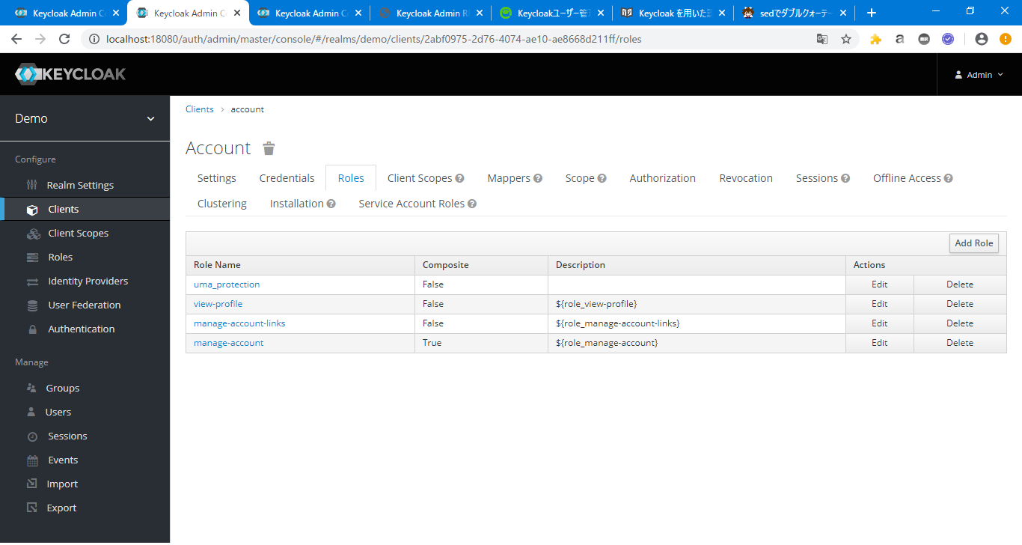

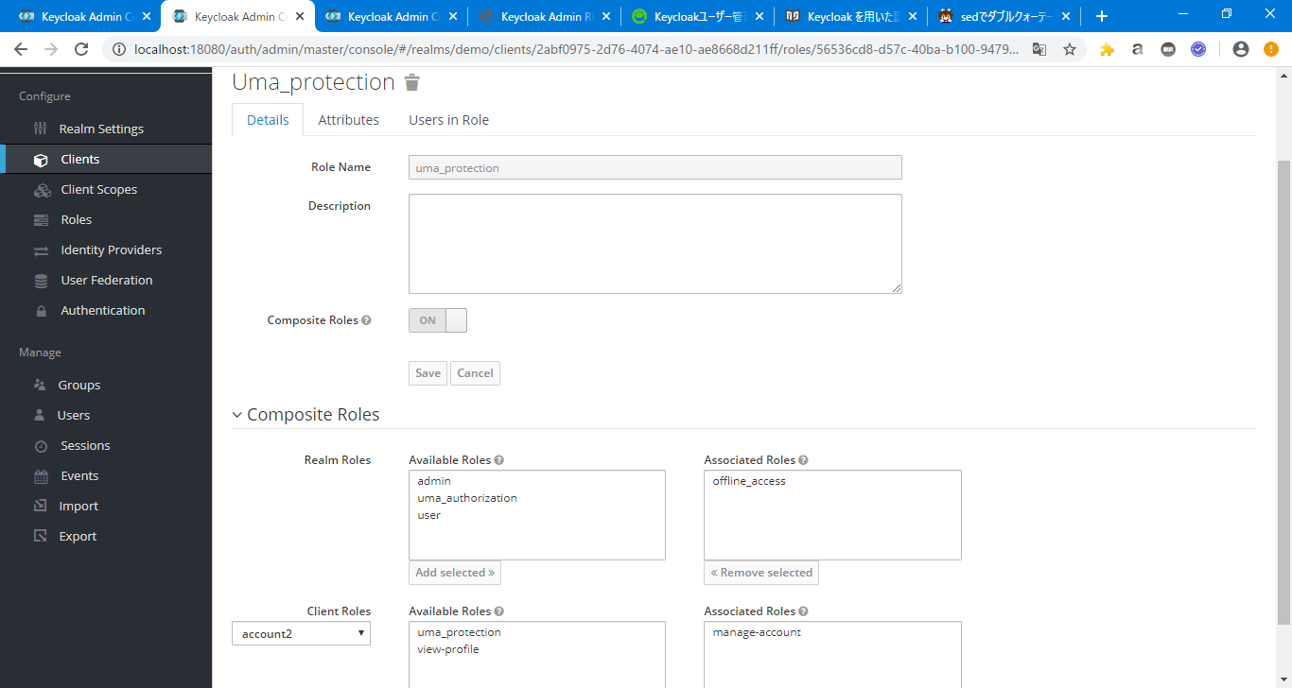
 |  |  |  |  |  |  | 画面とjsonプロパティの対応
 |  |  |  |  |  |  | 項目 | jsonプロパティ
 |  |  |  |  |  |  | Role Name | name
 |  |  |  |  |  |  | Description | description
 |  |  |  |  |  |  | Composite Roles | composite

Client Scopes
■Client Scopes
 | [settings]タブ
 |  | 対応API
 |  |  | POST | http://{host}:{port}/auth/admin/realms/{realm}/client-scopes | postClientScopes.sh
 |  |  | PUT
 |  |  | GET | http://{host}:{port}/auth/admin/realms/{realm}/client-scopes | getClientScopes.sh


{
"id": "aef00b02-a9b6-4e88-b39f-88567bacb91b",
"name": "address",
"description": "OpenID Connect built-in scope: address",
"protocol": "openid-connect",
"attributes": {
"include.in.token.scope": "true",
"display.on.consent.screen": "true",
"gui.order": "GUI order",
"consent.screen.text": "${addressScopeConsentText}"
},
"protocolMappers": [
{
"id": "0fcf8f75-643a-47d9-9d52-63d39b70aa66",
"name": "address",
"protocol": "openid-connect",
"protocolMapper": "oidc-address-mapper",
"consentRequired": false,
"config": {
"user.attribute.formatted": "formatted",
"user.attribute.country": "country",
"user.attribute.postal_code": "postal_code",
"userinfo.token.claim": "true",
"user.attribute.street": "street",
"id.token.claim": "true",
"user.attribute.region": "region",
"access.token.claim": "true",
"user.attribute.locality": "locality"
}
}
]
}
 |  | サンプル画面 |  |  |  | 画面とjsonプロパティの対応 |  |  | JSONサンプル
 |  |  |  |  |  | 項目 | jsonプロパティ
 |  |  |  |  |  | Name | name
 |  |  |  |  |  | Description | description
 |  |  |  |  |  | Protocol | protocol
 |  |  |  |  |  | Display On Consent Screen | attributes."display.on.consent.screen"
 |  |  |  |  |  | Consent Screen Text | attributes."consent.screen.text"
 |  |  |  |  |  | Include In Token Scope | attributes."include.in.token.scope"
 |  |  |  |  |  | GUI order | attributes."gui.order"

 | [mappers]タブ
 |  | 対応API
 |  |  | POST | http://{host}:{port}/auth/admin/realms/{realm}/client-scopes | postClientScopes.sh
 |  |  | PUT
 |  |  | GET | http://{host}:{port}/auth/admin/realms/{realm}/client-scopes | getClientScopes.sh

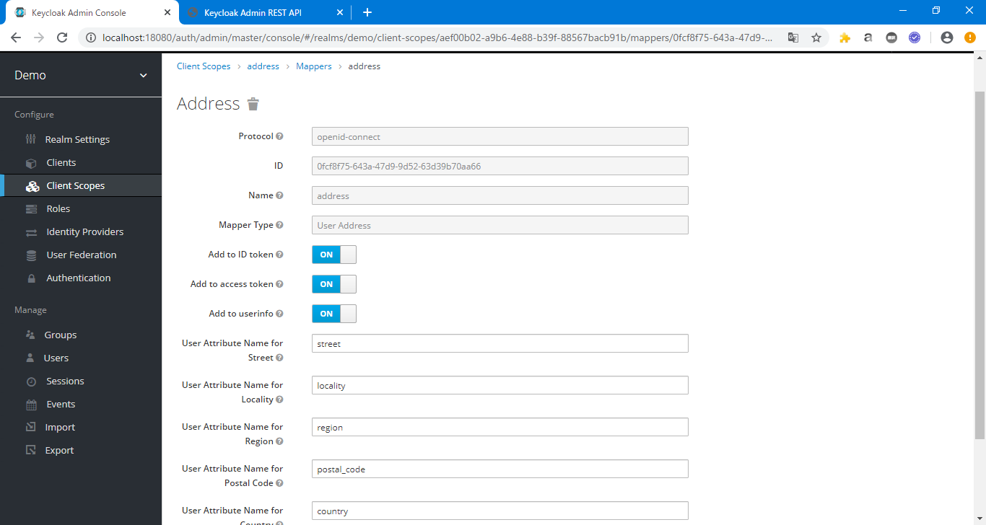
 |  | サンプル画面 |  |  |  | 画面とjsonプロパティの対応
 |  |  |  |  |  | 項目 | jsonプロパティ
 |  |  |  |  |  | Protocol | protocolMappers.protocol
 |  |  |  |  |  | ID | protocolMappers.id
 |  |  |  |  |  | Name | protocolMappers.name
 |  |  |  |  |  | Mapper Type | -
 |  |  |  |  |  | Add to ID token | protocolMappers.config."id.token.claim"
 |  |  |  |  |  | Add to access token | protocolMappers.config."access.token.claim"
 |  |  |  |  |  | Add to userinfo | protocolMappers.config."userinfo.token.claim"
 |  |  |  |  |  | User Attribute Name for Street | protocolMappers.config."user.attribute.street"
 |  |  |  |  |  | User Attribute Name for Locality | protocolMappers.config."user.attribute.locality"
 |  |  |  |  |  | User Attribute Name for Region | protocolMappers.config."user.attribute.region"
 |  |  |  |  |  | User Attribute Name for Postal Code | protocolMappers.config."user.attribute.postal_code"
 |  |  |  |  |  | User Attribute Name for Country | protocolMappers.config."user.attribute.country"
 |  |  |  |  |  | User Attribute Name for Formatted Address | protocolMappers.config."user.attribute.formatted"

 | [Scope]タブ
 |  | 対応API
 |  |  | POST | http://{host}:{port}/auth/admin/realms/{realm}/client-scopes/{id}/scope-mappings/realm | addScopeMappingsByClientScope.sh
 |  |  | GET | http://{host}:{port}/auth/admin/realms/{realm}/client-scopes/{id}/scope-mappings/realm | getScopeMappingsByClientScope.sh


 |  | サンプル画面 |  |  |  | 画面とjsonプロパティの対応
 |  |  |  |  |  | 項目 | jsonプロパティ
 |  |  |  |  |  | [Realm Roles] - Assigned Roles | realmMappings | 配列
 |  |  |  |  |  | [Client Roles] - Assigned Roles | clientMappings

User Federation
■User Federation

 | 対応API
 |  | PUT
 |  | GET | http://{host}:{port}/auth/admin/realms/{realm}/components?parent={realm}&type=org.keycloak.storage.UserStorageProvider | getUserFederation.sh

[
{
"id": "e53bccc4-dacb-44a3-b5d5-437c63e8adb8",
"name": "ldap",
"providerId": "ldap",
"providerType": "org.keycloak.storage.UserStorageProvider",
"parentId": "demo",
"config": {
"fullSyncPeriod": [
"-1"
],
"pagination": [
"true"
],
"connectionPooling": [
"true"
],
"usersDn": [
"cn"
],
"cachePolicy": [
"DEFAULT"
],
"useKerberosForPasswordAuthentication": [
"false"
],
"importEnabled": [
"true"
],
"enabled": [
"true"
],
"usernameLDAPAttribute": [
"cn"
],
"bindDn": [
"0.0.0.0"
],
"bindCredential": [
"**********"
],
"changedSyncPeriod": [
"-1"
],
"vendor": [
"ad"
],
"uuidLDAPAttribute": [
"objectGUID"
],
"allowKerberosAuthentication": [
"false"
],
"connectionUrl": [
"http://aaa"
],
"syncRegistrations": [
"false"
],
"authType": [
"simple"
],
"debug": [
"false"
],
"searchScope": [
"1"
],
"useTruststoreSpi": [
"ldapsOnly"
],
"priority": [
"0"
],
"trustEmail": [
"false"
],
"userObjectClasses": [
"person, organizationalPerson, user"
],
"rdnLDAPAttribute": [
"cn"
],
"validatePasswordPolicy": [
"false"
],
"batchSizeForSync": [
"1000"
]
}
}
]
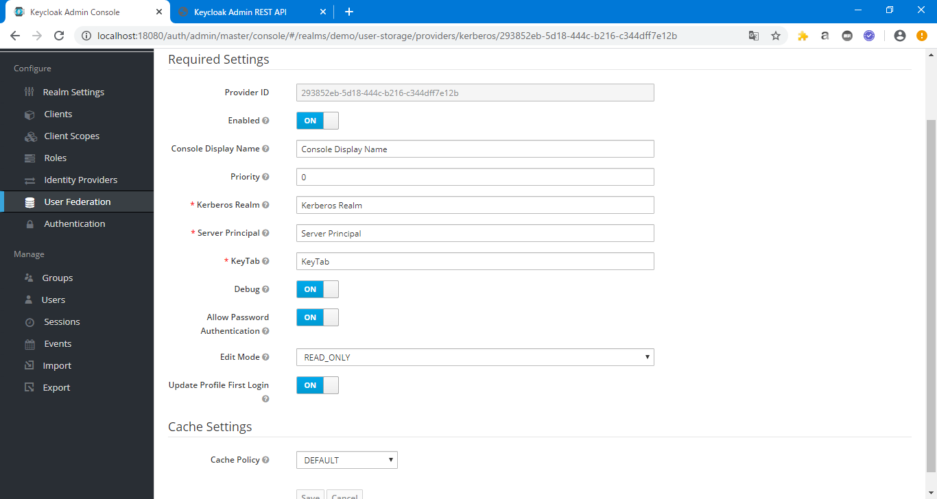
 | サンプル画面 |  |  |  | 画面とjsonプロパティの対応 |  |  | JSONサンプル
 |  |  |  |  | 項目 | jsonプロパティ
 |  |  |  |  | Provider ID | id
 |  |  |  |  | Enabled | config.enabled
 |  |  |  |  | Console Display Name | name
 |  |  |  |  | Priority | config.priority | 配列
 |  |  |  |  | Kerberos Realm | config.kerberosRealm | 配列
 |  |  |  |  | Server Principal | config.serverPrincipal | 配列
 |  |  |  |  | KeyTab | config.keyTab | 配列
 |  |  |  |  | Debug | config.debug | 配列
 |  |  |  |  | Allow Password Authentication | config.allowPasswordAuthentication | 配列
 |  |  |  |  | Edit Mode | config.editMode | 配列
 |  |  |  |  | Update Profile First Login | config.updateProfileFirstLogin | 配列
 |  |  |  |  | Cache Policy | config.cachePolicy | 配列

