Sheet1
timestamp | dailyreturn | benchmark | cumdailyreturn | cumbenchmark | timestamp | portfoliovalue | Ticker | Exchange | Name | Position | VWAP | Cost | Market Quote | Market Value | P/L | Currency | VType
10/28/14 |  |  | 100 | 100 | 10/28/14 | 10000000 | AMP | NYS | AMERIPRISE FINCL | 240 | 51.2755 | -12,306.12 | 132.09 | 31,701.60 | 19,395.48 | USD | Stock
10/29/14 | -0.0015 | -0.0013853555326 | 99.85 | 99.861464447 | 10/29/14 | 9985376.6678 | BA | NYS | BOEING CO | 1,597 | 116.3415 | -185,797.38 | 129.95 | 207,530.15 | 21,732.77 | USD | Stock
10/31/14 | 0.0225 | 0.018034606265 | 102.096625 | 101.66242664 | 10/31/14 | 10210661.671 | CAS.TO | TOR | CASCADES INC | 20,287 | 6.61 | -134,097.07 | 7.31 | 148,297.97 | 14,200.90 | CAD | Stock
11/3/14 | 0.00540533 | -0.00011892668665 | 102.64849095 | 101.65033626 | 11/3/14 | 10267404.855 | CELG.O | NSQ | CELGENE CORP | 2,232 | 106.1752 | -236,983.05 | 113.52 | 253,376.64 | 16,393.59 | USD | Stock
11/4/14 | 0.002452157 | -0.0028298006254 | 102.90020117 | 101.36268608 | 11/4/14 | 10292582.14 | EOG | NYS | EOG RESOURCES | 1,768 | 91.70 | -162,130.02 | 92.24 | 163,080.32 | 950.30 | USD | Stock
11/5/14 | 0.003199131 | 0.005700511903 | 103.22939239 | 101.94050528 | 11/5/14 | 10325509.457 | KMI | NYS | KINDER MORGAN | 3,613 | 35.68 | -128,921.23 | 42.81 | 154,672.53 | 25,751.30 | USD | Stock
11/6/14 | 0.005187343 | 0.0037755056657 | 103.76487866 | 102.32538223 | 11/6/14 | 10379071.412 | SNY | NYS | SANOFI | 6,765 | 47.40 | -320,633.94 | 45.52 | 307,942.80 | -12,691.14 | USD | Stock
11/7/14 | -0.004880247 | 0.00034954534489 | 103.25848042 | 102.36114959 | 11/7/14 | 10328418.985 | TD | NYS | TORONTO DOMIN | 5,861 | 47.9288 | -280,910.70 | 46.91 | 274,939.51 | -5,971.19 | USD | Stock
11/10/14 | 0.0010604898922 | 0.0031202015827 | 103.36798499 | 102.68053701 | 11/10/14 | 10339371.726 | VNQ | PCQ | VNGRD REIT | 13,050 | 77.4559 | -1,010,799.50 | 82.22 | 1,072,971.00 | 62,171.51 | USD | Stock
11/11/14 | -0.000160551 | 0.00069667265216 | 103.35138916 | 102.75207174 | 11/11/14 | 10337711.568 | WFC | NYS | WELLS FARGO & CO | 11,326 | 53.9617 | -611,170.21 | 54.7 | 619,532.20 | 8,361.99 | USD | Stock
11/12/14 | -0.000855508 | -0.00070109036712 | 103.26297122 | 102.68003325 | 11/12/14 | 10328867.774 | XLB | PCQ | SS SPDR MATRIALS | 5,865 | 46.68 | -273,778.20 | 48.65 | 285,332.25 | 11,554.05 | USD | Stock
11/13/14 | 0.006585523 | 0.00052986630688 | 103.94301189 | 102.73443994 | 11/13/14 | 10396888.984 | XLE | PCQ | SS SPDR ENRGY | 5,544 | 85.2588 | -472,674.79 | 79.53 | 440,914.32 | -31,760.47 | USD | Stock
11/14/14 | -0.005501453 | 0.00024027499228 | 103.3711743 | 102.75912446 | 11/14/14 | 10339690.547 | XLF | PCQ | SS SPDR FNANCIAL | 21,171 | 23.1369 | -489,831.31 | 24.73 | 523,558.83 | 33,727.52 | USD | Stock
11/17/14 | 0.0022192155341 | 0.00073535900226 | 103.60057721 | 102.8346893 | 11/17/14 | 10362637.171 | XLI | PCQ | SS SPDR INDUSTRL | 10,266 | 55.1012 | -565,668.92 | 56.51 | 580,131.66 | 14,462.74 | USD | Stock
11/18/14 | 0.005768802 | 0.0051339329453 | 104.19822843 | 103.3626357 | 11/18/14 | 10422417.034 | XLK | PCQ | SS SPDR TECHNLGY | 46,562 | 40.7128 | -1,895,669.39 | 41.3 | 1,923,010.60 | 27,341.21 | USD | Stock
11/19/14 | 0.00183633 | -0.001501120967 | 104.38957076 | 103.20747588 | 11/19/14 | 10441555.821 | XLP | PCQ | SS SPDR CONS STP | 17,814 | 46.3652 | -825,949.67 | 48.35 | 861,306.90 | 35,357.23 | USD | Stock
11/20/14 | -0.000317673 | 0.0019670818853 | 104.35640901 | 103.41049344 | 11/20/14 | 10438238.714 | XLU | PCQ | SS SPDR UTILITIS | 5,987 | 44.4629 | -266,199.38 | 47.44 | 284,023.28 | 17,823.90 | USD | Stock
11/21/14 | -0.002876635 | 0.0052368773596 | 104.05621371 | 103.95204151 | 11/21/14 | 10408212.308 | XLV | PCQ | SS SPDR HLT CRE | 10,160 | 64.3343 | -653,636.49 | 68.63 | 697,280.80 | 43,644.31 | USD | Stock
11/24/14 | 0.0066764591251 | 0.0028640659074 | 104.75094077 | 104.24976701 | 11/24/14 | 10477701.522 | XLY | PCQ | SS SPDR CONS DIS | 14,826 | 67.2146 | -996,523.66 | 71.63 | 1,061,986.38 | 65,462.72 | USD | Stock
11/25/14 | -0.00169207 | -0.0011500862565 | 104.57369485 | 104.12987078 | 11/25/14 | 10459972.894
11/26/14 | 0.001203445 | 0.0028059583073 | 104.69954354 | 104.42205486 | 11/26/14 | 10472560.724
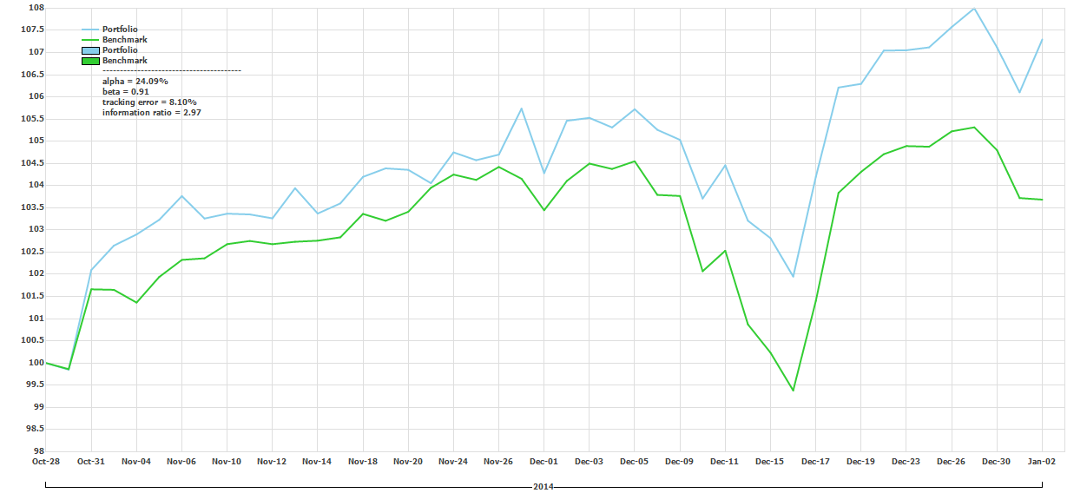
11/28/14 | 0.0099034991389 | -0.0025424178539 | 105.73643538 | 104.15657036 | 11/28/14 | 10576276.218
12/1/14 | -0.013746520379 | -0.0068293060419 | 104.28292731 | 103.44525327 | 12/1/14 | 10430888.686
12/2/14 | 0.011315814 | 0.0063844086022 | 105.46297352 | 104.10569003 | 12/2/14 | 10548923.284
12/3/14 | 0.000627173 | 0.003764728654 | 105.52911705 | 104.49761971 | 12/3/14 | 10555539.196
12/4/14 | -0.002053993 | -0.0011618209253 | 105.31236098 | 104.37621219 | 12/4/14 | 10533858.174
12/5/14 | 0.003906166 | 0.0016651222055 | 105.72372855 | 104.55001133 | 12/5/14 | 10575004.71
12/8/14 | -0.0043897841487 | -0.0072565373885 | 105.2596242 | 103.79134027 | 12/8/14 | 10528583.46
12/9/14 | -0.002151002 | -0.00023782828798 | 105.03321054 | 103.76665575 | 12/9/14 | 10505936.077
12/10/14 | -0.012601923 | -0.016350943286 | 103.70959011 | 102.06997305 | 12/10/14 | 10373541.143
12/11/14 | 0.007234752 | 0.0045357181636 | 104.45990327 | 102.53293368 | 12/11/14 | 10448591.311
12/12/14 | -0.011974055 | -0.016213586986 | 103.20909464 | 100.87050704 | 12/12/14 | 10323478.687
12/15/14 | -0.0038229371191 | -0.0063426108584 | 102.81453277 | 100.23072467 | 12/15/14 | 10284012.558
12/16/14 | -0.008410627 | -0.0084890155456 | 101.94979808 | 99.379864487 | 12/16/14 | 10197517.851
12/17/14 | 0.022076352 | 0.020352403256 | 104.20047771 | 101.40248356 | 12/17/14 | 10422642.423
12/18/14 | 0.019318902 | 0.024015221895 | 106.21351653 | 103.83768671 | 12/18/14 | 10623996.295
12/19/14 | 0.000779368 | 0.0045700867928 | 106.29629594 | 104.31223395 | 12/19/14 | 10632276.316
12/22/14 | 0.0070527712534 | 0.0038103977012 | 107.0459794 | 104.70970505 | 12/22/14 | 10707262.855
 |  |  |  |  | 12/23/14 | 10708008.472

