Sheet1
timestamp | dailyreturn | benchmark | cumdailyreturn | cumbenchmark | timestamp | portfoliovalue | Ticker | Exchange | Name | Position | VWAP | Cost | Market Quote | Market Value | P/L | Currency | VType
10/28/14 |  |  | 100 | 100 | 10/28/14 | 10000000 | AMP | NYS | AMERIPRISE FINCL | 2,413 | 123.89 | -298,946.57 | 132.17 | 318,926.21 | 19,979.64 | USD | Stock
10/29/14 | -0.0015 | -0.0013853555326 | 99.85 | 99.861464447 | 10/29/14 | 9985376.6678 | BA | NYS | BOEING CO | 2,836 | 124.48 | -353,025.28 | 134.81 | 382,321.16 | 29,295.88 | USD | Stock
10/31/14 | 0.0225 | 0.018034606265 | 102.096625 | 101.66242664 | 10/31/14 | 10210661.671 | CELG.O | NSQ | CELGENE CORP | 1,922 | 105.16 | -202,117.52 | 111.07 | 213,476.54 | 11,359.02 | USD | Stock
11/3/14 | 0.00540533 | -0.00011892668665 | 102.64849095 | 101.65033626 | 11/3/14 | 10267404.855 | EOG | NYS | EOG RESOURCES | 3,398 | 93.15 | -316,523.70 | 96.74 | 328,722.52 | 12,198.82 | USD | Stock
11/4/14 | 0.002452157 | -0.0028298006254 | 102.90020117 | 101.36268608 | 11/4/14 | 10292582.14 | ESZ4 | IOM | EMINI S&P DEC4 | -24 | 1,976.50 | 0.00 | 2,068.25 | 0.00 | -110,100.00 | USD | Future
11/5/14 | 0.003199131 | 0.005700511903 | 103.22939239 | 101.94050528 | 11/5/14 | 10325509.457 | KMI | NYS | KINDER MORGAN | 7,595 | 38.46 | -292,103.70 | 40.75 | 309,496.25 | 17,392.55 | USD | Stock
11/6/14 | 0.005187343 | 0.0037755056657 | 103.76487866 | 102.32538223 | 11/6/14 | 10379071.412 | MHH | ASQ | MASTECH HOLDINGS | 32,151 | 11.85 | -380,989.35 | 11.58 | 372,308.58 | -8,680.77 | USD | Stock
11/7/14 | -0.004880247 | 0.00034954534489 | 103.25848042 | 102.36114959 | 11/7/14 | 10328418.985 | SNY | NYS | SANOFI | 1,435 | 45.19 | -64,847.65 | 47.65 | 68,377.75 | 3,530.10 | USD | Stock
11/10/14 | 0.0010604898922 | 0.0031202015827 | 103.36798499 | 102.68053701 | 11/10/14 | 10339371.726 | TD | NYS | TORONTO DOMIN | 7,558 | 48.56 | -367,016.48 | 50.48 | 381,527.84 | 14,511.36 | USD | Stock
11/11/14 | -0.000160551 | 0.00069667265216 | 103.35138916 | 102.75207174 | 11/11/14 | 10337711.568 | VNQ | PCQ | VNGRD REIT | 12,893 | 77.42 | -998,176.06 | 79.6 | 1,026,282.80 | 28,106.74 | USD | Stock
11/12/14 | -0.000855508 | -0.00070109036712 | 103.26297122 | 102.68003325 | 11/12/14 | 10328867.774 | WFC | NYS | WELLS FARGO & CO | 1,482 | 52.18 | -77,330.76 | 53.88 | 79,850.16 | 2,519.40 | USD | Stock
11/13/14 | 0.006585523 | 0.00052986630688 | 103.94301189 | 102.73443994 | 11/13/14 | 10396888.984 | XLB | PCQ | SS SPDR MATRIALS | 6,335 | 46.9345 | -297,330.06 | 50.26 | 318,397.10 | 21,067.04 | USD | Stock
11/14/14 | -0.005501453 | 0.00024027499228 | 103.3711743 | 102.75912446 | 11/14/14 | 10339690.547 | XLE | PCQ | SS SPDR ENRGY | 1,871 | 84.8246 | -158,706.83 | 86.39 | 161,635.69 | 2,928.86 | USD | Stock
11/17/14 | 0.0022192155341 | 0.00073535900226 | 103.60057721 | 102.8346893 | 11/17/14 | 10362637.171 | XLF | PCQ | SS SPDR FNANCIAL | 27,684 | 23.42 | -648,359.28 | 24.35 | 674,105.40 | 25,746.12 | USD | Stock
11/18/14 | 0.005768802 | 0.0051339329453 | 104.19822843 | 103.3626357 | 11/18/14 | 10422417.034 | XLI | PCQ | SS SPDR INDUSTRL | 7,439 | 54.22 | -403,342.58 | 57.5 | 427,742.50 | 24,399.92 | USD | Stock
11/19/14 | 0.00183633 | -0.001501120967 | 104.38957076 | 103.20747588 | 11/19/14 | 10441555.821 | XLK | PCQ | SS SPDR TECHNLGY | 27,696 | 39.79 | -1,102,023.84 | 41.91 | 1,160,739.36 | 58,715.52 | USD | Stock
11/20/14 | -0.000317673 | 0.0019670818853 | 104.35640901 | 103.41049344 | 11/20/14 | 10438238.714 | XLP | PCQ | SS SPDR CONS STP | 16,377 | 46.17 | -756,126.09 | 48.46 | 793,629.42 | 37,503.33 | USD | Stock
11/21/14 | -0.002876635 | 0.0052368773596 | 104.05621371 | 103.95204151 | 11/21/14 | 10408212.308 | XLU | PCQ | SS SPDR UTILITIS | 6,080 | 44.48 | -270,438.40 | 45.32 | 275,545.60 | 5,107.20 | USD | Stock
11/24/14 | 0.0066764591251 | 0.0028640659074 | 104.75094077 | 104.24976701 | 11/24/14 | 10477701.522 | XLV | PCQ | SS SPDR HLT CRE | 14,372 | 65.69 | -944,096.68 | 68.76 | 988,218.72 | 44,122.04 | USD | Stock
 |  |  |  |  |  |  | XLY | PCQ | SS SPDR CONS DIS | 13,518 | 66.86 | -903,813.48 | 70.96 | 959,237.28 | 55,423.80 | USD | Stock
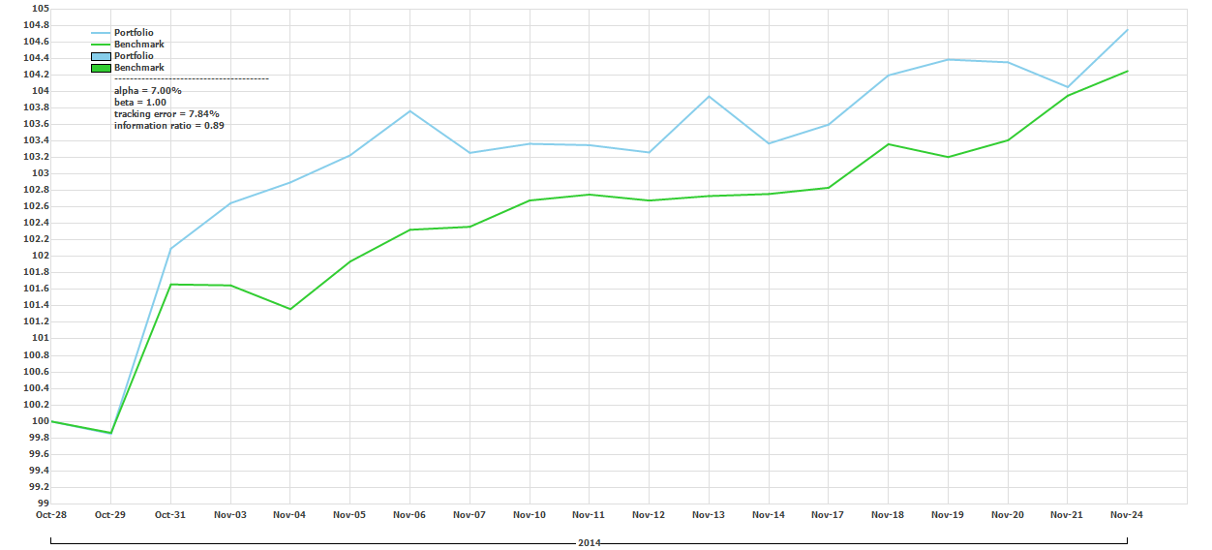

 |  |  |  |  |  |  |  | note we closed out a lot of positions today , in the middle of rebalancing

