Sheet1
timestamp | portfoliovalue
10/28/14 | 10000000
10/29/14 | 9985376.6678
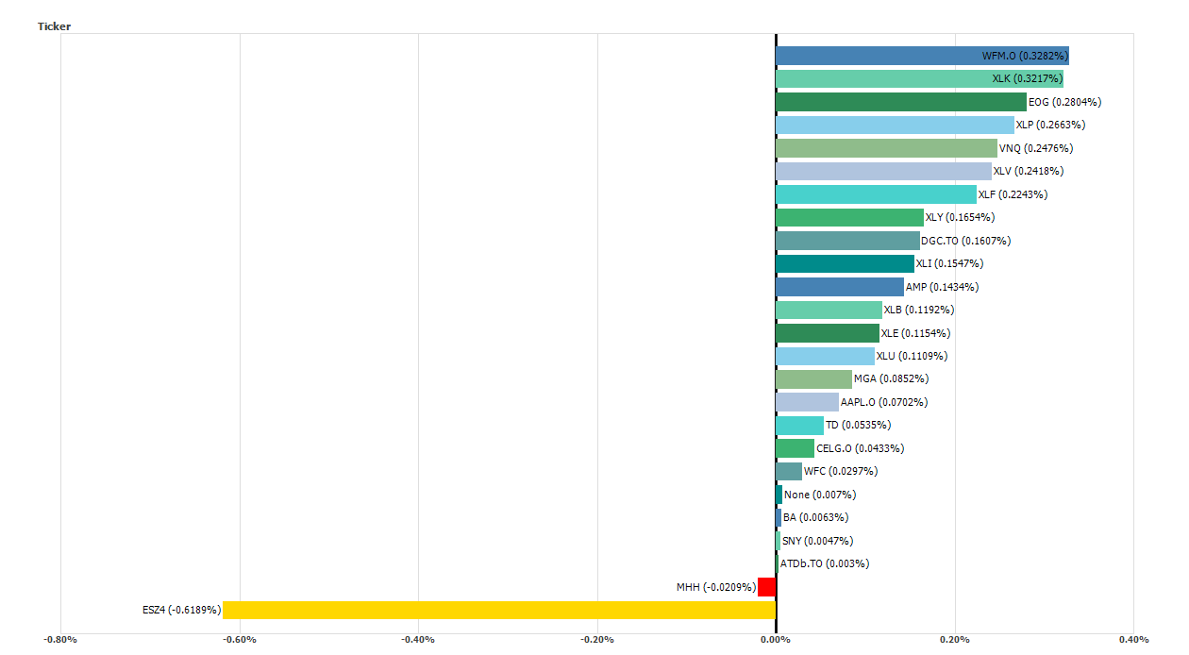
10/31/14 | 10210661.671
11/1/14 | 10210738.859
11/2/14 | 10224619.305
11/3/14 | 10267404.855
11/4/14 | 10292582.14
11/5/14 | 10325509.457
11/6/14 | 10379071.412
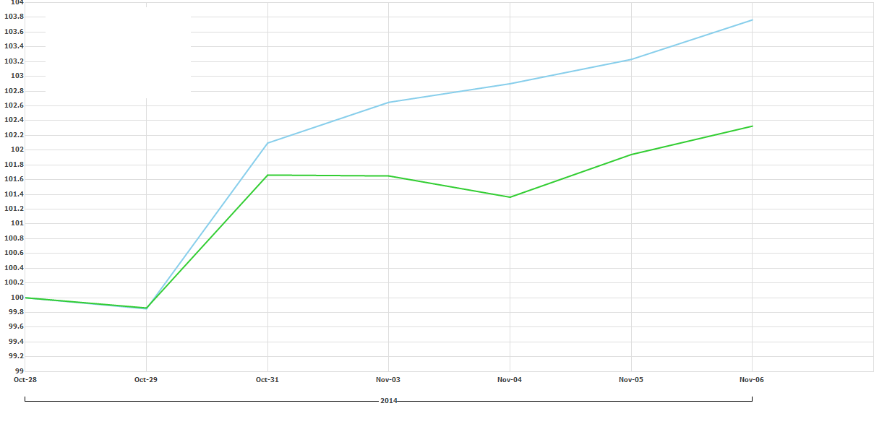

 |  | ESZ4 is our short of the S&P500 future

Green is the S&P500
Blue is our portfolio

