Sheet1
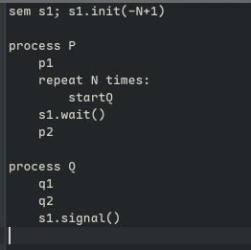
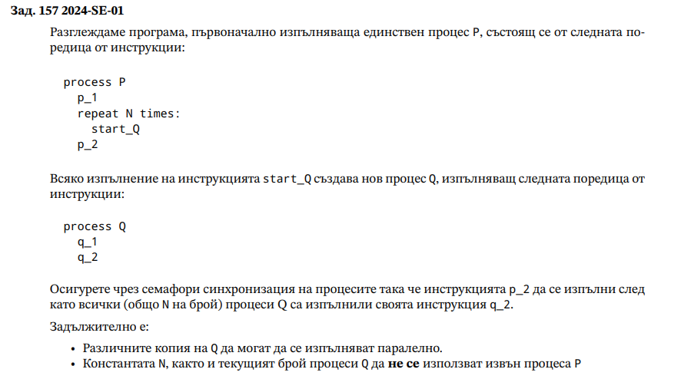
s1.int(0) s2.init(0)

P | Q
p1 | q1 |  | p1<q2
s1.signal() | s1.wait() |  | q2<p3
p2 | q2
s2.wait() | s2.signal()
p3 | q3

s1.init(0)

P | Q | R
p1 | q1 | r1 | p1<q2
s1.signal() | s1.wait() | s1.wait() | p1<r2
p2 | s1.signal() | s1.signal()
p3 | q2 | r2
 | q3 | r3

s1.init(0)
s2.init(0)

P | Q
p1 | s1.wait() |  | p1<q1
s1.signal() | q1 |  | q1<p2
s2.wait() | s2.signal() |  | p2<q2
p2 | s1.wait() |  | q2<p3
s1.signal() | q2 |  | p3<q3
s2.wait() | s2.signal()
p3 | s1.wait()
s1.signal() | q3

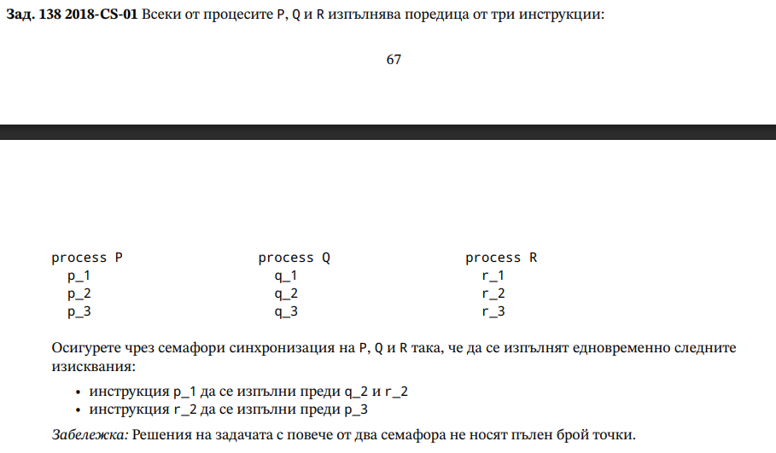
s1.init(0)
s2.init(0)

P | Q | R
p1 | q1 | r1 | p1<q2
s1.signal() | s1.wait() | s1.wait() | p1<r2
p2 | s1.signal() | s1.signal() | r2<p3
s2.wait() | q2 | r2
p3 | q3 | s2.signal()
 |  | r3

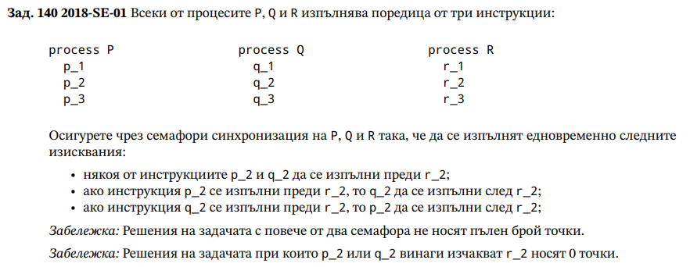
s1.init(0)
s2.init(1)

P | Q | R | p2||q2<r2
p1 | q1 | r1 | r2<q2
s2.wait() | s2.wait() | s1.wait() | r2<p2
p2 | q2 | r2
s1.signal() | s1.signal() | s2.signal()
p3 | q3 | r3

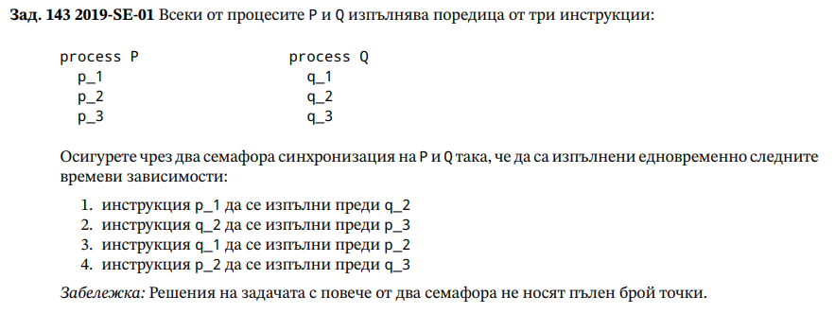
s1.init(0)
s2.init(0)

P | Q |  | p1<q2
p1 | q1 |  | q2<p3
s1.signal() | s2.signal() |  | q1<p2
s2.wait() | s1.wait() |  | p2<q3
p2 | q2
s1.signal() | s2.signal()
s2.wait() | s1.wait()
p3 | q3

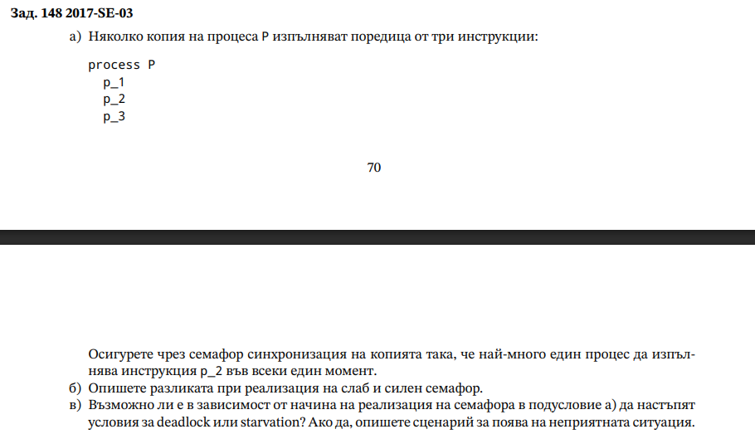
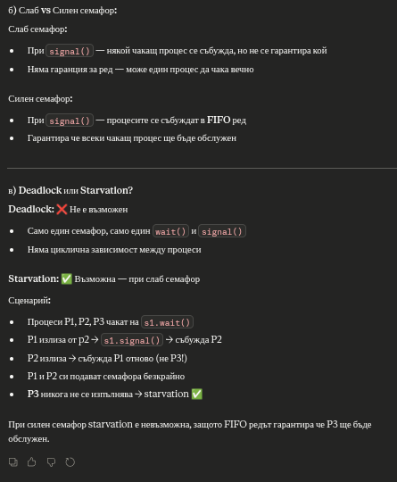
s1.init(1)

P*
p1
s1.wait()
p2
s1.signal()
p3

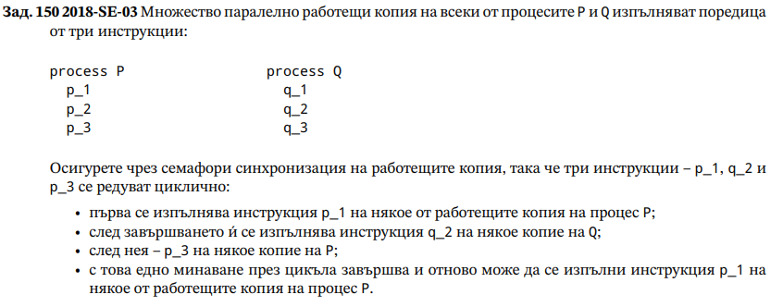
s1.init(0) |  |  |  | s3.init(1)
s2.init(0)

P* | Q* |  | p1<q2
s3.wait() | q1 |  | q2<p3
p1 | s1.wait() |  | p3<p1
s1.signal() | q2
p2 | s2.signal()
s2.wait() | q3
p3
s3.signal()

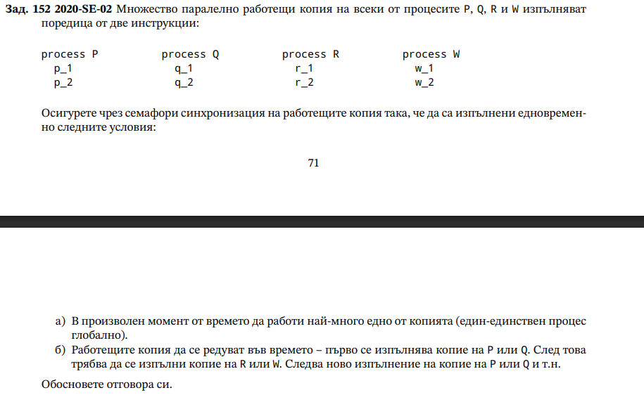
s1.init(0)
s2.init(1)

P | Q | R | W
s2.wait() | s2.wait() | s1.wait() | s1.wait()
p1 | q1 | r1 | w1
p2 | q2 | r2 | w2
s1.signal() | s1.signal() | s2.signal() | s2.signal()

 |  |  | P||Q->R||W

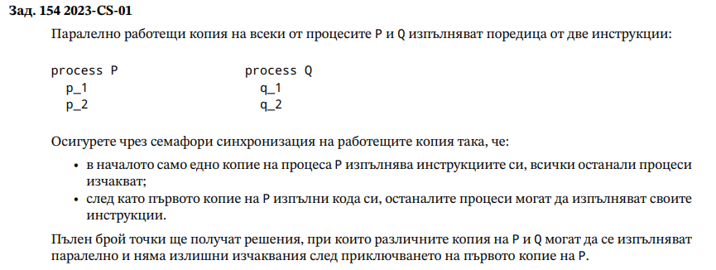
s1.init(1); firstdone=false
s2.init(0)

P* | Q*
s1.wait() | s2.wait()
if(!firstdone) { | s2.signal()
p1 | s1.signal()
p2 | q1
firstdone=true | q2
s1.signal()
s2.signal() }
else {
s1.signal()
s2.signal()
p1
p2}

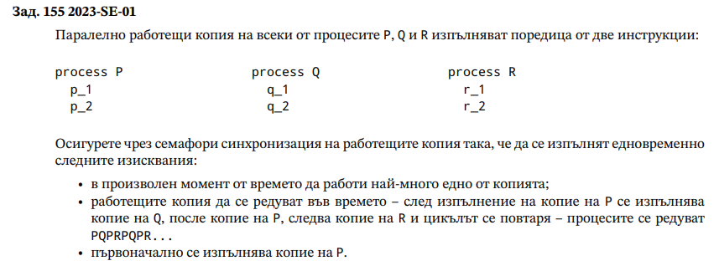
s1.init(1) m.init(1)
s2.init(0) s3.init(0)

P* | Q* | R*
s1.wait() | s2.wait() | s3.wait()
p1 | q1 | r1
p2 | q2 | r2
m.wait() | s1.signal() | s1.signal()
if(odd){
odd=false
m.signal()
s2.signal()}
else{
odd=true
m.signal()
s3.signal()}

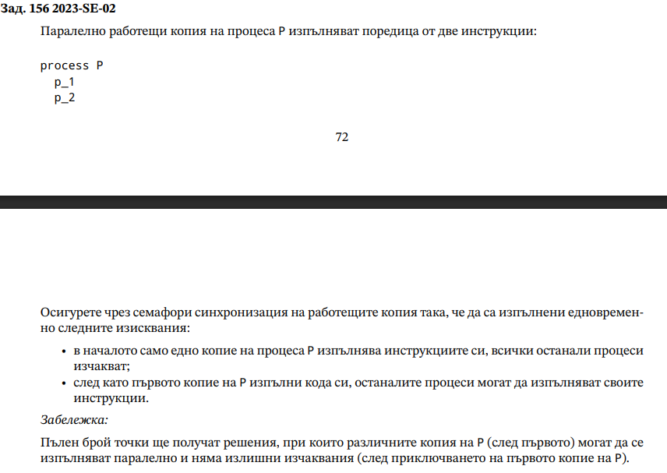
s1.init(1)

P*
s1.wait()
p1
p2
s1.signal()*n

