Sheet
 |  | Umpire Scorecard

 |  |  | MTSU @ GT
 |  |  | 09/29/2024

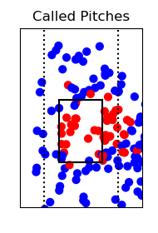
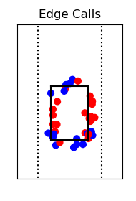
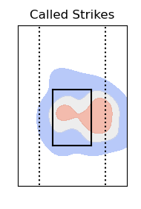

Total Accuracy |  |  |  | Edge Accuracy

Pitch | Total | Misses | Accuracy | Pitch | Total | Misses | Accuracy
Change | 4 | 1 | 75.0% | Change | 3 | 1 | 66.7%
Curve | 17 | 4 | 76.5% | Curve | 5 | 2 | 60.0%
Drop | 26 | 3 | 88.5% | Drop | 5 | 1 | 80.0%
Rise | 11 | 2 | 81.8% | Rise | 2 | 1 | 50.0%
Screw | 10 | 3 | 70.0% | Screw | 1 | 1 | 0.0%

Total | 68 | 13 | 80.9% | Total | 16 | 6 | 62.5%

In Zone Accuracy |  |  |  | Out of Zone Accuracy

Pitch | Total | Misses | Accuracy | Pitch | Total | Misses | Accuracy
Change | 3 | 1 | 66.7% | Change | 1 | 0 | 100%
Curve | 5 | 1 | 80.0% | Curve | 12 | 3 | 75.0%
Drop | 6 | 1 | 83.3% | Drop | 20 | 2 | 90.0%
Rise | 2 | 1 | 50.0% | Rise | 9 | 1 | 88.9%
Screw | 2 | 1 | 50.0% | Screw | 8 | 2 | 75.0%

Total | 18 | 5 | 72.2% | Total | 50 | 8 | 84.0%

