Sheet
 |  | Umpire Scorecard

 |  |  | @ GT
 |  |  | 11/12/2024

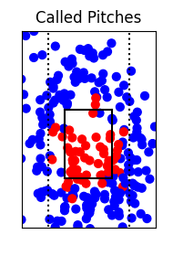
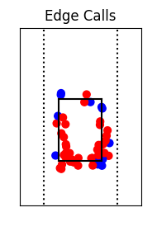
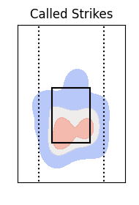

Total Accuracy |  |  |  | Edge Accuracy

Pitch | Total | Misses | Accuracy | Pitch | Total | Misses | Accuracy

Total | 265 | 22 | 91.7% | Total | 49 | 15 | 69.4%

In Zone Accuracy |  |  |  | Out of Zone Accuracy

Pitch | Total | Misses | Accuracy | Pitch | Total | Misses | Accuracy

Total | 56 | 11 | 80.4% | Total | 209 | 11 | 94.7%

 |  |  | Erin Dixson

