Sheet
 |  | Umpire Scorecard

 |  |  | Troy @ GT
 |  |  | 10/20/24

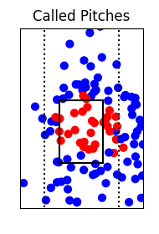
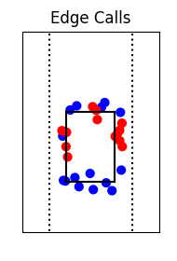
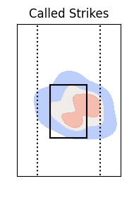

Total Accuracy |  |  |  | Edge Accuracy

Pitch | Total | Misses | Accuracy | Pitch | Total | Misses | Accuracy
Change | 21 | 6 | 71.4% | Change | 8 | 5 | 37.5%
Curve | 28 | 4 | 85.7% | Curve | 4 | 2 | 50.0%
Drop | 31 | 5 | 83.9% | Drop | 8 | 3 | 62.5%
Fast | 8 | 1 | 87.5% | Fast | 1 | 0 | 100%
Rise | 19 | 3 | 84.2% | Rise | 5 | 2 | 60.0%
Screw | 4 | 1 | 75.0%
Total | 111 | 20 | 82.0% | Total | 26 | 12 | 53.8%

In Zone Accuracy |  |  |  | Out of Zone Accuracy

Pitch | Total | Misses | Accuracy | Pitch | Total | Misses | Accuracy
Change | 11 | 5 | 54.5% | Change | 10 | 1 | 90.0%
Curve | 9 | 4 | 55.6% | Curve | 19 | 0 | 100%
Drop | 9 | 3 | 66.7% | Drop | 22 | 2 | 90.9%
Fast | 1 | 0 | 100% | Fast | 7 | 1 | 85.7%
Rise | 5 | 0 | 100% | Rise | 14 | 3 | 78.6%
 |  |  |  | Screw | 4 | 1 | 75.0%
Total | 35 | 12 | 65.7% | Total | 76 | 8 | 89.5%

