fantom_II
276568 | 1 | 1: default lineage exists without unnecessary
363364 | 2 | 2: default lineage exists with additional taxa (sub/super) in between
201190 | 3 | 3: default lineage does not exist but there are additional taxa found in between default ones.
268542 | 4 | 4: de fault lineage does not exist and there is no additional taxa found in between the lacking taxon hierarchy

 |  | 1. How many of those groups are in different divisions?
 |  | 2. Check for an alternative solution for group 4.
 |  | 3. Write a logger for the changed taxa!

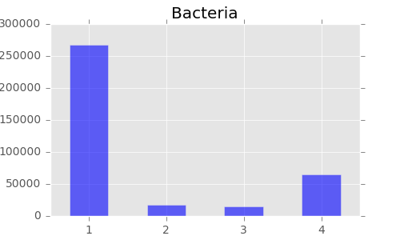
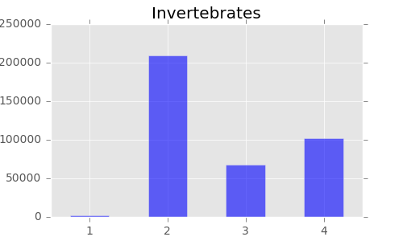
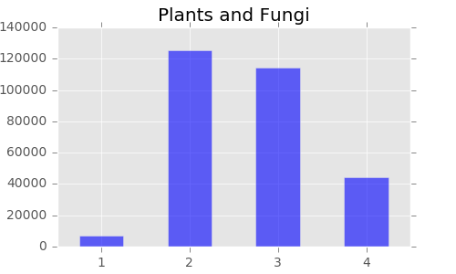

All Divisions

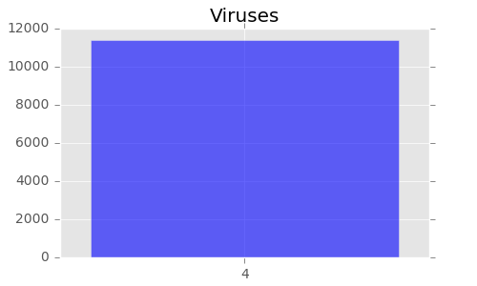
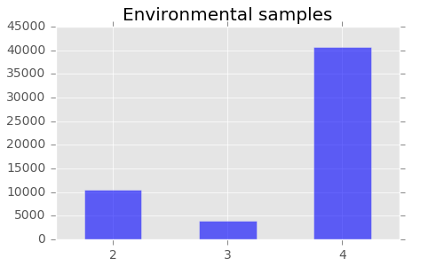
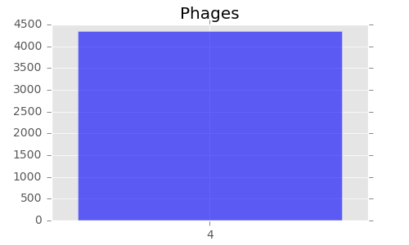

410845 | Bacteria
448214 | Invertebrates
59564 | Environmental samples
5466 | Phages
335625 | Plants and Fungi
155601 | Viruses

0 | Mammals
0 | Primates
0 | Rodents
0 | Synthetic and Chimeric
0 | Unassigned
0 | Vertebrates

