GUIDE | TRL Scale
Please be guided with the following definition and classifications of PhilRice technologies when filling out the form.

TECHNOLOGY- refers to products, processes, and/or practices that resolve a problem, address a need, or hasten a process by applying scientific knowledge and principles.

CLASSIFICATION OF DA-PHILRICE TECHNOLOGIES |  | TECHNOLOGY READINESS LEVEL (TRL) SCALE

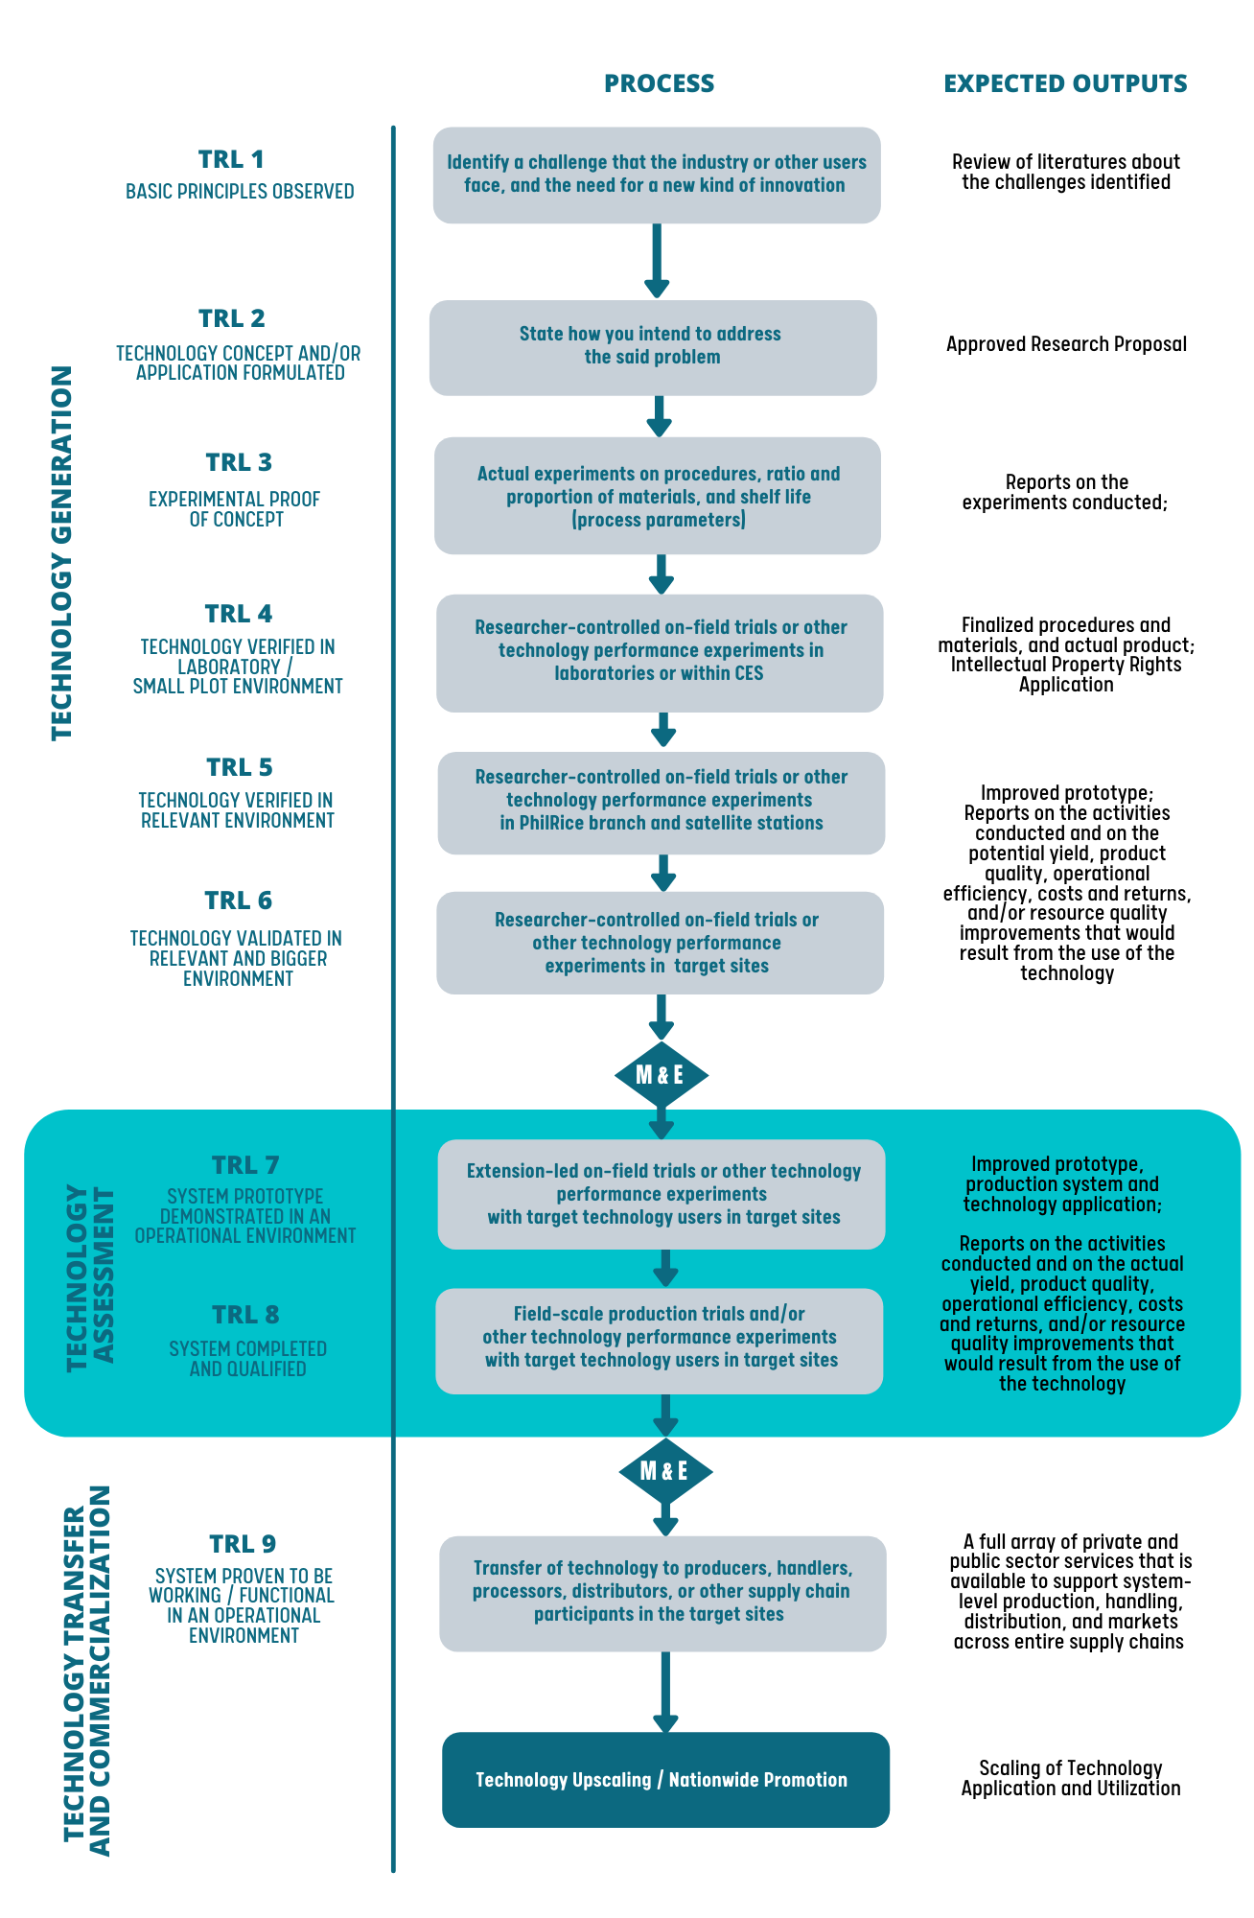
PRODUCT takes the form of physical goods and tangible things. This classification may include rice-based food products, farm machinery and equipment, and bio-control products or fertilizers, and the like. | DIAGNOSTIC/DECISION SUPPORT TOOL guides a user in assessing the rice fields particularly with its deficiencies. Some examples of this kind of technology are the Minus-One Element Technique (MOET) Kit, MOET App, and the Leaf Color Computing App (LCC App).
INFORMATION are knowledge products or information systems that carry valuable socioeconomic and technical data for policy formulation and follow-up R&D activities.
SERVICE includes the activities and facilities that are being offered by PhilRice to enhance the extension and delivery of existing programs and policies (e.g. text center, trainings, analytical services. | PROCESS refers to systems, models or strategies that may be implemented for the improvement of the management, utilization, production, and post-production of resources, among others. Examples of this kind of tecnology include the PalayCheck System and Palayamanan.

