Summary
Section | Actual Count | Expected Count | Percentage Completed
Producer | 78 | 200 | 39
Consumer | 86 | 200 | 43
ACM | 8 | 200 | 4
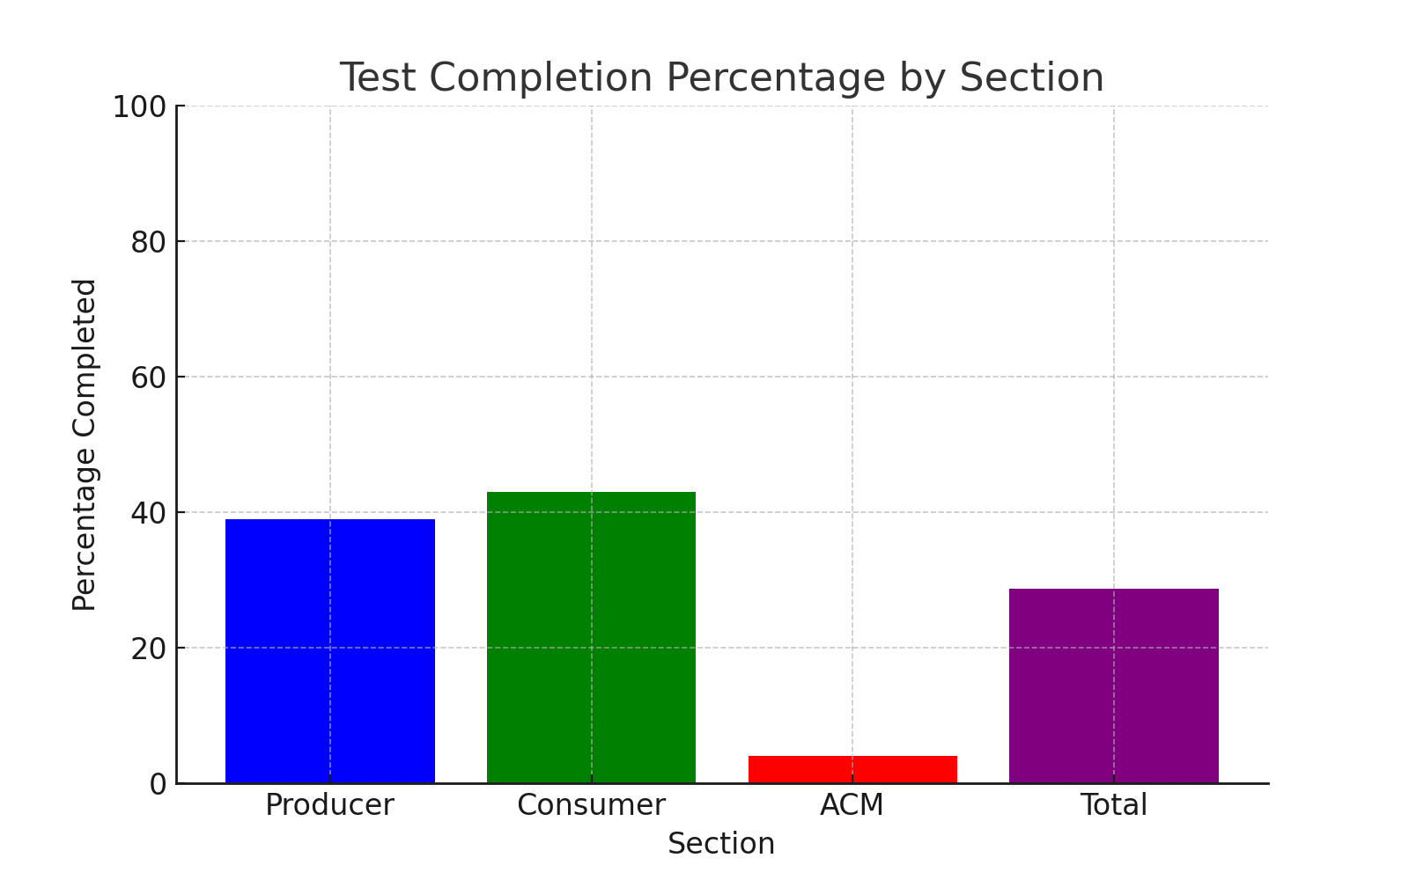
Total | 172 | 600 | 28.67

