Retail Items
Maroons Soccer Club 2012 |  | Total Quantity Ordered:
Prepared by: Axis Promotions |  | Total $ Amount Ordered:
To Place Your Order: Step 1: Use this form to mark the items you are ordering by size Step 2: Email the completed order form to both addresses: mmessina@axispromo.com and kimdevir@optonline.net Step 3: Be sure to add $14.95 to your order for shipping Step 4: Send Payment for items plus $14.95 shipping to: Carolyn Muccio 118 Lincoln Avenue Ridgewood, NJ 07450 *Please make checks payable to MSC |  | Ship To Name: Address: Phone #: Email Address:
Item 1 - Charles River Youth Championship Jacket (Maroon/White) | Description | Art | Price | Order Quantity Youth Small | Order Quantity Youth Medium | Order Quantity Youth Large | Order Quantity Youth X-Large
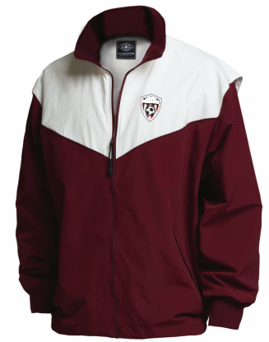 | Youth Championship Jacket Maroon/White MSC Logo Embroider on Left Chest |  | $55.00
Item 2 - Charles River Adult Championship Jacket (Maroon/White) | Description | Art | Price | Order Quantity Adult Small | Order Quantity Adult Medium | Order Quantity Adult Large | Order Quantity Adult X-Large | Order Quantity Adult 2X
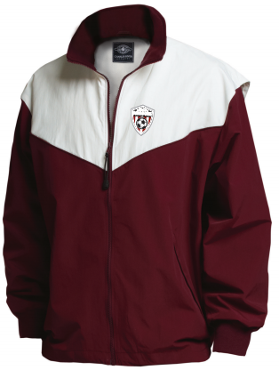 | Championship Jacket Maroon/White MSC Logo Embroider on Left Chest |  | $55.00
Item 3 - Charles River Youth Teampro Pants (Maroon/White) | Description | Art | Price | Order Quantity Youth Small | Order Quantity Youth Medium | Order Quantity Youth Large | Order Quantity Youth XL
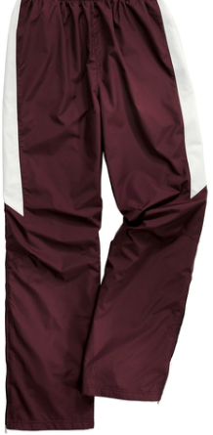 | Youth Teampro Wind Pants Maroon/White MSC Logo Embroider mid-shin |  | $55.00
Item 4 - Charles River Championship Pants(Maroon) | Description | Art | Price | Order Quantity Adult Small | Order Quantity Adult Medium | Order Quantity Adult Large | Order Quantity Adult X-Large | Order Quantity Adult 2X
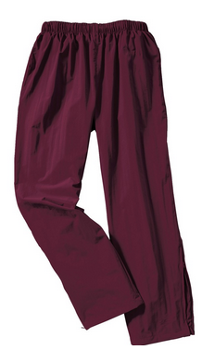 | Championship Pants Maroon MSC Logo Embroider on Mid-Shin |  | $45.00
Item 5 -Charles River Enterprise Jacket (Maroon) | Description | Art | Price | Order Quantity Adult Small | Order Quantity Adult Medium | Order Quantity Adult Large | Order Quantity Adult X-Large | Order Quantity Adult 2X
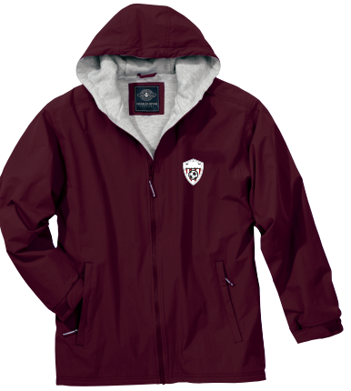 | Enterprise Jacket Maroon MSC Logo Embroider on Left Chest |  | $65.00
Item 6 -Charles River Youth Performer Jacket (Maroon) | Description | Art | Price | Order Quantity Youth Small | Order Quantity Youth Medium | Order Quantity Youth Large | Order Quantity Youth X-Large
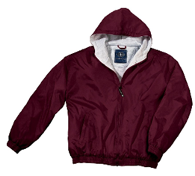 | Youth Preformer Jacket MSC Logo Embroidered on Left Chest | 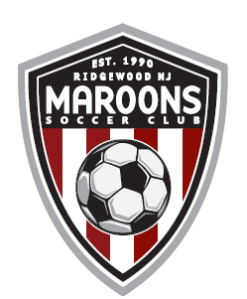 | $55.00
Item 7 - Charles River Youth Evolux Fleece (Maroon/Black) | Description | Art | Price | Order Quantity Youth Small | Order Quantity Youth Medium | Order Quantity Youth Large | Order Quantity Youth XLarge
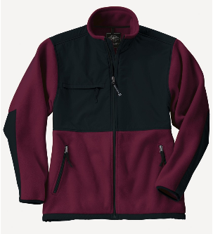 | Evolux Fleece Jacket MSC Shield Logo Embroidered on Left Chest |  | $57.99
Item 8 - Charles River Adult Evolux Fleece | Description | Art | Price | Order Quantity Adult Small | Order Quantity Adult Medium | Order Quantity Adult Large | Order Quantity Adult X-Large | Order Quantity Adult 2XL
 | Evolux Fleece Jacket MSC Shield Logo Embroidered on Left Chest |  | $57.99
Item 9- Scarf | Description | Art | Price | Order Quantity One Size
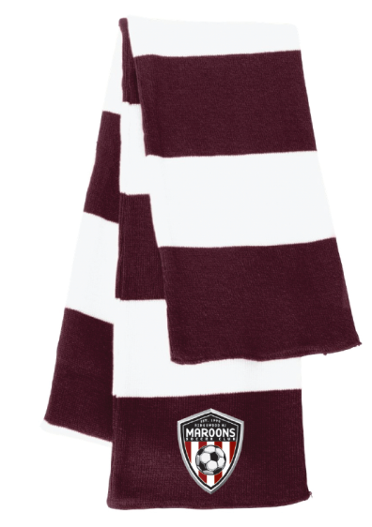 | One Size Scarf Maroons Embroidery Bottom of scarf |  | $26.00
Item 10- Hat | Description | Art | Price | Order Quantity One Size
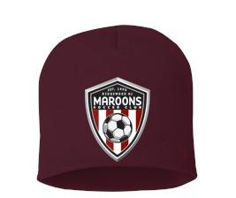 | One Size Beanie Hat Maroons Embroidery Center Front of Beanie |  | $21.00
Item 11 -Charles River Poncho | Description | Art | Price | Order Quantity One Size
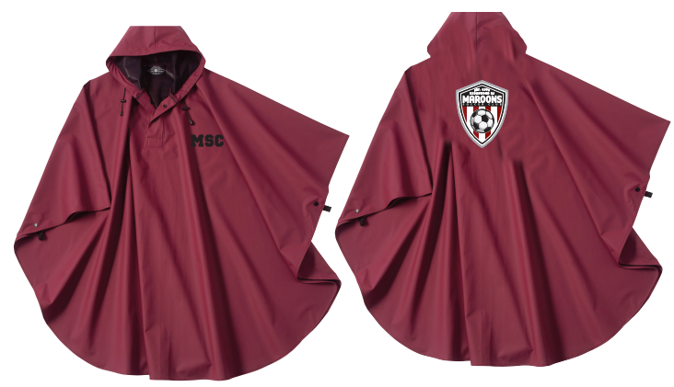 | One Size Poncho MSC on Left chest & Shield Logo Across Back |  | $35.00
Item 12 -Adult Pennant Hoodie (Light Grey) | Description | Art | Price | Order Quantity Adult XXSmall | Order Quantity Adult XSmall | Order Quantity Adult Small | Order Quantity Adult Medium | Order Quantity Adult Large | Order Quantity Adult X-Large | Order Quantity Adult 2X
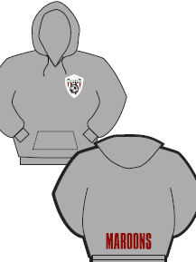 | Hooded Sweatshirt With Maroon & Black Laces MSC logo left chest Name on Back above hem and # on right bicep |  | $49.00
Item 13- Youth Pennant Hoodie (Light Grey) | Description | Art | Price | Order Quantity Youth Small | Order Quantity Youth Medium | Order Quantity Youth Large | Order Quantity Youth XLarge
 | Hooded Sweatshirt (No laces) MSC logo left chest Name on Back above hem and # on right bicep |  | $44.95
Item 14 -Sterling Silver Pandora-Like Soccer Ball Bead | Description | Art | Price
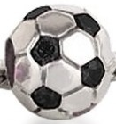 | Sterling silver pandora-like bead |  | $16.95
Item 15- Black Leather Silver Barrel Clasp Bracelet Pandora Bead Compatible | Description | Art | Price
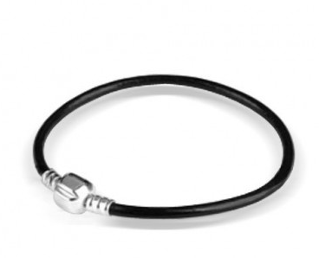 | Black Leather Pandora Compatible Bracelet |  | $16.95
Item 16- Large Sweatshirt Blanket with Maroon Sheild Logo Printed Large | Description | Art | Price
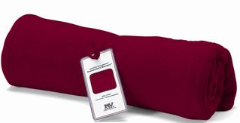 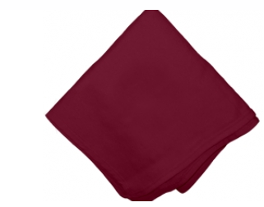 | Pro-weave Sweatshirt Blanket with Custom Hang Tag and Shield Logo Printed Large across the center |  | $45.00

