Question_Scores
Questions | Maturity Level | Questions
ID-AM-1- Physical devices and systems within the organization are inventoried-
ID-AM-2- Software platforms and applications within the organization are inventoried
ID-AM-3- Organizational communication and data flows are mapped
ID-AM-4- External information systems are catalogued
ID-AM-5- Resources (e-g-_ hardware_ devices_ data_ time_ and software) are prioritized based on their classification_ criticality_ and business value
ID-AM-6- Cybersecurity roles and responsibilities for the entire workforce and third-party stakeholders (e-g-_ suppliers_ customers_ partners) are established

ID-BE-1- The organization‚Äôs role in the supply chain is identified and communicated
ID-BE-2- The organization‚Äôs place in critical infrastructure and its industry sector is identified and communicated
ID-BE-3- Priorities for organizational mission_ objectives_ and activities are established and communicated
ID-BE-4- Dependencies and critical functions for delivery of critical services are established
ID-BE-5- Resilience requirements to support delivery of critical services are established for all operating states (e-g- under duress-attack_ during recovery_ normal operations)

ID-GV-1- Organizational information security policy is established and communicated
ID-GV-2- Cybersecurity roles - responsibilities are coordinated and aligned with internal roles and external partners
ID-GV-3- Legal and regulatory requirements regarding cybersecurity_ including privacy and civil liberties obligations_ are understood and managed
ID-GV-4- Governance and risk management processes address cybersecurity risks

ID-RA-1- Asset vulnerabilities are identified and documented
ID-RA-2- Cyber threat and vulnerability information is received from information sharing forums and sources
ID-RA-3- Threats_ both internal and external_ are identified and documented
ID-RA-4- Potential business impacts and likelihoods are identified
ID-RA-5- Threats_ vulnerabilities_ likelihoods_ and impacts are used to determine risk
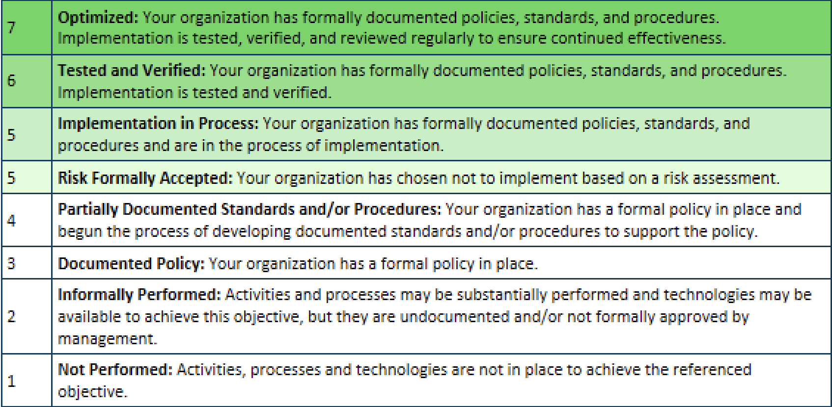
ID-RA-6- Risk responses are identified and prioritized

ID-RM-1- Risk management processes are established_ managed_ and agreed to by organizational stakeholders
ID-RM-2- Organizational risk tolerance is determined and clearly expressed
ID-RM-3- The organization‚Äôs determination of risk tolerance is informed by its role in critical infrastructure and sector specific risk analysis

ID-SC-1- Cyber supply chain risk management processes are identified_ established_ assessed_ managed_ and agreed to by organizational stakeholders
ID-SC-2- Suppliers and third party partners of information systems_ components_ and services are identified_ prioritized_ and assessed using a cyber supply chain risk assessment process
ID-SC-3- Contracts with suppliers and third-party partners are used to implement appropriate measures designed to meet the objectives of an organization-s cybersecurity program and Cyber Supply Chain Risk Management Plan
ID-SC-4- Suppliers and third-party partners are routinely assessed using audits_ test results_ or other forms of evaluations to confirm they are meeting their contractual obligations
ID-SC-5- Response and recovery planning and testing are conducted with suppliers and third-party providers

PR-AC-1- Identities and credentials are issued_ managed_ verified_ revoked_ and auditedfor authorized devices_ users_ and processes
PR-AC-2- Physical access to assets is managed and protected
PR-AC-3- Remote access is managed
PR-AC-4- Access permissions and authorizations are managed_ incorporating the principles of least privilege and separation of duties
PR-AC-5- Network integrity is protected (e-g-_ network segregation_ network segmentation)
PR-AC-6- Identities are proofed and bound to credentials and asserted in interactions
PR-AC-7- Users_ devices_ and other assets are authenticated (e-g-_ single-factor_ multifactor) commensurate with the risk of the transaction (e-g-_ individuals- security and privacy risks and other organization risks)

PR-AT-1- All users are informed and trained
PR-AT-2- Privileged users understand roles - responsibilities
PR-AT-3- Third-party stakeholders (e-g-_ suppliers_ customers_ partners) understand roles - responsibilities
PR-AT-4- Senior executives understand roles - responsibilities
PR-AT-5- Physical and information security personnel understand roles - responsibilities

PR-DS-1- Data-at-rest is protected
PR-DS-2- Data-in-transit is protected
PR-DS-3- Assets are formally managed throughout removal_ transfers_ and disposition
PR-DS-4- Adequate capacity to ensure availability is maintained
PR-DS-5- Protections against data leaks are implemented
PR-DS-6- Integrity checking mechanisms are used to verify software_ firmware_ and information integrity
PR-DS-7- The development and testing environment(s) are separate from the production environment
PR-DS-8- Integrity checking mechanisms are used to verify hardware integrity

PR-IP-1- A baseline configuration of information technology-industrial control systems is created and maintained incorporating security principles (e-g- concept of least functionality)
PR-IP-2- A System Development Life Cycle to manage systems is implemented
PR-IP-3- Configuration change control processes are in place
PR-IP-4- Backups of information are conducted_ maintained_ and tested periodically
PR-IP-5- Policy and regulations regarding the physical operating environment for organizational assets are met
PR-IP-6- Data is destroyed according to policy
PR-IP-7- Protection processes are improved
PR-IP-8- Effectiveness of protection technologies is shared
PR-IP-9- Response plans (Incident Response and Business Continuity) and recovery plans (Incident Recovery and Disaster Recovery) are in place and managed
PR-IP-10- Response and recovery plans are tested
PR-IP-11- Cybersecurity is included in human resources practices (e-g-_ deprovisioning_ personnel screening)
PR-IP-12- A vulnerability management plan is developed and implemented

PR-MA-1- Maintenance and repair of organizational assets are performed and logged_ with approved and controlled tools
PR-MA-2- Remote maintenance of organizational assets is approved_ logged_ and performed in a manner that prevents unauthorized access

PR-PT-1- Audit-log records are determined_ documented_ implemented_ and reviewed in accordance with policy
PR-PT-2- Removable media is protected and its use restricted according to policy
PR-PT-3- The principle of least functionality is incorporated by configuring systems to provide only essential capabilities
PR-PT-4- Communications and control networks are protected
PR-PT-5- Mechanisms (e-g-_ failsafe_ load balancing_ hot swap) are implemented to achieve resilience requirements in normal and adverse situations

RS-AN-1- Notifications from detection systems are investigated
RS-AN-2- The impact of the incident is understood
RS-AN-3- Forensics are performed
RS-AN-4- Incidents are categorized consistent with response plans
RS-AN-5- Processes are established to receive_ analyze and respond to vulnerabilities disclosed to the organization from internal and external sources (e-g- internal testing_ security bulletins_ or security researchers)

RS-CO-1- Personnel know their roles and order of operations when a response is needed
RS-CO-2- Incidents are reported consistent with established criteria
RS-CO-3- Information is shared consistent with response plans
RS-CO-4- Coordination with stakeholders occurs consistent with response plans
RS-CO-5- Voluntary information sharing occurs with external stakeholders to achieve broader cybersecurity situational awareness

RS-IM-1- Response plans incorporate lessons learned
RS-IM-2- Response strategies are updated

RS-MI-1- Incidents are contained
RS-MI-2- Incidents are mitigated
RS-MI-3- Newly identified vulnerabilities are mitigated or documented as accepted risks

RS-RP-1- Response plan is executed during or after an event

DE-AE-1- A baseline of network operations and expected data flows for users and systems is established and managed
DE-AE-2- Detected events are analyzed to understand attack targets and methods
DE-AE-3- Event data are collected and correlated from multiple sources and sensors
DE-AE-4- Impact of events is determined
DE-AE-5- Incident alert thresholds are established

DE-CM-1- The network is monitored to detect potential cybersecurity events
DE-CM-2- The physical environment is monitored to detect potential cybersecurity events
DE-CM-3- Personnel activity is monitored to detect potential cybersecurity events
DE-CM-4- Malicious code is detected
DE-CM-5- Unauthorized mobile code is detected
DE-CM-6- External service provider activity is monitored to detect potential cybersecurity events
DE-CM-7- Monitoring for unauthorized personnel_ connections_ devices_ and software is performed
DE-CM-8- Vulnerability scans are performed

DE-DP-1- Roles and responsibilities for detection are well defined to ensure accountability
DE-DP-2- Detection activities comply with all applicable requirements
DE-DP-3- Detection processes are tested
DE-DP-4- Event detection information is communicated to appropriate parties
DE-DP-5- Detection processes are continuously improved

RC-CO-1- Public relations are managed
RC-CO-2- Reputation is repaired after an incident
RC-CO-3- Recovery activities are communicated to internal and external stakeholders and executive and management teams

RC-IM-1- Recovery plans incorporate lessons learned
RC-IM-2- Recovery strategies are updated

RC-RP-1- Recovery plan is executed during or after a cybersecurity event

Part 2
NCSR Questions
Please enter your organization-s zip code-
What are your top 5 security concerns-
1
2
3
4
5
Who are you answering the NCSR on behalf of- If your IT operations and infrastructure covers multiple departments-offices_ please select all applicable department-office types below- For Homeland Security Grant Program (HSGP) recipients_ enter all applicable entity names that your NCSR submission is covering within the next question-s text box- This organizational information must reflect the ‚ÄúLegal Agency Name‚Äù as part of the Biannual Strategic Implementation Report (BSIR) reporting within the HSGP process-
If this NCSR submission is covering additional entities who receive HSGP funding_ please enter those entity names here- Please see the help text (question mark icon) for examples- If this NCSR submission is not covering additional entities who receive HSGP funding_ please enter -N-A--
If you selected -Other- for the above question_ please specify-
Using your best estimate_ how many full-time equivalent (FTEs) employees-contractors are employed by your governmental entity- Example- If you represent a department within a jurisdiction_ please enter the quantity for the overall governmental entity-
Of the total reported employees in the above question_ how many are full-time equivalent IT and-or cybersecurity employees-
To the nearest dollar amount_ what is your organization-s overall annual cybersecurity budget-
To the nearest dollar amount_ what is your organization-s overall annual IT budget-

Answer using the 1 through 7 scale
Automated software tools are deployed to keep third-party applications_ operating systems_ network devices are up to date-
Data is retained according to the enterprise‚Äôs data management process-
Automation 1- Security Information and Event Management (SIEM) Tools
Automation 10- Automated Tools for Managing and Controlling Removable Media
Automation 11- Automated Tools for Encrypting Sensitive Data in Transit Between Networks
Automation 12- Automated Tools for Creating and Maintaining Baseline Configuration-Change Control
Automation 13- Automated Tools for Conducting and Testing System Backups
Automation 14- Penetration Tests
Automation 15- Antiviral Tools
Automation 2- Identity and Access Management (IAM) Tools
Automation 3- Two Factor Authentication
Automation 4- Mobile Device Management (MDM) Tools
Automation 5- Vulnerability assessment Tools
Automation 6- Intrusion Defense System (IDS) Tools
Automation 7- Intrusion Prevention System (IPS) Tools
Automation 8- End point protection Tools
Automation 9- Automated Tools for Managing Physical IT Assets (i-e-_ inventory and tracking of all software or hardware within an IT environment)

Has your organization experienced any of the following cyber incidents in the past year- Note- The information entered is completely anonymous and only utilized at an aggregate level- No NCSR answers are attributed to specific organizations- Also_ within the below answer list_ there is an option of -I would prefer to not answer--
If you selected other to the above question_ please explain here-
Is your organization or agency conducting any of the following activities such that you are a member of one or more sectors of designated critical infrastructure- If so_ check all that apply to your organization or organization- (For more information_ please reference https---www-cisa-gov-critical-infrastructure-sectors)

