Foundation_Design
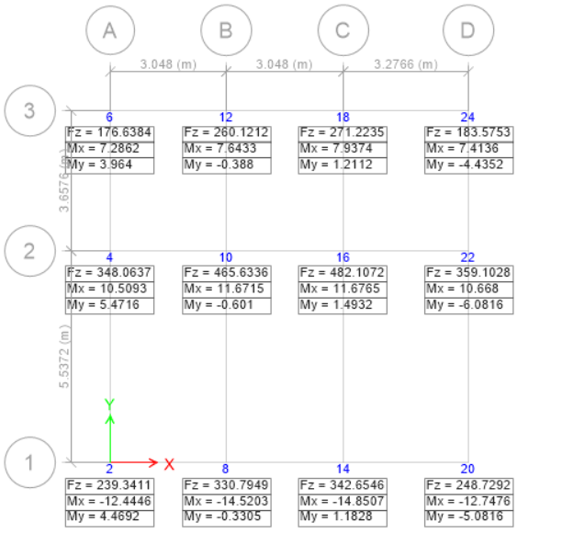
FOUNDATION DESIGN:
Foundation depth |  | 6 feet |  |  | Assumed SBC |  | 150 | KN/m2

Story | Unique Names | Load Case/Combo | FZ | Design load | SBC | A | Reqd L(m) | Reqd L(ft) | Adopted Length | Adopted Breadth | Mx | My | Max BP | Min BP | Remarks | RATIO
 |  |  | kN | kN | kN/m^2 | m^2 | m | ft | m | m |  |  |  |  |  |  | ISOLATED FOOTING DETAILS |  |  |  |  |  |  |  |  |  |  | e1x | e1y | e | theta |  |  | e2x | e2y | M2x | M2y
Ground | 2 | 1.5 DL + 1.5 LL | 239.34 | 175.52 | 150.00 | 1.17 | 1.08 | 3.55 | 1.50 | 1.50 | -12.44 | 4.47 | 108.08 | 47.94 | OK | 1.39 | Foundation | Column Position | Length | Breadth | d | D | a | Rebar Dia | Spacing | -12.27 | 13.24 | -0.070 | 0.075 | 0.103 | 47.186 |  |  |  |  | -8.9984326305 | 9.7126314162
Ground | 4 | 1.5 DL + 1.5 LL | 348.06 | 255.25 | 150.00 | 1.70 | 1.30 | 4.28 | 1.50 | 1.50 | 10.51 | 5.47 | 141.85 | 85.03 | OK | 1.06 |  |  | ft | ft | in | in | in | mm | in | -9.52 | 18.97 | -0.037 | 0.074 | 0.083 | 63.344 |  |  |  |  | -6.9816421481 | 13.908335574
Ground | 6 | 1.5 DL + 1.5 LL | 176.64 | 129.53 | 150.00 | 0.86 | 0.93 | 3.05 | 1.50 | 1.50 | 7.29 | 3.96 | 77.57 | 37.57 | OK | 1.93 | F1 | All Footing except F2 | 5 | 5 | 8 | 20 | 14 | 12 | 6 | 20.59 | 17.67 | 0.159 | 0.136 | 0.209 | 40.636 |  |  |  |  | 15.096140081 | 12.955253019
Ground | 8 | 1.5 DL + 1.5 LL | 330.79 | 242.58 | 150.00 | 1.62 | 1.27 | 4.17 | 1.50 | 1.50 | -14.52 | -0.33 | 134.22 | 81.41 | OK | 1.12 | F2 | B2 & C2 | 5.5 | 5.5 | 8 | 20 | 14 | 12 | 6 | -16.85 | -0.76 | -0.069 | -0.003 | 0.070 | 2.589 |  |  |  |  | -12.358121076 | -0.55890391674
Ground | 10 | 1.5 DL + 1.5 LL | 465.63 | 341.46 | 150.00 | 2.28 | 1.51 | 4.95 | 1.65 | 1.65 | 11.67 | -0.60 | 141.82 | 109.03 | OK | 1.06 |  |  |  |  |  |  |  |  |  | -13.80 | -0.78 | -0.040 | -0.002 | 0.040 | 3.244 |  |  |  |  | -10.118265786 | -0.57348755836
Ground | 12 | 1.5 DL + 1.5 LL | 260.12 | 190.76 | 150.00 | 1.27 | 1.13 | 3.70 | 1.50 | 1.50 | 7.64 | -0.39 | 99.06 | 70.50 | OK | 1.51 |  |  |  |  |  |  |  |  |  | 30.23 | -0.68 | 0.158 | -0.004 | 0.159 | 1.294 |  |  |  |  | 22.167415702 | -0.50071485932
Ground | 14 | 1.5 DL + 1.5 LL | 342.65 | 251.28 | 150.00 | 1.68 | 1.29 | 4.25 | 1.50 | 1.50 | -14.85 | 1.18 | 140.18 | 83.18 | OK | 1.07 |  |  |  |  |  |  |  |  |  | -16.56 | 0.35 | -0.066 | 0.001 | 0.066 | 1.224 |  |  |  |  | -12.146251896 | 0.25941852926
Ground | 16 | 1.5 DL + 1.5 LL | 482.11 | 353.55 | 150.00 | 2.36 | 1.54 | 5.04 | 1.65 | 1.65 | 11.68 | 1.49 | 147.45 | 112.27 | OK | 1.02 |  |  |  |  |  |  |  |  |  | -17.73 | 3.88 | -0.050 | 0.011 | 0.051 | 12.354 | 30.0 | -17.646 | 0.048910208166 | -0.0155581679 | 12.680780043 | -4.0337122331
Ground | 18 | 1.5 DL + 1.5 LL | 271.22 | 198.90 | 150.00 | 1.33 | 1.15 | 3.78 | 1.50 | 1.50 | 7.94 | 1.21 | 104.66 | 72.13 | OK | 1.43 |  |  |  |  |  |  |  |  |  | 34.93 | 4.11 | 0.176 | 0.021 | 0.177 | 6.717 | 30.0 | -23.283 | 0.16241670225 | -0.069891417478 | 23.689769363 | -10.194219791
Ground | 20 | 1.5 DL + 1.5 LL | 248.73 | 182.40 | 150.00 | 1.22 | 1.10 | 3.62 | 1.50 | 1.50 | -12.75 | -5.08 | 112.76 | 49.37 | OK | 1.33 |  |  |  |  |  |  |  |  |  | -13.01 | -6.05 | -0.071 | -0.033 | 0.079 | 24.921 | 30.0 | -5.079 | 0.078360005712 | -0.0069644387696 | 10.481516237 | -0.93157060652
Ground | 22 | 1.5 DL + 1.5 LL | 359.10 | 263.34 | 150.00 | 1.76 | 1.32 | 4.35 | 1.50 | 1.50 | 10.67 | -6.08 | 146.82 | 87.26 | OK | 1.02 |  |  |  |  |  |  |  |  |  | -13.98 | -8.89 | -0.053 | -0.034 | 0.063 | 32.436 | 30.0 | 2.436 | 0.062850586591 | 0.0026740192767 | 12.137547404 | 0.51639988566
Ground | 24 | 1.5 DL + 1.5 LL | 183.58 | 134.62 | 150.00 | 0.90 | 0.95 | 3.11 | 1.50 | 1.50 | 7.41 | -4.44 | 80.90 | 38.77 | OK | 1.85 |  |  |  |  |  |  |  |  |  | 24.91 | -6.08 | 0.185 | -0.045 | 0.190 | 13.720 | 30.0 | -16.280 | 0.18283667707 | -0.053394787429 | 18.050135407 | -5.2712790378

