Top5_Employees
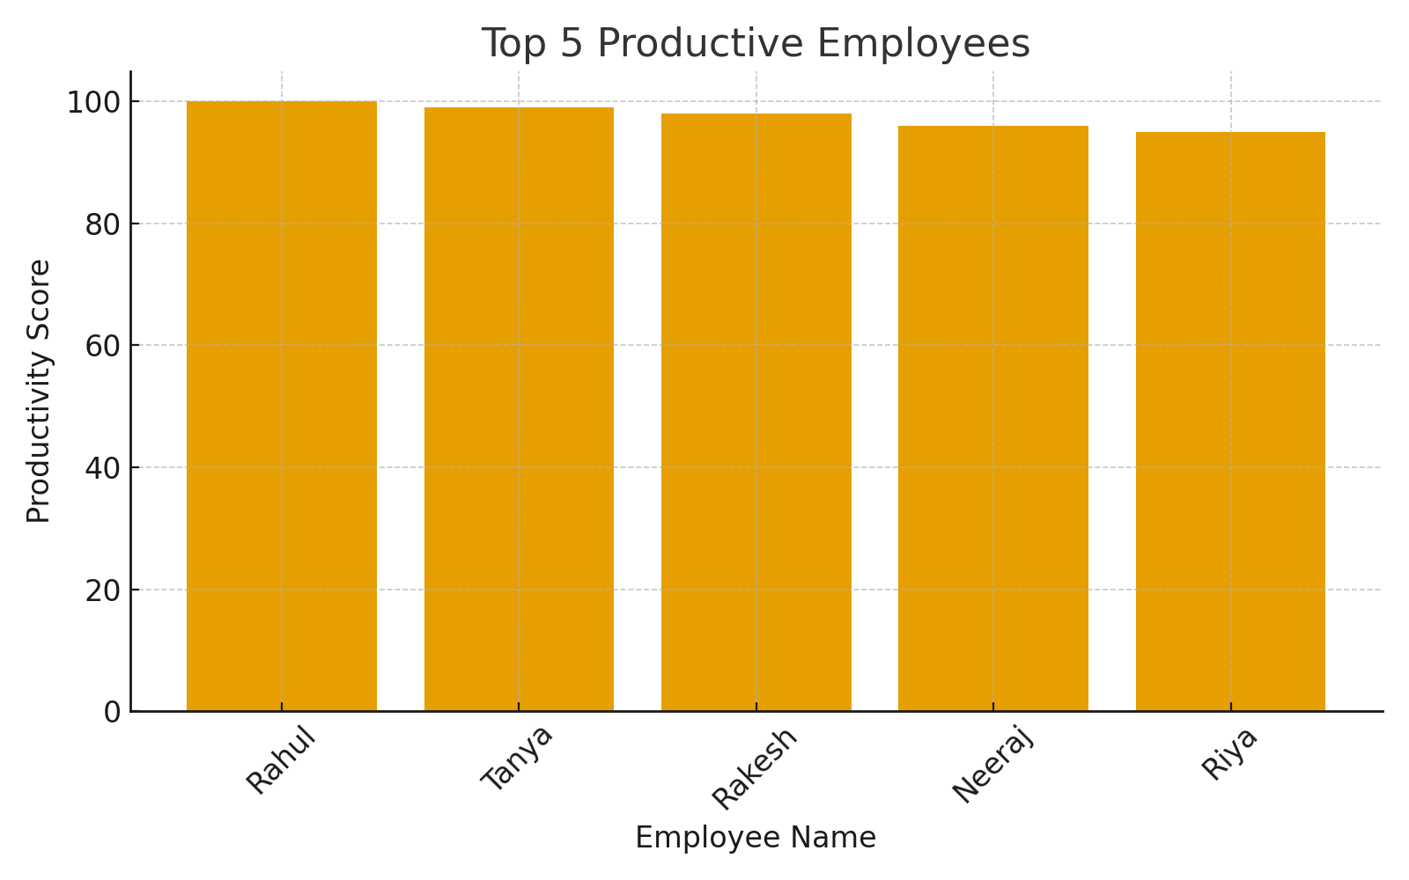
Employee_ID | Name | Department | Hours_Worked | Tasks_Completed | Productivity_Score | Performance_Rating
107 | Rahul | IT | 50 | 80 | 100 | 5
125 | Tanya | IT | 47 | 79 | 99 | 5
115 | Rakesh | IT | 48 | 78 | 98 | 5
123 | Neeraj | Marketing | 46 | 77 | 96 | 5
104 | Riya | IT | 45 | 75 | 95 | 5

Correlations
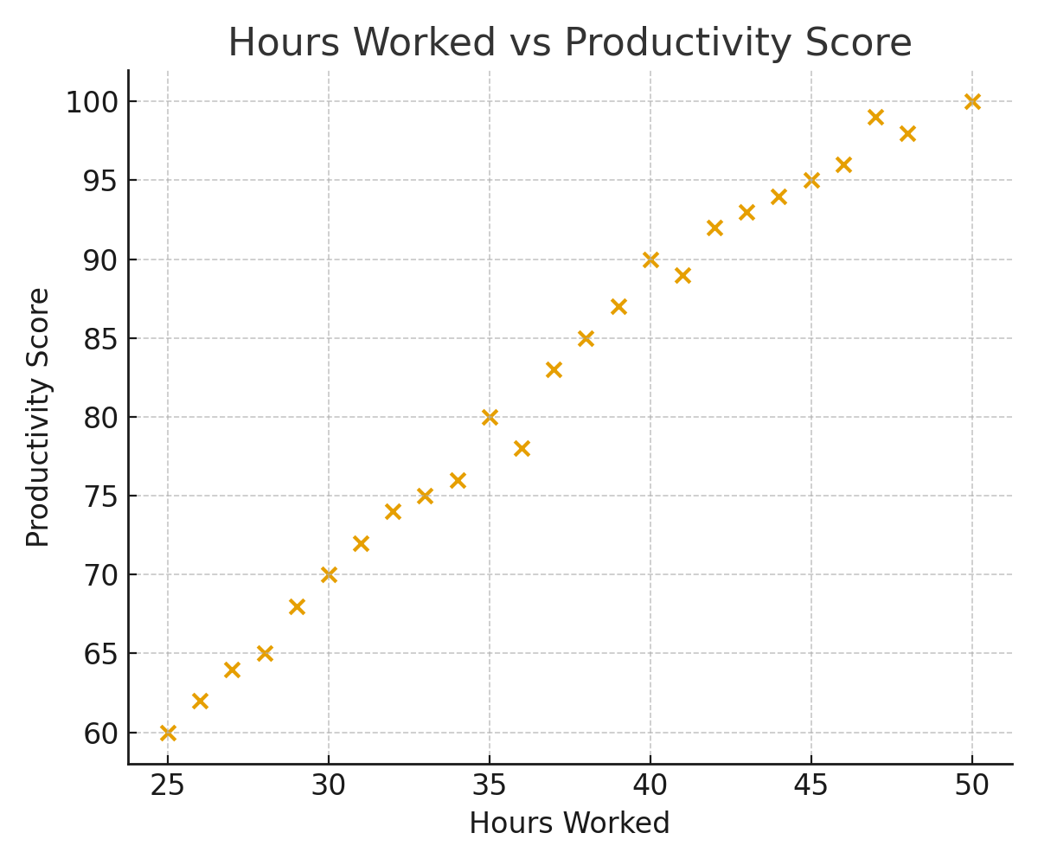
Variable | Correlation_with_Performance_Rating
Hours_Worked | 0.94623485838
Tasks_Completed | 0.95745537036

