Decision Tree
TML-IssueType-v1-EN Decision Tree for Issue Classification

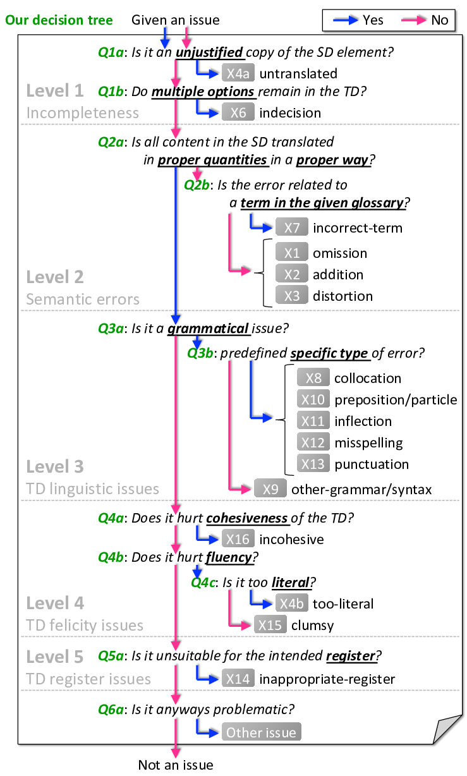
 |  | Issue type or next question
Question ID | Question | Yes | No
Q1a | Is it an unjustified copy of the SD element? | X4a | Q1b
Q1b | Do multiple options remain in the TD? | X6 | Q2a
Q2a | Is all content in the SD translated in proper quantities in a proper way? | Q3a | Q2b
Q2b | Is the error related to a term in the given glossary? | X7 | X1/X2/X3
Q3a | Is it a grammatical issue? | Q3b | Q4a
Q3b | Is it predefined specific type? | X8/X10/X11 /X12/X13 | X9
Q4a | Does it hurt cohesiveness of the TD? | X16 | Q4b
Q4b | Does it hurt fluency? | Q4c | Q5a
Q4c | Is it too literal? | X4b | X15
Q5a | Is it unsuitable for the intended text type of the TD? | X14 | Q6a
Q6a | Is it anyways problematic? | Other issue | Not an issue

