편향
 | Category | metal_nut
 | DateTIme | 20241006130852
 |  | TP | FN | FP | TN | Accurancy | Precision | Recall | F1 Score | Error Rate | Specificity | Fall out (FPR)
20241007011221 | efficientnet_v2_s | 36 | 9 | 0 | 22 | 0.86567164179 | 1 | 0.8 | 0.88888888889 | 0.13432835821 | 1 | 0
 | resnet34 | 21 | 24 | 0 | 22 | 0.64179104478 | 1 | 0.46666666667 | 0.63636363636 | 0.35820895522 | 1 | 0
 | mobilenet_v3_small | 39 | 6 | 0 | 22 | 0.91044776119 | 1 | 0.86666666667 | 0.92857142857 | 0.089552238806 | 1 | 0
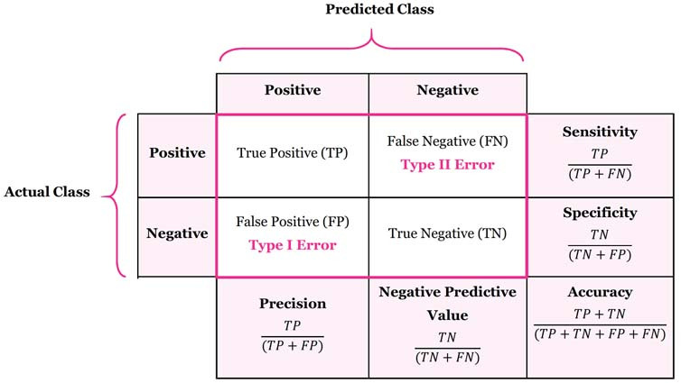
20241007005901 | efficientnet_v2_s | 32 | 13 | 0 | 22 | 0.80597014925 | 1 | 0.71111111111 | 0.83116883117 | 0.19402985075 | 1 | 0
 | resnet34 | 45 | 0 | 22 | 0 | 0.67164179104 | 0.67164179104 | 1 | 0.80357142857 | 0.32835820896 | 0 | 1
 | mobilenet_v3_small | 32 | 13 | 0 | 22 | 0.80597014925 | 1 | 0.71111111111 | 0.83116883117 | 0.19402985075 | 1 | 0
20241006222304 | efficientnet_v2_s | 43 | 2 | 11 | 11 | 0.80597014925 | 0.7962962963 | 0.95555555556 | 0.86868686869 | 0.19402985075 | 0.5 | 0.5
 | resnet34 | 20 | 25 | 0 | 22 | 0.62686567164 | 1 | 0.44444444444 | 0.61538461538 | 0.37313432836 | 1 | 0
 | mobilenet_v3_small | 45 | 0 | 16 | 6 | 0.76119402985 | 0.73770491803 | 1 | 0.84905660377 | 0.23880597015 | 0.27272727273 | 0.72727272727
20241006194230 | efficientnet_v2_s | 34 | 11 | 0 | 22 | 0.83582089552 | 1 | 0.75555555556 | 0.86075949367 | 0.16417910448 | 1 | 0
 | resnet34 | 30 | 15 | 2 | 20 | 0.74626865672 | 0.9375 | 0.66666666667 | 0.77922077922 | 0.25373134328 | 0.90909090909 | 0.090909090909
 | mobilenet_v3_small | 34 | 11 | 0 | 22 | 0.83582089552 | 1 | 0.75555555556 | 0.86075949367 | 0.16417910448 | 1 | 0
20241006173700 | efficientnet_v2_s | 45 | 0 | 11 | 11 | 0.83582089552 | 0.80357142857 | 1 | 0.89108910891 | 0.16417910448 | 0.5 | 0.5
 | resnet34 | 31 | 14 | 0 | 22 | 0.79104477612 | 1 | 0.68888888889 | 0.81578947368 | 0.20895522388 | 1 | 0
 | mobilenet_v3_small | 45 | 0 | 22 | 0 | 0.67164179104 | 0.67164179104 | 1 | 0.80357142857 | 0.32835820896 | 0 | 1
20241006022830 | efficientnet_v2_s | 43 | 2 | 2 | 20 | 0.94029850746 | 0.95555555556 | 0.95555555556 | 0.95555555556 | 0.059701492537 | 0.90909090909 | 0.090909090909
 | resnet34 | 12 | 33 | 0 | 22 | 0.50746268657 | 1 | 0.26666666667 | 0.42105263158 | 0.49253731343 | 1 | 0
 | mobilenet_v3_small | 42 | 3 | 0 | 22 | 0.9552238806 | 1 | 0.93333333333 | 0.96551724138 | 0.044776119403 | 1 | 0
 | efficientnet_v2_s |  |  |  |  | #DIV/0! | #DIV/0! | #DIV/0! | #DIV/0! | #DIV/0! | #DIV/0! | #DIV/0!
 | resnet34 |  |  |  |  | #DIV/0! | #DIV/0! | #DIV/0! | #DIV/0! | #DIV/0! | #DIV/0! | #DIV/0!
 | mobilenet_v3_small |  |  |  |  | #DIV/0! | #DIV/0! | #DIV/0! | #DIV/0! | #DIV/0! | #DIV/0! | #DIV/0!
 | efficientnet_v2_s |  |  |  |  | #DIV/0! | #DIV/0! | #DIV/0! | #DIV/0! | #DIV/0! | #DIV/0! | #DIV/0!
 | resnet34 |  |  |  |  | #DIV/0! | #DIV/0! | #DIV/0! | #DIV/0! | #DIV/0! | #DIV/0! | #DIV/0!
 | mobilenet_v3_small |  |  |  |  | #DIV/0! | #DIV/0! | #DIV/0! | #DIV/0! | #DIV/0! | #DIV/0! | #DIV/0!

