Home
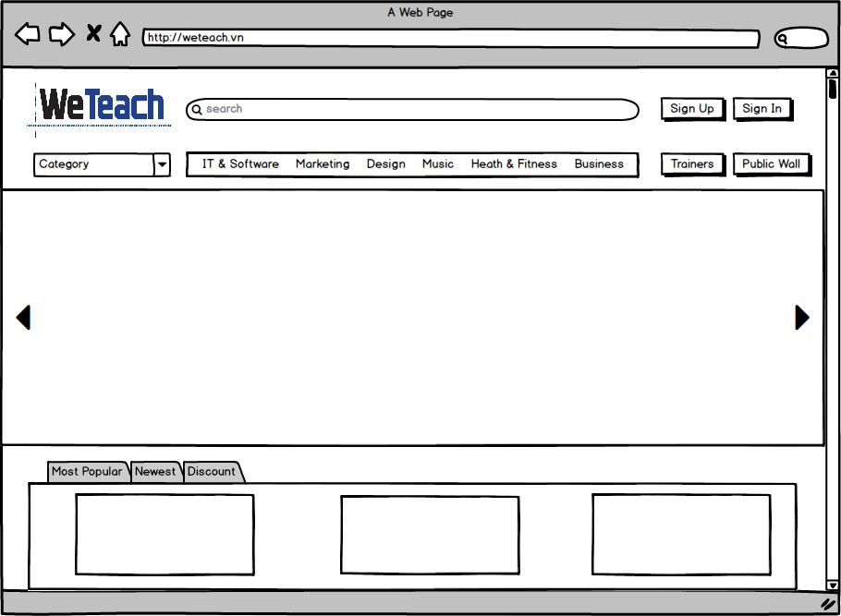
Home

 | Create Date | May-17 | Version | v.1.1
 | Creator | TruongTN | Last Update

Trainers List
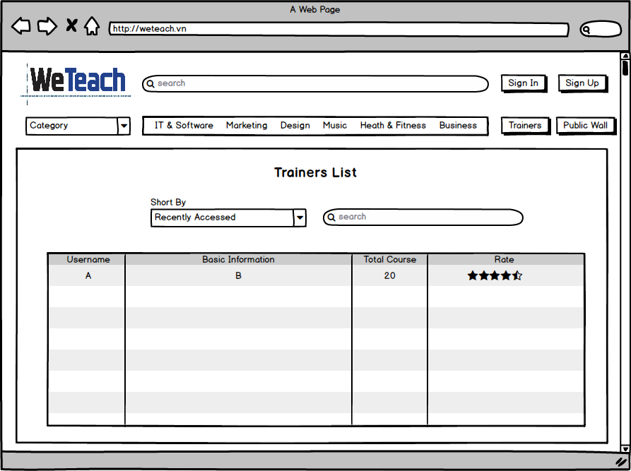
Trainers List

 | Create Date |  | Version | v.1.0
 | Creator | TruongTN | Last Update

Public Wall
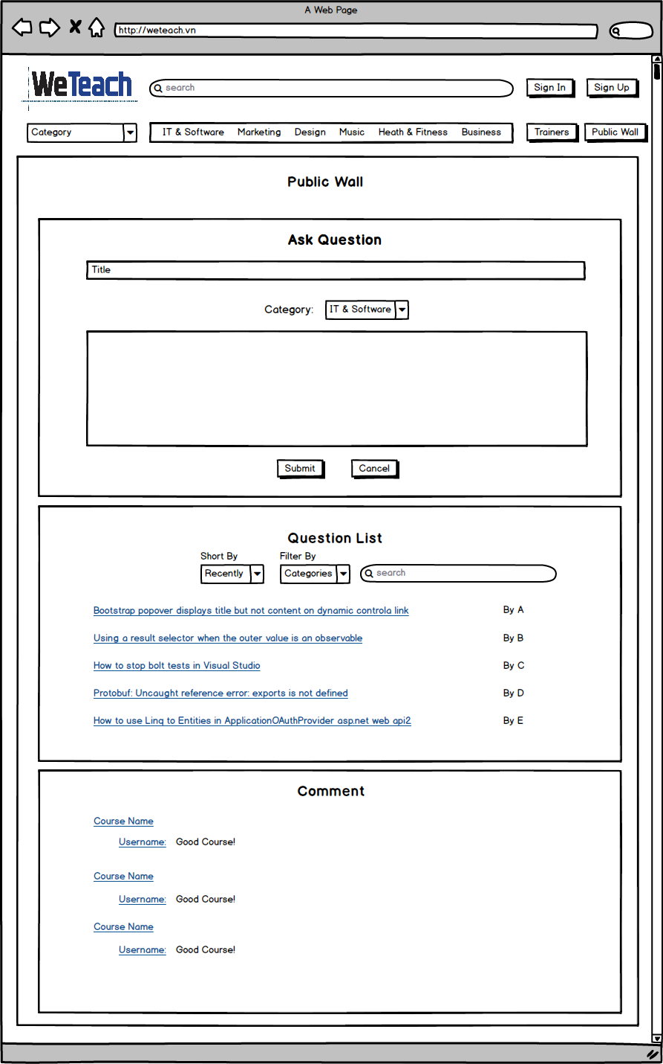
Public Wall

 | Create Date |  | Version | v.1.0
 | Creator | TruongTN | Last Update

View Question
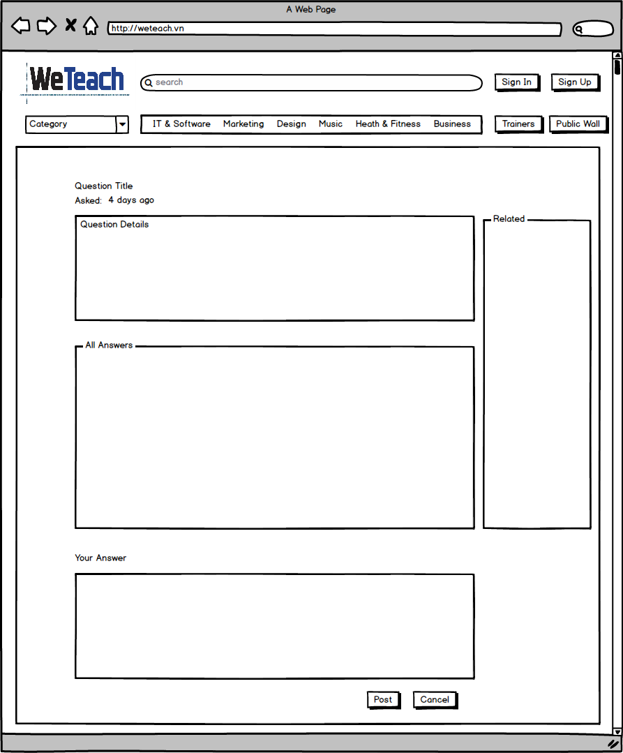
View Question

 | Create Date |  | Version | v.1.0
 | Creator | TruongTN

View List Course
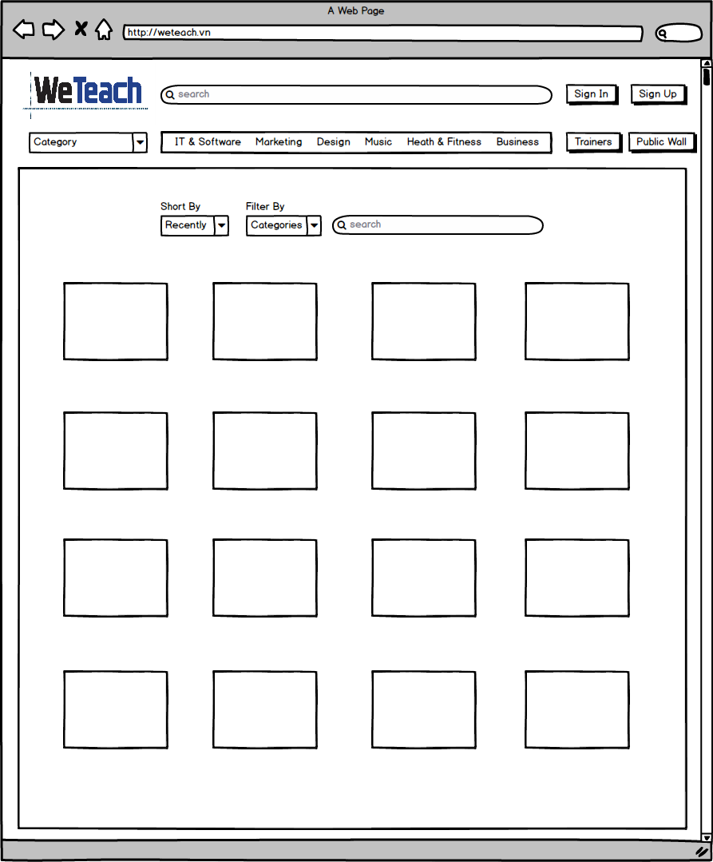
View List Course

 | Create Date |  | Version | v.1.0
 | Creator | TruongTN | Last Update

Sign Up
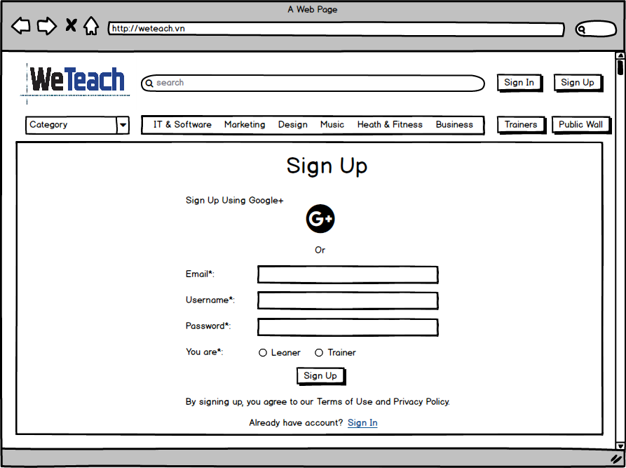
Sign Up

 | Create Date | May-17 | Version | v.1.0
 | Creator | TruongTN | Last Update

Sign Up (Leaner)
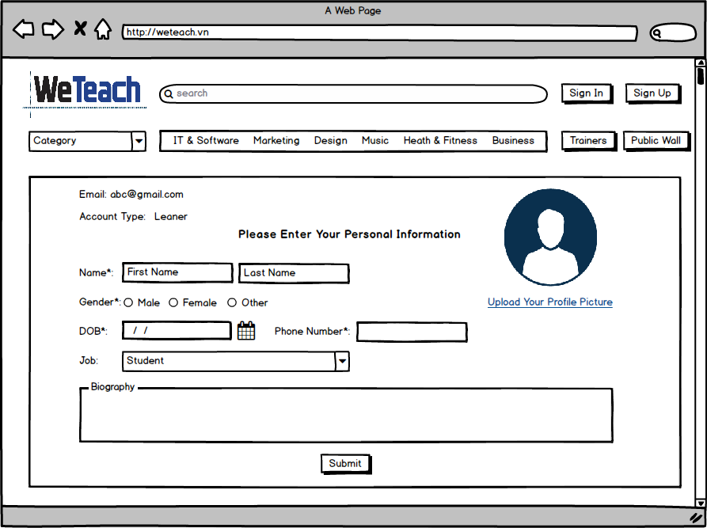
Sign Up (Leaner)

 | Create Date | May-17 | Version | v.1.0
 | Creator | TruongTN | Last Update

Sign Up (Trainer)
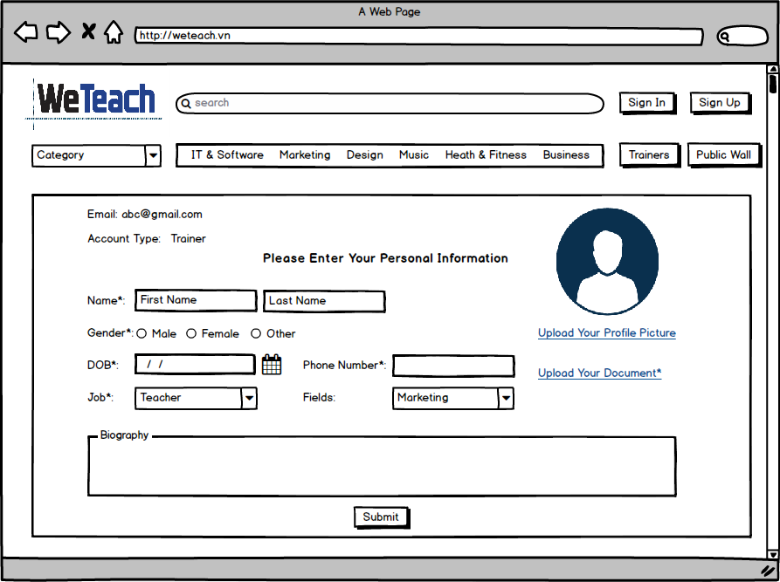
Sign Up (Trainer)

 | Create Date | May-17 | Version | v.1.0
 | Creator | TruongTN | Last Update

Sign In
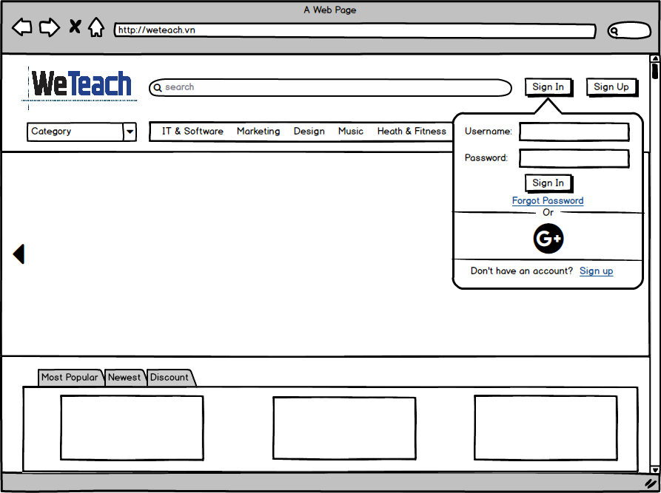
Sign In

 | Create Date | May-17 | Version | v.1.0
 | Creator | TruongTN | Last Update

Home (Sign In)
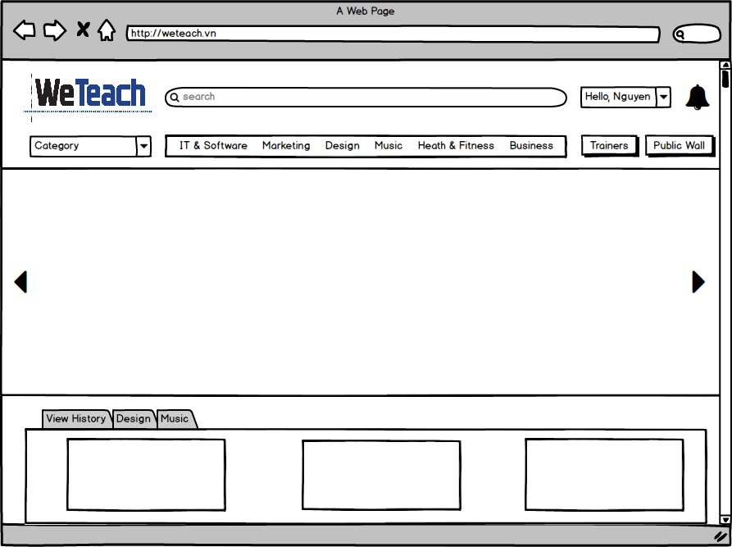
Home (Sign In)

 | Create Date | May-17 | Version | v.1.0
 | Creator | TruongTN | Last Update

Personal Category - Leaner
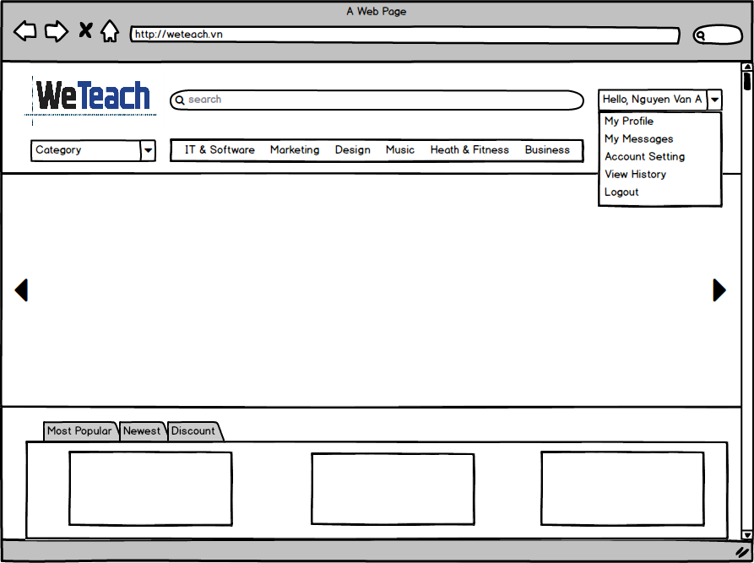
Home - Personal Category - Leaner

 | Create Date | May-17 | Version | v.1.0
 | Creator | TruongTN | Last Update

My Profile (Leaner)
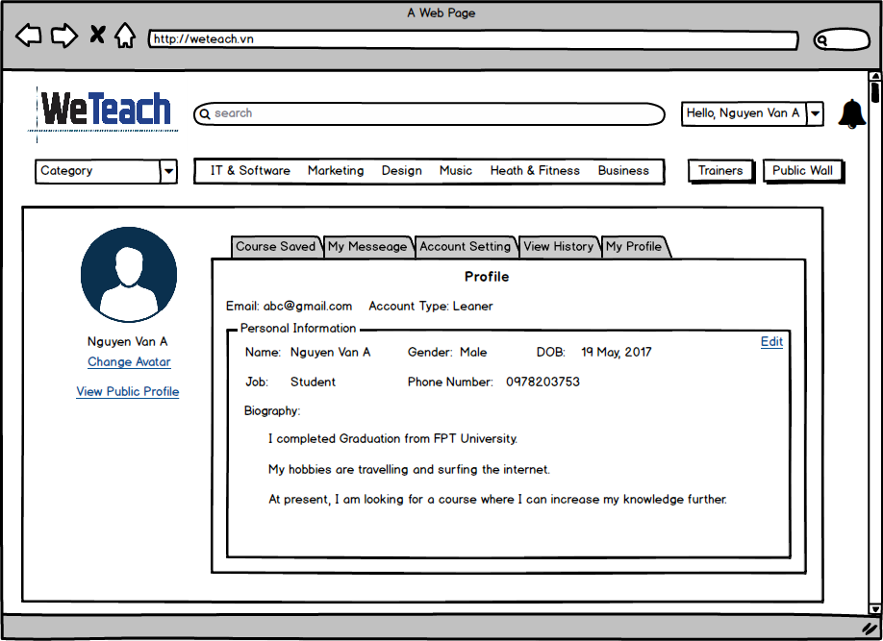
My Profile (Leaner)

 | Create Date | May-17 | Version | v.1.0
 | Creator | TruongTN | Last Update

My Profile (Leaner) - Edit
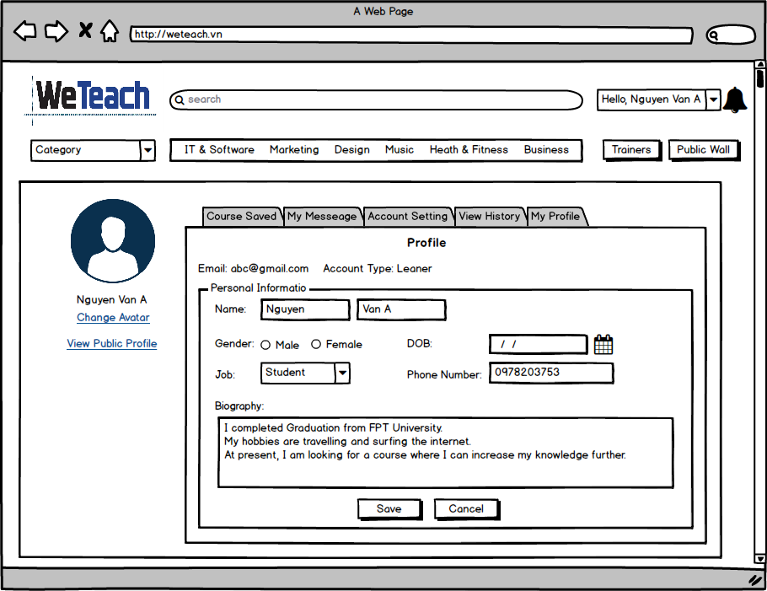
My Profile (Leaner) - Edit

 | Create Date | May-17 | Version | v.1.0
 | Creator | TruongTN | Last Update

Public Profile (Leaner)
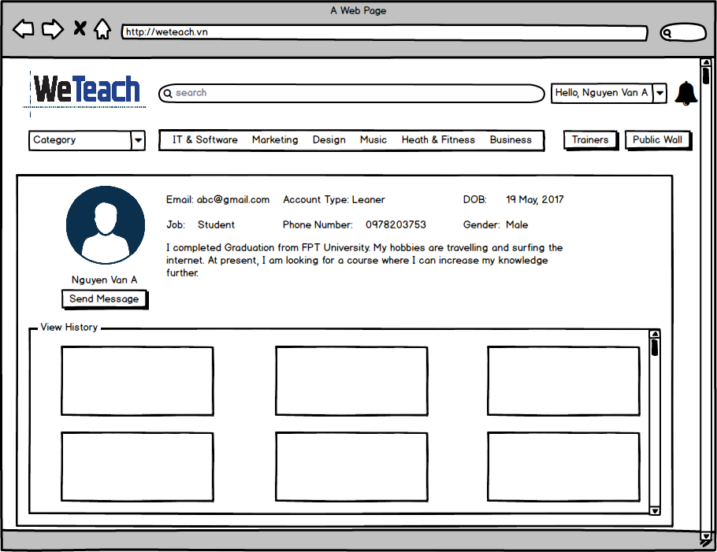
Public Profile (Leaner)

 | Create Date | May-17 | Version | v.1.0
 | Creator | TruongTN | Last Update

My Messages (Leaner)
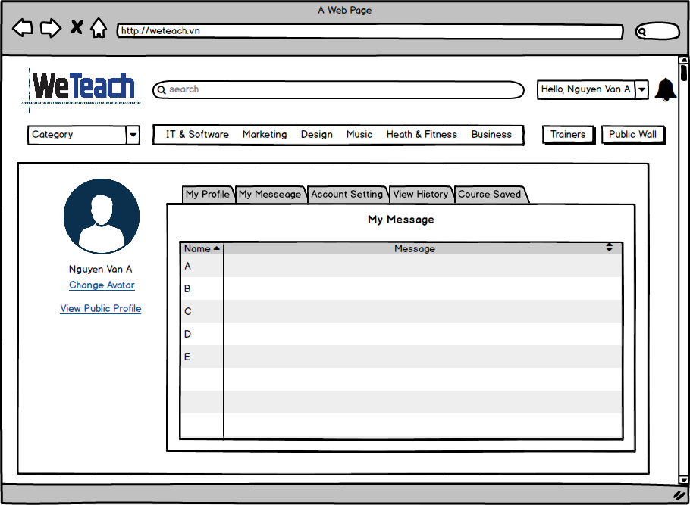
My Messages (Leaner)

 | Create Date | May-17 | Version | v.1.0
 | Creator | TruongTN | Last Update

Account Setting (Leaner)
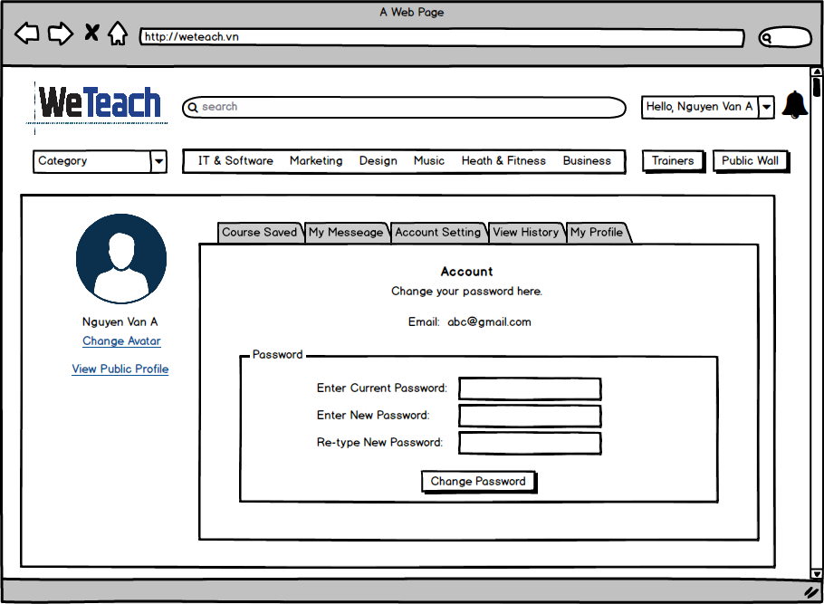
Account Setting (Leaner)

 | Create Date | May-17 | Version | v.1.0
 | Creator | TruongTN | Last Update

View History (Leaner)
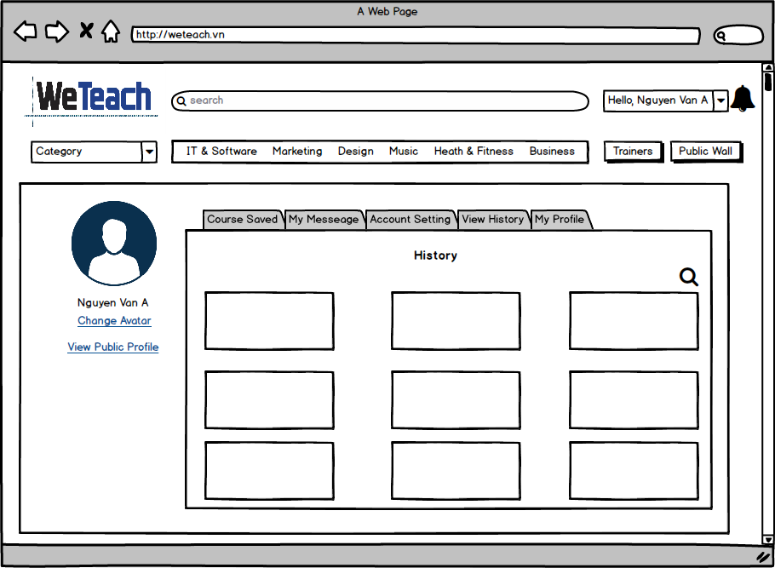
View History (Leaner)

 | Create Date | May-17 | Version | v.1.0
 | Creator | TruongTN | Last Update

Course Saved (Leaner)
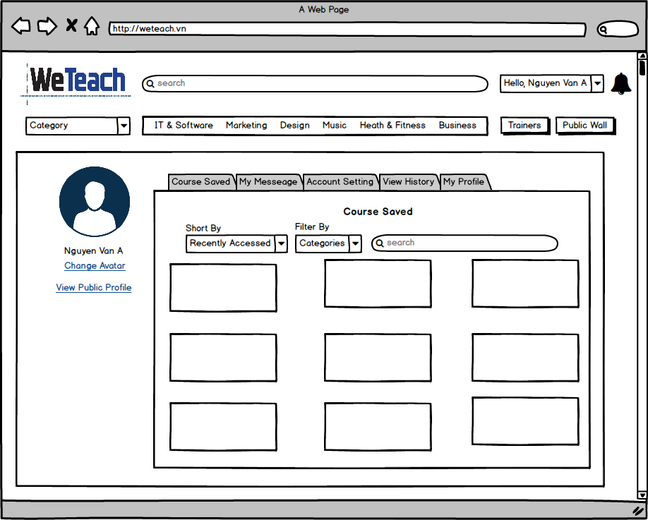
Course Saved (Leaner)

 | Create Date | May-17 | Version | v.1.0
 | Creator | TruongTN | Last Update

Personal Category - Tr
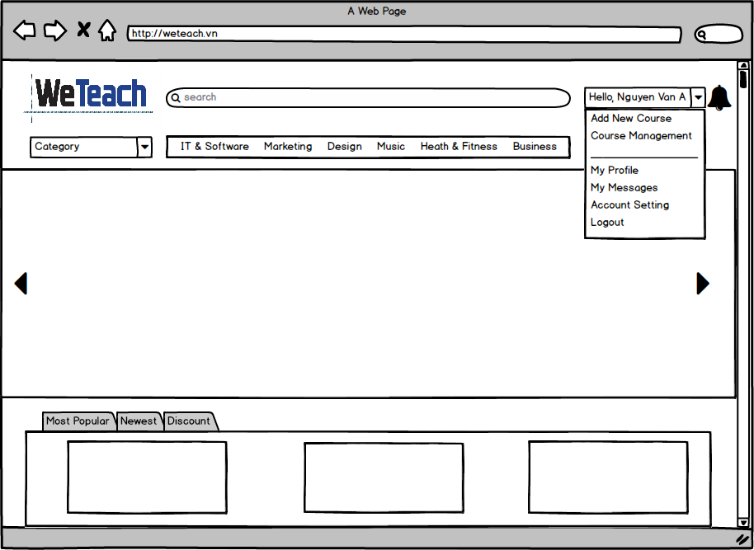
Home - Personal Category - Trainer

 | Create Date | May-17 | Version | v.1.0
 | Creator | TruongTN | Last Update

View Course Statistic (Trainer)
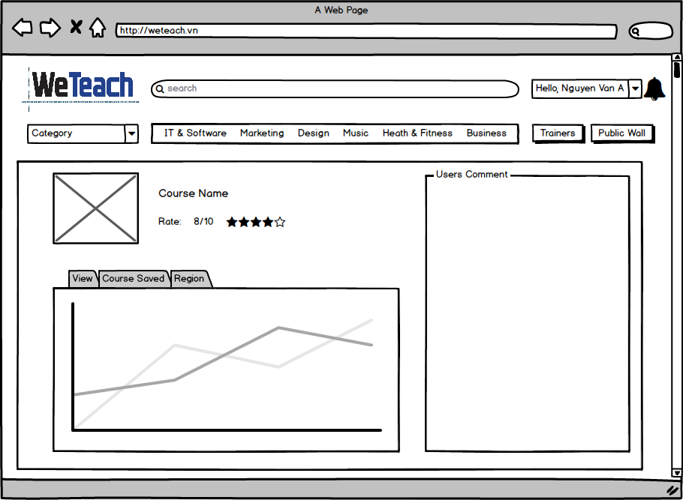
View Course Statistic (Trainer)

 | Create Date | May-17 | Version | v.1.0
 | Creator | TruongTN | Last Update

My Profile (Trainer)
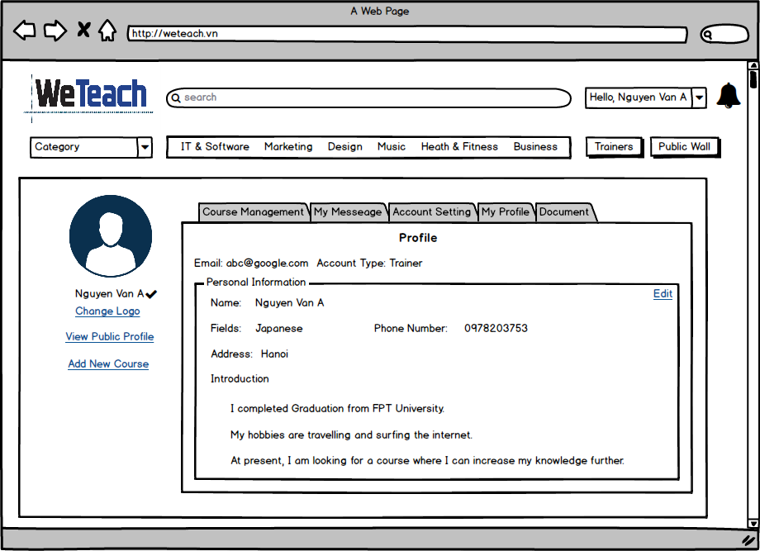
My Profile (Trainer)

 | Create Date | May-17 | Version | v.1.0
 | Creator | TruongTN | Last Update

My Profile (Trainer) - Edit
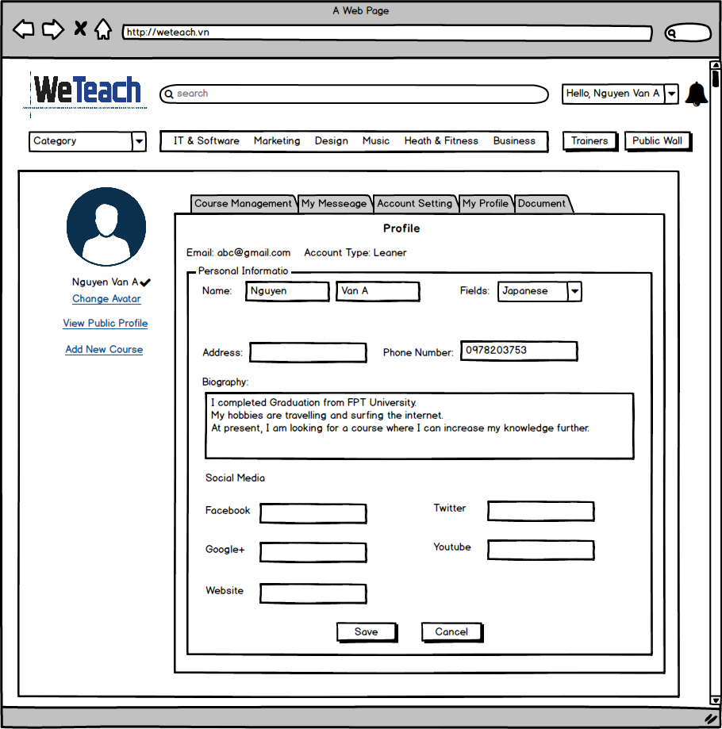
My Profile (Trainer) - Edit

 | Create Date | May-17 | Version | v.1.0
 | Creator | TruongTN | Last Update

Course Management (Trainer)
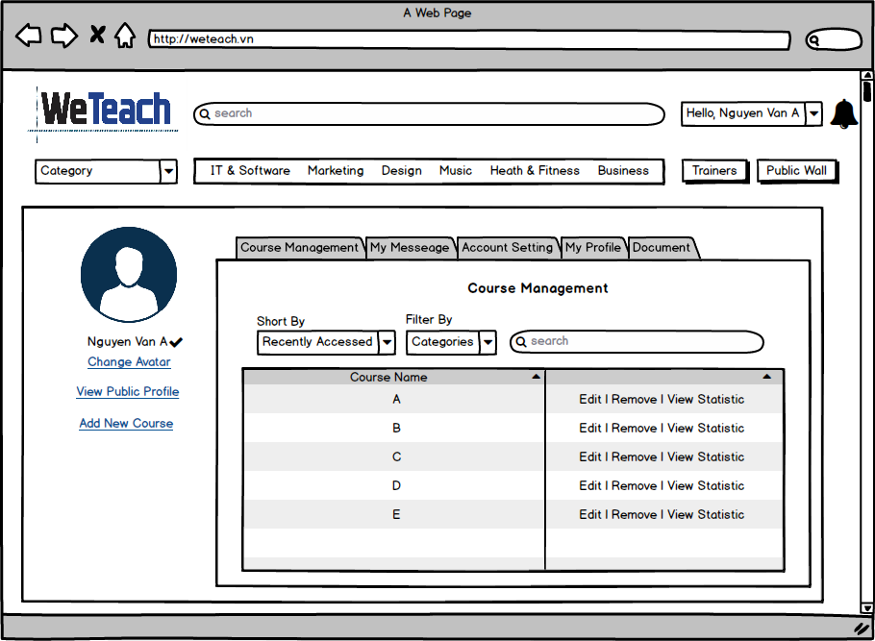
Course Management (Trainer)

 | Create Date | May-17 | Version | v.1.0
 | Creator | TruongTN | Last Update

My Message (Trainer)
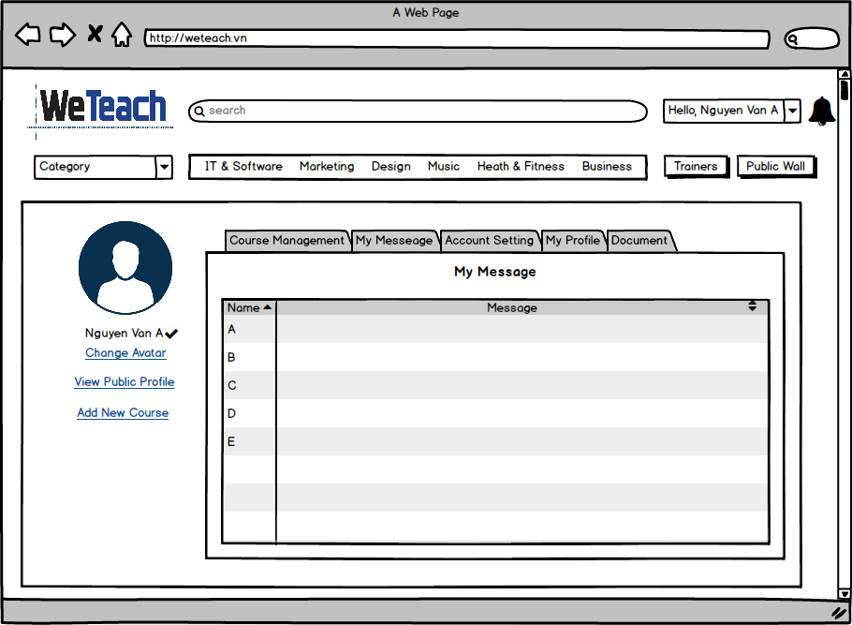
My Message (Trainer)

 | Create Date | May-17 | Version | v.1.0
 | Creator | TruongTN

Account Setting (Trainer)
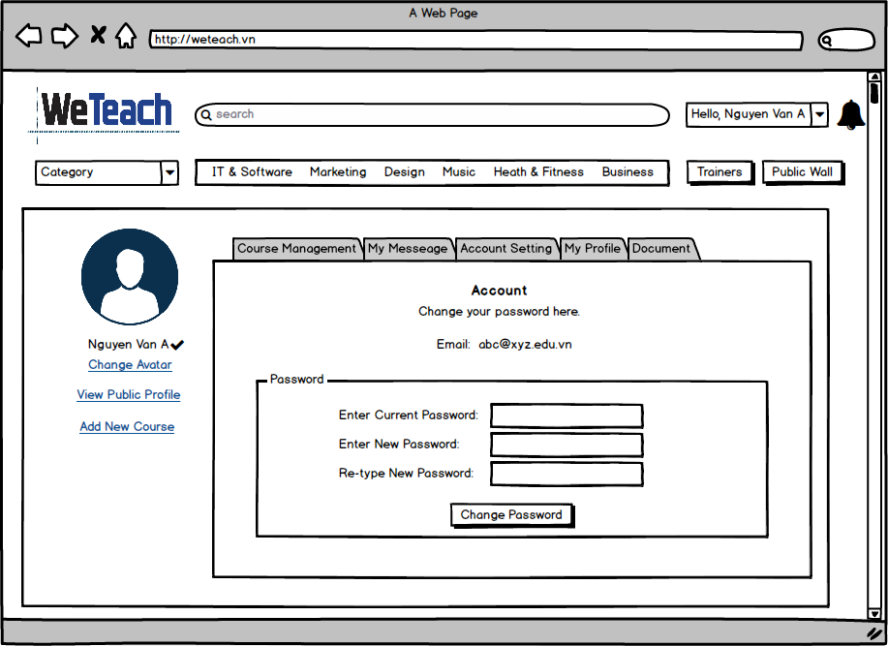
Account Setting (Trainer)

 | Create Date | May-17 | Version | v.1.0
 | Creator | TruongTN | Last Update

Document
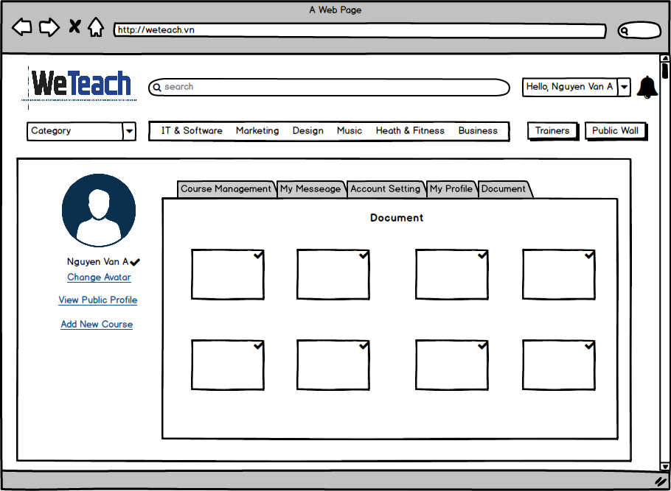
Qualifications/Cetificate (Trainer)

 | Create Date | May-17 | Version | v.1.0
 | Creator | TruongTN | Last Update

Public Profile (Trainer)
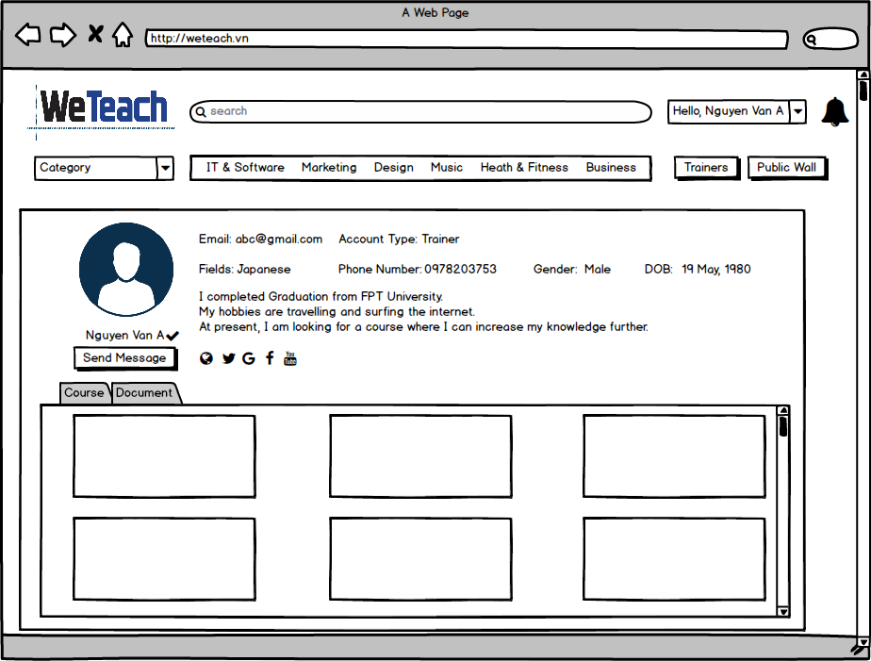
Public Profile (Trainer)

 | Create Date | May-17 | Version | v.1.0
 | Creator | TruongTN | Last Update

Add New Course - Course Goals
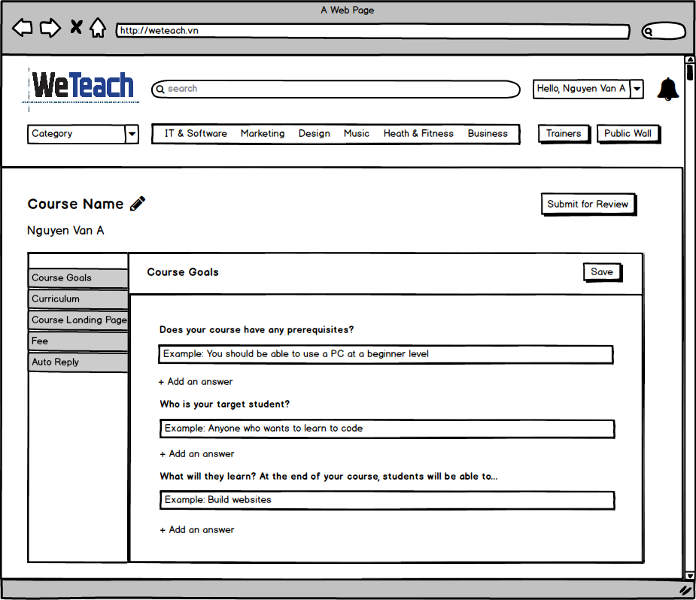
Add New Course - Course Goals (Trainer)

 | Create Date | May-17 | Version | v.1.0
 | Creator | TruongTN | Last Update

Add New Course - Curriculum
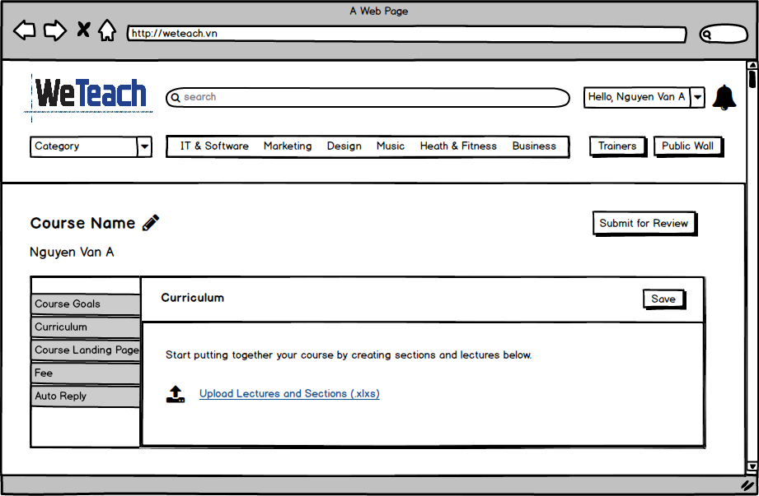
Add New Course - Curriculum (Trainer)

 | Create Date | May-17 | Version | v.1.0
 | Creator | TruongTN | Last Update

Add New Course - Landing Page
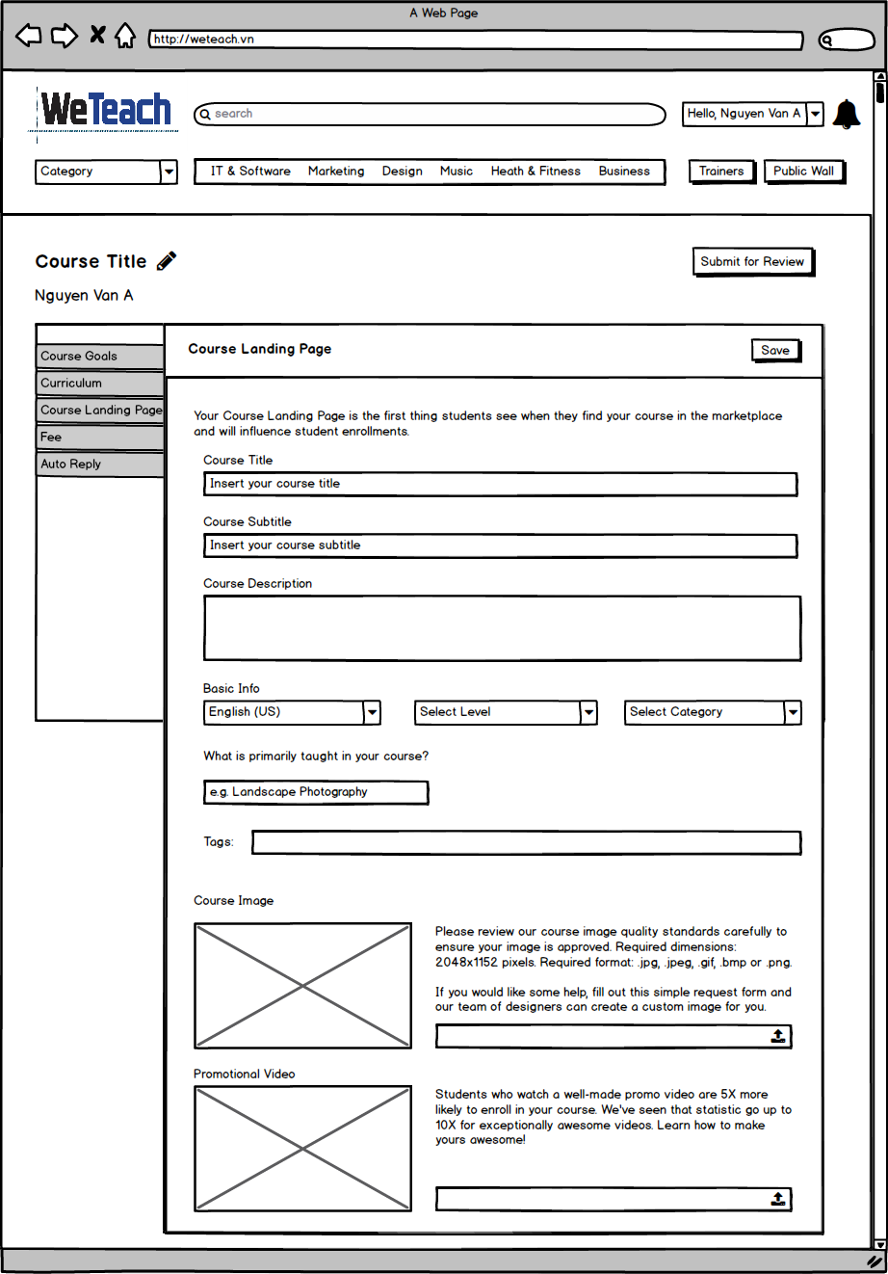
Add New Course - Course Landing Page (Trainer)

 | Create Date | May-17 | Version | v.1.0
 | Creator | TruongTN | Last Update

Add New Course - Fee
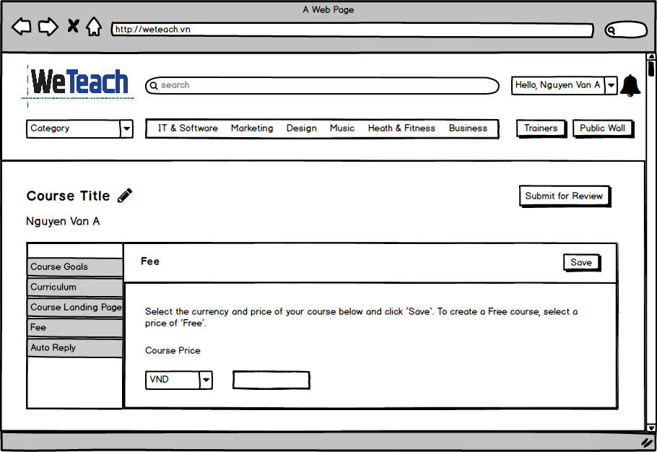
Add New Course - Fee (Trainer)

 | Create Date | May-17 | Version | v.1.0
 | Creator | TruongTN | Last Update

Add New Course - Automatic Mess
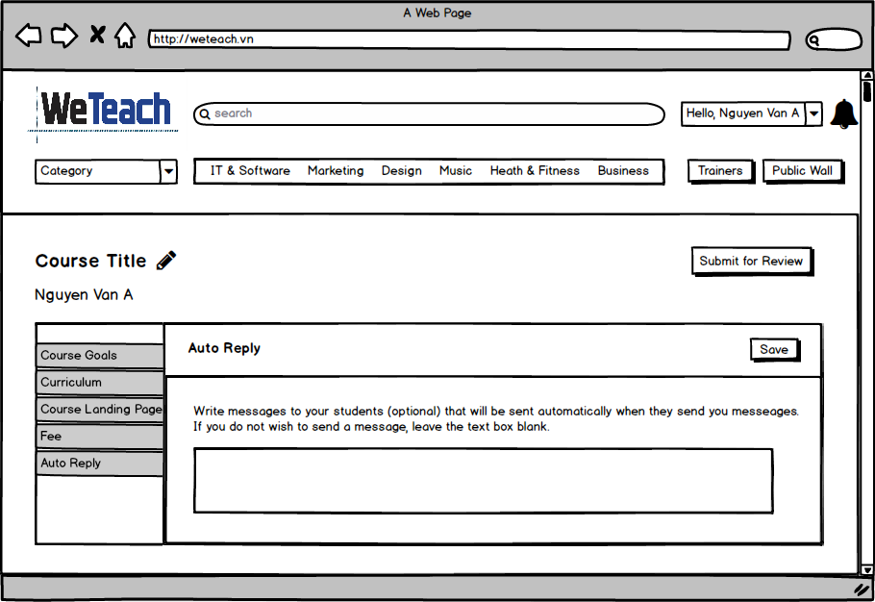
Add New Course - Auto Reply (Trainer)

 | Create Date | May-17 | Version | v.1.0
 | Creator | TruongTN | Last Update

View Course
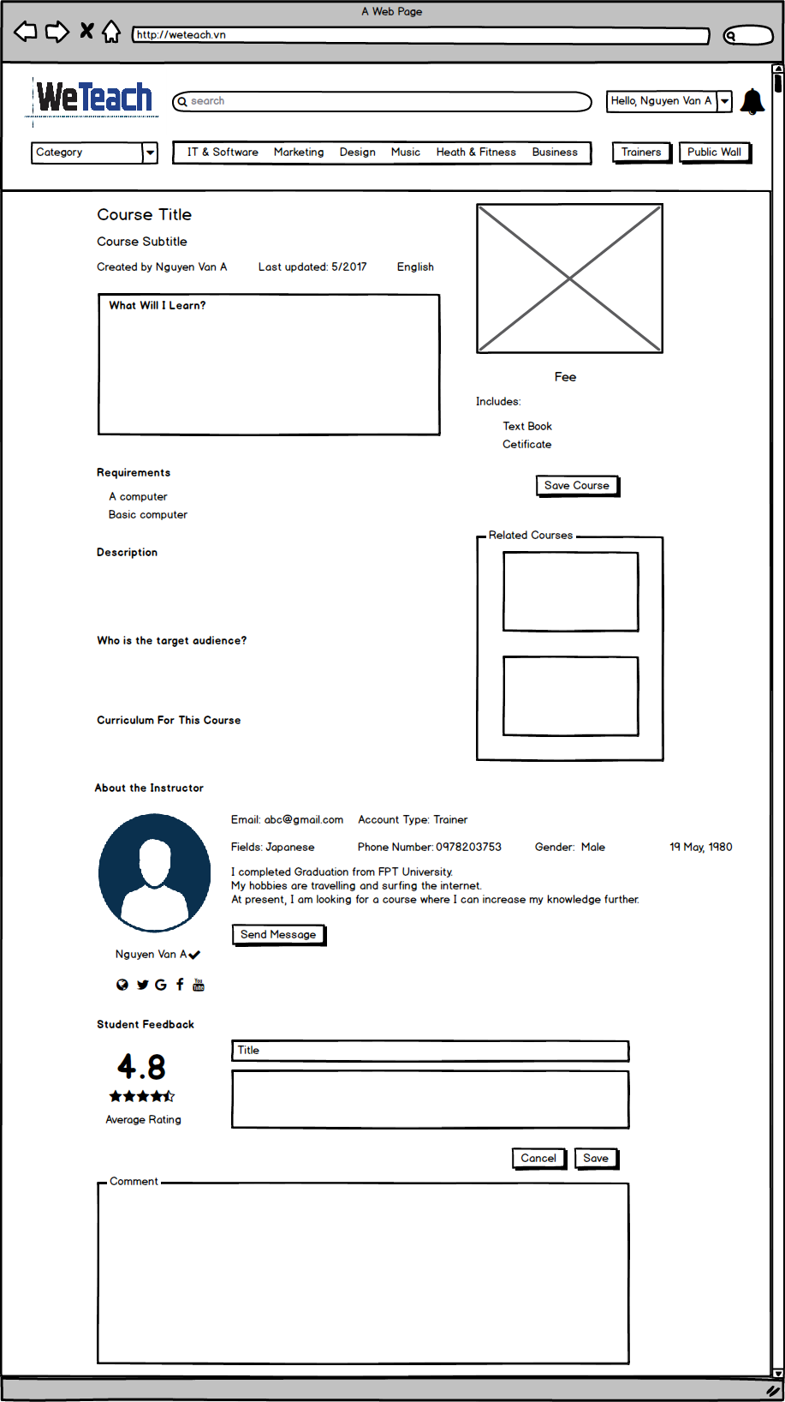
View Course

 | Create Date | May-17 | Version | v.1.0
 | Creator | TruongTN | Last Update

Send Message
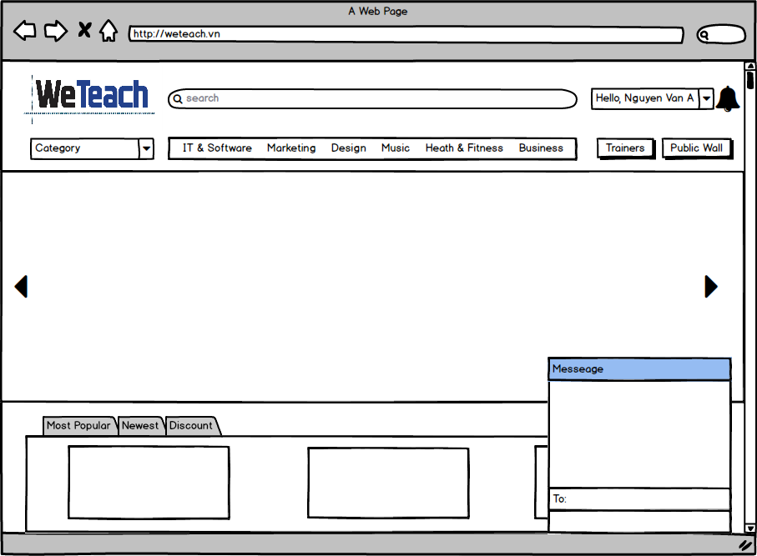
Send Message

 | Create Date | May-17 | Version | v.1.0
 | Creator | TruongTN | Last Update

Home - Admin
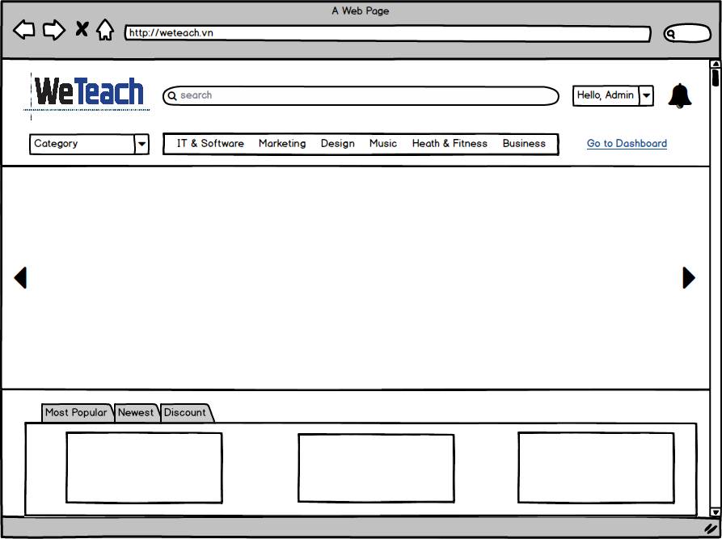
Home - Admin

 | Create Date | May-17 | Version | v.1.0
 | Creator | TruongTN | Last Update

Admin Dashboard - Home
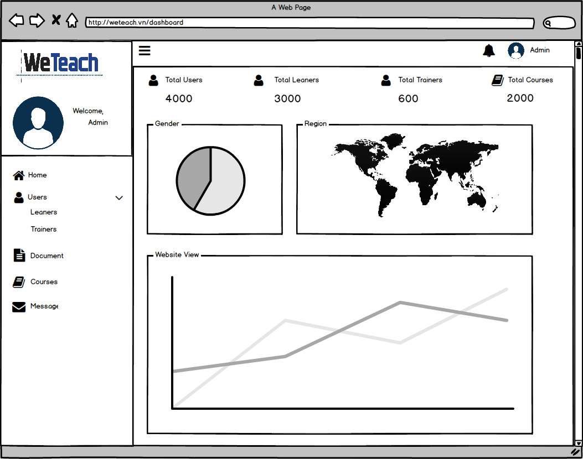
Admin Dashboard - Home

 | Create Date | May-17 | Version | v.1.0
 | Creator | TruongTN | Last Update

Admin Dashboard - Leaners
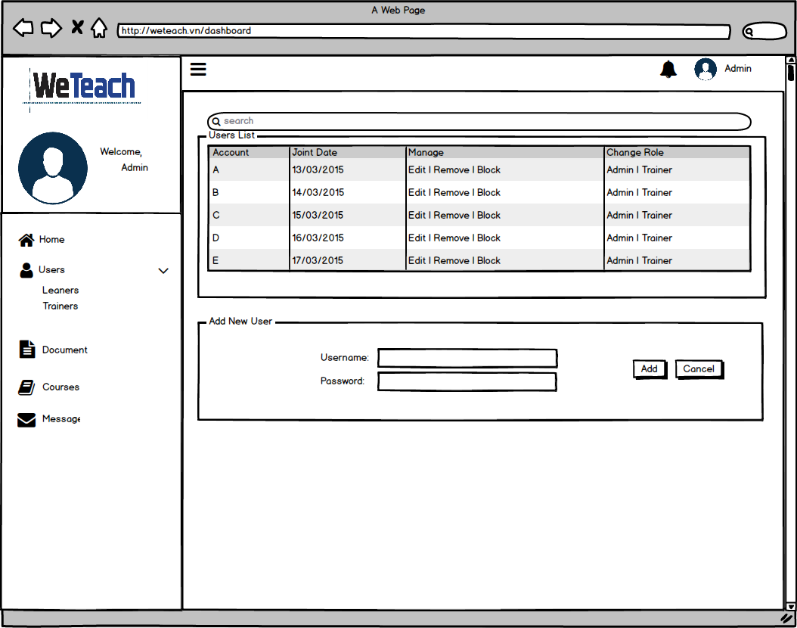
Admin Dashboard - Leaners

 | Create Date | May-17 | Version | v.1.0
 | Creator | TruongTN | Last Update

Admin Dashboard - Trainers
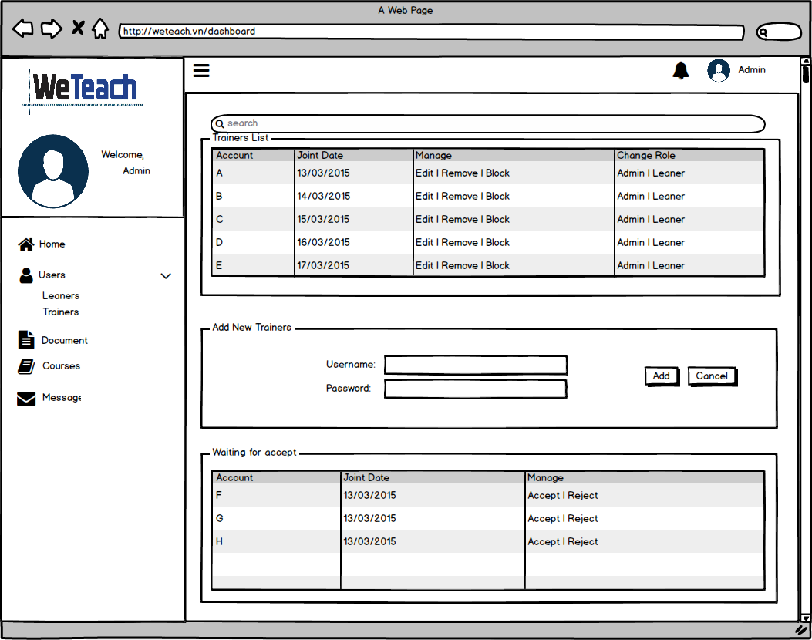
Admin Dashboard - Trainers

 | Create Date | May-17 | Version | v.1.0
 | Creator | TruongTN | Last Update

Admin Dashboard - Course
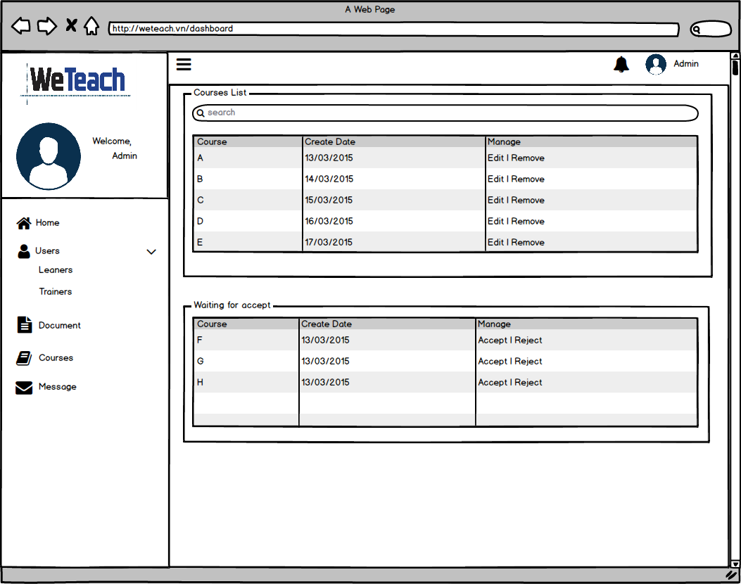
Admin Dashboard - Course

 | Create Date | May-17 | Version | v.1.0
 | Creator | TruongTN | Last Update

Admin Dashboard - Messages
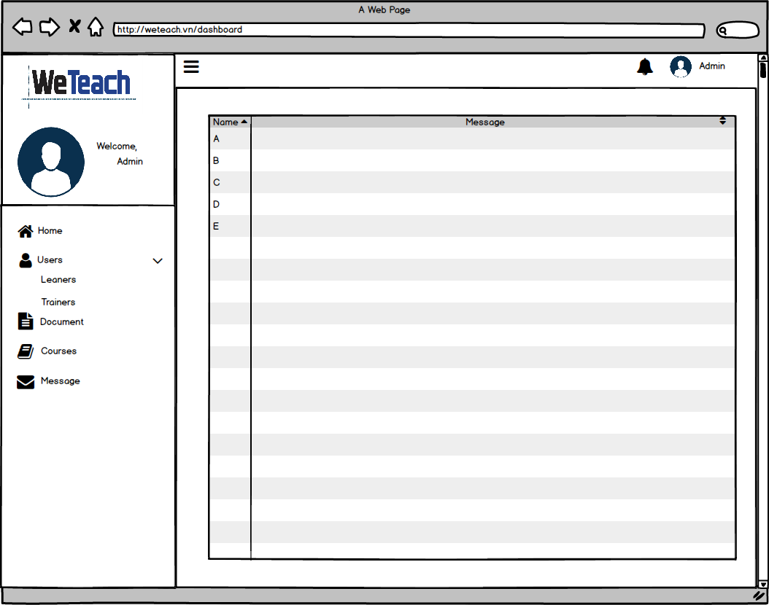
Admin Dashboard - Messages

 | Create Date | May-17 | Version | v.1.0
 | Creator | TruongTN | Last Update

Admin Dashboard - Document
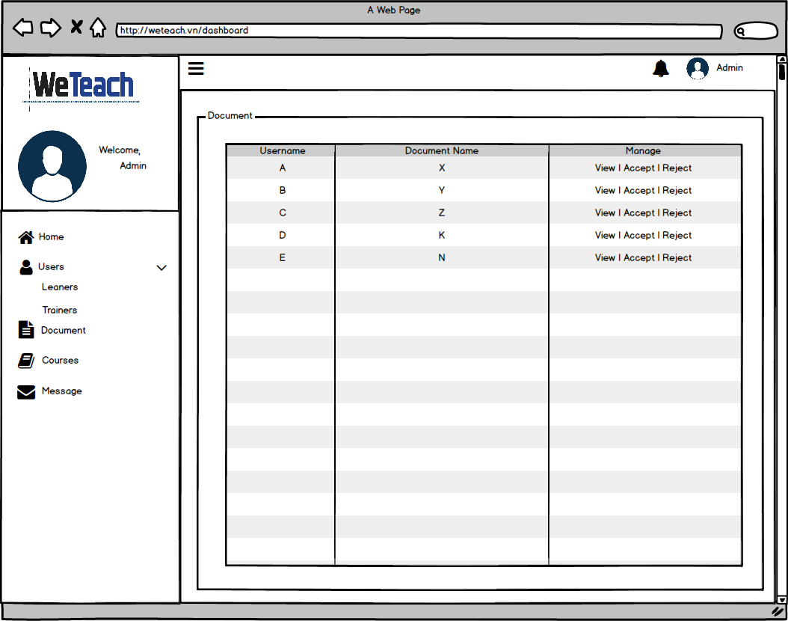
Admin Dashboard - Document

 | Create Date | May-17 | Version | v.1.0
 | Creator | TruongTN | Last Update

