Correlation & Regression-1
 | Student | x | y | xy | x^2 | y^2
 | A | 6 | 82 | 492 | 36 | 6724
 | B | 2 | 86 | 172 | 4 | 7396
 | C | 15 | 43 | 645 | 225 | 1849
 | D | 9 | 74 | 666 | 81 | 5476
 | E | 12 | 58 | 696 | 144 | 3364
 | F | 5 | 90 | 450 | 25 | 8100
 | G | 8 | 78 | 624 | 64 | 6084
 |  | 57 | 511 | 3745 | 579 | 38993

 | n = | 7 |  | Student | x | y'
 | r = | -0.94421517069 |  | H | 7 | 77.139303483
 | r = | -0.94421517069 |  | I | 10 | 66.273631841
 | r = | -0.94421517069 |  | J | 11 | 62.651741294
Intercept | a = | 102.49253731
Slope | b = | -3.6218905473
Intercept | a = | 102.49253731
Slope | b = | -3.6218905473
 | r^2 = | 0.89154228856

Decision Tree
Day | Outlook | Temperature | Humidity | Wind | Play |  |  |  |  |  |  |  |  |  |  | Day | Outlook X[0] | Temperature X[1] | Humidity X[2] | Wind X[3] | Play y
1 | Sunny | Hot | High | Weak | No |  |  |  |  |  |  |  |  |  |  | 1 | Sunny - 2 | Hot - 1 | High - 0 | Weak - 1 | No - 0
2 | Sunny | Hot | High | Strong | No |  |  |  |  |  |  |  |  |  |  | 2 | Sunny - 2 | Hot - 1 | High - 0 | Strong - 0 | No - 0
3 | Overcast | Hot | High | Weak | Yes |  |  |  |  |  |  |  |  |  |  | 3 | Overcast - 0 | Hot - 1 | High - 0 | Weak - 1 | Yes - 1
4 | Rain | Mild | High | Weak | Yes |  |  |  |  |  |  |  |  |  |  | 4 | Rain - 1 | Mild - 2 | High - 0 | Weak - 1 | Yes - 1
5 | Rain | Cool | Normal | Weak | Yes |  |  |  |  |  |  |  |  |  |  | 5 | Rain - 1 | Cool - 0 | Normal - 1 | Weak - 1 | Yes - 1
6 | Rain | Cool | Normal | Strong | No |  |  |  |  |  |  |  |  |  |  | 6 | Rain - 1 | Cool - 0 | Normal - 1 | Strong - 0 | No - 0
7 | Overcast | Cool | Normal | Strong | Yes |  | p | n | p + n | Information Gain I(p,n) | Entropy | Gain |  |  |  | 7 | Overcast - 0 | Cool - 0 | Normal - 1 | Strong - 0 | Yes - 1
8 | Sunny | Mild | High | Weak | No |  | 9 | 5 | 14 | 0.94028595867 |  |  |  |  |  | 8 | Sunny - 2 | Mild - 2 | High - 0 | Weak - 1 | No - 0
9 | Sunny | Cool | Normal | Weak | Yes | Outlook |  |  |  |  | 0.6935361389 | 0.24674981977 |  |  |  | 9 | Sunny - 2 | Cool - 0 | Normal - 1 | Weak - 1 | Yes - 1
10 | Rain | Mild | Normal | Weak | Yes | Sunny | 2 | 3 | 5 | 0.97095059445 |  |  |  |  |  | 10 | Rain - 1 | Mild - 2 | Normal - 1 | Weak - 1 | Yes - 1
11 | Sunny | Mild | Normal | Strong | Yes | Overcast | 4 | 0 | 4 | 0 |  |  |  |  |  | 11 | Sunny - 2 | Mild - 2 | Normal - 1 | Strong - 0 | Yes - 1
12 | Overcast | Mild | High | Strong | Yes | Rain | 3 | 2 | 5 | 0.97095059445 |  |  |  |  |  | 12 | Overcast - 0 | Mild - 2 | High - 0 | Strong - 0 | Yes - 1
13 | Overcast | Hot | Normal | Weak | Yes | Temperature |  |  |  |  | 0.91106339301 | 0.029222565659 |  |  |  | 13 | Overcast - 0 | Hot - 1 | Normal - 1 | Weak - 1 | Yes - 1
14 | Rain | Mild | High | Strong | No | Hot | 2 | 2 | 4 | 1 |  |  |  |  |  | 14 | Rain - 1 | Mild - 2 | High - 0 | Strong - 0 | No - 0
 |  |  |  |  |  | Mild | 4 | 2 | 6 | 0.91829583405
 | Yes Count (p) = | 9 |  |  |  | Cool | 3 | 1 | 4 | 0.81127812446 |  |  |  |  |  | Day | Outlook X[0] | Temperature X[1] | Humidity X[2] | Wind X[3] | Play y
 | No Count (n) = | 5 |  |  |  | Humidity |  |  |  |  | 0.78845045731 | 0.15183550136 |  |  |  | 1 | Sunny - 2 | Mild - 2 | Normal - 1 | Weak - 1 | Yes - 1
 | Total rows = | 14 |  |  |  | High | 3 | 4 | 7 | 0.98522813603 |  |  |  |  |  | 2 | Rain - 1 | Hot - 1 | High - 0 | Strong - 0 | No - 0
 |  |  |  |  |  | Normal | 6 | 1 | 7 | 0.59167277858
 |  |  |  |  |  | Wind |  |  |  |  | 0.89215892826 | 0.048127030408
 |  |  |  |  |  | Strong | 3 | 3 | 6 | 1
 |  |  |  |  |  | Weak | 6 | 2 | 8 | 0.81127812446

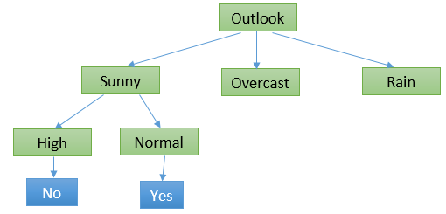
 |  |  |  |  |  |  | p | n | p + n | Information Gain I(p,n) | Entropy | Gain
Day | Outlook | Temperature | Humidity | Wind | Play | Sunny-Temp |  |  |  |  | 0.14285714286 | 0.79742881581
1 | Sunny | Hot | High | Weak | No | Hot | 0 | 2 | 2 | 0
2 | Sunny | Hot | High | Strong | No | Mild | 1 | 1 | 2 | 1
8 | Sunny | Mild | High | Weak | No | Cool | 1 | 0 | 1 | 0
9 | Sunny | Cool | Normal | Weak | Yes | Sunny-Humd |  |  |  |  | 0 | 0.94028595867
11 | Sunny | Mild | Normal | Strong | Yes | High | 0 | 3 | 3 | 0
 |  |  |  |  |  | Normal | 2 | 0 | 2 | 0
 |  |  |  |  |  | Sunny-Wind |  |  |  |  | 0.33963482158 | 0.60065113709
 |  |  |  |  |  | Strong | 1 | 1 | 2 | 1
 |  |  |  |  |  | Weak | 1 | 2 | 3 | 0.91829583405

Day | Outlook | Temperature | Humidity | Wind | Play
3 | Overcast | Hot | High | Weak | Yes
7 | Overcast | Cool | Normal | Strong | Yes
12 | Overcast | Mild | High | Strong | Yes
13 | Overcast | Hot | Normal | Weak | Yes
 |  |  |  |  |  |  | p | n | p + n | Information Gain I(p,n) | Entropy | Gain
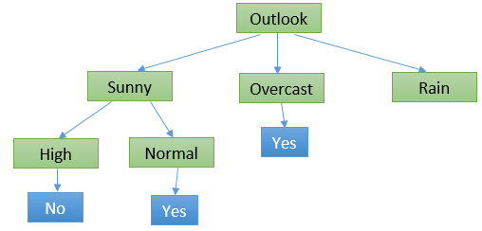
Day | Outlook | Temperature | Humidity | Wind | Play | Rain-Temp |  |  |  |  | 0.33963482158 | 0.60065113709
4 | Rain | Mild | High | Weak | Yes | Mild | 2 | 1 | 3 | 0.91829583405
5 | Rain | Cool | Normal | Weak | Yes | Cool | 1 | 1 | 2 | 1
6 | Rain | Cool | Normal | Strong | No | Rain-Humd. |  |  |  |  | 0.33963482158 | 0.60065113709
10 | Rain | Mild | Normal | Weak | Yes | High | 1 | 1 | 2 | 1
14 | Rain | Mild | High | Strong | No | Normal | 2 | 1 | 3 | 0.91829583405
 |  |  |  |  |  | Rain-Wind |  |  |  |  | 0 | 0.94028595867
 |  |  |  |  |  | Strong | 0 | 2 | 2 | 0
 |  |  |  |  |  | Weak | 3 | 0 | 3 | 0

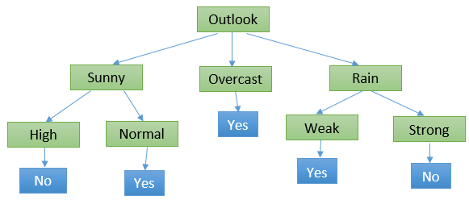
 |  |  |  |  |  | Gini Index
 |  |  |  |  |  | A | 243 |  |  |  |  |  | Algo / Split Criterion | Description | Tree Type
 |  |  |  |  |  | B | 89 |  |  |  |  |  | Gini Split / Gini Index | Favours larger partitions. Very simple to implement. | CART
 |  |  |  |  |  | Total | 332 |  |  |  |  |  | Information Gain / Entropy | Favours partitions that have small counts but many distinct values. | ID3 / C4.5
 |  |  |  |  |  | Gini Index | 0.39241907389
 |  |  |  |  |  | gini = 0.392 |  |  |  |  |  |  | Classification & Regression Trees (CART)
 |  |  |  |  |  |  |  |  |  |  |  |  | · Favours larger partitions.
 |  |  |  |  |  |  |  |  |  |  |  |  | · Uses squared proportion of classes.
Rows | Outlook | Temperature | Humidity | Wind | Play |  |  |  |  |  |  |  | · Perfectly classified, Gini Index would be zero.
1 | Sunny | Mild | Normal | Weak | Yes
2 | Rain | Hot | High | Strong | No

K-NN
No. | Sepal_length | Sepal_width | Species | Euclidean Distance | Rank | Manhattan Distance | Rank | Test Row
1 | 5.1 | 3.5 | setosa | 1.3000 | 10 | 1.7 | 11 | Sepal_length | Sepal_width | Species
2 | 4.9 | 3.0 | setosa | 1.4000 | 11 | 1.4 | 8 | 6.3 | 3.0 | Virginica | K = 5
K-NN Classification
3 | 4.7 | 3.2 | setosa | 1.6125 | 14 | 1.8 | 12
4 | 4.6 | 3.1 | setosa | 1.7029 | 15 | 1.8 | 13
5 | 5.0 | 3.6 | setosa | 1.4318 | 12 | 1.9 | 14
6 | 5.5 | 2.3 | versicolor | 1.0630 | 8 | 1.5 | 9
7 | 6.5 | 2.8 | versicolor | 0.2828 | 1 | 0.4 | 2
8 | 5.7 | 2.8 | versicolor | 0.6325 | 6 | 0.8 | 6
9 | 6.3 | 3.3 | versicolor | 0.3000 | 3 | 0.3 | 1
10 | 4.9 | 2.4 | versicolor | 1.5232 | 13 | 2.0 | 15
11 | 7.2 | 3.6 | virginica | 1.0817 | 9 | 1.5 | 10
12 | 6.5 | 3.2 | virginica | 0.2828 | 1 | 0.4 | 2
13 | 6.4 | 2.7 | virginica | 0.3162 | 4 | 0.4 | 2
14 | 6.8 | 3.0 | virginica | 0.5000 | 5 | 0.5 | 5
15 | 5.7 | 2.5 | virginica | 0.7810 | 7 | 1.1 | 7

K-Means Clustering
 |  |  | Distance |  |  | Distance |  |  | Distance
No. | Var-1 | Var-2 | From C1-1 | From C2-1 | Cluster | From C1-2 | From C2-2 | Cluster | From C1-3 | From C2-3 | Cluster
1 | 1.00 | 1.00 | 0.0000 | 7.2111 | C1 | 1.5723 | 5.3765 | C1 | 0.5590 | 5.0220 | C1
2 | 1.50 | 2.00 | 1.1180 | 6.1033 | C1 | 0.4714 | 4.2757 | C1 | 0.5590 | 3.9205 | C1
3 | 3.00 | 4.00 | 3.6056 | 3.6056 | C1 | 2.0344 | 1.7766 | C2 | 3.0516 | 1.4213 | C2
4 | 5.00 | 7.00 | 7.2111 | 0.0000 | C2 | 5.6396 | 1.8456 | C2 | 6.6568 | 2.1954 | C2
5 | 3.50 | 5.00 | 4.7170 | 2.5000 | C2 | 3.1447 | 0.7289 | C2 | 4.1608 | 0.4123 | C2
6 | 4.50 | 5.00 | 5.3151 | 2.0616 | C2 | 3.7712 | 0.5303 | C2 | 4.7762 | 0.6083 | C2
7 | 3.50 | 4.50 | 4.3012 | 2.9155 | C2 | 2.7335 | 1.0753 | C2 | 3.7500 | 0.7211 | C2
K-Means
C1-1 | 1.00 | 1.00
C2-1 | 5.00 | 7.00
C1-2 | 1.83 | 2.33
C2-2 | 4.13 | 5.38
C1-3 | 1.25 | 1.50
C2-3 | 3.90 | 5.10

New Data Point
Var-1 | Var-2 | From C1 | From C2 | Cluster No.
3 | 3 | 2.3048861143 | 2.2847319318 | Cluster-2

Hierarchical Clustering
Hierarchical Clustering Example

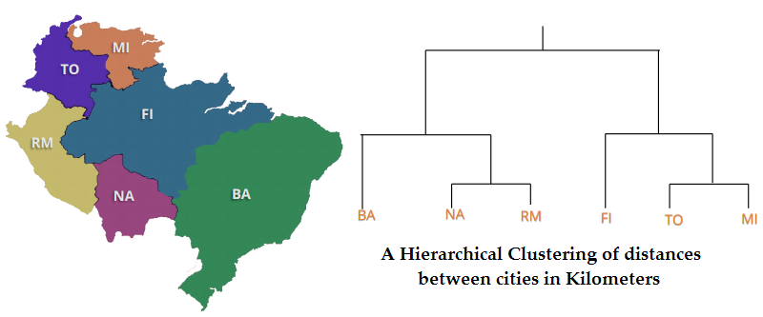
 |  |  |  |  |  |  |  |  |  | Distance | BA | FI | MI | NA | RM | TO
 |  |  |  |  |  |  |  |  |  | BA | 0 | 662 | 877 | 255 | 412 | 996
 |  |  |  |  |  |  |  |  |  | FI | 662 | 0 | 295 | 468 | 268 | 400
 |  |  |  |  |  |  |  |  |  | MI | 877 | 295 | 0 | 754 | 564 | 138
 |  |  |  |  |  |  |  |  |  | NA | 255 | 468 | 754 | 0 | 219 | 869
 |  |  |  |  |  |  |  |  |  | RM | 412 | 268 | 564 | 219 | 0 | 669
 |  |  |  |  |  |  |  |  |  | TO | 996 | 400 | 138 | 869 | 669 | 0

 |  |  |  |  |  |  |  |  |  | Distance | BA | FI | MI/TO | NA | RM
 |  |  |  |  |  |  |  |  |  | BA | 0 | 662 | 877 | 255 | 412
 |  |  |  |  |  |  |  |  |  | FI | 662 | 0 | 295 | 468 | 268
 |  |  |  |  |  |  |  |  |  | MI/TO | 877 | 295 | 0 | 754 | 564
 |  |  |  |  |  |  |  |  |  | NA | 255 | 468 | 754 | 0 | 219
 |  |  |  |  |  |  |  |  |  | RM | 412 | 268 | 564 | 219 | 0

 | Distance | BA | FI | TO/MI | NA/RM | Distance | BA/(NA/RM) | FI | TO/MI |  | Distance | BA/(NA/RM) | FI/(TO/MI)
 | BA | 0 | 662 | 877 | 255 | BA/(NA/RM) | 0 | 268 | 564 |  | BA/(NA/RM) | 0 | 268
 | FI | 662 | 0 | 295 | 268 | FI | 268 | 0 | 295 |  | FI/(TO/MI) | 268 | 0
 | TO/MI | 877 | 295 | 0 | 564 | TO/MI | 564 | 295 | 0
 | NA/RM | 255 | 268 | 564 | 0

 |  | BA: Buenos Aires (Argentina), British Airways (airline), Bachelor of Arts (degree)
 |  | NA: North America (continent), National Archives (organization), North Atlantic (ocean)
 |  | RM: Rome (Italy), Royal Mail (postal service in the UK), Records Management (industry term)
 |  | FI: Finland (country), Financial Institution (industry term), Federated States of Micronesia (country)
 |  | TO: Toronto (Canada), Time Out (magazine), Take Out (food service)
 |  | MI: Michigan (state in the USA), Military Intelligence (industry term), Migraine (health condition)

ROC
 | ROC Calculation Details
 | BCY | BCYH | 0.99 | 0.98 | 0.95 | 0.1 | 0.05 | 0.02 | 0.01 | 0.97 | 0.99
1 | 1 | 0.95 | 0 | 0 | 1 | 1 | 1 | 1 | 1 | 0 | 0.98
2 | 0 | 0.1 | 0 | 0 | 0 | 1 | 1 | 1 | 1 | 0 | 0.97
3 | 1 | 0.1 | 0 | 0 | 0 | 1 | 1 | 1 | 1 | 0 | 0.95
4 | 1 | 0.99 | 1 | 1 | 1 | 1 | 1 | 1 | 1 | 1 | 0.1
5 | 0 | 0.98 | 0 | 1 | 1 | 1 | 1 | 1 | 1 | 1 | 0.05
6 | 0 | 0.01 | 0 | 0 | 0 | 0 | 0 | 0 | 1 | 0 | 0.02
7 | 1 | 0.02 | 0 | 0 | 0 | 0 | 0 | 1 | 1 | 0 | 0.01
ROC Curve
8 | 0 | 0.01 | 0 | 0 | 0 | 0 | 0 | 0 | 1 | 0
9 | 0 | 0.01 | 0 | 0 | 0 | 0 | 0 | 0 | 1 | 0
10 | 1 | 0.97 | 0 | 0 | 1 | 1 | 1 | 1 | 1 | 1
11 | 0 | 0.05 | 0 | 0 | 0 | 0 | 1 | 1 | 1 | 0
 | X-Axis | FPR | 0.00 | 0.17 | 0.17 | 0.33 | 0.50 | 0.50 | 1.00 | 0.17
 | Y-Axis | TPR | 0.20 | 0.20 | 0.60 | 0.80 | 0.80 | 1.00 | 1.00 | 0.40
 | Diff = TPR - FPR |  | 0.20 | 0.03 | 0.43 | 0.47 | 0.30 | 0.50 | 0.00 | 0.23
 | X-Axis | False Positive Rate (FPR=FP/N=FP/(FP+TN))
 | Y-Axis | True Positive Rate (TPR=TP/P=TP/(TP+FN))

 |  | Program Name - ROC Error Analysis.ipynb
 |  | BCY -> Binary Classification Y
 |  | BCYH-> Binary Classification Y-Hat

 |  | X-LL | X-UL | X-Diff | Y-LL | Y-UL | Y-Diff | Area
 |  | 0.00 | 0.17 | 0.17 | 0.20 | 0.20 | 0.00 | 0.03
 |  | 0.17 | 0.17 | 0.00 | 0.20 | 0.60 | 0.40 | 0.00
 |  | 0.17 | 0.33 | 0.17 | 0.60 | 0.80 | 0.20 | 0.12
 |  | 0.33 | 0.50 | 0.17 | 0.80 | 0.80 | 0.00 | 0.13
 |  | 0.50 | 0.50 | 0.00 | 0.80 | 1.00 | 0.20 | 0.00
 |  | 0.50 | 1.00 | 0.50 | 1.00 | 1.00 | 0.00 | 0.50
 |  | 1.00 |  |  | 1.00 |  |  | 0.78 | (AUC)

