Sheet1
Height = intercept + slope x Weight
 |  |  |  |  |  |  |  | residual
 | y=mx+c | x | y_true | trial 1(predic | difference | difference squared | trial2 | absolute difference | square of residual | trial 3 | Absolute difference
 |  |  | m | 1 |  |  | 1.2 |  |  | 0.12676056338
y = 2.006x + (-0.018) |  |  | c | 2 |  |  | 2 |  |  | 5.6197183099
 |  | 2 | 4.5 | 4 | 0.5 | 0.25 | 4.40 | 0.10 | 0.01 | 5.87 | -1.37 | 1.8857865503
Learning Rate (eta) | 0.1 | 3 | 6 | 5 | 1 | 1 | 5.60 | 0.40 | 0.16 | 6.00 | 0.00 | 0
 |  | 4 | 7.5 | 6 | 1.5 | 2.25 | 6.80 | 0.70 | 0.49 | 6.13 | 1.37 | 1.8857865503
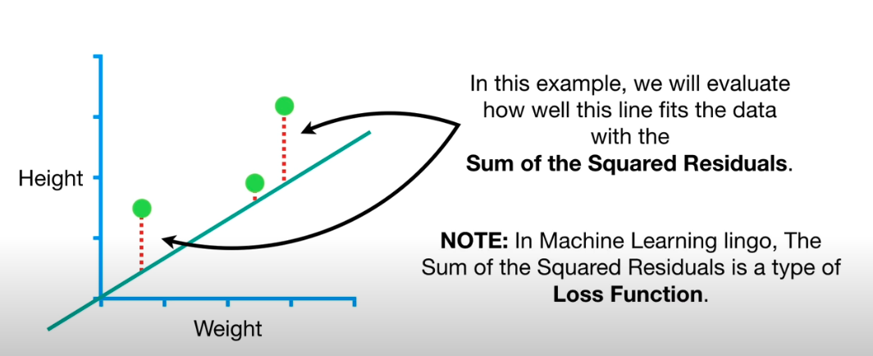
 |  |  |  | sum | 3 | 3.5 |  | 1.2 | 0.66 |  | 0 | 3.7715731006

 |  |  |  |  |  |  | residual sum | sum of residual squares

 |  |  |  |  |  | Residual - Difference between predicted output and the expected output

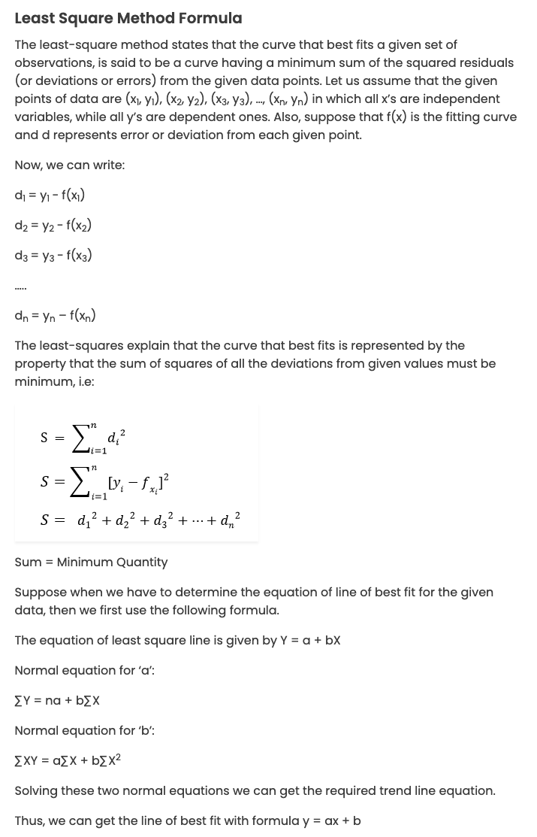
Least Square Method Formula

x | 2 | 3 | 4
y | 4.5 | 6 | 7.5

Solution:
Mean of x values = (2 + 3 + 4)/3 = 9/3 = 3
Mean of y values = (4.5 + 6 + 7.5)/3 = 18/3 =6
Straight line equation is y= a + bx
The normal equation are:
∑y = an +b∑x
∑xy = a∑x + b∑x²

X²
x | y |  | xy
2 | 4.5 | 4 | 9
3 | 6 | 9 | 18
4 | 7.5 | 16 | 30
9 | 18 | 29 | 57
∑x = 9 ∑y = 18 ∑x² = 29 ∑xy = 57

m | c
0.12676056338 | 5.6197183099

