Order ID
Row Labels | Sum of Sales
E-111 | 74000
E-116 | 70000
N-123 | 100000
N-127 | 65000
N-128 | 68000
N-141 | 98000
N-142 | 78000
N-148 | 95000
S-162 | 95000
S-164 | 78000
S-170 | 65000
S-172 | 65000
S-175 | 73000
W-184 | 92000
W-190 | 75000
W-194 | 69000
Grand Total | 1260000

Sheet4
Row Labels | Sum of Sales
Direct | 542860
Online | 1694080
Retail | 1067290
Grand Total | 3304230

Sheet3
Row Labels | Sum of Sales
Basic | 1182800
Classic | 1519720
Premium | 601710
Grand Total | 3304230

sales
Row Labels | Sum of Sales
2015
Jan | 75300
 | Total
Jan | 75300
Feb | 7800
Mar | 5900
Apr | 23000
May | 6000
Jun | 20000
Jul | 60000
Aug | 212300
Sep | 78000
Oct | 68000
Nov | 96000
Dec | 77000
Jan | 12300
Feb | 21000
Mar | 32000
Apr | 6000
May | 5000
Jun | 32020
Jul | 9000
Aug | 62000
Sep | 286800
Oct | 47000
Nov | 44000
Dec | 102000
Jan | 32000
Feb | 62000
Mar | 54000
Apr | 4000
May | 153000
Jun | 25450
Jul | 35220
Aug | 52020
Sep | 185000
Oct | 49560
Nov | 23000
Dec | 42840
Jan | 74000
Feb | 73000
Mar | 140500
Apr | 65000
May | 64000
Jun | 72320
Jul | 51000
Aug | 330700
Sep | 93000
Oct | 50200
Nov | 112000
Dec | 72000
Feb | 7800
Mar | 5900
Apr | 23000
May | 6000
Jun | 20000
Jul | 60000
Aug | 212300
Sep | 78000
Oct | 68000
Nov | 96000
Dec | 77000
2016
Jan | 12300
Feb | 21000
Mar | 32000
Apr | 6000
May | 5000
Jun | 32020
Jul | 9000
Aug | 62000
Sep | 286800
Oct | 47000
Nov | 44000
Dec | 102000
2017
Jan | 32000
Feb | 62000
Mar | 54000
Apr | 4000
May | 153000
Jun | 25450
Jul | 35220
Aug | 52020
Sep | 185000
Oct | 49560
Nov | 23000
Dec | 42840
2018
Jan | 74000
Feb | 73000
Mar | 140500
Apr | 65000
May | 64000
Jun | 72320
Jul | 51000
Aug | 330700
Sep | 93000
Oct | 50200
Nov | 112000
Dec | 72000
Grand Total | 3304230

Sheet5
Row Labels | Sum of Sales
East | 529320
North | 1025750
South | 1135060
West | 614100
Grand Total | 3304230

Sheet6
Row Labels | Sum of Sales
John | 1218470
Linda | 671820
Paul | 972300
Victor | 441640
Grand Total | 3304230

Pivot
Top 10% Sales
Row Labels | Sum of Sales
N-123 | 100K
N-141 | 98K
S-162 | 95K
N-148 | 95K
W-184 | 92K
N-142 | 78K
S-164 | 78K
W-190 | 75K
E-111 | 74K
S-175 | 73K
Grand Total | 858K

Sales per Personnel
Sales Per Person
Sales Person | Sum of Sales
John | 1218K
Linda | 672K
Paul | 972K
Victor | 442K
Grand Total | 3304K

Sales Per Year
Row Labels | Sum of Sales
2015 | 729K
2016 | 659K
2017 | 718K
2018 | 1198K
Grand Total | 3M

Total Sales
3M

3304K

Treadline of sales across month
Row Labels | Sum of Sales
Jan | 194K
Feb | 164K
Mar | 232K
Apr | 98K
May | 228K
Jun | 150K
Jul | 155K
Aug | 657K
Sep | 643K
Oct | 215K
Nov | 275K
Dec | 294K
Grand Total | 3M

Row Labels | Sum of Sales
East | 529K
North | 1M
South | 1M
West | 614K
Grand Total | 3M

Row Labels | Sum of Sales
East | 529K
North | 1026K
South | 1135K
West | 614K
Grand Total | 3M

dash


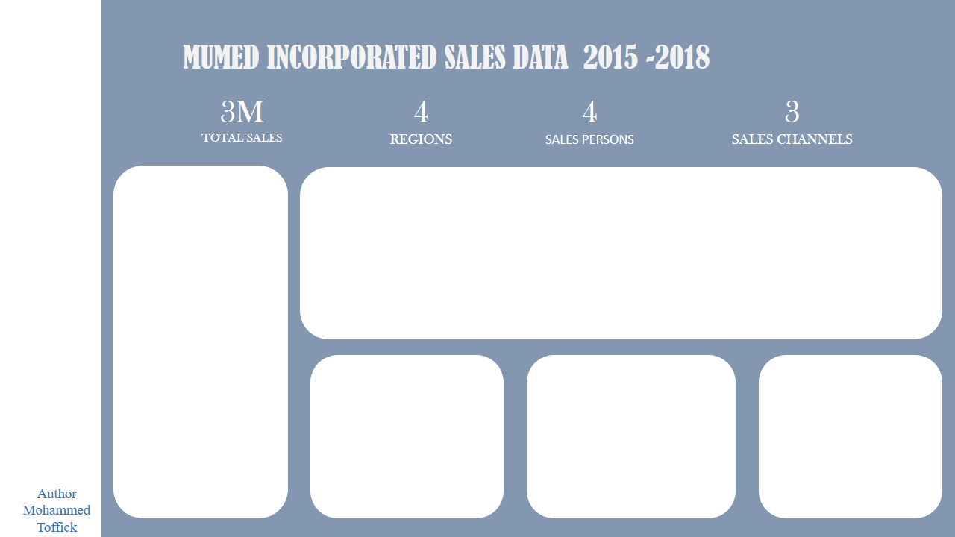

Top 10% Sales
Treadline of sales across month
 | Total
Jan | 194K
Feb | 164K
Mar | 232K
Apr | 98K
May | 228K
Jun | 150K
Jul | 155K
Aug | 657K
Sep | 643K
Oct | 215K
Nov | 275K
Dec | 294K
 | Total
N-123 | 100K
N-141 | 98K
S-162 | 95K
N-148 | 95K
W-184 | 92K
N-142 | 78K
S-164 | 78K
W-190 | 75K
E-111 | 74K
S-175 | 73K

Sales Per Year
 | Total
2015 | 729K
2016 | 659K
2017 | 718K
2018 | 1198K
Sales Per Region
 | Total
East | 529K
North | 1026K
South | 1135K
West | 614K
Sales Per Person
 | Total
John | 1218K
Linda | 672K
Paul | 972K
Victor | 442K

