Sheet1
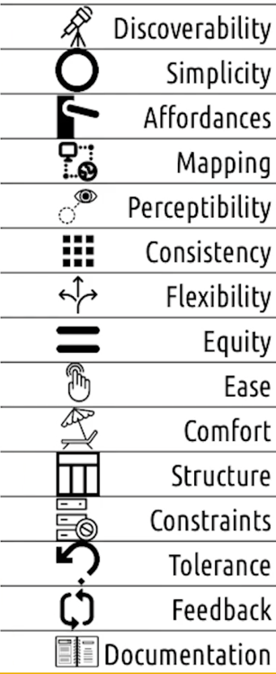
Design Principle | Score (1-5) | Explain your method for improving the design principle for your app, if not applicable please write N/A
Discoverability | 1
Simplicity | 1
Affordances | 1
Mapping | 1
Perceptibility | 1
Consistency | 1
Flexibility | 1
Equity | 1
Ease | 1
Comfort | 1
Structure | 1
Constraints | 1
Tolerance | 1
Feedback | 1
Documentation | 1

Average | 1 | The average will be calculated automatically. If design principle is not related please put 5 for its score

