Old vs New
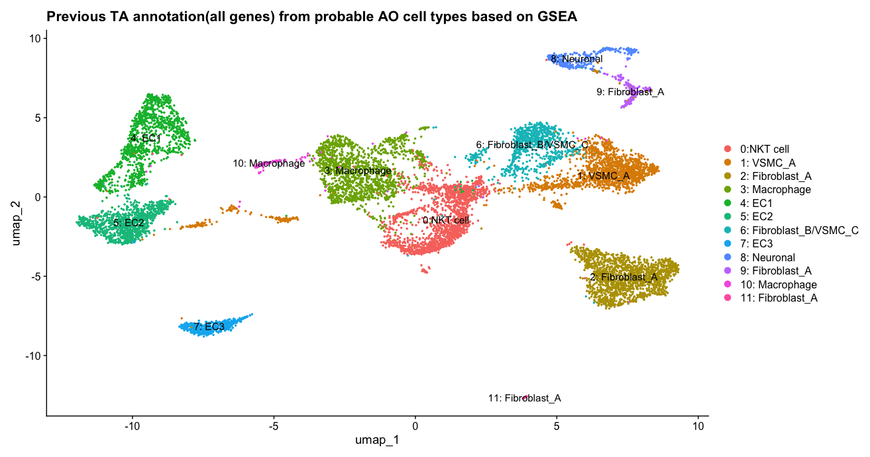
Old TA annotations
TA Cluster | AO cluster
0 | NKT
1 | VSMC_A
2 | Fibroblast_A
3 | Macrophage
4 | EC
5 | EC
6 | Fibroblast_B, VSMC_C
7 | EC
8 | Neuronal
9 | Fibroblast_A
10 | Macrophage
11 | Fibroblast_A

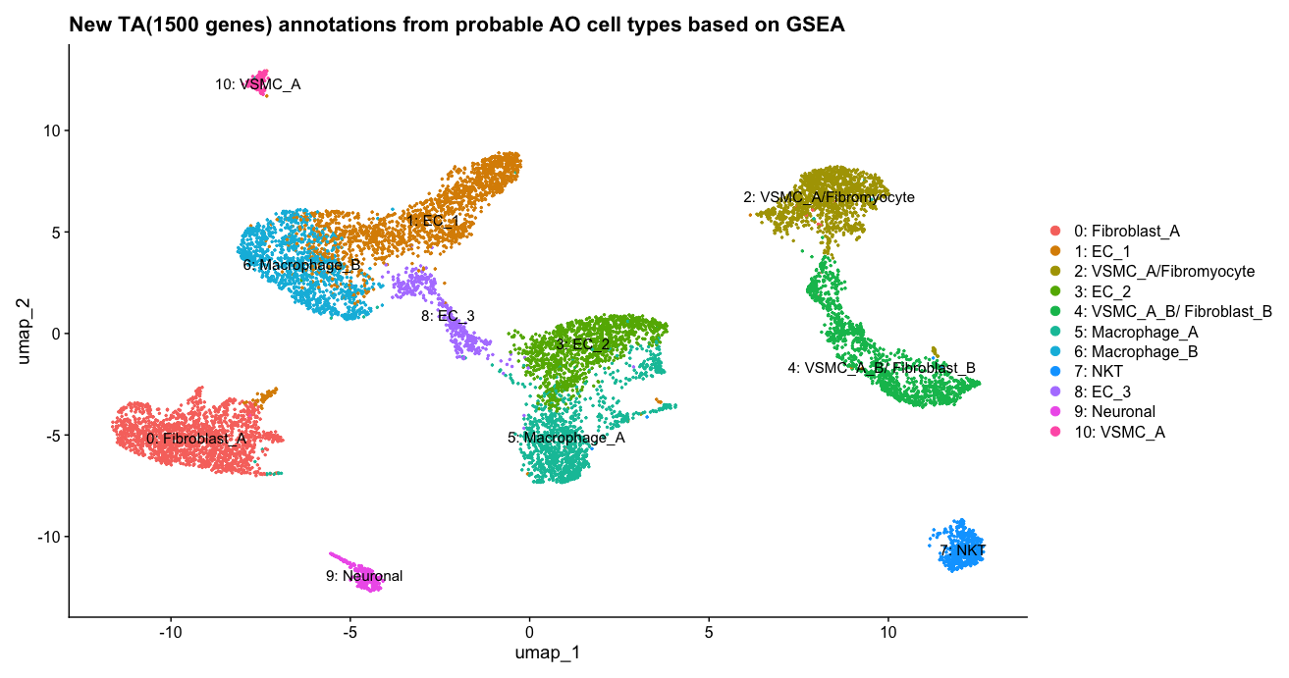

New TA annotations
TA Cluster | AO cluster
0 | Fibroblast_A
1 | EC
2 | VSMC_A/Fibromyocyte
3 | EC
4 | VSMC_A,VSMC_B,Fibroblast_B
5 | Macrophage
6 | Macrophage
7 | NKT
8 | EC
9 | Neuronal
10 | VSMC_A

