Sheet1
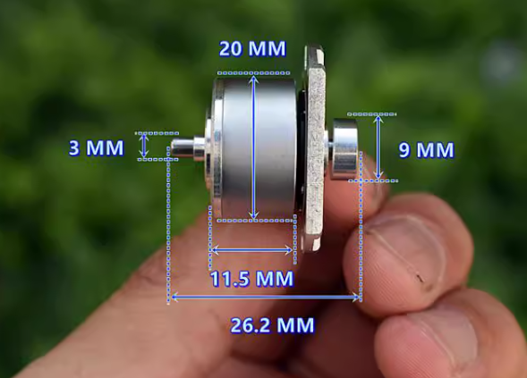
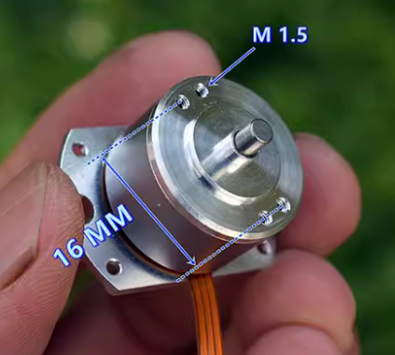
# | motor Type | types of motion | Price | driver included | range of motion | link
1 | BLDC | Rotational motion | ¥13.9 | No | 0 - 360 degrees | https://item.taobao.com/item.htm?from=cart&id=671720591719&spm=a1z0d.6639537%2F202410.item.d671720591719.407d74840qWjLd&upStreamPrice=1390

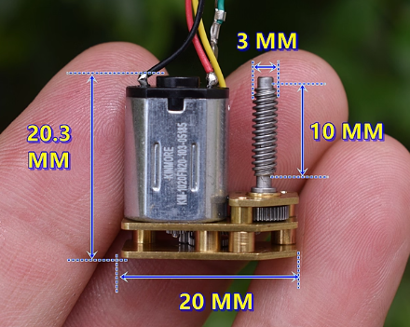
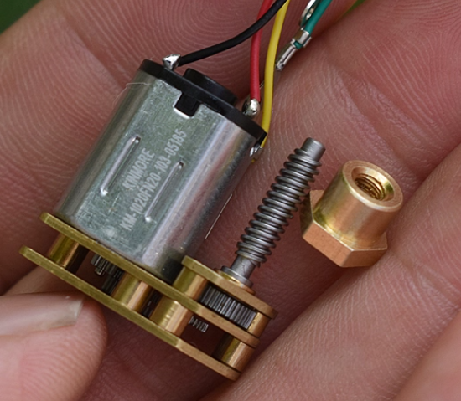
2 | BDC | translational motion | ¥6.96 | No | 10mm | https://item.taobao.com/item.htm?from=cart&id=818132423105&spm=a1z0d.6639537%2F202410.item.d818132423105.407d74840qWjLd&upStreamPrice=696

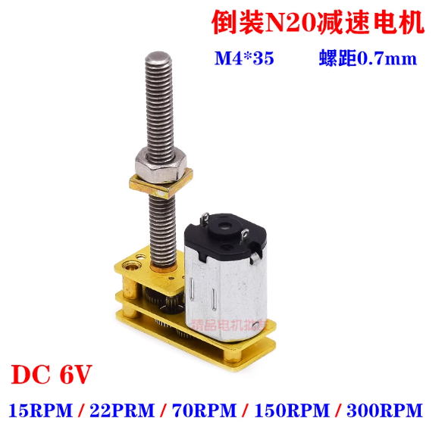
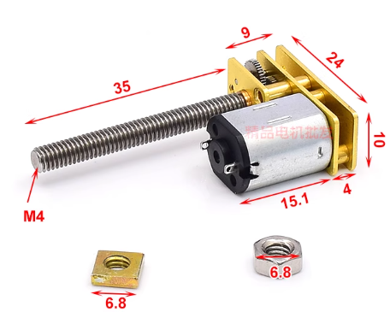
3 | BDC | translational motion | ¥19.5 | No | 35mm | https://item.taobao.com/item.htm?from=cart&id=707830065152&skuId=4974078597363&spm=a1z0d.6639537%2F202410.item.d707830065152.407d74840qWjLd&upStreamPrice=1950

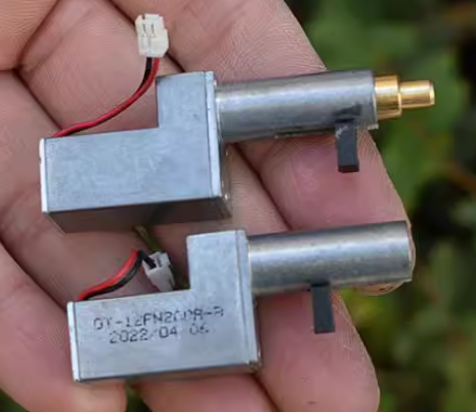
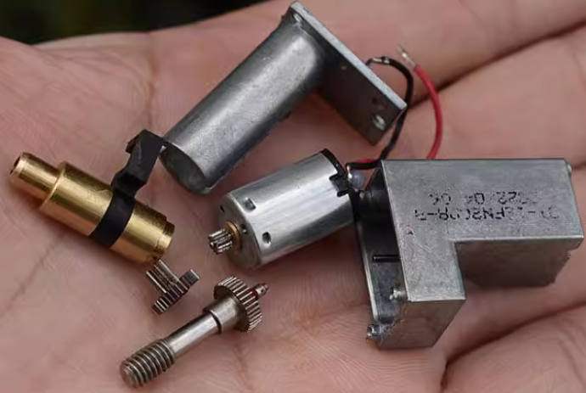
4 | BDC | translational motion | ¥6.95 | No | 10mm | https://item.taobao.com/item.htm?spm=a1z0d.6639537/202410.item.d877347847367.407d74840qWjLd&id=877347847367&from=cart&upStreamPrice=695

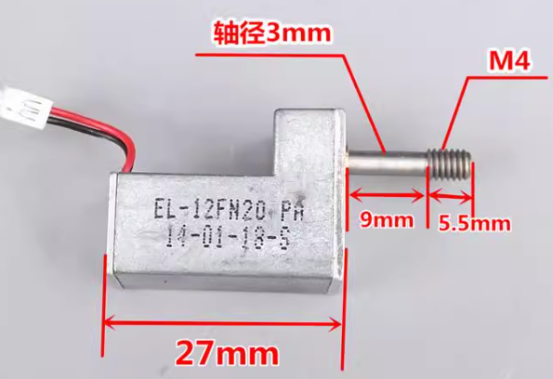
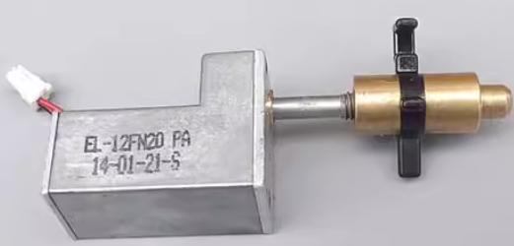
5 | BDC | translational motion | ¥10.5 | No | 10mm | https://item.taobao.com/item.htm?from=cart&id=594183639548&spm=a1z0d.6639537%2F202410.item.d594183639548.407d74840qWjLd&upStreamPrice=1050

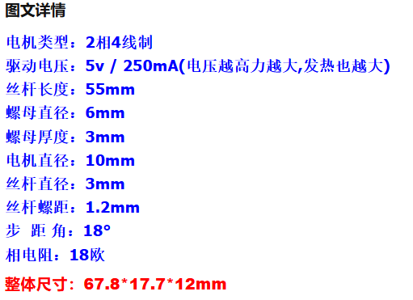
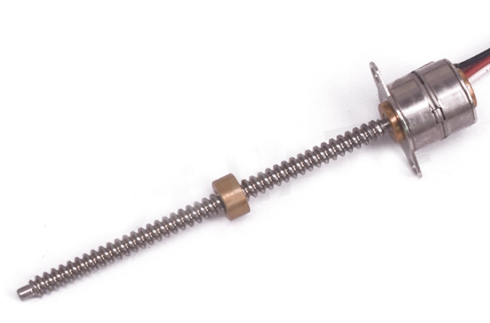
6 | STEP MOTOR | translational motion | ¥24.88 | No | 55mm | https://item.taobao.com/item.htm?from=cart&id=625346468264&spm=a1z0d.6639537%2F202410.item.d625346468264.407d74840qWjLd&upStreamPrice=2488

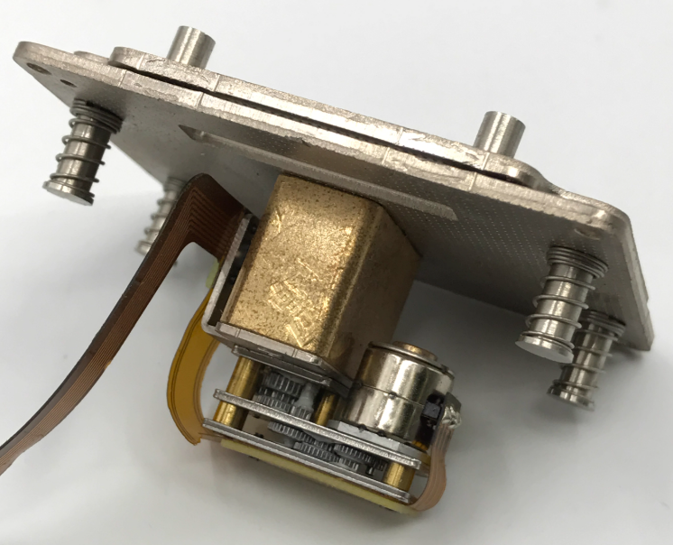
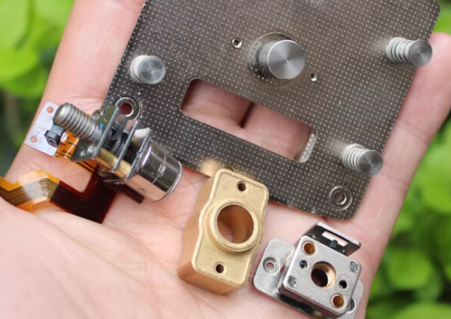
7 | STEP MOTOR | translational motion | ¥15 | No | 10mm | https://item.taobao.com/item.htm?from=cart&id=675870819061&spm=a1z0d.6639537%2F202410.item.d675870819061.407d74840qWjLd&upStreamPrice=1500

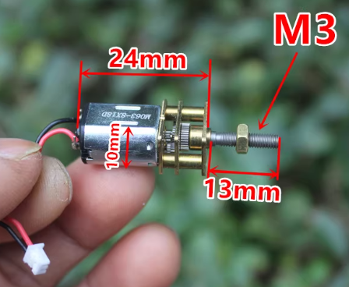
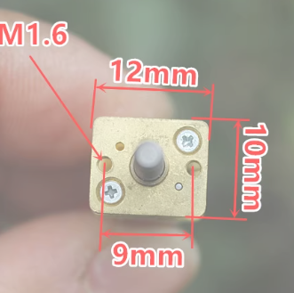
8 | BDC | translational motion | ¥4.9 | No | 10mm | https://item.taobao.com/item.htm?from=cart&id=874590262294&spm=a1z0d.6639537%2F202410.item.d874590262294.407d74840qWjLd&upStreamPrice=490

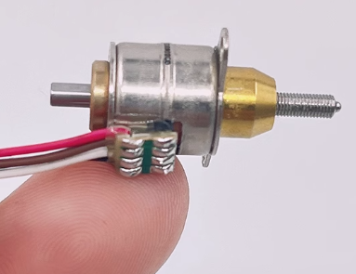
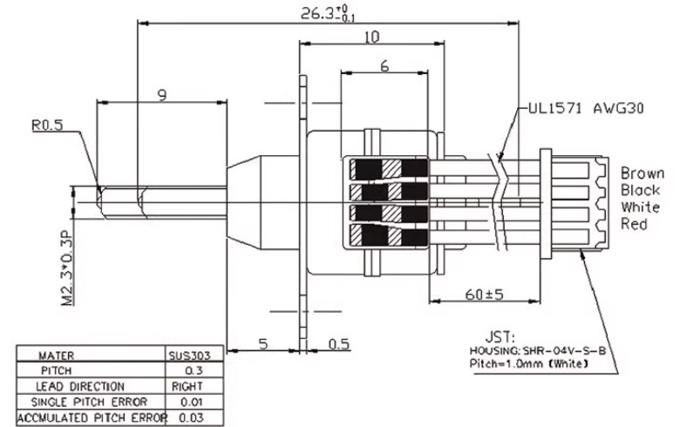
9 | STEP MOTOR | translational motion | ¥48 | No | 6.5mm | https://item.taobao.com/item.htm?from=cart&id=607136305208&spm=a1z0d.6639537%2F202410.item.d607136305208.407d74840qWjLd&upStreamPrice=4800

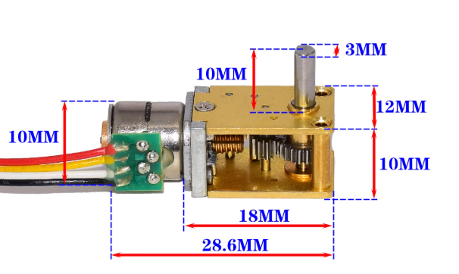
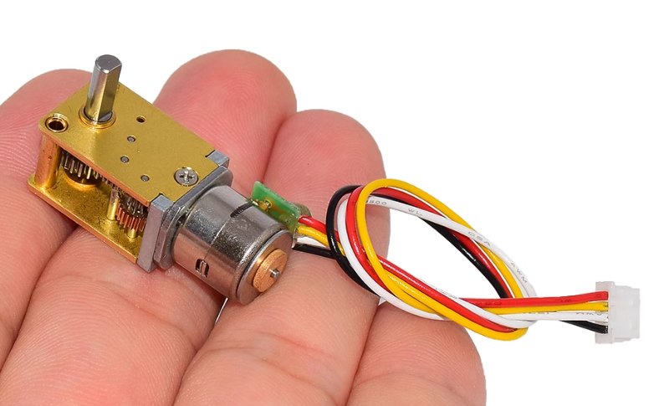
10 | STEP MOTOR | Rotational motion | ¥36.8 | No | 0 -360 degrees | https://item.taobao.com/item.htm?from=cart&id=663890515328&skuId=5239700970026&spm=a1z0d.6639537%2F202410.item.d663890515328.407d74840qWjLd&upStreamPrice=3680

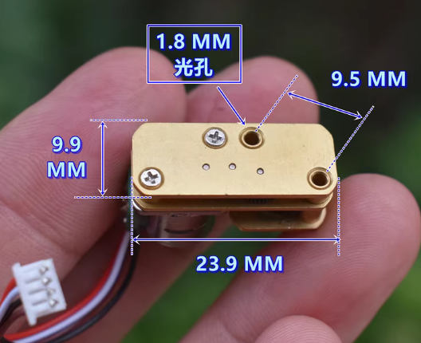
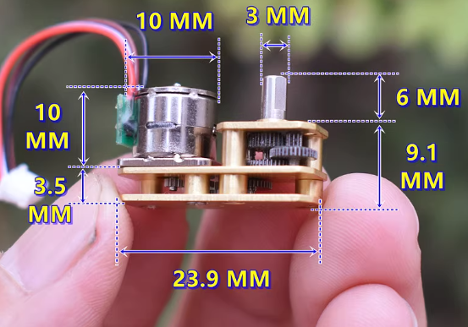
11 | STEP MOTOR | Rotational motion | ¥18.5 | No | 0 -360 degrees | https://item.taobao.com/item.htm?from=cart&id=844168537030&spm=a1z0d.6639537%2F202410.item.d844168537030.407d74840qWjLd&upStreamPrice=1850

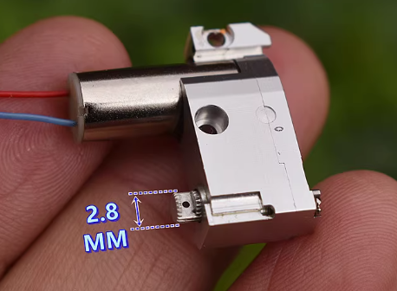
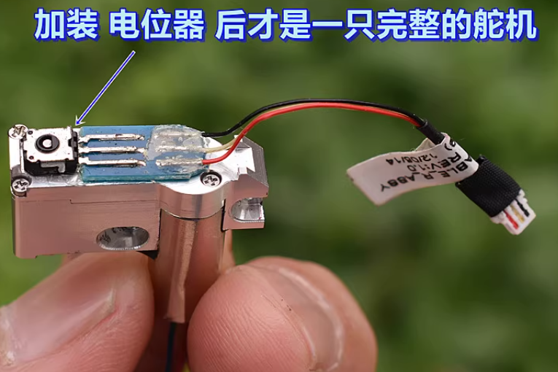
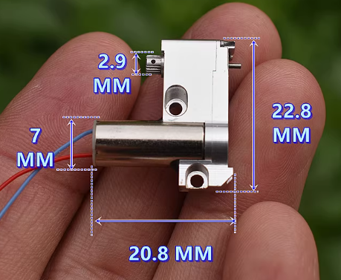
12 | BDC | Rotational motion | ¥10.8 | No | 0 -360 degrees | https://item.taobao.com/item.htm?from=cart&id=867050110316&skuId=5862346239849&spm=a1z0d.6639537%2F202410.item.d867050110316.407d74840qWjLd&upStreamPrice=1080

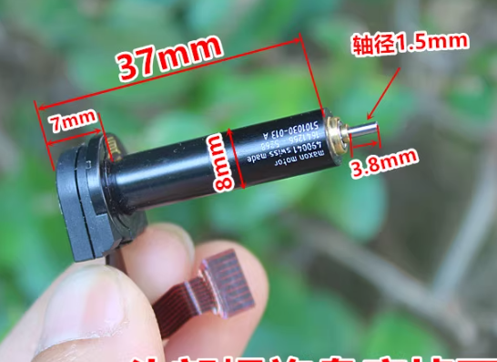
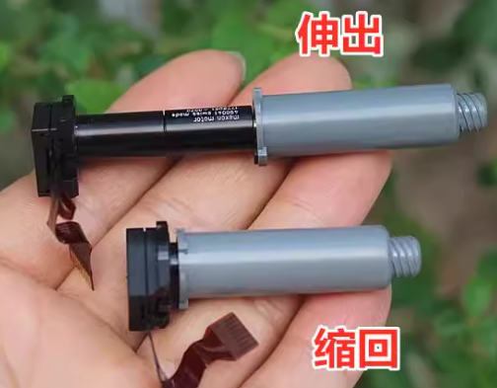
13 | BDC | Rotational motion | ¥12.8 | No | 0 -360 degrees | https://item.taobao.com/item.htm?from=cart&id=743633457016&skuId=5131025185512&spm=a1z0d.6639537%2F202410.item.d743633457016.407d74840qWjLd&upStreamPrice=1280

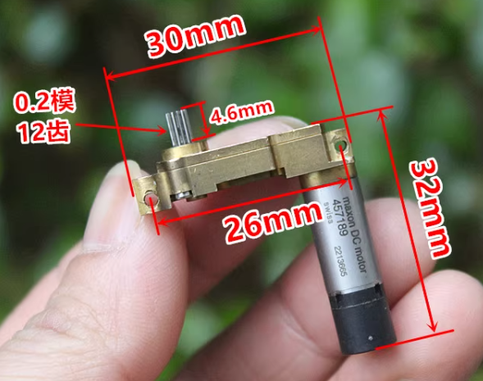
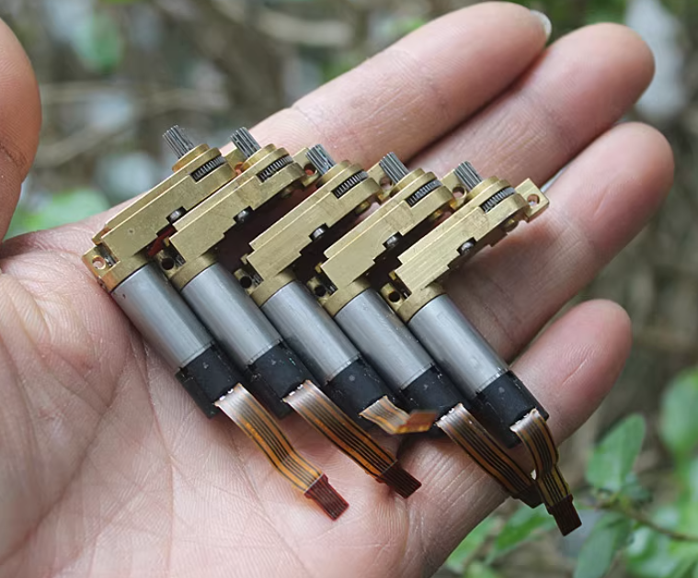
14 | BDC | Rotational motion | ¥13.5 | No | 0 -360 degrees | https://item.taobao.com/item.htm?from=cart&id=754818939782&skuId=5205799525711&spm=a1z0d.6639537%2F202410.item.d754818939782.407d74840qWjLd&upStreamPrice=1350

