Sheet1
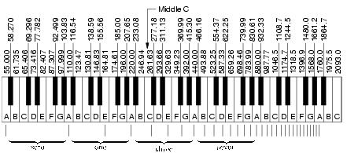
 | F | T | Tms | Tus | T_rounded
A | 220 | 0.0045454545455 | 4.5454545455 | 4545.4545455 | 4545
A# | 233.08 | 0.0042903724043 | 4.2903724043 | 4290.3724043 | 4290
B | 246.94 | 0.0040495666964 | 4.0495666964 | 4049.5666964 | 4050
C | 261.63 | 0.0038221916447 | 3.8221916447 | 3822.1916447 | 3822
C# | 277.18 | 0.0036077639079 | 3.6077639079 | 3607.7639079 | 3608
D | 293.66 | 0.0034052986447 | 3.4052986447 | 3405.2986447 | 3405
D# | 311.13 | 0.0032140905731 | 3.2140905731 | 3214.0905731 | 3214
E | 329.63 | 0.0030337044565 | 3.0337044565 | 3033.7044565 | 3034
F | 349.23 | 0.0028634424305 | 2.8634424305 | 2863.4424305 | 2863
F# | 369.99 | 0.0027027757507 | 2.7027757507 | 2702.7757507 | 2703
G | 392 | 0.0025510204082 | 2.5510204082 | 2551.0204082 | 2551
G# | 415.3 | 0.0024078979051 | 2.4078979051 | 2407.8979051 | 2408

