Summary
1. Tổng quan

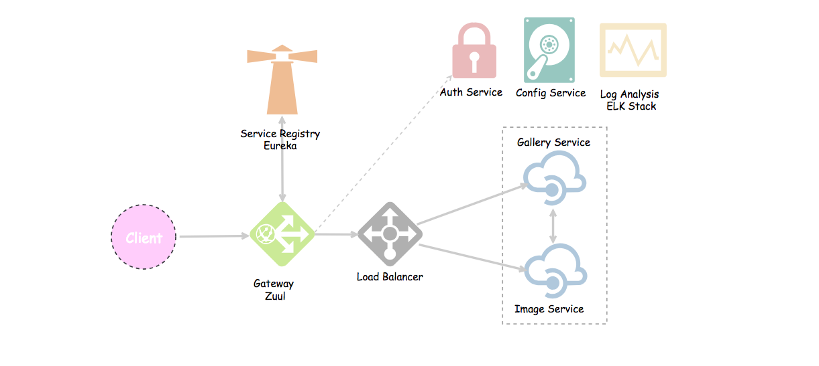

2. Eureka Server -> service registry
 | 2.1 pom.xml

 |  | <dependencies>
 |  | <dependency>
 |  | <groupId>org.springframework.boot</groupId>
 |  | <artifactId>spring-boot-starter-web</artifactId>
 |  | </dependency>
 |  | <dependency>
 |  | <groupId>org.springframework.cloud</groupId>
 |  | <artifactId>spring-cloud-starter-netflix-eureka-server</artifactId>
 |  | </dependency>

 |  | <dependency>
 |  | <groupId>org.springframework.boot</groupId>
 |  | <artifactId>spring-boot-devtools</artifactId>
 |  | <scope>runtime</scope>
 |  | </dependency>
 |  | <dependency>
 |  | <groupId>org.springframework.boot</groupId>
 |  | <artifactId>spring-boot-starter-test</artifactId>
 |  | <scope>test</scope>
 |  | </dependency>
 |  | </dependencies>

 | 2.2 application.properties |  | If differenct server: Eureka & service

 |  |  | # Give a name to the eureka server
 |  | # Give a name to the eureka server | spring.application.name=eureka-server

 |  | spring.application.name=eureka-server | # default port for eureka server
 |  |  | server.port=8761
 |  | # default port for eureka server
 |  |  | eureka.server.wait-time-in-ms-when-sync-empty=0
 |  | server.port=8761 | eureka.renewalPercentThreshold=0.85

 |  | # eureka by default will register itself as a client. So, we need to set it to false. | # eureka by default will register itself as a client. So, we need to set it to false.
 |  |  | # What's a client server? See other microservices (image, gallery, auth, etc).
 |  | # What's a client server? See other microservices (image, gallery, auth, etc). | eureka.client.register-with-eureka=false
 |  |  | eureka.client.fetch-registry=false
 |  | eureka.client.register-with-eureka=false

 |  | eureka.client.fetch-registry=false | #add these lines which is the IP address of my another computer
 |  |  | spring.cloud.discovery.client.simple.local.uri=http://192.168.1.129
 |  |  | eureka.instance.appname=192.168.1.129
 | 3.3 Main class

 |  | package io.github.tubean.eureka.server;

 |  | import org.springframework.boot.SpringApplication;
 |  | import org.springframework.boot.autoconfigure.SpringBootApplication;
 |  | import org.springframework.cloud.netflix.eureka.server.EnableEurekaServer;

 |  | @SpringBootApplication
 |  | @EnableEurekaServer
 |  | public class ServerApplication {

 |  | public static void main(String[] args) {
 |  | SpringApplication.run(ServerApplication.class, args);
 |  | }

 |  | }

3. Services
 | 3.1 pom.xml

 |  | <dependencies>
 |  | <dependency>
 |  | <groupId>org.springframework.boot</groupId>
 |  | <artifactId>spring-boot-starter-web</artifactId>
 |  | </dependency>
 |  | <dependency>
 |  | <groupId>org.springframework.cloud</groupId>
 |  | <artifactId>spring-cloud-starter-netflix-eureka-client</artifactId>
 |  | </dependency>
 |  | <dependency>
 |  | <groupId>org.springframework.boot</groupId>
 |  | <artifactId>spring-boot-starter-data-rest</artifactId>
 |  | </dependency>

 |  | <dependency>
 |  | <groupId>org.springframework.boot</groupId>
 |  | <artifactId>spring-boot-devtools</artifactId>
 |  | <scope>runtime</scope>
 |  | </dependency>
 |  | <dependency>
 |  | <groupId>org.springframework.boot</groupId>
 |  | <artifactId>spring-boot-starter-test</artifactId>
 |  | <scope>test</scope>
 |  | </dependency>
 |  | </dependencies>

 | 3.2 appication.properties

 |  |  |  | # serivce name
 |  | # serivce name |  | spring.application.name=image-service
 |  |  |  | # port
 |  | spring.application.name=image-service |  | server.port=8200
 |  |  |  | server.address=192.168.1.129
 |  | # port |  | # eureka server url
 |  |  |  | eureka.client.service-url.default-zone=http://192.168.1.77:8761/eureka
 |  | server.port=8200
 |  |  |  | #new code start here
 |  | # eureka server url |  | eureka.client.prefer-same-zone-eureka=false
 |  |  |  | eureka.client.proxy-host=192.168.1.77
 |  | eureka.client.service-url.default-zone=http://localhost:8761/eureka |  | eureka.client.proxy-port=8761

 |  |  |  | #configuration to set the ip of host instead of the default localhost
 | 3.3 Main class |  |  | eureka.instance.prefer-ip-address=true
 |  |  |  | eureka.instance.hostname=${server.address}
 |  | package io.github.tubean.eureka.image; |  | eureka.instance.ip-address=${server.address}
 |  |  |  | eureka.instance.instance-id=${server.address}:${spring.application.name}:${server.port}
 |  | import org.springframework.boot.SpringApplication; |  | #new code end here
 |  | import org.springframework.boot.autoconfigure.SpringBootApplication;
 |  | import org.springframework.cloud.netflix.eureka.EnableEurekaClient;

 |  | @SpringBootApplication
 |  | @EnableEurekaClient
 |  | public class ImageApplication {

 |  | public static void main(String[] args) {
 |  | SpringApplication.run(ImageApplication.class, args);
 |  | }

 |  | }

4. Gateway - Zuul
 | 4.1 pom.xml

 |  | <dependencies>
 |  | <dependency>
 |  | <groupId>org.springframework.boot</groupId>
 |  | <artifactId>spring-boot-starter-web</artifactId>
 |  | </dependency>
 |  | <dependency>
 |  | <groupId>org.springframework.cloud</groupId>
 |  | <artifactId>spring-cloud-starter-netflix-zuul</artifactId>
 |  | </dependency>
 |  | <dependency>
 |  | <groupId>org.springframework.cloud</groupId>
 |  | <artifactId>spring-cloud-starter-netflix-eureka-client</artifactId>
 |  | </dependency>
 |  | <dependency>
 |  | <groupId>org.springframework.boot</groupId>
 |  | <artifactId>spring-boot-starter-security</artifactId>
 |  | </dependency>
 |  | <dependency>
 |  | <groupId>io.jsonwebtoken</groupId>
 |  | <artifactId>jjwt</artifactId>
 |  | <version>0.9.0</version>
 |  | </dependency>
 |  | <dependency>
 |  | <groupId>org.springframework.boot</groupId>
 |  | <artifactId>spring-boot-devtools</artifactId>
 |  | <scope>runtime</scope>
 |  | </dependency>
 |  | <dependency>
 |  | <groupId>org.springframework.boot</groupId>
 |  | <artifactId>spring-boot-starter-test</artifactId>
 |  | <scope>test</scope>
 |  | </dependency>
 |  | </dependencies>

 | 4.2 appication.properties |  |  |  | Load balancer

 |  | server.port=8762 |  |  | server.port=8762
 |  | spring.application.name=zuul-server |  |  | spring.application.name=zuul-server
 |  | eureka.client.service-url.default-zone=http://localhost:8761/eureka/
 |  |  |  |  | eureka.instance.preferIpAddress=true
 |  | # A prefix that can added to beginning of all requests. |  |  | eureka.client.registerWithEureka=true
 |  | #zuul.prefix=/api |  |  | eureka.client.fetchRegistry=true

 |  | # Disable accessing services using service name (i.e. gallery-service). |  |  | eureka.client.service-url.default-zone=http://192.168.1.77:8761/eureka/
 |  | # They should be only accessed through the path defined below.
 |  | zuul.ignored-services=*
 |  |  |  |  | # A prefix that can added to beginning of all requests.
 |  | # Map paths to services |  |  | #zuul.prefix=/api
 |  | zuul.routes.gallery-service.path=/gallery/**
 |  | zuul.routes.gallery-service.service-id=gallery-service |  |  | # Disable accessing services using service name (i.e. gallery-service).
 |  |  |  |  | # They should be only accessed through the path defined below.
 |  | # Map path to auth service |  |  | zuul.ignored-services=*
 |  | zuul.routes.auth-service.path=/auth/**
 |  | zuul.routes.auth-service.service-id=AUTH-SERVICE |  |  | # Map paths to services
 |  |  |  |  | zuul.routes.gallery-service.path=/gallery/**
 |  | # By default, all requests to gallery service for example will start with: "/gallery/" |  |  | zuul.routes.gallery-service.service-id=gallery-service
 |  | # What will be sent to the gallery service is what comes after the path defined,
 |  | # So, if request is "/gallery/view/1", gallery service will get "/view/1". |  |  | # Map path to auth service
 |  | # In case of auth, we need to pass the "/auth/" in the path to auth service. So, set strip-prefix to false |  |  | zuul.routes.auth-service.path=/auth/**
 |  | zuul.routes.auth-service.strip-prefix=false |  |  | zuul.routes.auth-service.service-id=AUTH-SERVICE

 |  | # Exclude authorization from sensitive headers |  |  | # By default, all requests to gallery service for example will start with: "/gallery/"
 |  | zuul.routes.auth-service.sensitive-headers=Cookie,Set-Cookie |  |  | # What will be sent to the gallery service is what comes after the path defined,
 |  |  |  |  | # So, if request is "/gallery/view/1", gallery service will get "/view/1".
 |  |  |  |  | # In case of auth, we need to pass the "/auth/" in the path to auth service. So, set strip-prefix to false
 | 4.3 Main class |  |  |  | zuul.routes.auth-service.strip-prefix=false

 |  | package io.github.tubean.eureka.zuulserver; |  |  | # Exclude authorization from sensitive headers
 |  |  |  |  | zuul.routes.auth-service.sensitive-headers=Cookie,Set-Cookie
 |  | import org.springframework.boot.SpringApplication;
 |  | import org.springframework.boot.autoconfigure.SpringBootApplication;
 |  | import org.springframework.cloud.netflix.eureka.EnableEurekaClient;
 |  | import org.springframework.cloud.netflix.zuul.EnableZuulProxy;

 |  | @SpringBootApplication
 |  | @EnableEurekaClient // It acts as a eureka client
 |  | @EnableZuulProxy // Enable Zuul
 |  | public class ZuulServerApplication {

 |  | public static void main(String[] args) {
 |  | SpringApplication.run(ZuulServerApplication.class, args);
 |  | }

 |  | }

