Sheet1
Jonathan98 | this key should be put to the default .ssh folder for user

key from github
git@github.com:tohuyen/FileMonitor.git

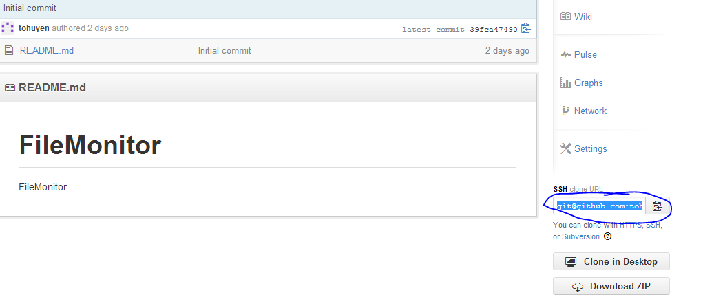

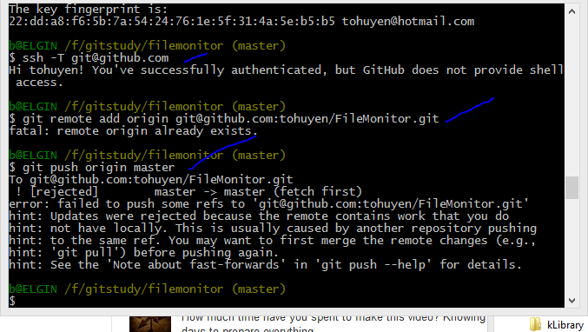

PULL BEFORE PUSH

