Bai1
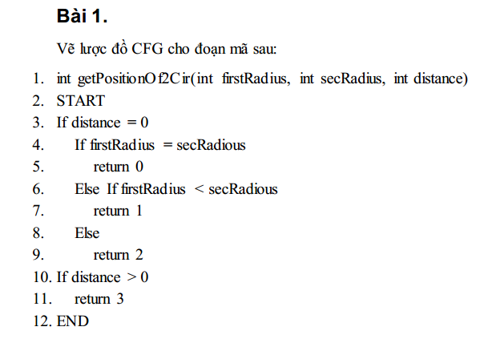
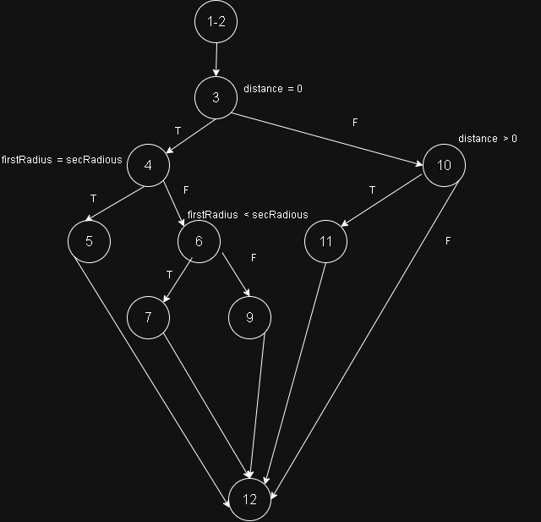

Bai2
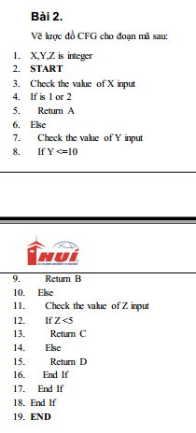
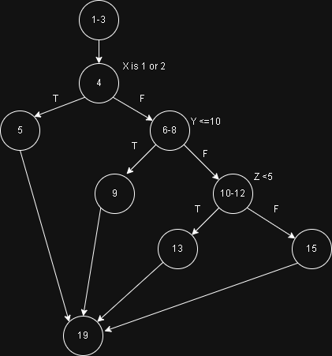

Bai3
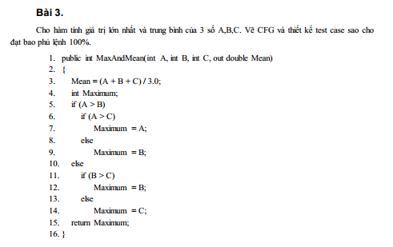
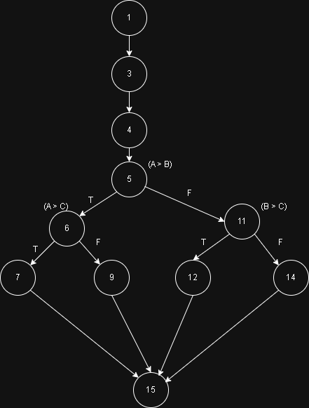

Bang test case
# | Condition | Input |  |  | Line number excuted | Expected result |  | Kết quả thực tế
 |  | A | B | C |  | Mean | Max | Mean | Max
1 | A>B&&A>C | 3 | 1 | 2 | 1,3,4,5,6,7,15 | 2 | 3 | 2 | 4 | Pass
2 | A>B&&A<C | 3 | 2 | 5 | 1,3,4,5,6,9,15 | 3.3333333333 | 2 | 3.3333333333 | 2 | Pass
3 | A<B&&B>C | 3 | 4 | 2 | 1,3,4,5,11,12,15 | 3 | 4 | 3 | 4 | Pass
4 | A<B&&B<C | 3 | 4 | 5 | 1,3,4,5,11,14,15 | 4 | 5 | 4 | 5 | Pass

Bai4
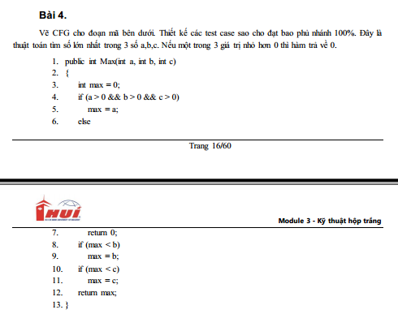
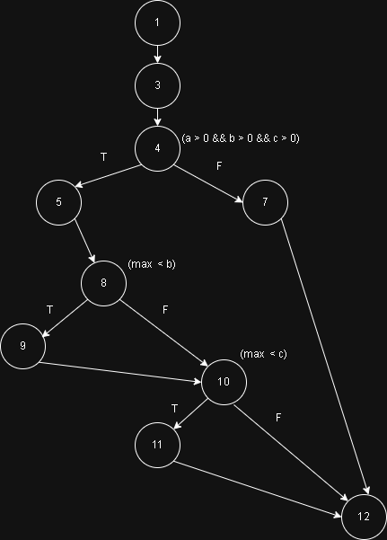

 | Bang test case
# | Condition | Input |  |  | Line number excuted | Expected result | Kết quả thực tế
 |  | A | B | C
1 | (a > 0 && b > 0 && c > 0) && (max<b) && (max<c) | 1 | 2 | 3 | 1,3,4,5,8,9,10,11,12 | 3 | 3 | Pass
2 | (a > 0 && b > 0 && c > 0) && (max>b) && (max>c) | 5 | 4 | 3 | 1,3,4,3,8,10,12 | 5 | 5 | Pass
3 | (a < 0 || b < 0 || c < 0) | -1 | 1 | 2 | 1,3,4,7,12 | 0 | 0 | Pass

Bai5
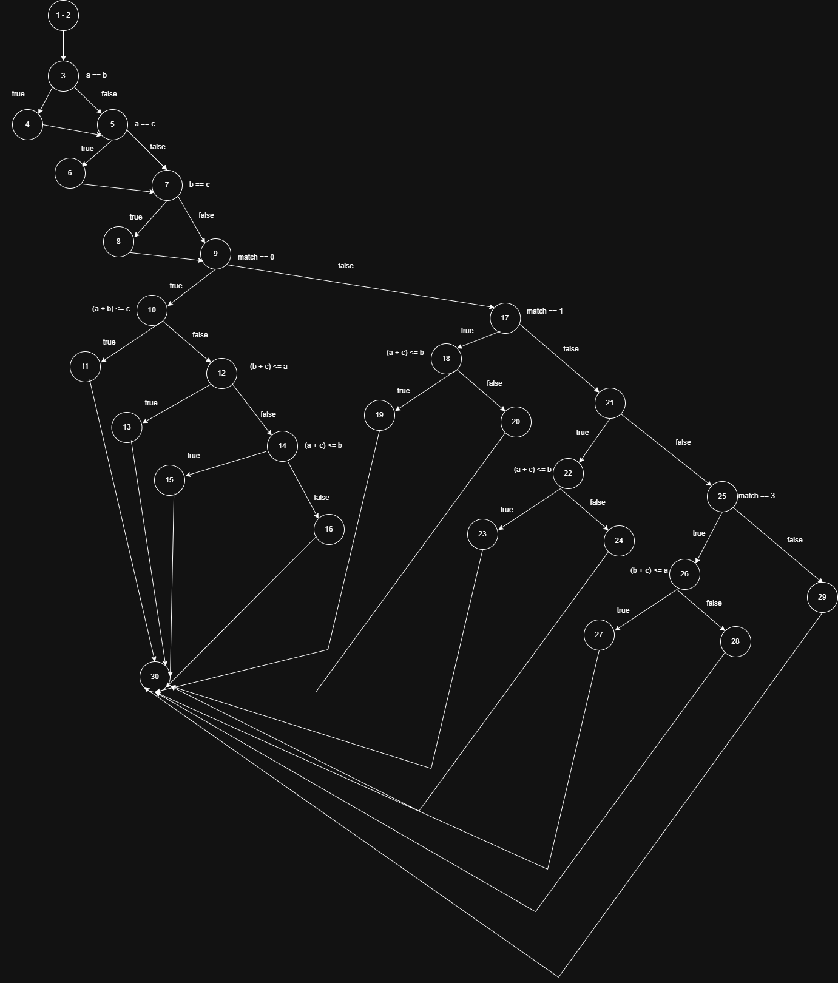
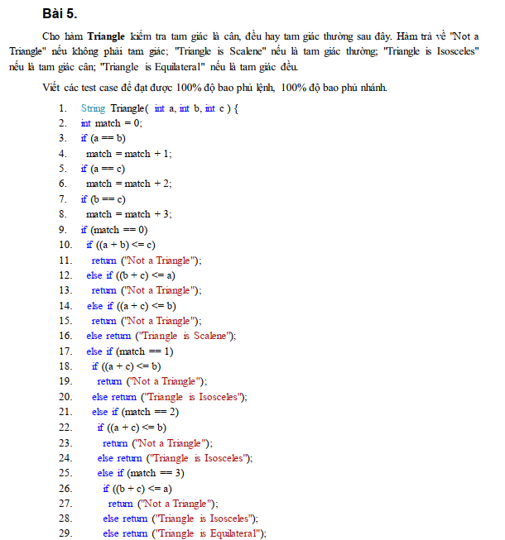
# | Condition | Input |  |  | Line number excuted | Expected result | Kết quả thực tế
 |  | A | B | C
1 |  | 1 | 2 | 3 | 1,2,3,5,7,9,10,11,30 | Not a Triangle | Not a Triangle | Pass
2 |  | 5 | 1 | 2 | 1,2,3,5,7,9,10,12,13,30 | Not a Triangle | Not a Triangle | Pass
3 |  | 1 | 5 | 2 | 1,2,3,5,7,9,10, 12,14,15,30 | Not a Triangle | Not a Triangle | Pass
4 |  | 3 | 4 | 5 | 1,2,3,5,7,9,10,12,14, 16,30 | Triangle is Scalene | Triangle is Scalene | Pass
5 |  | 2 | 2 | 3 | 1,2,3,4,5,7,9,17,18,20,30 | Triangle is Isosceles | Triangle is Isosceles | Pass
6 |  | 2 | 3 | 2 | 1,2,3,5,6,7,9,21,22,24,30 | Triangle is Isosceles | Triangle is Isosceles | Pass
7 |  | 3 | 2 | 2 | 1,2,3,5,7,8,9,25,26,28,30 | Triangle is Isosceles | Triangle is Isosceles | Pass
8 |  | 2 | 2 | 2 | 1,2,3,4,5,6,7,8,9,29,30 | Triangle is Equilateral | Triangle is Equilateral | Pass
9 |  | 1 | 1 | 3 | 1,2,3,4,5,7,9,17,18,19,30 | Not a Triangle | Triangle is Isosceles | Fail
10 |  | 1 | 3 | 1 | 1,2,3,5,6,7,9,21,22,23,30 | Not a Triangle | Triangle is Isosceles | Fail
11 |  | 3 | 1 | 1 | 1,2,3,5,7,8,9,25,26,27,30 | Not a Triangle | Not a Triangle | Pass

Bai6
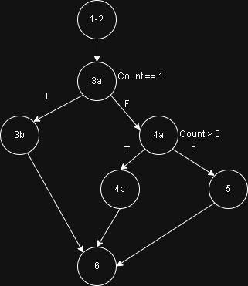
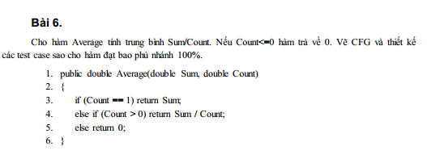

3a
3b

4a
4b

 | Bang test case
# | Condition | Input |  | Line number excuted | Expected result | Kết quả thực tế
 |  | Sum | Count
1 | Count == 1 | 3 | 1 | 1,2,3a,3b,6 | 3 | 3 | Pass
2 | Count!= 1 && Count > 0 | 6 | 2 | 1,2,3a,4a,4b,6 | 3 | 3 | Pass
3 | Count!= 1 && Count =< 0 | 6 | -2 | 1,2,3a,4a,5,6 | 0 | 0 | Pass

Bai7
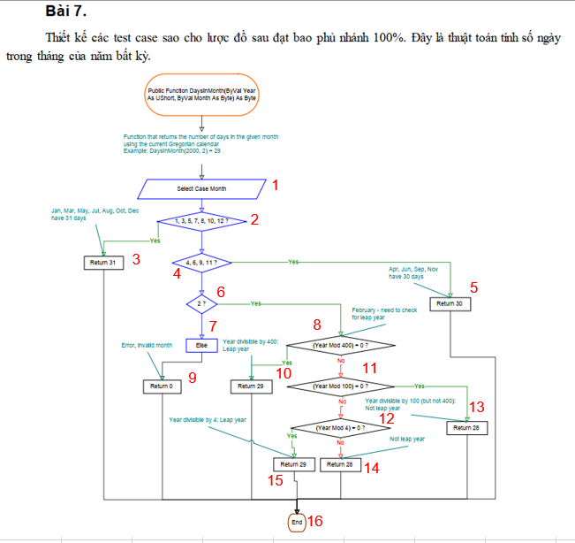
# | Condition | Input |  | Line number excuted | Expected result | Kết quả thực tế
1 | Month == 1 || Month == 3 || Month == 5 || Month == 7 || Month == 8 || Month == 10 || Month == 12 | Year | Month
 |  | 2023 | 1 | 1, 2, 3, 16 | 31 | 31 | Pass
2 | Month == 4|| Month == 6 || Month == 9 || Month == 11 | 2023 | 4 | 1, 2, 4, 5, 16 | 30 | 30 | Pass
3 | Month == 2 && Year % 400 == 0 | 2000 | 2 | 1, 2, 4, 6, 8, 10, 15, 16 | 29 | 29 | Pass
4 | Month == 2 && Year % 400 != 0 && Year % 100 == 0 | 1900 | 2 | 1, 2, 4, 6, 8, 11, 13, 16 | 28 | 28 | Pass
5 | Month == 2 && Year % 100 != 0 && Year % 4 == 0 | 2024 | 2 | 1, 2, 4, 6, 8, 11, 12, 15, 16 | 29 | 29 | Pass
6 | Month == 2 && Year % 4 != 0 | 2023 | 2 | 1, 2, 4, 6, 8, 11, 12, 14, 16 | 28 | 28 | Pass
7 | Month != [1-12] | 2023 | 13 | 1, 2, 7, 9, 16 | 0 | 0 | Pass

Bai8
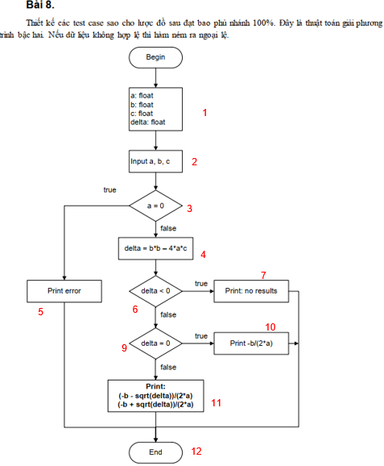
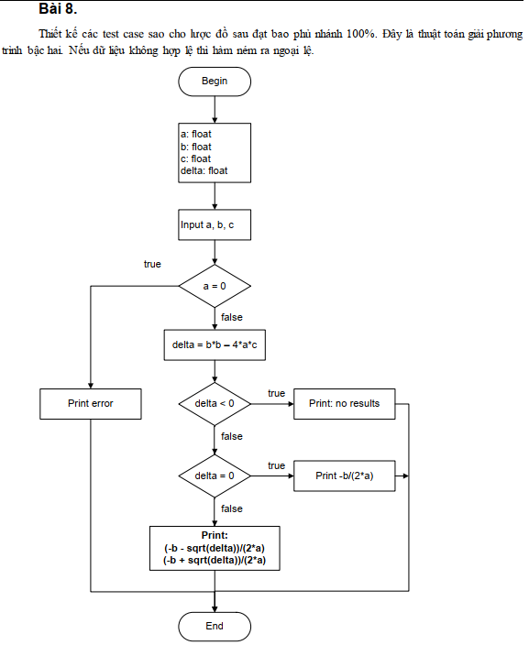
# | Condition | Input |  |  | Line number excuted | Expected result |  | Kết quả thực tế
 |  | a | b | c |  | x1 | x2 | x1 | x2
1 | a = 0 | 0 | 1 | 2 | 1,2,3,5,12 | Error | Error | Error | Error | Pass
2 | a!=0 && dalta < 0 | 1 | 1 | 1 | 1,2,3,4,6,7,12 | No results | No results | No results | No results | Pass
1
3 | a!=0 && delta >0 && delta != 0 | 1 | 2 | 1 | 1,2,3,4,6,9,10,11,12 | -1 | -1 | -1 | -1 | Pass
2
4 | a!=0 && delta >= 0 | 1 | -3 | 2 | 1,2,3,4,6,9,10,12 | 1 | 2 | 1 | 2 | Pass

3

4
7

3
6
5
10
9

3

11

12

Bai9
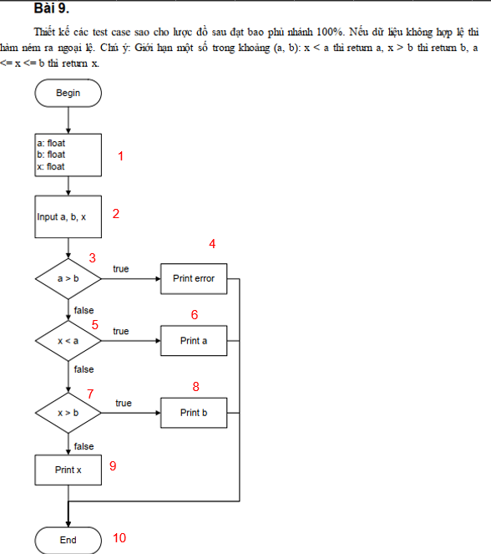
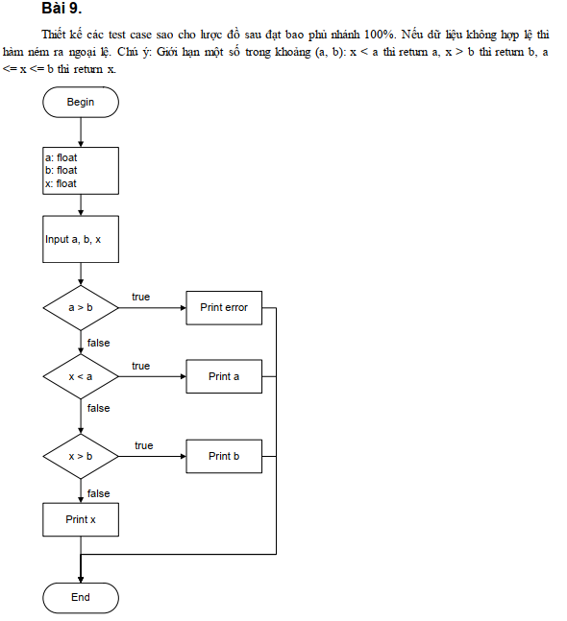
# | Conditon | Input |  |  | Line number excuted | Expected result | Kết quả thực tế
 |  | a | b | x
1 | a > b | 5 | 3 | 4 | 1,2,3,4,10 | Error | Error | Pass
2 | a < b && x < a | 3 | 5 | 2 | 1,2,3,5,6,10 | 3 | 3 | Pass
3 | a < b && x > a && x > b | 3 | 5 | 7 | 1,2,3,5,7,8,10 | 5 | 5 | Pass
4 | a < b && x > a && x < b | 3 | 5 | 4 | 1,2,3,5,7,9,10 | 4 | 4 | Pass

1

2

4
3

5
6

8
7

9
7

10

Bai10
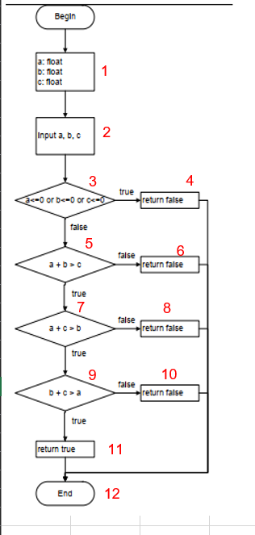
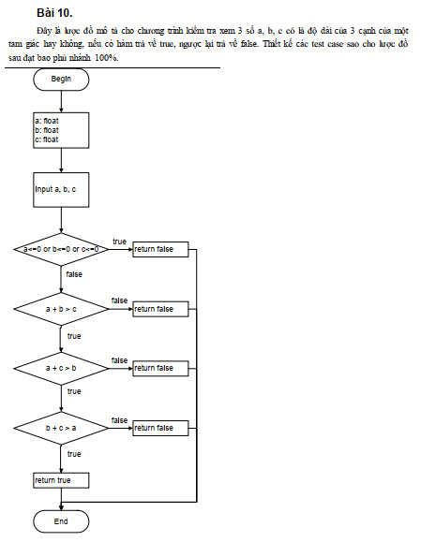
# | Condition | Input |  |  | Line number excuted | Expected result | Kết quả thực tế
 |  | a | b | c
1 | a <= 0 || b <= 0 || c <= 0 | 0 | 1 | 2 | 1,2,3,4,12 | FALSE | FALSE | Pass
2 | a > 0, b > 0, c > 0 && a + b <= c | 1 | 2 | 3 | 1,2,3,5,6,12 | FALSE | FALSE | Pass
3 | a > 0, b > 0, c > 0 && a + b > c && a + c <= b | 1 | 3 | 2 | 1,2,3,5,7,8,12 | FALSE | FALSE | Pass
4 | a > 0, b > 0, c > 0 && a + b > c && a + c > b && b + c <= a | 3 | 1 | 2 | 1,2,3,5,7,9,10,12 | FALSE | FALSE | Pass
1
5 | a > 0, b > 0, c > 0 && a + b > c && a + c > b && b + c > a | 2 | 4 | 5 | 1,2,3,5,7,9,11,12 | TRUE | TRUE | Pass

2

3
4

5
6

1
7
8

1
9
10

11

12

Bai11
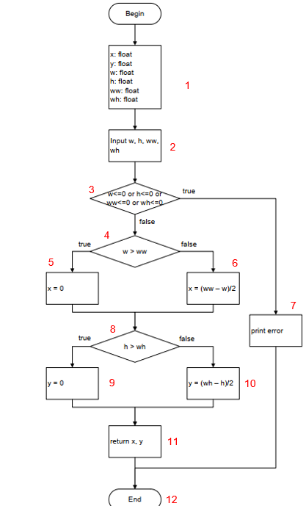
# | Condition | Input |  |  |  | Line Number Excuted | Expected Results |  | Kết quả thực tế
 |  | w | h | ww | wh |  | x | y | x | y
1 | w<=0 || h<=0 || ww<=0 || wh<=0 | 0 | 1 | 2 | 3 | 1,2,3,7,12 | Error | Error | Error | Error | Pass
2 | (w>0 && h>0 && ww>0 && wh>0) && w>ww && h >wh | 5 | 6 | 3 | 4 | 1,2,3,4,5,8,9,11,12 | 0 | 0 | 0 | 0 | Pass
3 | (w>0 && h>0 && ww>0 && wh>0) && w<=ww && h <= wh | 2 | 4 | 6 | 8 | 1,2,3,4,6,8,10,11,12 | 2 | 2 | 2 | 2 | Pass

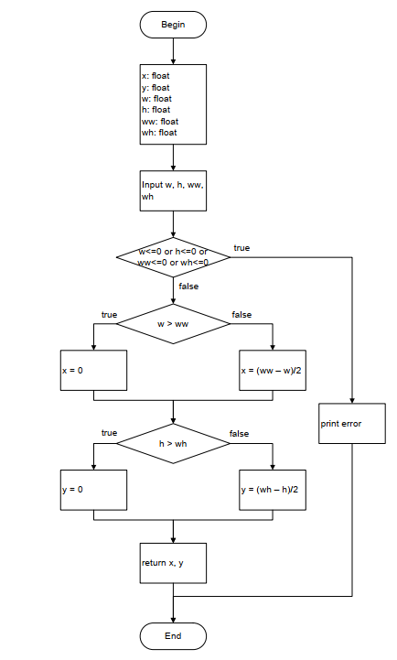

1

2

3

4

5
6

7

8

9
10

11

12

Bai12
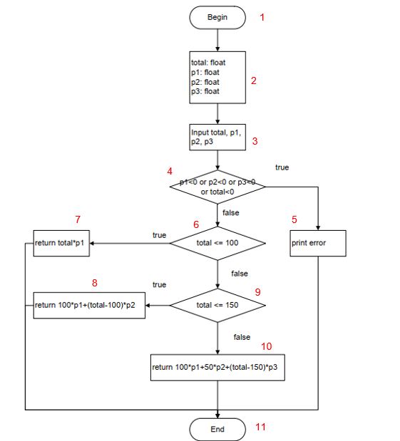
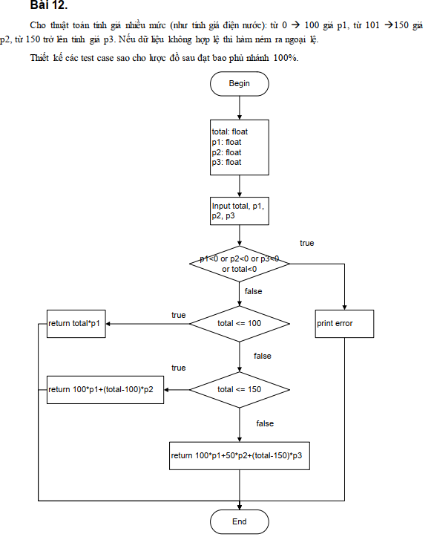
# | Condition | Input |  |  |  | Line Number Excuted | Expected Results | Kết quả thực tế
 |  | total | p1 | p2 | p3
1 | p1<0 || p2<0 || p3<0 || total<0 | -1 | 1 | 1 | 1 | 1, 2, 3, 4, 5, 11 | error | error | Pass
2 | (p1>=0 && p2>=0 && p3>=0 && total>=0) &&(total <=100) | 50 | 2 | 3 | 4 | 1, 2,3 ,4, 6, 7, 11 | 100 | 100 | Pass
1
3 | (p1>=0 && p2>=0 && p3>=0 && total>=0) &&(total >=100)&&(total <=150) | 120 | 2 | 3 | 4 | 1,2,3,4,6,8, 9, 11 | 260 | 260 | Pass
2
4 | (p1>=0 && p2>=0 && p3>=0 && total>=0) &&(total >=100)&&(total >=150) | 200 | 2 | 3 | 4 | 1,2,3,4,6,8,10,11 | 550 | 550 | Pass

3

4

7
6
5

9
8

10

11

Bai13
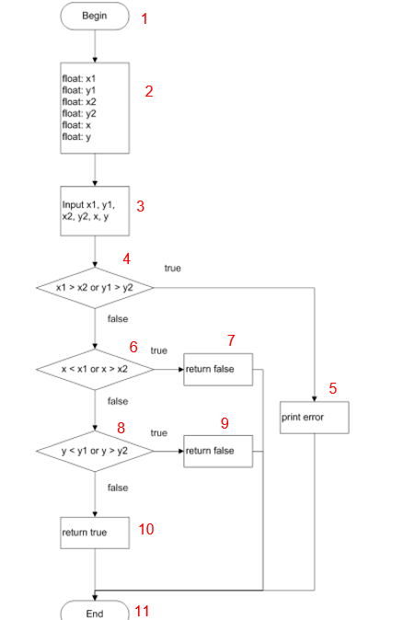
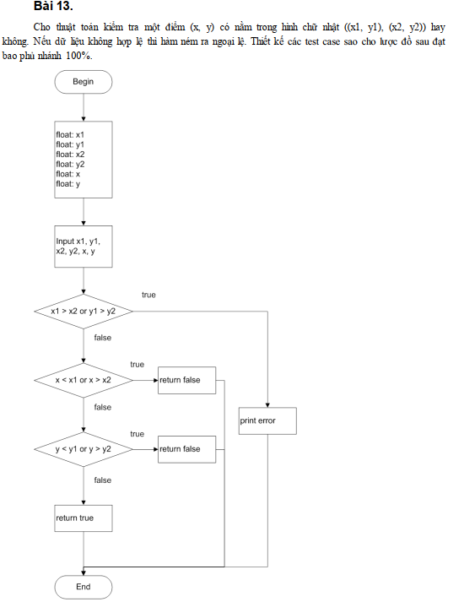
# | Condition | Input |  |  |  |  |  | Line Number Excuted | Expected Results | Kết quả thực tế
 |  | x1 | y1 | x2 | y2 | x | y
 | x1 > x2 || y1 > y2 | 5 | 1 | 2 | 4 | 3 | 2 | 1-2-3-4-5-11 | Error | Error | Pass
 | (x1 <= x2 && y1 <=y2)&&(x < x1 || x > x2) | 1 | 1 | 5 | 5 | 6 | 3 | 1-2-3-4-6-7-11 | FALSE | FALSE | Pass
 | (x1 <= x2 && y1 <=y2)&&(x1<=x && x <=x2)&&(y < y1 || y > y2) | 1 | 1 | 5 | 5 | 3 | 6 | 1-2-3-4-6-8-9-11 | FALSE | FALSE | Pass
1
 | (x1 <= x2 && y1 <=y2)&&(x1<=x || x <=x2) && (y1<=y&& y<=y2) | 1 | 1 | 5 | 5 | 3 | 3 | 1-2-3-4-6-8-10-11 | TRUE | TRUE | Pass

2

3

4

6
7

5

8
9

10

11

Bai14
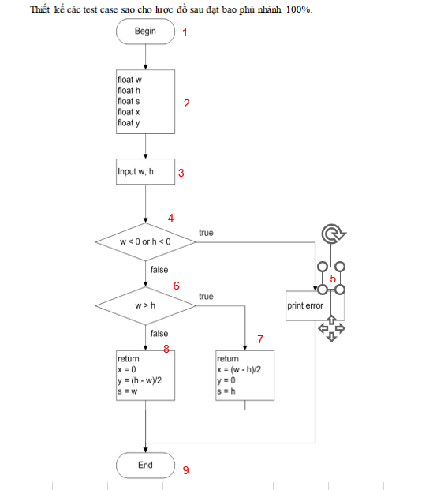
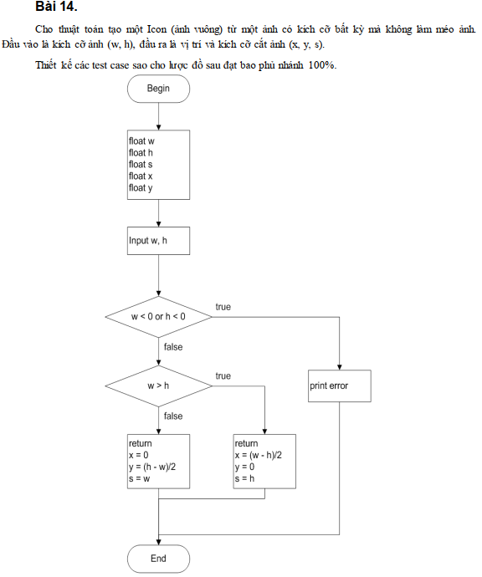
# | Condition | Input |  | Line Number Excuted | Expected Results |  |  | Kết quả thực tế
 |  | w | h |  | x | y | s | x | y | s
 | w<0 || h<0 | -1 | 5 | 1-2-3-4-5-10 | Error | Error | Error | Error | Error | Error | Pass
 | (w>=0 && h>=0)&&(w>h) | 10 | 4 | 1-2-3-4-6-7-10 | 3 | 0 | 4 | 3 | 0 | 4 | Pass
1
 | (w>=0 && h>=0)&&(w<=h) | 4 | 10 | 1-2-3-4-6-8-9-10 | 0 | 3 | 4 | 0 | 3 | 4 | Pass

2

3

4

6
5

7
8

9

Bai15
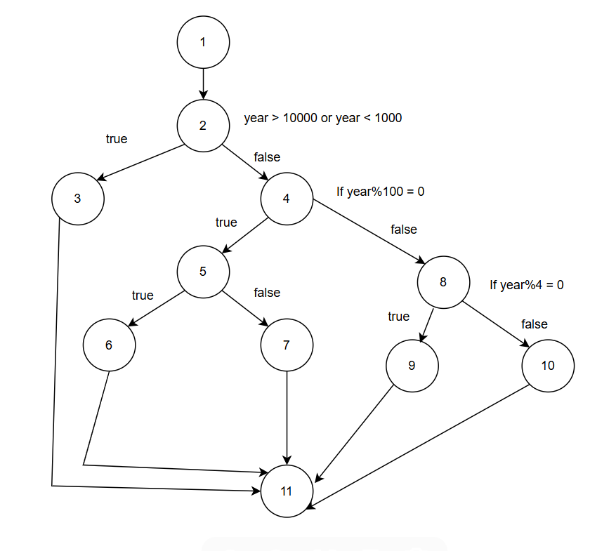
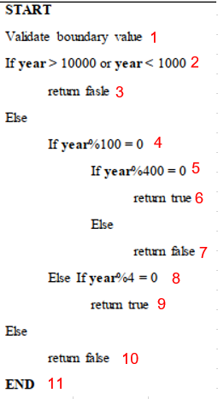
# | Condition | Input | Line Number Excuted | Expected Results | Kết quả thực tế
 | year > 10000 or year < 1000 | 999 | 1-2-3-11 | FALSE | FALSE | Pass
 | (1000<= year <= 10000) &&(year%100 = 0) &&(year %400 =0) | 2000 | 1-2-4-5-6-11 | TRUE | TRUE | Pass
 | (1000<= year <= 10000) &&(year%100 = 0) &&(year %400 != 0) | 1900 | 1-2-4-5-7-11 | FALSE | FALSE | Pass
 | (1000<= year <= 10000) &&(year%100 != 0) && (year % 4 =0) | 2024 | 1-2-4-8-9-11 | TRUE | TRUE | Pass
 | (1000<= year <= 10000) &&(year%100 != 0) && (year % 4 != 0) | 2023 | 1-2-4-8-10-11 | FALSE | FALSE | Pass

Bai16
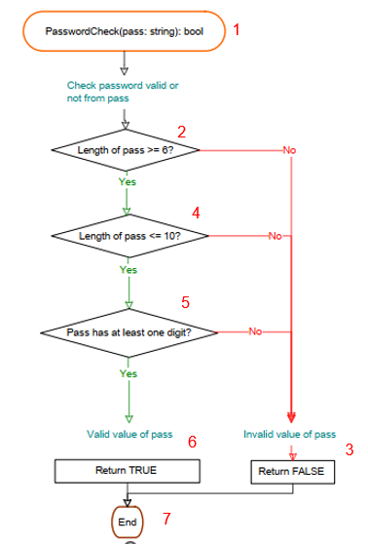
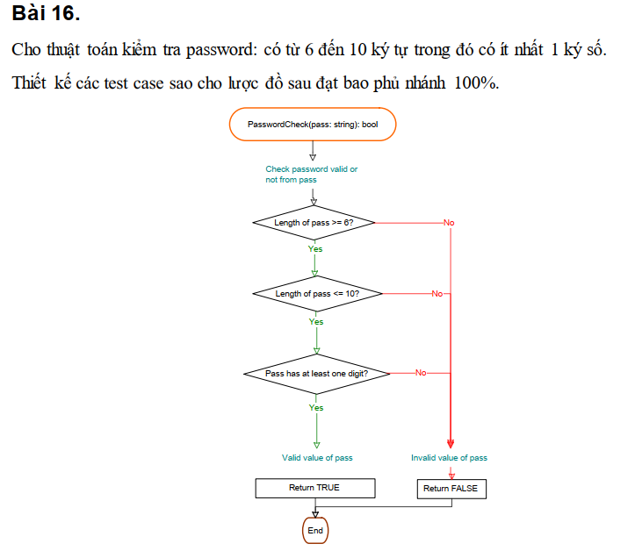

1
# | Condition | Input | Line Number Excuted | Expected Results | Kết quả thực tế
 | Length of pass >= 6 && Length of pass <= 10 && Pass has at least one digit | abc123 | 1-2-4-5-6-7 | TRUE | TRUE | Pass
 | Length of pass < 6 | abc1 | 1-2-3-7 | FALSE | FALSE | Pass
 | Length of pass >= 6 && Length of pass > 10 | abcdefghijk1 | 1-2-4-3-7 | FALSE | FALSE | Pass
 | Length of pass >= 6 && Length of pass <= 10 && !Pass has at least one digit | abcdefg | 1-2-4-5-3-7 | FALSE | FALSE | Pass
2

4

5

6
3

7

Bai17
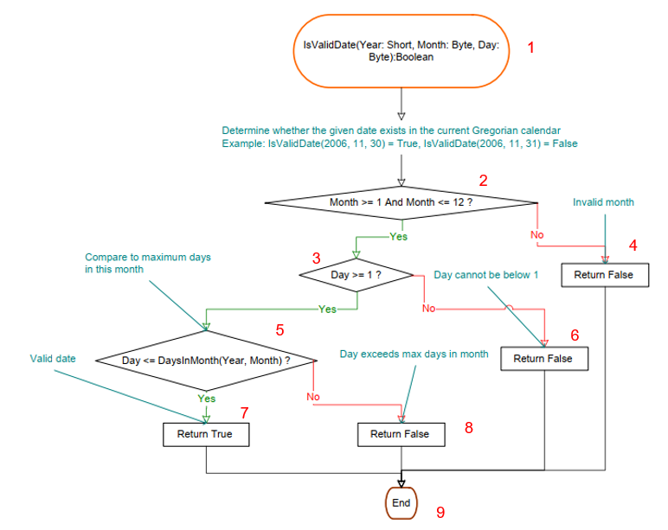
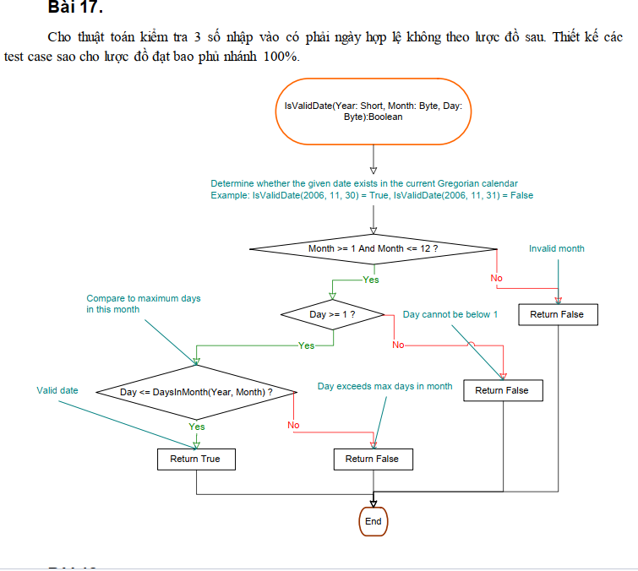
# | Condition | Input |  |  | Line Number Excuted | Expected Results | Kết quả thực tế
 |  | Year | Month | Day
 | Month <1 && Month >12 | 2024 | 13 | 10 | 1-2-4-9 | FALSE | FALSE | Pass
1
 | Month ∈ {1,2,3,4,5,6,7,8,9,10,11,12} && Day < 1 | 2024 | 5 | 0 | 1-2-3-6-9 | FALSE | FALSE | Pass
2
 | Month ∈ {1,2,3,4,5,6,7,8,9,10,11,12} && Day > =1 && Day > Daysinmonth(Year, Month) | 2024 | 4 | 31 | 1-2-3-5-8-9 | FALSE | FALSE | Pass
 | Month ∈ {1,2,3,4,5,6,7,8,9,10,11,12} && Day > =1 && Day < =Daysinmonth(Year, Month) | 2024 | 2 | 29 | 1-2-3-5-7-9 | TRUE | TRUE | Pass

3
4

5
6

7
8

9

Bai18
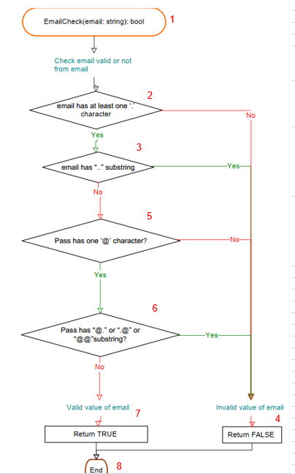
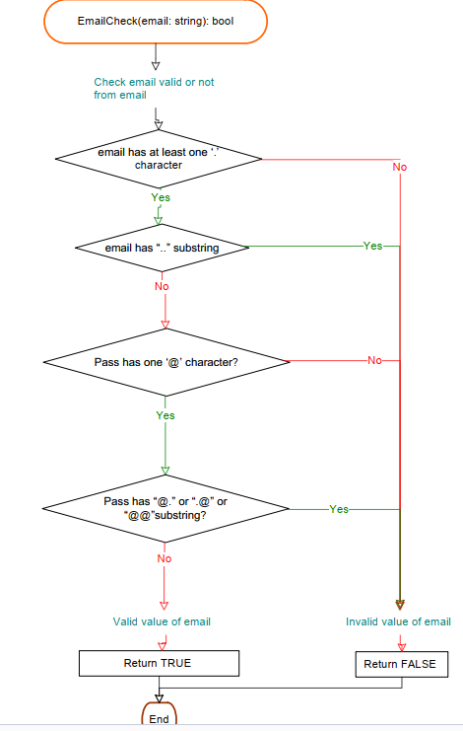
1
# | Condition | Input | Line Number Excuted | Expected Results | Kết quả thực tế
 | !email has at least one ‘.’ character | abc@abc | 1-2-4-8 | FALSE | FALSE | Pass
 | (email has at least one ‘.’ character) && (email has “..” substring) | ab..c@abc.com | 1-2-3-4-8 | FALSE | FALSE | Pass
2
 | (email has at least one ‘.’ character) && !(email has “..” substring) && !(Pass has one ‘@’ character?) | abc.def.com | 1-2-3-5-4-8 | FALSE | FALSE | Pass
3
 | (email has at least one ‘.’ character) && !(email has “..” substring) && (Pass has one ‘@’ character?) && (Pass has “@.” or “.@” or “@@”substring?) | abc@.com | 1-2-3-5-6-4-8 | FALSE | FALSE | Pass
5
 | (email has at least one ‘.’ character) && (!email has “..” substring) && (Pass has one ‘@’ character?) && !(Pass has “@.” or “.@” or “@@”substring?) | abc@abc.com | 1-2-3-5-6-7-8 | TRUE | TRUE | Pass

6

7
4

8

Bai19
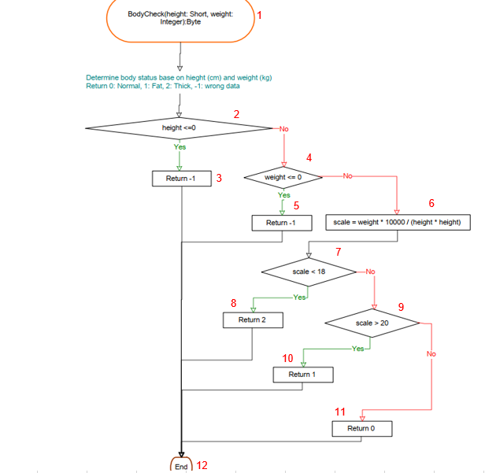
# | Condition | Input |  | Line Number Excuted | Expected Results | Kết quả thực tế
 |  | height | weight
 | height <=0 | 0 | 50 | 1-2-3-12 | -1 | -1 | Pass
 | height >0 && weight <= 0 | 170 | 0 | 1-2-4-5-12 | -1 | -1 | Pass
 | height >0 && weight >0 && scale < 18 | 170 | 40 | 1-2-4-6-7-8-12 | 2 | 2 | Pass
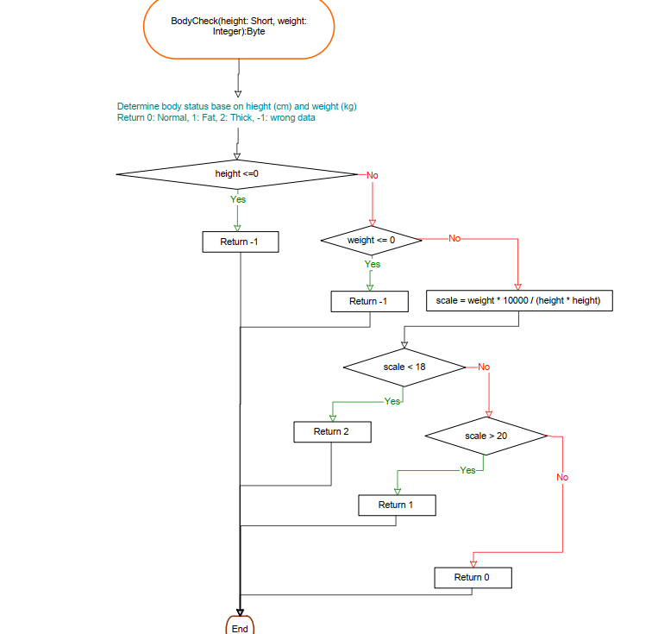
1
 | height >0 && weight >0 && scale >18 && scale >20 | 170 | 70 | 1-2-4-6-7-9-10-12 | 1 | 1 | Pass
 | height >0 && weight >0 && scale >18 && scale <20 | 170 | 55 | 1-2-4-6-7-9-11-12 | 0 | 0 | Pass

2

4

3
6
5

7

8
9

10

11

12

Bai20
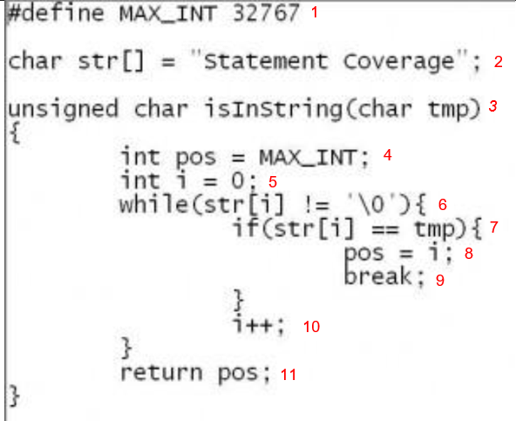
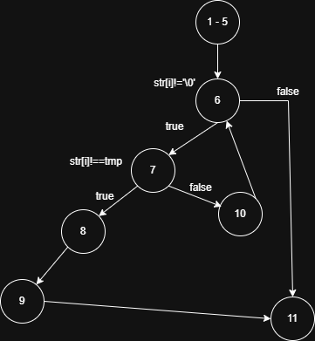
# | Condition | Input | Line Number Excuted | Expected Results | Kết quả thực tế
 |  | tmp
 | str[i] == tmp | 's' | 1-5,6,7,8,9,11 | 0 | 0 | Pass
 | str[i] != tmp && str[i] == '\0' | 'z' | 1-5,6,(7,10)+,6,11 | 32767 | 32767 | Pass

Bai21
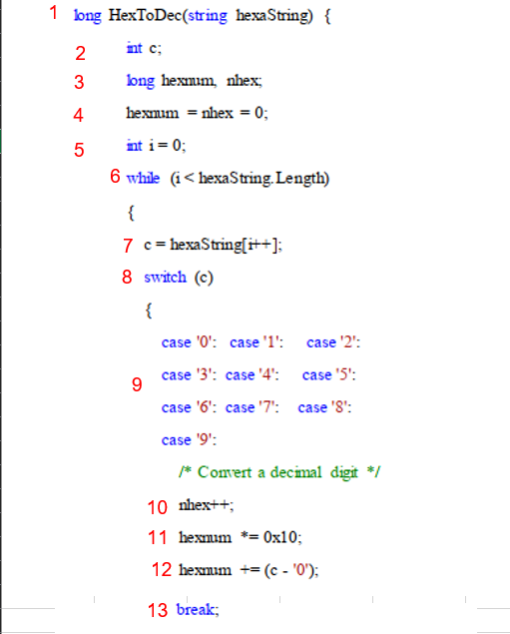
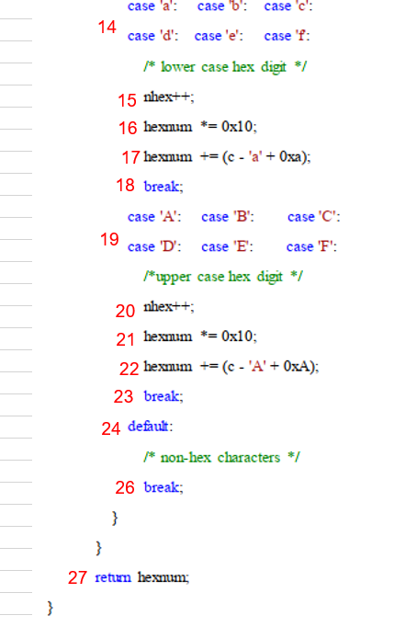
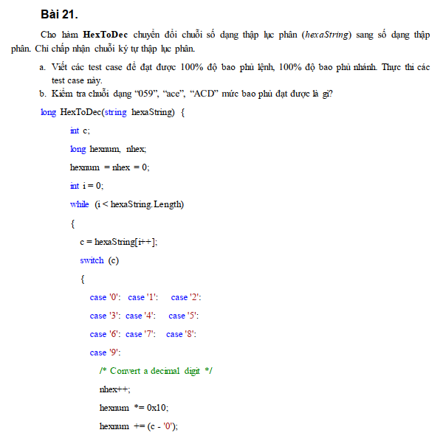

# | Condition | Input | Line Number Excuted | Expected Results | Kết quả thực tế

1 | c ∈ (0-9, a-f, A-F, default) | 5aA@ | 1,2,3,4,5,6,7,8,9,10,11,12,13,6,7,8,14,15,16,17,18,6,7,8,19,20,21,22,23,6,7,8,24,26,6,27 | 1440 | 1440 | Pass

1
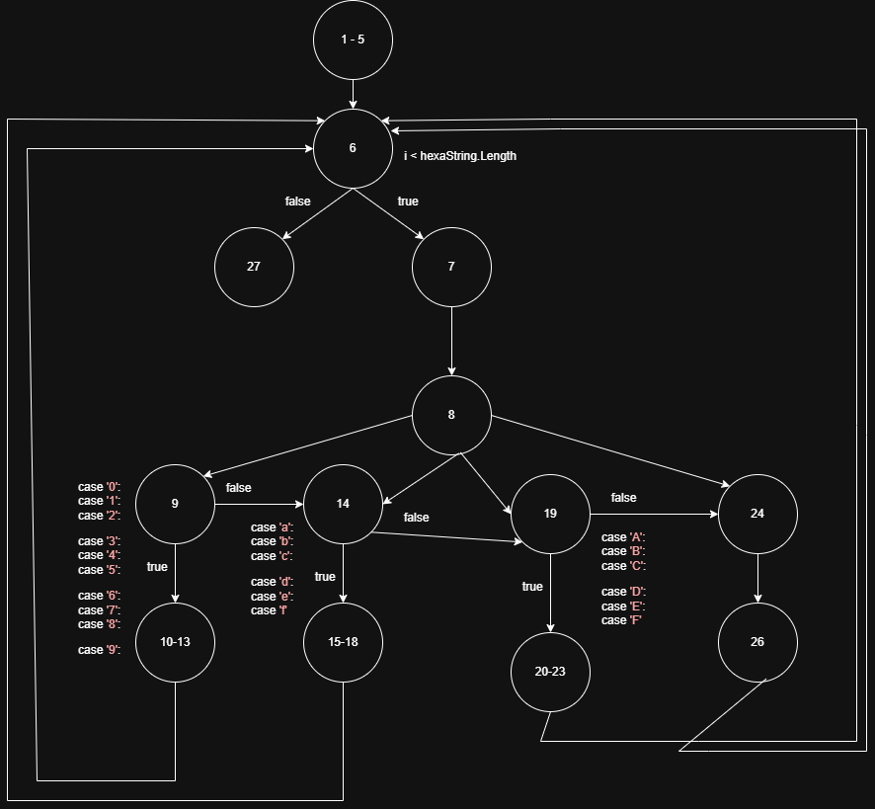
2
3
4

5
6

7
8

9

10
11
12

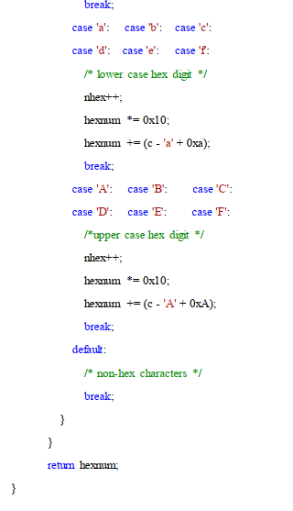
13

14

15

16
17
18

19

20
21

22
23
24

26

27

