ECE331 Lab 5 Template
ECE 331: Electronic Devices
Lab 5: INTRODUCTION TO CAD FOR ELECTRONIC DEVICES

Name | William James Ngana |  | ID | 20533462 |  |  | Group | 14
Name | Michael Hamel |  | ID | 20519421

Prelab Procedure
4.1 | d) What do the terms net and effective doping mean?
 | Net doping is defined as (ND - NA), so it can be describbed as the difference of the elctrically active concentration of donors and acceptors. Howeever net doping only is accurate if one side has a dominant amount of material that all else can be neglected. If there are several dopings or many electrically active defects, effective doping is a quantity which can be based off of voltage measurements which is the difference in donor like states from acceptor like states.

4.1 | e) Why is there a capacitance associated with the depletion region of a pn junction? Show that this capacitance is a function of the total voltage across the junction.

 | 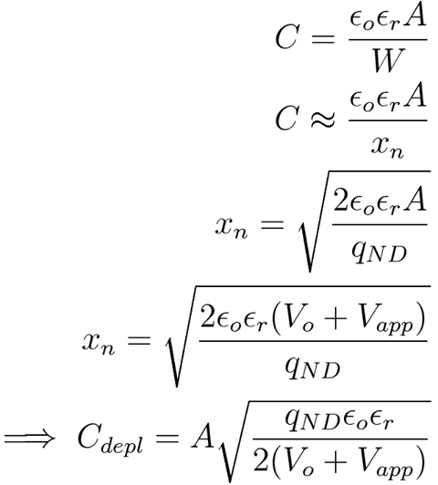 The depletion layer changes in size with respect to the applied voltage. The edges of the depletion layer are the only things which change and these edges can be treated as parallel plate capacitors. To show that the capacitance is a function of the voltage applied across the junction we say:

4.1 | g) What does the term avalanche breakdown mean?
 | Avalanche breakdown is s a form of electric current multiplication that can allow very large currents within materials which are otherwise good insulators. The avalanche process occurs when carriers in the transition region are accelerated by the electric field to energies sufficient to create mobile or free electron-hole pairs via collisions with bound electrons.

4.1 | h) Explain what is meant by the term transition frequency fT.
 | The “transit” or “cut-off” frequency, fT, is a measure of the intrinsic speed of a transistor, and is defined as the frequency where the current gain falls to 1.

4.1 | k) Explain how you expect the maximum transition frequency fT,max of a transistor to change when the depth of the collector-base junction is increased. Be sure to include the idea of transit time in your answer

 | From the definition above we expect that as you increase the depth of the collector-base junction the fT max will increase because the transit time will decrease.

In Lab and PostLab Procedure

4.1 | Part 1: BIPOLE

d) | Net and Effective Doping

 | Plot the net and effective doping profiles for TRAN1 up to a depth of 3 um from the surface. You will need to change the scale.
 | Identify the emitter, base, and collector regions on this plot.
 | 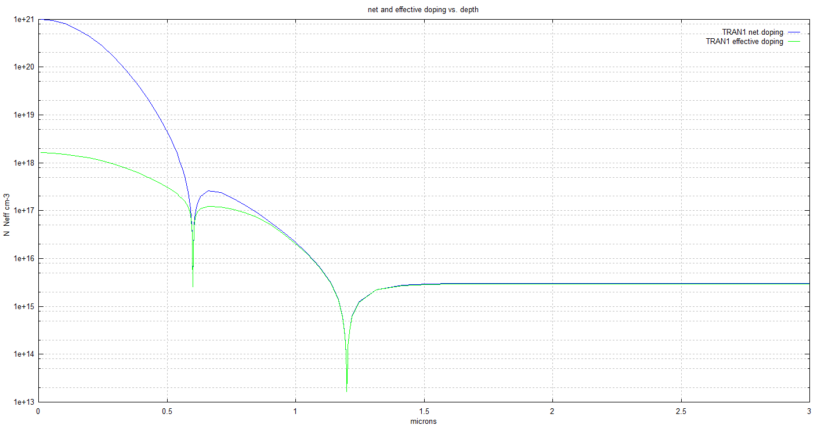 Insert>Pictures>Browse your image
emittor region
base region
collector region

 | Depth of the emitter-base junction (μm) | 0.6 |  | Depth of the collector-base junction (μm) | 1.5 +

e) | Collector-base junction capacitance

 | Plot the collector-base junction capacitance of TRAN1 versus total collector-base voltage.
 | 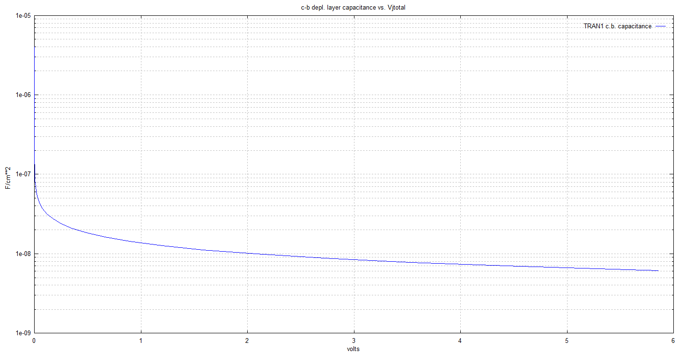 Insert>Pictures>Browse your image

 | Which menu will you select to get this plot ?

 | collector base depletion layer char vs bias- for second graph

 | If the collector-base junction of TRAN1 has an area of Ac = 2200 μm2, then what is the collector-base junction capacitance Cjc for a total collector-base voltage of VJCB = 5.7 V?

 | We see at 5.7 V Cb is approminately 1.5×10-8 F/cm2 then we can say that the Collector base junction capacitance is 3.3×10-4 nF.

f) | C-B Depl. Layer Capacitance Exponent MJC-vs-. Vjtotal

 | Plot γc versus VJCB for TRAN1; (C-B Depl. Layer Capacitance Exponent MJC-vs-. Vjtotal).
 | 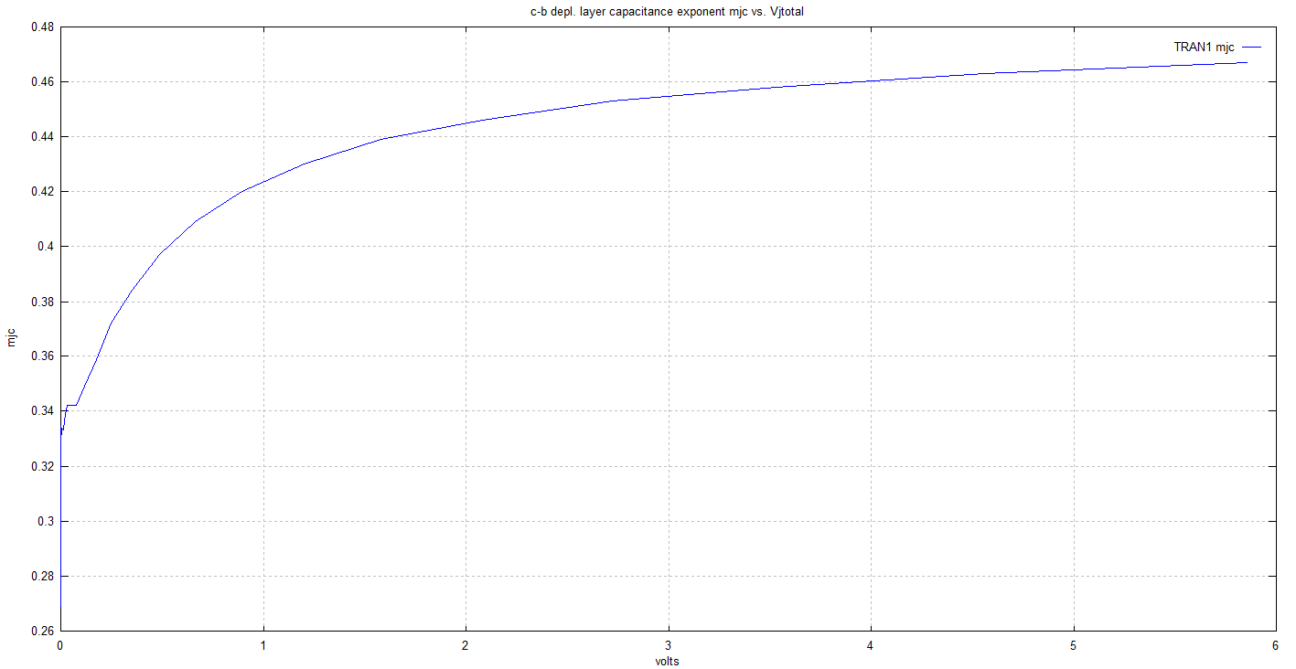 Insert>Pictures>Browse your image

 | How does γc change with voltage? For small values of VJCB, does the collector-base junction behave like a linearly-graded or abrupt junction? What about for larger VJCB?

 | The capacitance voltage coefficent (γc) will increase with increased voltage. We see that it behaves as a linearly graded junction at low voltages but a abrupt junction at larger values of VJCB

g) | Avalanche breakdown

 | Plot the maximum electric field Emax versus voltage for the collector-base junction of TRAN1.
 | 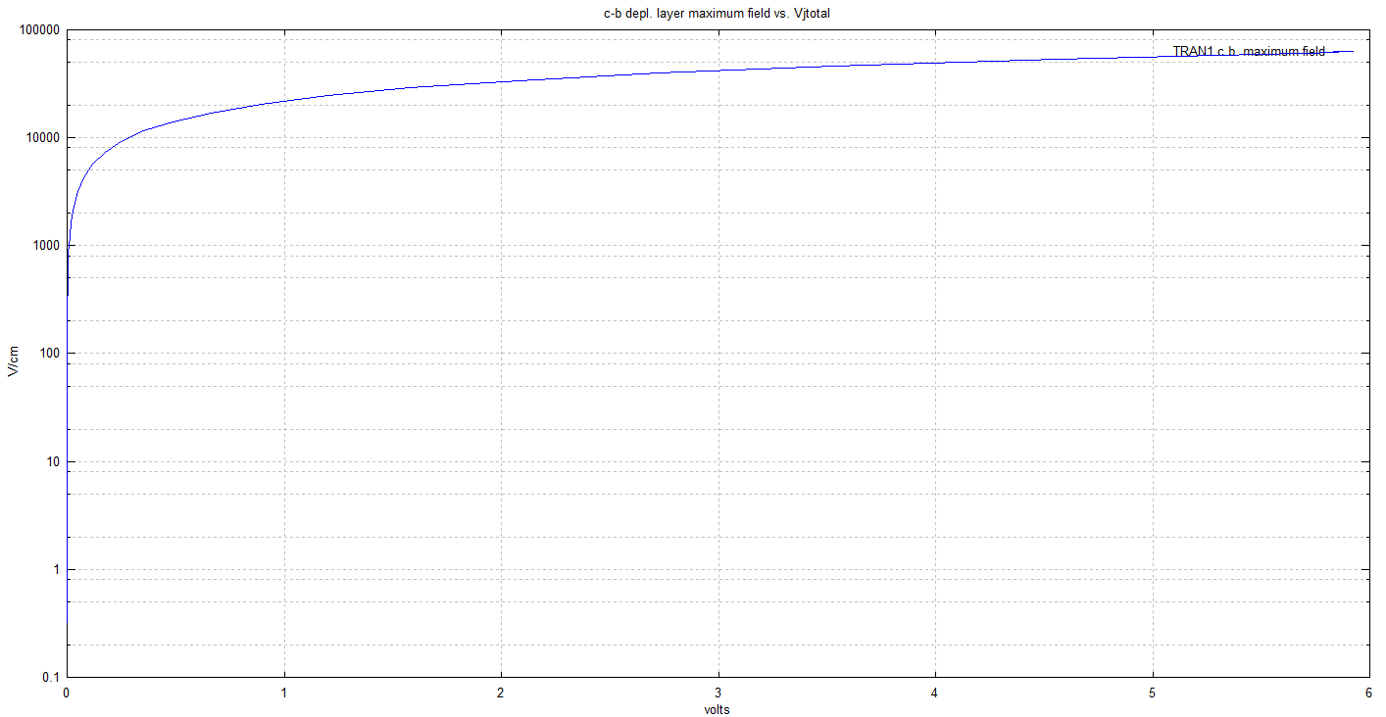 Insert>Pictures>Browse your image

 | Assuming avalanche breakdown at the collector-base junction of TRAN1 occurs for Emax = 5 x 105 V/cm, is there any danger of breakdown taking place for VJCB = 5.7 V

 | We see that the maximum value seen for the junction is 1 x 105 V/cm, five times less than the potential avalance break down point. Also we see that the rate of increase of electric field is decreasing with increased voltage. Hence at a voltage of VJCB = 5.7 V, there is no danger of breakdown occuring

h) | Transition Frequency

 | Plot fT versus IC for TRAN1
 | 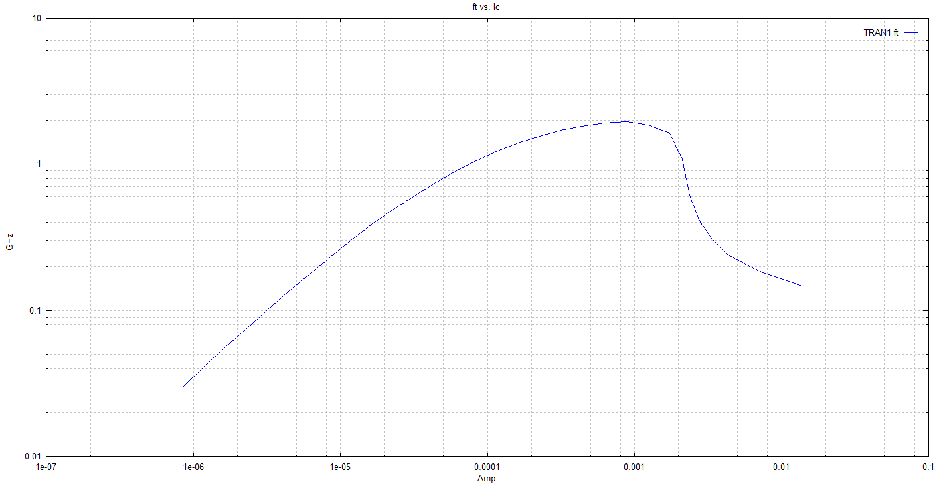 Insert>Pictures>Browse your image

 | Which menu will you select to get this plot ?

 | terminal characteristics

 | How does the maximum fT from the plot compare with the value given by the simple expression in Eq 2. Use DB,av = 12 cm2/sec. In making your comparison, choose appropriate value for WB. Hint: You will need to use the plot you got in part (d).

 | The maximum transition frequency is 1.1 GHz. We can see from our plot (d) that the base width appears to be 0.6 μm. Plugging these values in we can see that the the simple expression gives us 1.06 GHz, which is a good approximation as it agrees with our simulation

i) | Effect of increasing the emitter area on the dc current gain β

 | Plot the dc β versus IC for TRAN1 and TRAN3 on the same graph
 | On the β versus IC plot, label low- and high-current β falloff.
 | 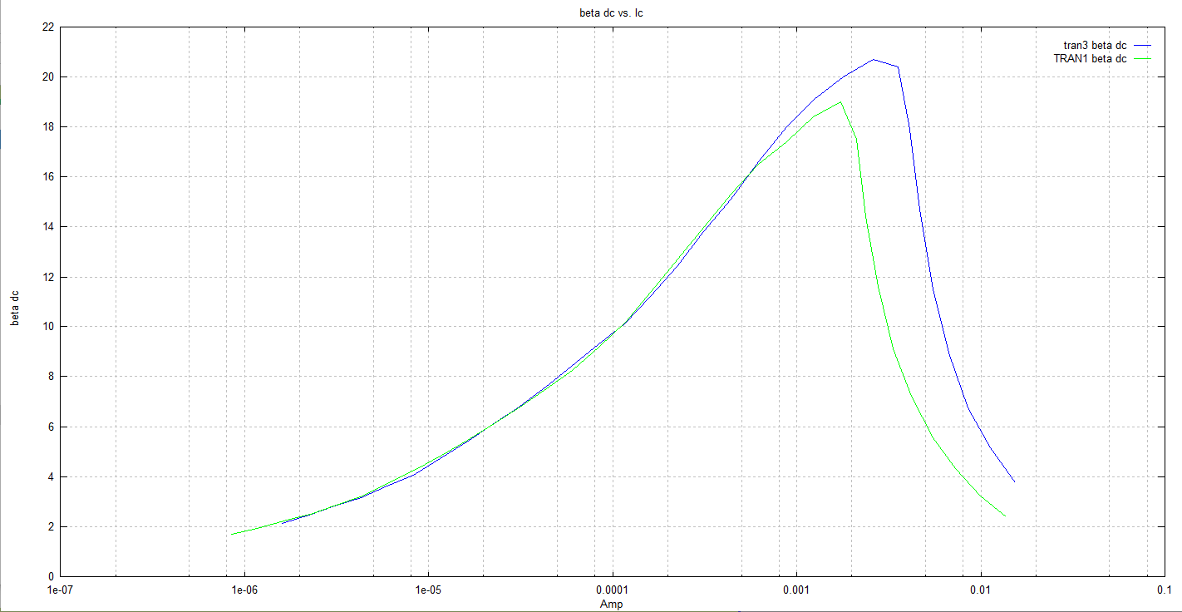 Insert>Pictures>Browse your image
Low current falloff
high current fall fof

 | For both graphs, explain why the curves are shifted with respect to each other along the IC axis.

 | The reason that the curves shifed with respect to each other is because we increased the area of the emitter.

 | If you wanted to increase the value of IC at which high-current  falls off, would you increase or decrease the emitter area of a transistor? Explain.

 | You would increase the size of the emitter, that is because the emmiter is the area in the BTJ is the highest doped region and if you increase the current will also increase.

j) | Reference lifetime of carriers in the E-B depletion layer

 | Plot of the (Beta DC) βdc versus IC for both values of reference lifetime in the E-B depletion layer, that is, the original value and the new lower value using BIPGRAPH

 | 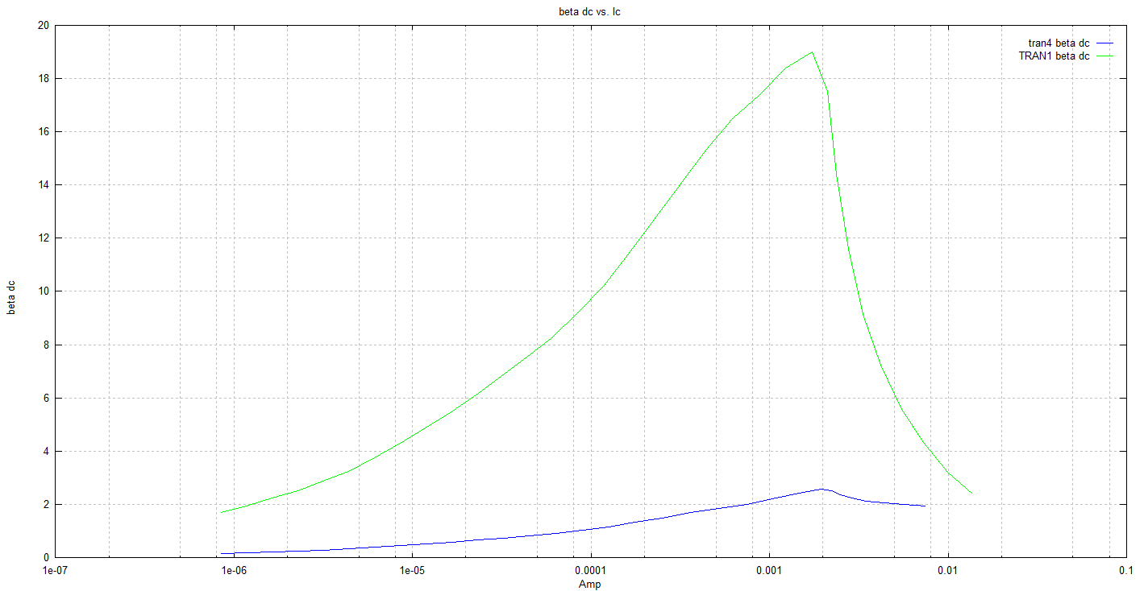 Insert>Pictures>Browse your image

 | Is the gain significantly degraded? In general, why might a lower base lifetime lead to a lower transistor gain?

 | Yes the gain is significantly degraded, the reason that a lower base life would lead to a lower transistor gain is because the lifetime is the average time it takes for a minority carrier to recombine. So lower lifetime is because By design, most of the BJT collector current is due to the flow of charges injected from a high-concentration emitter into the base where they are minority carriers.

k) | fT versus IC for different collector-base junction depth

 | Plot fT versus IC for both values of collector-base junction depth on the same graph.

 | 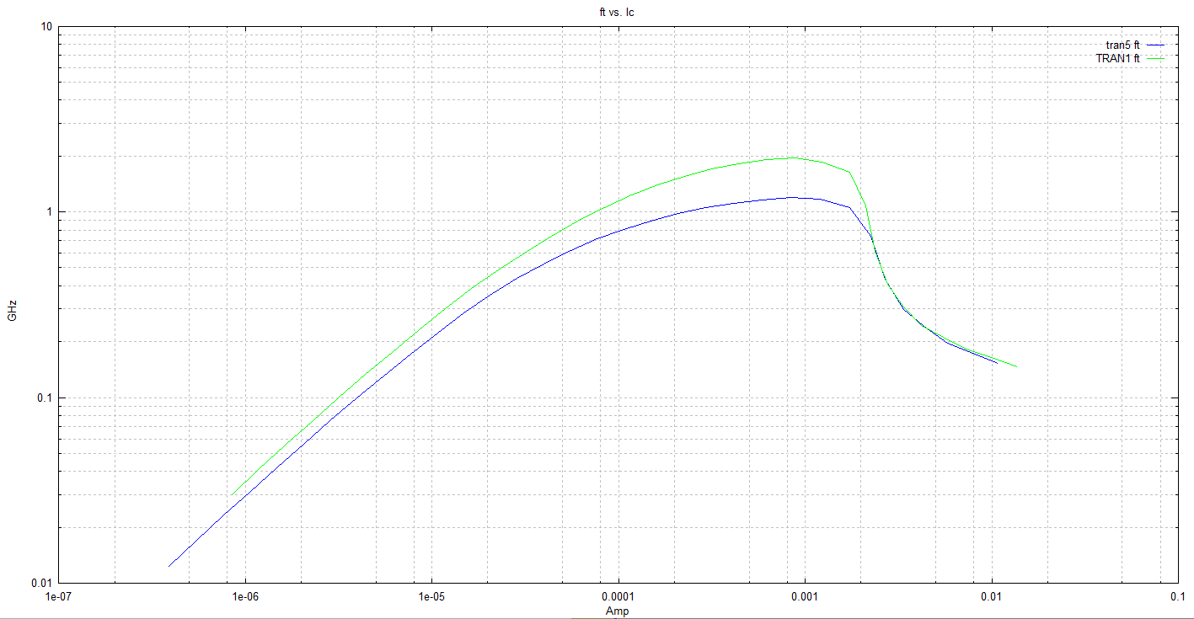 Insert>Pictures>Browse your image

 | Does the result match with your prelab answer ? Explain with some details.

 | Yes because as you increased the collector-base depth the fT max also increased. But is is not as clear cut, at low current values thhe differnce between the two is small but you can still see that for the increased collector-base depth you have a higher fT max, as we increace the current the differnece becomes more notable until we reach a certian point where the transition frequencies are practically the same.

4.2 | Part 2: MicroTech

 | Id vs Vg

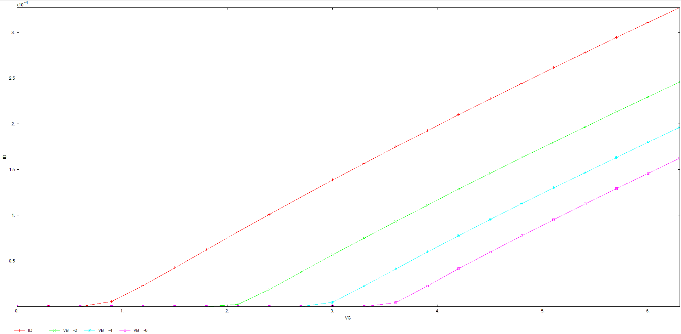
b) | Plot Id Vs VG for different VBS
 | Insert>Pictures>Browse your image

c | VBS (V) | VT(V) |  | MOSFET Lab #3 | VBS (V) | VT(V)
 | -0.1 | 0.75 |  |  | 0 | 0.867
 | -2.1 | 1.8 |  |  | -2 | 2.61
 | -4.1 | 2.75 |  |  | -4 | 4.85
 | -6.1 | 3.25 |  |  | -6 | 6.53

 | How does the Threshold Voltage change with substrate bias and why? In MOSFET lab # 3, compare these results with the results measured in that lab.

 | It increases as you change the substrate basis. The results from the simulation are similar to those obtained in lab 3.

 | Id vs Vd for four different gate voltages

a) | Plot Id vs Vd for four different gate voltages
 | 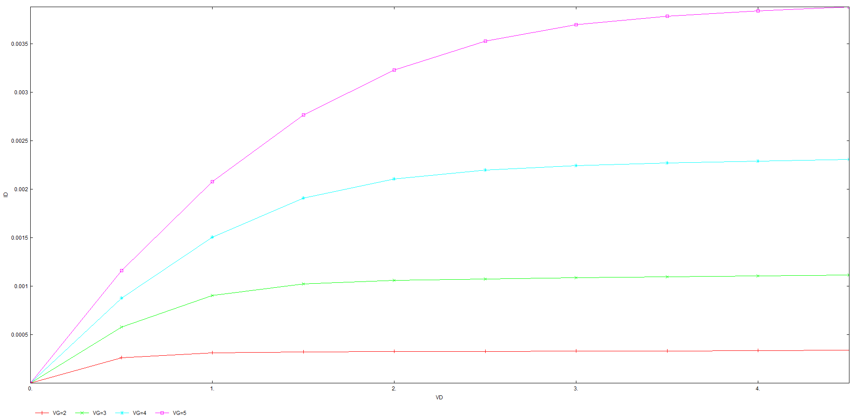 Insert>Pictures>Browse your image

b) | Vg (V) | gm(mA/V) at Vd = 4 volts |  | MOSFET Lab #3 | Vg (V) | gm(mA/V)
 | 2 | 0.0625 |  |  | 5 | 1.815
 | 3 | t
 | 4 | 0.5
 | 5 | 0.875

 | How does the current change with Vg and Vd and why? Compare these simulated results with the results measured in lab # 3.

 | The current increases ass you increase Vd, and with the increase of Vg the rate at which the current increases increases as well.

Any final thoughts?

