Cover
Cover sheet - Official statistics | 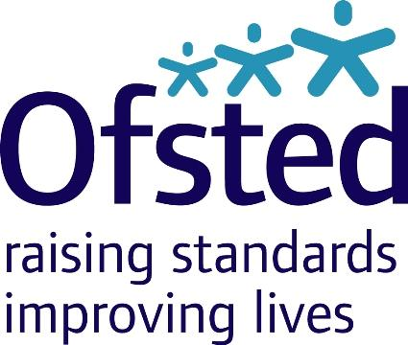
Section | Detail
Policy area: | Children's social care data in England 2022
Theme: | Social care
Published on: | 2022-07-07
Coverage: | England
Period covered: | Inspection outcomes for local authority children’s services inspections, as at 31 March 2022, published by 30 April 2022. Inspection outcomes for all regulated, and other, children’s social care provision, 01 April 2021 to 31 March 2022, published by 30 April 2022. Inspection outcome of most recent inspection for all regulated, and other, children’s social care provision, as at 31 March 2022, published by 30 April 2022. Information about the providers of children’s social care, including the numbers of providers and places, as at 31 March 2022.
Status: | Offical statistics
Issued by: | Office for Standards in Education, Children’s Services and Skills (Ofsted) 70 Petty France Westminster London SW1H 9EX
Chief Statistician: | Jason Bradbury
Statistician: | Adam King
Public enquiries: | If you have any comments or feedback on this publication, please contact the Social Care Data Team on 03000 130 020 or socialcaredata@ofsted.gov.uk
Press enquiries: | Link to press enquires email (opens in new window)
Publication frequency: | Annual
Link to official statistics release web page: | Link to official statistics release page (opens in new window)
© Crown copyright 2022
You may use and re-use this information (not including logos) free of charge in any format or medium,
under the terms of the Open Government Licence.
To view this licence, visit:
Link to the open government licence in the national archives (opens in new window)
Or write to the Information Policy Team, The National Archives, Kew, London, TW9 4DU
Or email:
Link to the policy team email at the national archives (opens in new window)

