Sheet1
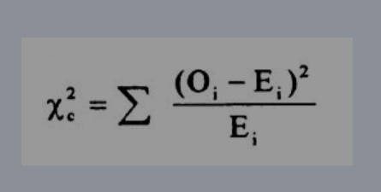

 | #1 | #2 | #3 | #4 | Sum | E
 | 1500 | 1350 | 1600 | 1550 | 6000 | 1500

X2i | 0 | 15 | 6.6666666667 | 1.6666666667

X2 | 23.333333333

