Sheet
Molecule Image | ID | CAS | Cluster ID
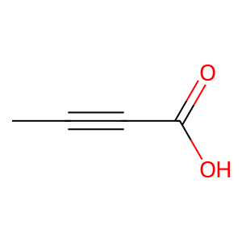 | ac1 | 590-93-2 | 10
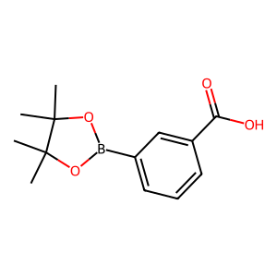 | ac2 | 269409-73-6 | 8
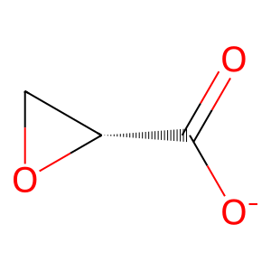 | ac3 | 82079-45-6 | 0
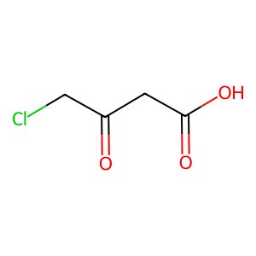 | ac4 | 27807-84-7 | 10
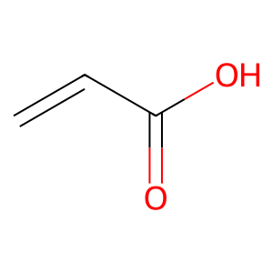 | ac5 | 79-10-7 | 10
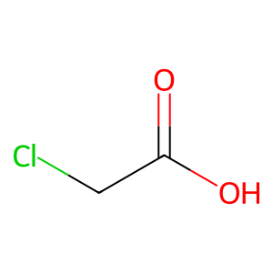 | ac6 | 79-11-8 | 4
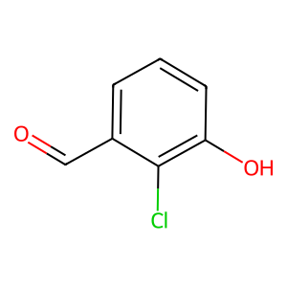 | al1 | 56962-10-8 | 6
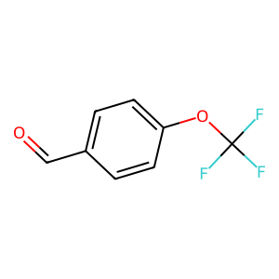 | al2 | 659-28-9 | 9
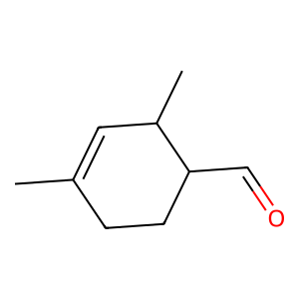 | al3 | 68039-49-6 | 12
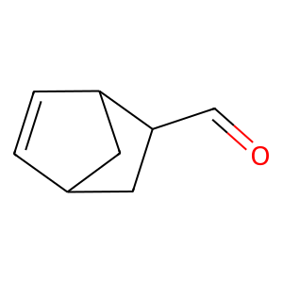 | al4 | 5453-80-5 | 14
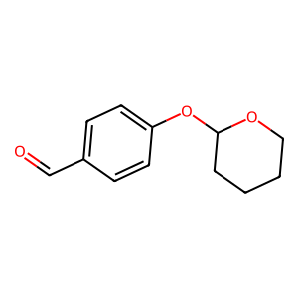 | al5 | 74189-56-3 | 2
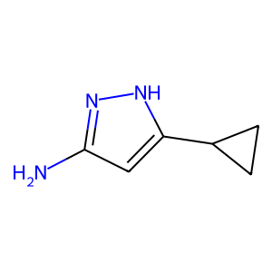 | am1 | 175137-46-9 | 7
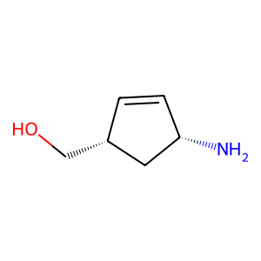 | am2 | 168960-19-8 | 13
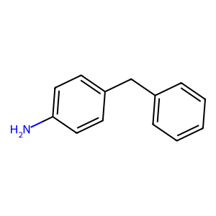 | am3 | 1135-12-2 | 5
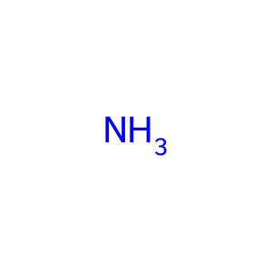 | am4 | 1336-21-6 | /
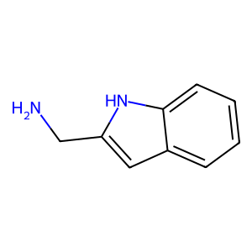 | am5 | 21109-25-1 | 8
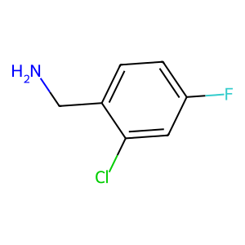 | am6 | 15205-11-5 | 6
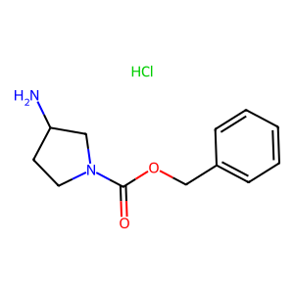 | am7 | 1159822-27-1 | 1

